on-sale
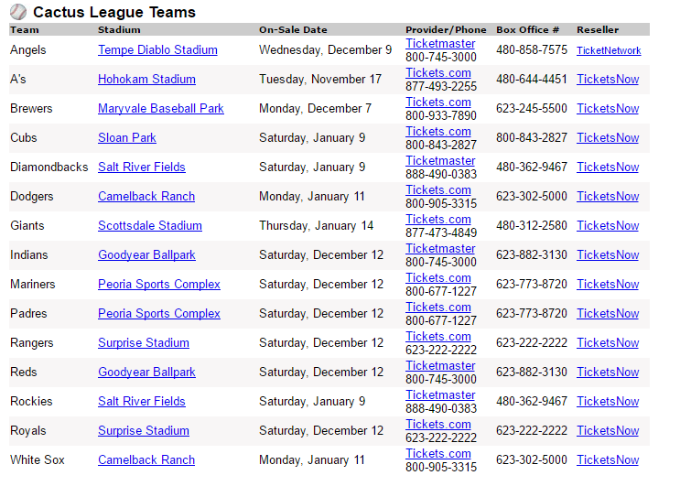

Link: | http://www.cactusleague.com/tickets-stadiums.php
Ballpark Guide: | http://www.springtrainingconnection.com/ballpark-guide.html
On Sale Dates: | http://www.springtrainingconnection.com/tickets.html

 | s | m | t | w | t | f | s
REDS | 2016-11-13 | 2016-11-14 | 2016-11-15 | 2016-11-16 | 2016-11-17 | 2016-11-18 | 2016-11-19
Seattle ?? |  |  |  |  | A'S | ROCKIES
Chicago White Sox (jan?) | 2016-11-20 | 2016-11-21 | 2016-11-22 | 2016-11-23 | 2016-11-24 | 2016-11-25 | 2016-11-26

 | 2016-11-27 | 2016-11-28 | 2016-11-29 | 2016-11-30 | 2016-12-01 | 2016-12-02 | 2016-12-03
 |  |  |  |  | ROCKIES?
 |  |  |  |  |  | ANGLES
 | 2016-12-04 | 2016-12-05 | 2016-12-06 | 2016-12-07 | 2016-12-08 | 2016-12-09 | 2016-12-10
 |  | BREWERS |  |  |  |  | ROYALS
 | 2016-12-11 | 2016-12-12 | 2016-12-13 | 2016-12-14 | 2016-12-15 | 2016-12-16 | 2016-12-17

 | 2016-12-18 | 2016-12-19 | 2016-12-20 | 2016-12-21 | 2016-12-22 | 2016-12-23 | 2016-12-24

 | 2016-12-25 | 2016-12-26 | 2016-12-27 | 2016-12-28 | 2016-12-29 | 2016-12-30 | 2016-12-31

 | 2017-01-01 | 2017-01-02 | 2017-01-03 | 2017-01-04 | 2017-01-05 | 2017-01-06 | 2017-01-07
 |  |  |  | DODGERS ? |  |  | DIAMONDBCKS
 |  |  |  |  |  |  | CUBS

 | 2017-01-08 | 2017-01-09 | 2017-01-10 | 2017-01-11 | 2017-01-12 | 2017-01-13 | 2017-01-14
 |  | Chicago White Sox | RANGERS |  |  |  | GIANTS

 | 2017-01-15 | 2017-01-16 | 2017-01-17 | 2017-01-18 | 2017-01-19 | 2017-01-20 | 2017-01-21

 | 2017-01-22 | 2017-01-23 | 2017-01-24 | 2017-01-25 | 2017-01-26 | 2017-01-27 | 2017-01-28

schedule
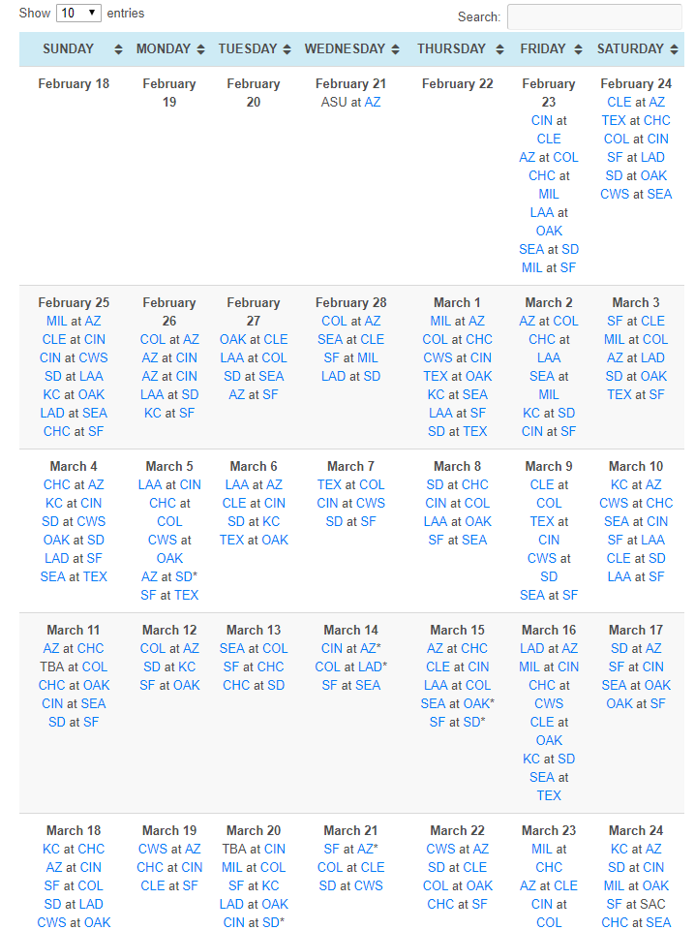

------------------- SCORING DETAIL -----------------------------------
2018 Friday, Mar 09 thru 2018 Monday, Mar 12 ==> 114.5 points
2018 Friday, Mar 09 ==> 27.4 points
SEA at SF ==> 35.0 points
CLE at COL ==> 18.0 points
TEX at CIN ==> 10.0 points
CWS at SD ==> 10.0 points
2018 Saturday, Mar 10 ==> 26.4 points
CWS at CHC ==> 30.0 points
LAA at SF ==> 22.0 points (split)
KC at AZ ==> 18.0 points
SF at LAA ==> 12.0 points (split)
SEA at CIN ==> 10.0 points
CLE at SD ==> 10.0 points
2018 Sunday, Mar 11 ==> 30.3 points
SD at SF ==> 35.0 points
CHC at OAK ==> 25.0 points (split) | Purchased
TBA at COL ==> 18.0 points
AZ at CHC ==> 17.0 points (split)
CIN at SEA ==> 10.0 points
2018 Monday, Mar 12 ==> 30.4 points
SF at OAK ==> 40.0 points
COL at AZ ==> 18.0 points
SD at KC ==> 10.0 points

