Sheet1
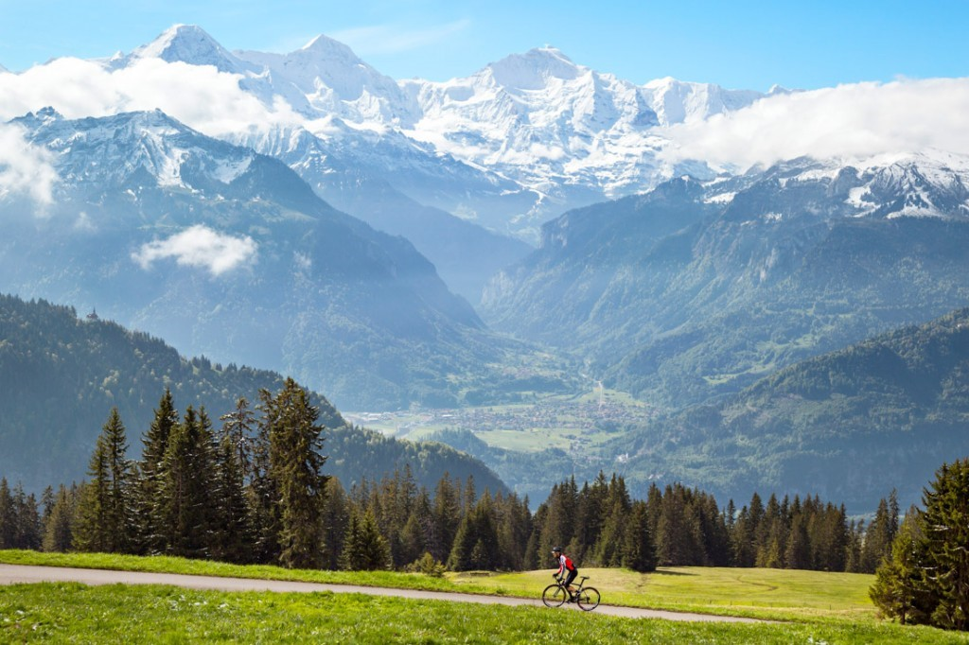
Country | City
Switzerland | Neuchatel
Ecuador | Quito
Spain | Madrid
USA | Miami

