AC5
AC5 : Use wireshark to verify information can't be captured.

Assumptions:
Wireshark is downloaded and up to date
Have user account for website
Website is up and operational

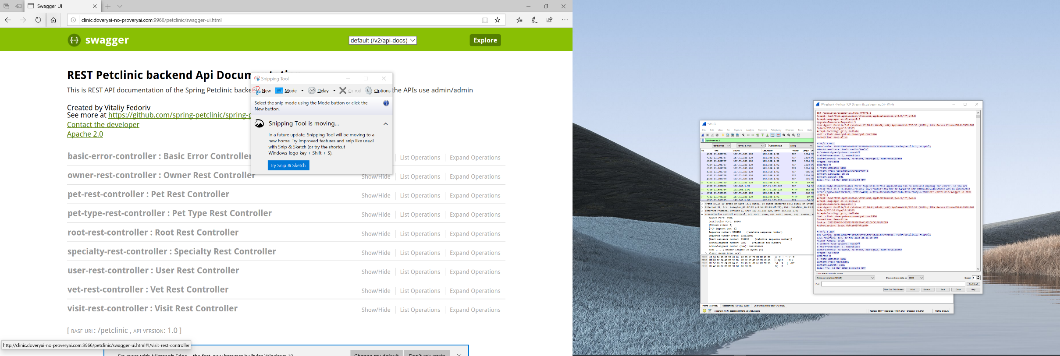
Test Scenario | Test Steps | Expected Result | Actual Result | Pass/Fail
AC5TC1: Packet sniffing api | Open Wireshark | Wireshark application opens
 | Select Wi-Fi | Wi-Fi connection will be highlighted
 | Click start capture button | Wireshark starts to capture packets
 | Open http://clinic.doveryai-no-proveryai.com:9966/petclinic/swagger-ui.html | Website opens and logs in
 | Login as Username= admin Password= admin
 | Click stop captureing on wireshark | Packet capturing stops
 | On wireshark click edit find packet.
 | Change fields to match packet bytes and string.
 | Type pass and click find | Brings up packets captured that pertain to the search field pass
 | Find http packet right click follow tcp stream | shows packet details
 | Look for password showing in plain text | shouldn't see password in plain text |  | Pass

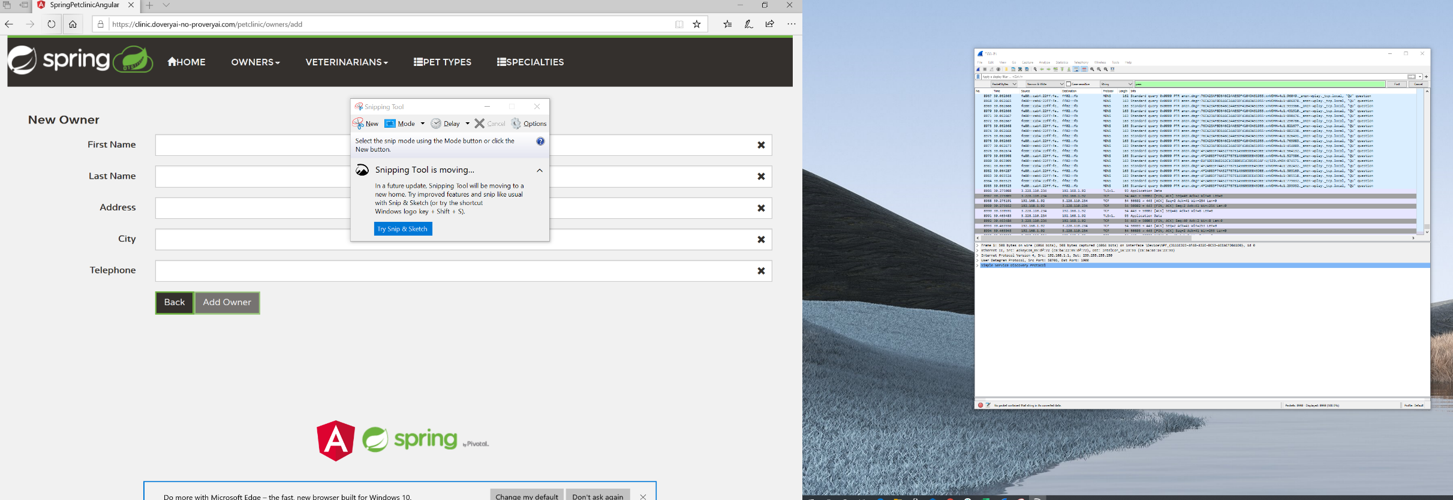
Test Scenario | Test Steps | Expected Result | Actual Result | Pass/Fail
AC5TC2: Packet sniffing wesite | Open Wireshark | Wireshark application opens
 | Select Wi-Fi | Wi-Fi connection will be highlighted
 | Click start capture button | Wireshark starts to capture packets
 | Open http://clinic.doveryai-no-proveryai.com:9966/petclinic/swagger-ui.html | Website opens and logs in
 | Login as Username= admin Password= admin
 | Click stop captureing on wireshark | Packet capturing stops
 | On wireshark click edit find packet.
 | Change fields to match packet bytes and string. Type pass and click find
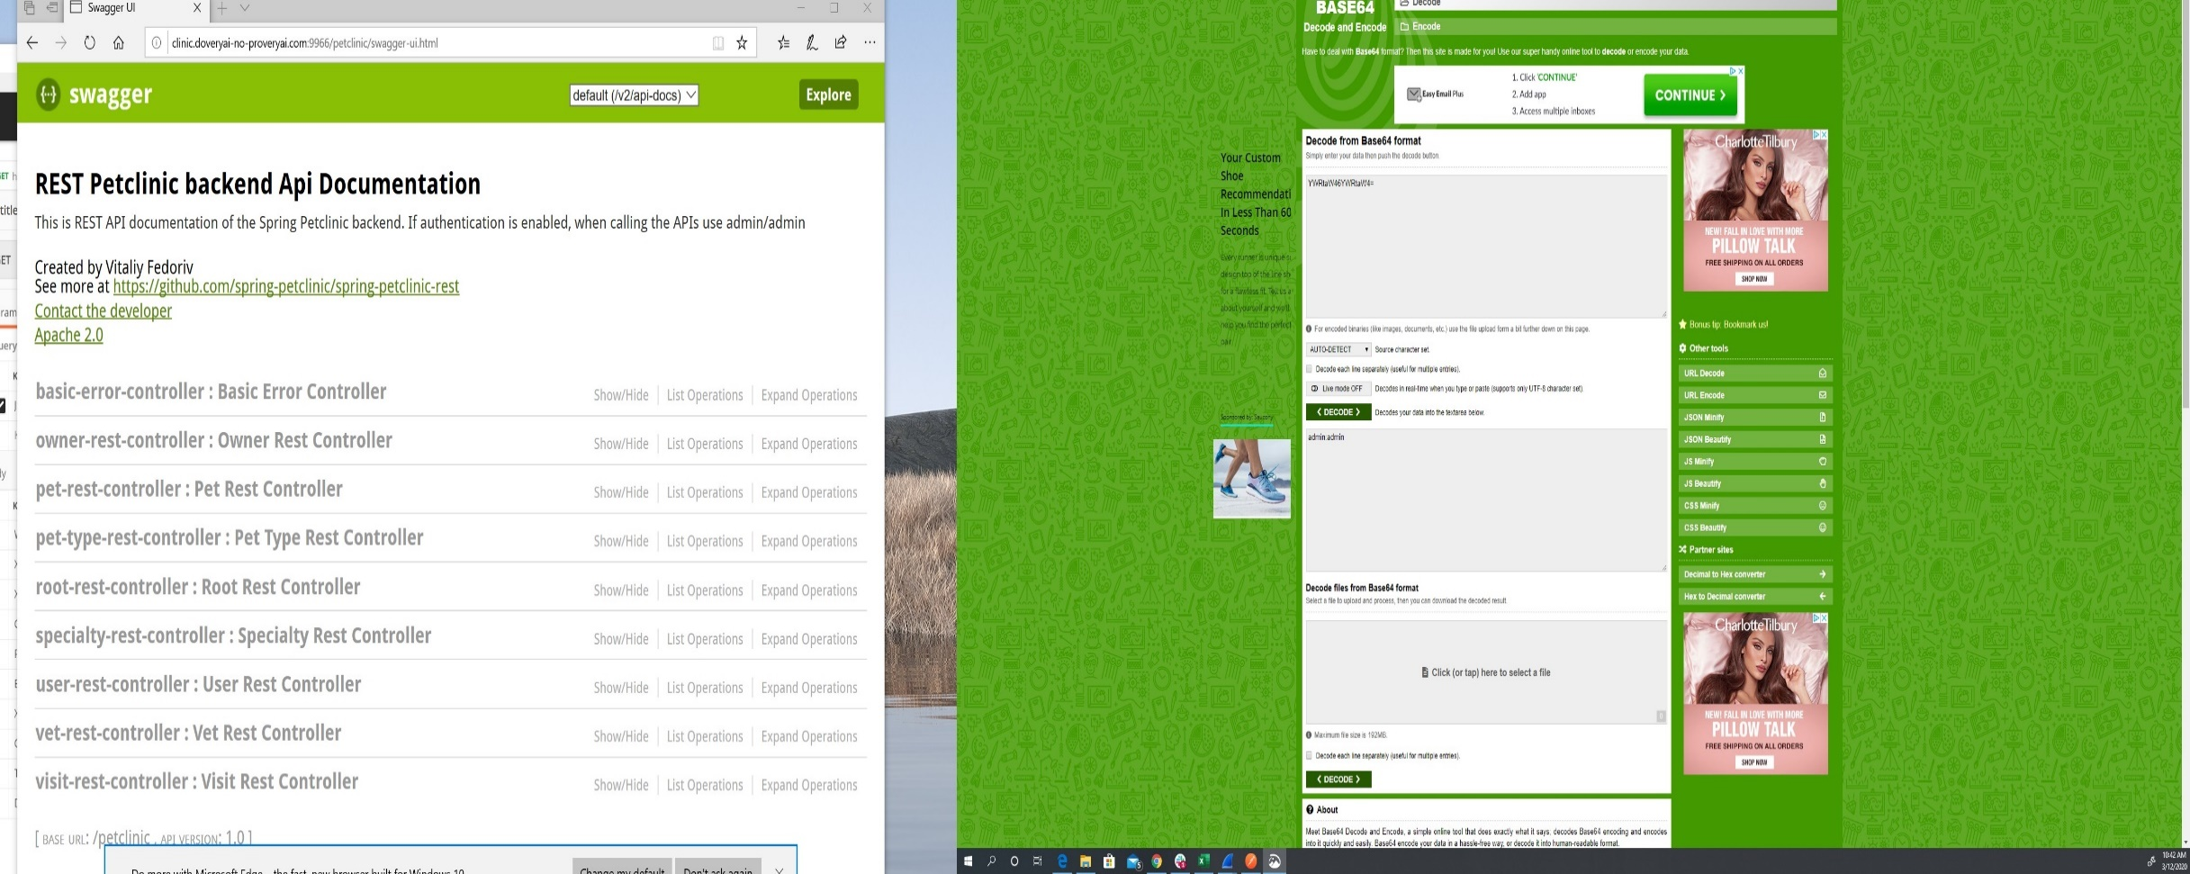
 | Type pass and click find | Brings up packets captured that pertain to the search field pass
 | Find http packet right click follow tcp stream | shows packet details
 | Look for password showing in plain text | Shouldnt see anything in plain text |  | Pass

Test Scenario | Test Steps | Expected Result | Actual Result | Pass/Fail
AC5TC3: Packet sniffing api and using 64 decode | On the same computer open Wireshark | Wireshark application opens
 | Select Wi-Fi | Wi-Fi connection will be highlighted
 | Click start capture button | Wireshark starts to capture packets
 | Open http://clinic.doveryai-no-proveryai.com:9966/petclinic/swagger-ui.html | Website opens and logs in
 | Login as Username= admin Password= admin
 | Click stop captureing on wireshark | Packet capturing stops
 | On wireshark click edit find packet.
 | Change fields to match packet bytes and string.
 | Type basic and click find | Brings up packets captured that pertain to the search field basic
 | Find http with GET packet right click follow tcp stream | shows packet details
 | Look for Authorization: Basic followed by random numbers and letters
 | copy the random value
 | Open https://www.base64decode.org/ and past the value and hit decode | Username and password shouldn't appear |  | Pass

Test Scenario | Test Steps | Expected Result | Actual Result | Pass/Fail
AC5TC3.1: Packet sniffing api and using 64 decode | On the computer 1 with Capture Mode enabled open Wireshark | Wireshark application opens
Computer 1 | Select Wi-Fi | Wi-Fi connection will be highlighted
 | Click start capture button | Wireshark starts to capture packets
Computer 2 | On computer 2 a separate computer Open http://clinic.doveryai-no-proveryai.com:9966/petclinic/swagger-ui.html | Website opens and logs in
 | Login as Username= admin Password= admin
Computer 1 | Click stop captureing on wireshark | Packet capturing stops
 | On wireshark click edit find packet.
 | Change fields to match packet bytes and string.
 | Type basic and click find | Brings up packets captured that pertain to the search field basic
 | Find http with GET packet right click follow tcp stream | shows packet details
 | Look for Authorization: Basic followed by random numbers and letters
 | copy the random value
 | Open https://www.base64decode.org/ and past the value and hit decode | Username and password shouldn't appear |  | Inconclusive

