counts_data
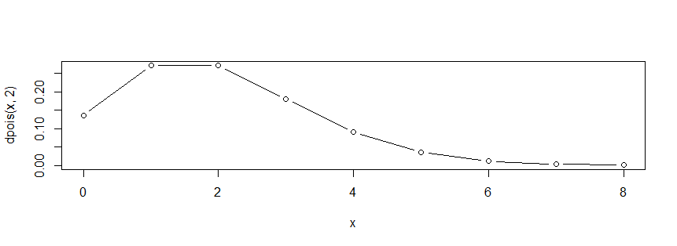
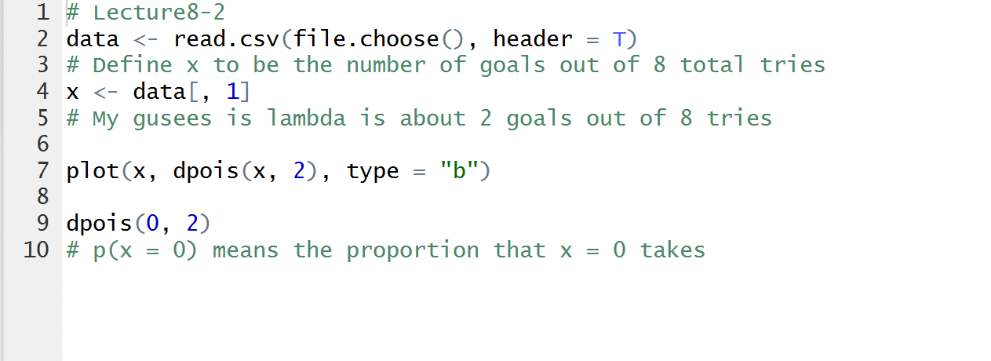
Goals | Counts
0 | 23
1 | 37
2 | 20
3 | 11
4 | 2
5 | 1
6 | 0
7 | 0
8 | 1

