Arthritis - solution 2
Treatment | Improved | Age of patient | On average, are we very confident that treated patients who showed marked improvements are older than those who didn't?
Treated | Some | 36
Treated | None | 71 |  | Ho <= 0 (null hypothesis which states that treated patients who showed marked improvements are the same age or younger than those who didn't).
Treated | None | 22 |  | Ha > 0 (alternative hypothesis which states that treated patients who showed marked improvements are older than those who didn't).
Treated | Marked | 58 |  | Alpha (α) = probability of error (that our analysis is wrong). This depends on your risk tolerance, but we assumed 1% in this project.
Treated | Marked | 66
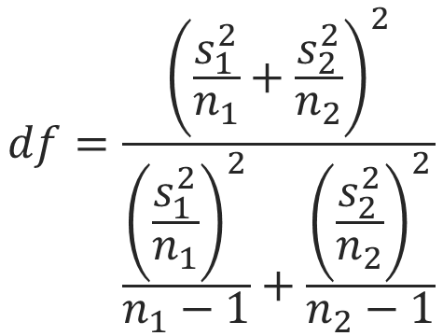
Treated | Marked | 71
Treated | None | 49
Treated | Marked | 88
Treated | None | 98
Treated | None | 44
Treated | None | 86
Treated | Some | 73
Treated | None | 30
Treated | Marked | 81
Treated | None | 46
Treated | None | 29 |  |  | where
Treated | Some | 49 |  |  |  | t = test statistic which is the number of standard deviations from the population mean in the hypothesized sampling distribution.
Treated | None | 22 |  |  |  | x̄1 = mean age of treated patients with marked improvements.
Treated | Marked | 91 |  |  |  | x̄2 = mean age of treated patients without marked improvements.
Treated | None | 95 |  |  |  | d0 = hypothesized difference in population means.
Treated | Marked | 74 |  |  |  | S12 = variance of age of treated patients with marked improvements.
Treated | Marked | 58 |  |  |  | S22 = variance of age of treated patients without marked improvements.
Treated | Marked | 74 |  |  |  | n1 = sample size of treated patients with marked improvements.
Treated | Marked | 64 |  |  |  | n2 = sample size of treated patients without marked improvements.
Treated | Marked | 25 |  |  |  | df = degrees of freedom.
Treated | Marked | 56 |  |  |  | P-Value = 1 - T.DIST(t,df,TRUE) which is the probability that our sample supports the null hypothesis Ho.
Treated | Marked | 81
Treated | None | 21
Treated | Marked | 43 |  | Sample statistics |  |  | Point estimate |  | Hypotheses (One tail to the right) |  |  | SIGNIFICANCE LEVEL |  | HYPOTHESIS TEST |  | Conclusion
Treated | Marked | 19 |  | Marked | Not Marked |  | x̄1-x̄2: | 7.15 | Ho: | <= | 0 | Alpha (α): | 1% | Standard Error: | 7.1158685201 | We don't have sufficient evidence to prove that treated
Treated | Marked | 84 | Sample Size (n): | 21 | 20 |  |  |  | Ha: | > | 0 |  |  | Test Statistic (t): | 1.0047965304 | patients who showed marked improvements are older than
Treated | Marked | 19 | n-1: | 20 | 19 |  |  |  |  |  |  |  |  | Degrees of Freedom: | 37.622246976 | those who didn't, even though our sample statistics said otherwise.
Treated | Some | 77 | Mean (x̄): | 60 | 52.85 |  |  |  |  |  |  |  |  | P-Value: | 16% | Technical conslusion: Since P-Value is greater than α we fail
Treated | Marked | 78 | Variance (s2): | 443.59583333 | 590.23947368 |  |  |  |  |  |  |  |  |  |  | to reject the null hypothesis.
Treated | Marked | 59 | s2/n: | 21.123611111 | 29.511973684
Treated | Marked | 21 |  |  |  |  | Sample stats say that those who show marked improvements are older than those who didn't by 7 years on average. Let's perform the hypothesis test to verify this.
Treated | Some | 46
Treated | Marked | 50
Treated | None | 54
Treated | Some | 39
Treated | Some | 70
Placebo | None | 60
Placebo | None | 25
Placebo | None | 27
Placebo | None | 89
Placebo | None | 73
Placebo | None | 40
Placebo | None | 54
Placebo | None | 53
Placebo | None | 36
Placebo | None | 51
Placebo | Marked | 72
Placebo | None | 44
Placebo | None | 24
Placebo | None | 70
Placebo | Some | 35
Placebo | None | 49
Placebo | Marked | 94
Placebo | None | 50
Placebo | None | 38
Placebo | None | 49
Placebo | None | 56
Placebo | None | 100
Placebo | None | 40
Placebo | None | 40
Placebo | None | 28
Placebo | None | 89
Placebo | None | 44
Placebo | Marked | 83
Placebo | Marked | 33
Placebo | None | 82
Placebo | Some | 66
Placebo | Some | 55
Placebo | Some | 45
Placebo | Marked | 39
Placebo | None | 23
Placebo | Some | 26
Placebo | None | 25
Placebo | Marked | 75
Placebo | None | 32
Placebo | None | 87
Placebo | Some | 54
Placebo | Some | 67
Placebo | Marked | 84

