Driver
 |  |  |  |  | Hangman and Menu Driver

Data type | Fields |  | Field Description |  |  |  |  |  | Menu (not signed in) Display | Menu (signed in) Display
Hangman.java | None |  | Used to run the game. Launches menu. |  |  |  |  |  | _ | _
Menu.java | None |  | Used to select game modes, display high scores, signin/out |  |  |  |  |  | | | | | |
Data type | Fields |  | Field Description |  |  |  |  |  | | |__ __ _ _ __ __ _ _ __ ___ __ _ _ __ | | |__ __ _ _ __ __ _ _ __ ___ __ _ _ __
String | s1 |  | Used to select game mode option |  |  |  |  |  | | '_ \ / _` | '_ \ / _` | '_ ` _ \ / _` | '_ \ | | '_ \ / _` | '_ \ / _` | '_ ` _ \ / _` | '_ \
int | s2 |  | Used to select theme option |  |  |  |  |  | | | | | (_| | | | | (_| | | | | | | (_| | | | | | | | | | (_| | | | | (_| | | | | | | (_| | | | |
 |  |  |  |  |  |  |  |  | |_| |_|\__,_|_| |_|\__, |_| |_| |_|\__,_|_| |_| | |_| |_|\__,_|_| |_|\__, |_| |_| |_|\__,_|_| |_|
Other Important Parts of the Program |  |  |  | Description |  |  |  |  | __/ | | __/ |
private static | void | prettyTitle() |  | Method called by theme category selected by user to display a themed title. |  |  |  |  | |___/ | |___/
 |  |  |  |  |  |  |  |  | ************************************************** | **************************************************
 |  |  |  |  |  |  |  |  | Welcome to Hangman | Welcome to Hangman
English Words Title |  |  |  |  |  |  |  | *Screen shots from DR Java | ************************************************** | **************************************************
 |  |  |  |  |  |  |  | w/ Monospace -24 | Please select a game option: | Please select a game option:
 |  |  |  |  |  |  |  | Some slight scaling to fit | 1. Short game | 1. Short game
 |  |  |  |  |  |  |  |  | 2. Medium game | 2. Medium game
 |  |  |  |  |  |  |  |  | 3. Long game | 3. Long game
 |  |  |  |  |  |  |  |  | 4. High Scores | 4. High Scores
 |  |  |  |  |  |  |  |  | 5. Sign in / Create Account | 5. Sign out
 |  |  |  |  |  |  |  |  | 6. Exit program | 6. Exit program

Western Theme Title

SciFi Words Title

Fantasy Words Title
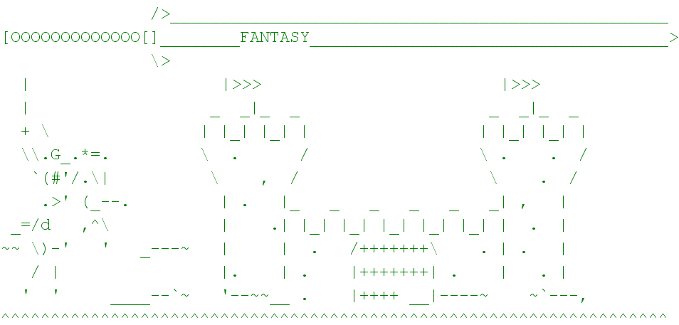

 |  |  |  |  |  |  | T E S T I N G

Select a game option |  |  |  | Result | Desired Result | Expected? | Outcome
1 | Short game |  |  | s1 = 1 | s1 = 1 | yes | Short game selected
2 | Medium game |  |  | s1 = 2 | s1 = 2 | yes | Medium game selected
3 | Long game |  |  | s1 = 3 | s1 = 3 | yes | Long game selected
4 | High Scores |  |  | s1 = 4 | s1 = 4 | yes | High Scores selected
5 | Sign in / Create Account |  |  | s1 = 5 | s1 = 5 | yes | Sign in or create account
6 | Exit program |  |  | s1 = 6 | s1 = 6 | yes | Exit to cmd prompt

select a theme
1 | Base Dictionary |  |  | s2 = 1 | s2 = 1 | yes | Base Dictionary wordlist loaded; Title loaded
2 | Western |  |  | s2 = 2 | s2 = 2 | yes | Western wordlist loaded; Title loaded
3 | SciFi |  |  | s2 = 3 | s2 = 3 | yes | Scifi wordlist loaded; Title loaded
4 | Fantasy |  |  | s2 = 4 | s2 = 4 | yes | Fantasy wordlist loaded; Title loaded

High Scores |  | Result |  |  |  |  | Expected? | Outcome
Option 4 called |  | ProjectFileIO_v2.java's Method "displayTopTen();"is called |  |  |  |  | Yes | File IO displays up to the top 10 players in the PlayerData.txt file. Then returns control back to Menu.java

Sign in / Create Account
Option 5 called |  | ProjectFileIO_v2's method "runPlayerLogin();" is called |  |  |  |  | Yes | Users will be prompted to enter a name. Then a password will be asked for. If successful Menu will be overloaded and will now display "Signed in as *user*" under the welcome
 |  |  |  |  |  |  |  | If the password is not correct user is prompted for the correct password or q for quit.

Sign out
Option 5 called |  | Calls menu() that loads the non-overloaded menu. |  |  |  |  | Yes | User is anonymous until the finish a game and are presented the options via game files Short_Game.java etc

