SCB Box SA New
Product Line: Dean Legacy | WORK INSTRUCTION |  |  | Work Instruction Number: DG 2.3.1
Workstation: Dean Legacy Component Box |  |  |  | Revision: New
Model: 1 |  |  |  | Date Revised: 07/1/2024
Cycle Time: | Assembly Sequence May be Modified as Needed
PPE Required: Standard
1.1
1.2
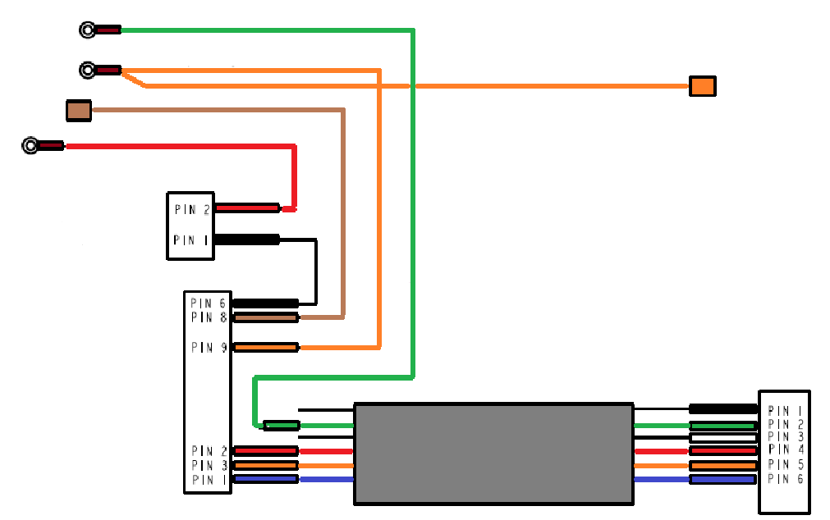
8074597
2.1
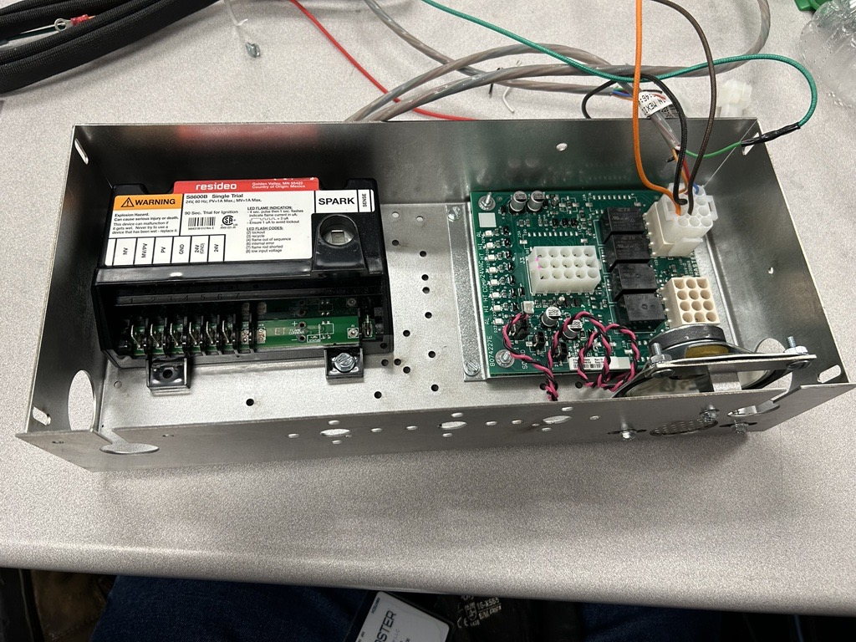
3.1
Assembly Number: 130150109 |  | 1 | 2 | 3
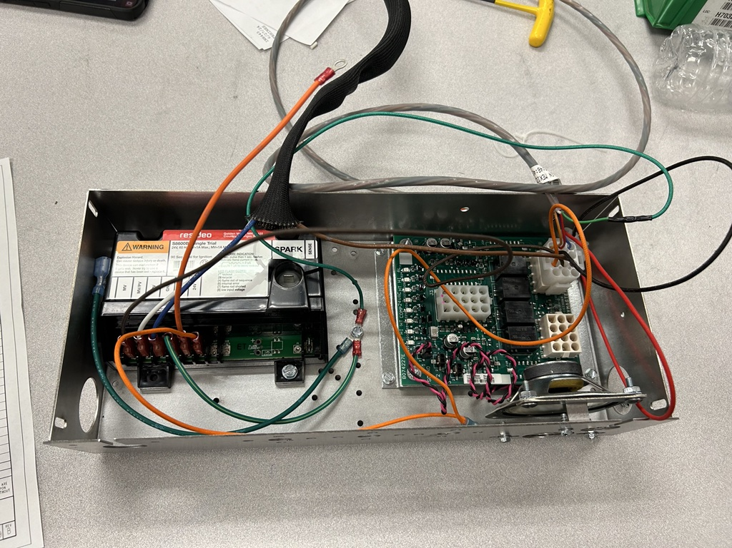

1.3

Push Screw Pull
CTQ
Push Cut Pull
CTQ
Push Click Pull
CTQ
 |  | 1.1)8074383 Install Ignition Honeywell Module 1.2)1066669 Install PCB Assy 1.3)8074403 Install Speacker to Box | 2.1) 8074597 Harness cut black #1 & white #3 wires on both ends and use a Pin Extractor for Pin #1 & Pin #3 | 3.1)8074597 Install Harness into J2 Connector on 1066669 PCB Assy

4.2
4.3
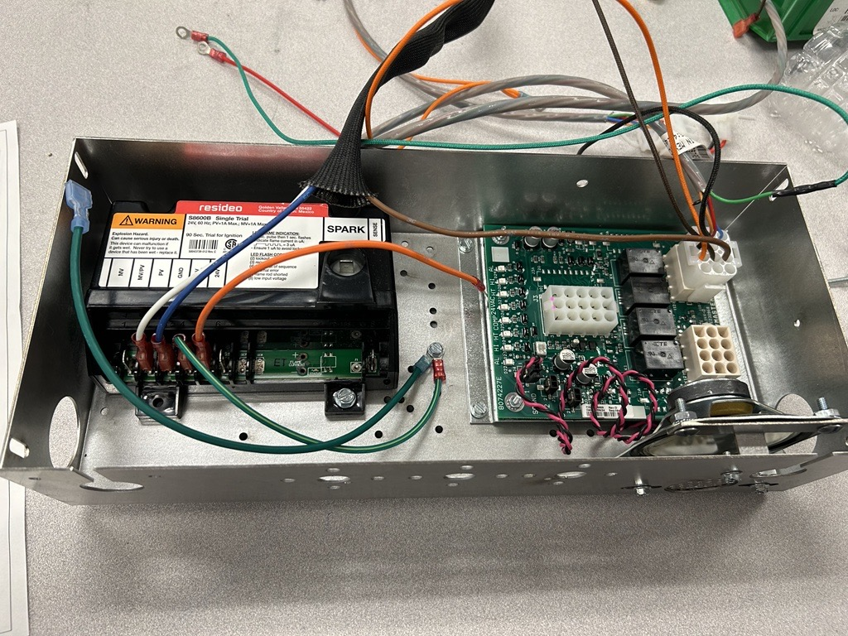
5.1
5.2
5.3
6.1
6.2
6.3
6.3
4 |  | 5 | 6 | 7
4.1
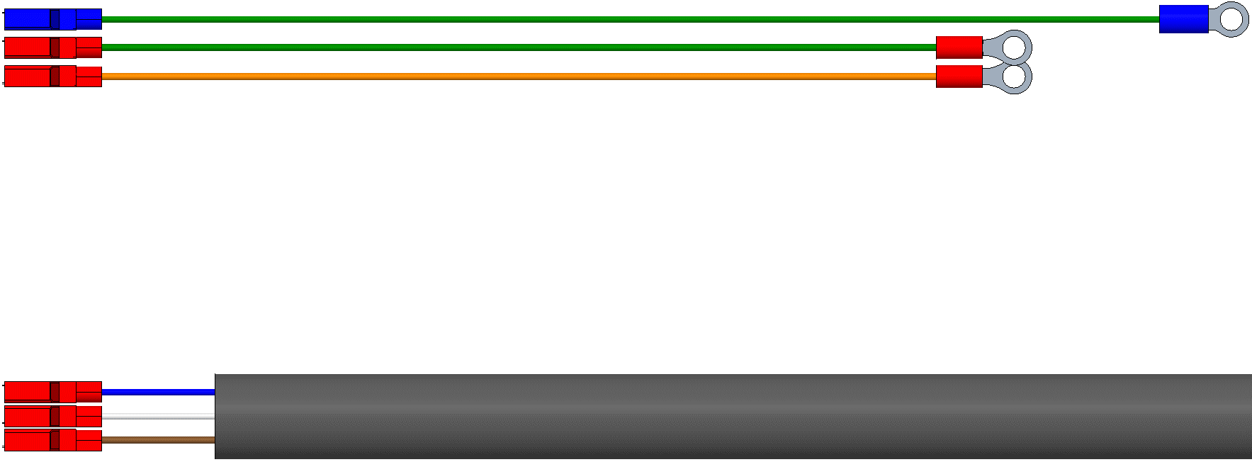
1082401
1082401

Push Click Pull
CTQ
Push Pull
CTQ
Push Pull
CTQ
Push Click Pull
CTQ
4.1)8074597 Green Wire to ground 4.2)8074597 Brown Wire to MV terminal 4.3)8074597 Orange Wire to 24V terminal |  | 5.1)1082401 Green Wire 53C to ground 5.2)1082401 Green/Yellow Wire 2C from GND terminal to ground 5.3)1082401 Orange Wire 1C to 24V (GND) terminal | 6.1)1082401 White to Wire 4C MV/PV terminal 6.2)1082401 Blue Wire 5C to PV terminal 6.3)1082401 Brown Wire 3C to terminal 7 on 8074597 connector | 7.1)8074403 Red/Black Wire to Sound 1 on 1066669 PCB Assy

8 |  | 9 | 10 | 11

12 |  | 13 | 14 | 15

