PowerShell
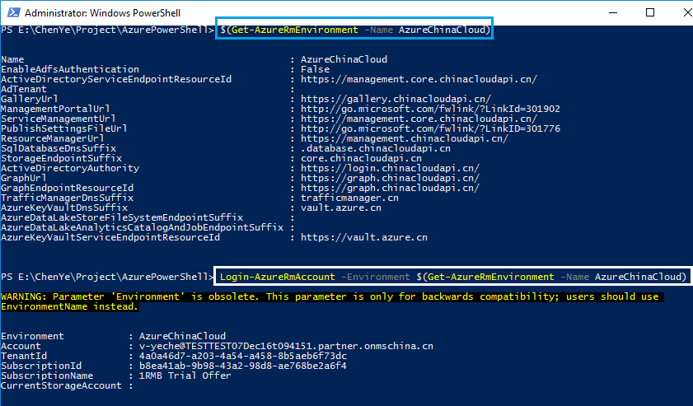
Add-AzureRmAccount -EnvironmentName $(Get-AzureRmEnvironment -Name AzureChinaCloud)

Account:
v-yeche@TESTTEST07Feb17t100448.partner.onmschina.cn
Password:
"=Lindsayc5"

V-YECHE@TESTTEST07FEB17T100448.PARTNER.ONMSCHINA.CN
V-YECHE@TESTTEST07DEC16T094151.PARTNER.ONMSCHINA.CN
v-yeche@TESTTEST07Feb17t100448.partner.onmschina.cn

Get-AzureRmLog -ResourceGroup "davidtest" -StartTime 2017-01-14T06:00 -EndTime 2017-01-25T06:00
PowerShell only provide 15 days log to review.
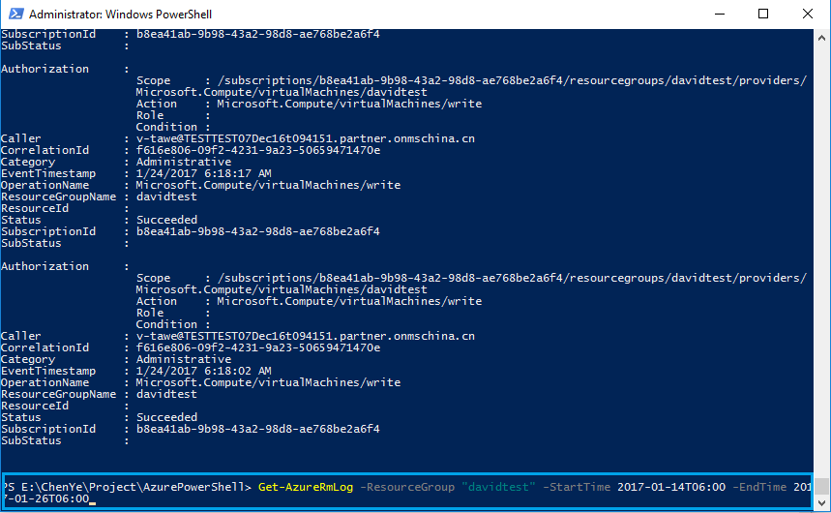

> Get-AzureRmLog -ResourceGroup "davidtest" -StartTime 2017-01-14T06:00 -EndTime 20
17-01-25T06:00 | Where-Object OperationName -eq Microsoft.ClassicCompute/virtualmachines/shutdown/action

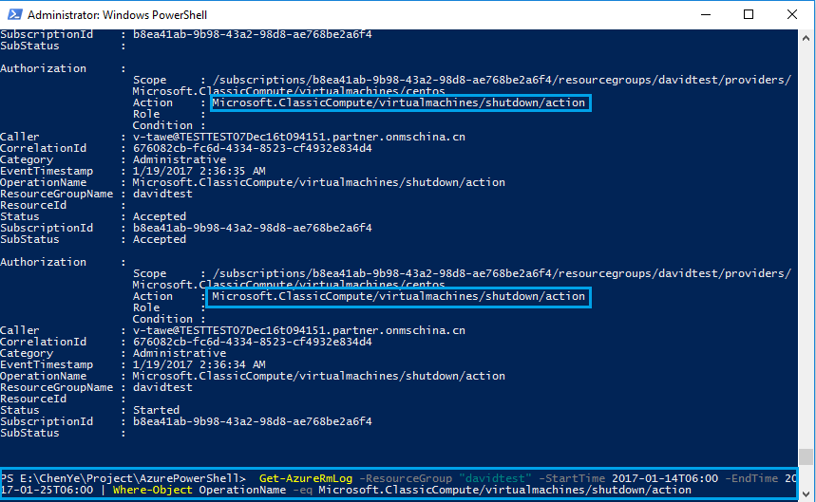

Get-AzureRmLog -ResourceGroup "davidtest"
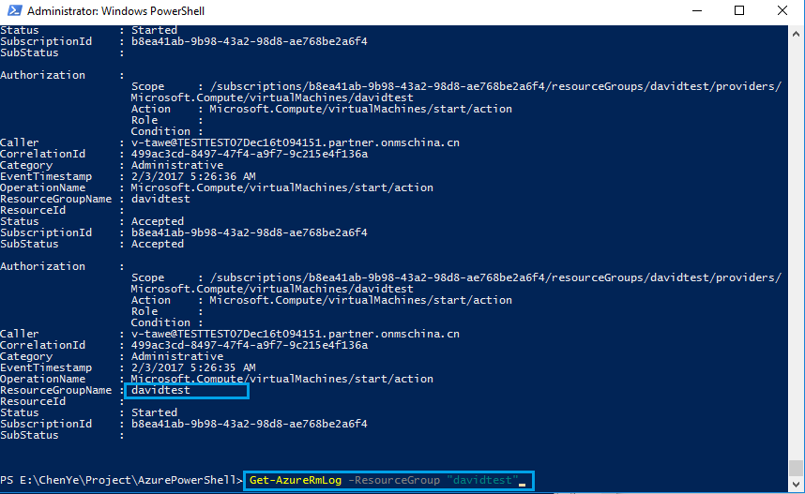

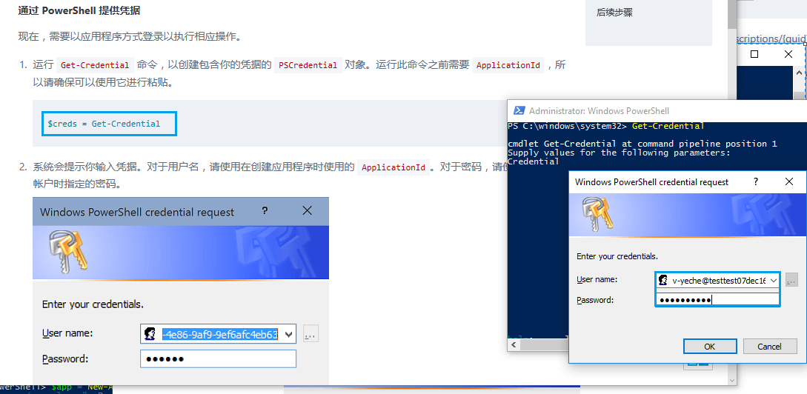
$creds = Get-Credential

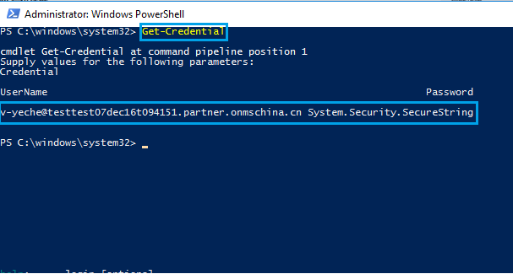

$creds = Get-Credential
$tenant = (Get-AzureRmSubsription).TenantId
$tenant
Add-AzureRmAccount -Environment AzureChinaCloud $creds -ServicePrincipal -TenantId $tenant

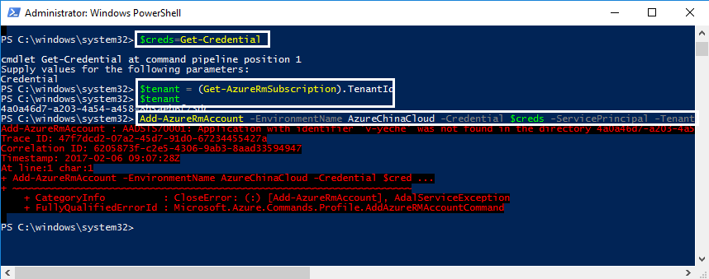

Save-AzureRmProfile -Path c:\Users\exampleuser\profile\exampleSP.json

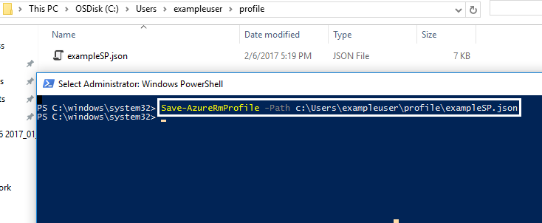

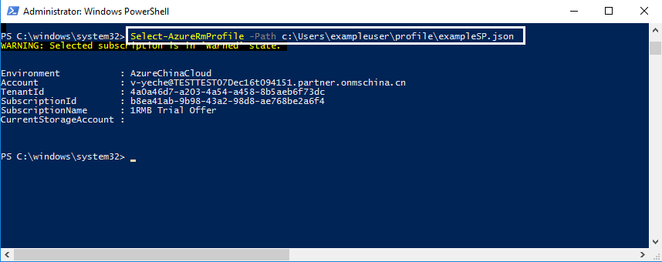

Get-AzureRmResourceProvider -ListAvailable | Select-Object ProviderNamespace, RegistrationState

Register-AzureRmResourceProvider -ProviderNamespace Microsoft.Batch

Azure CLI
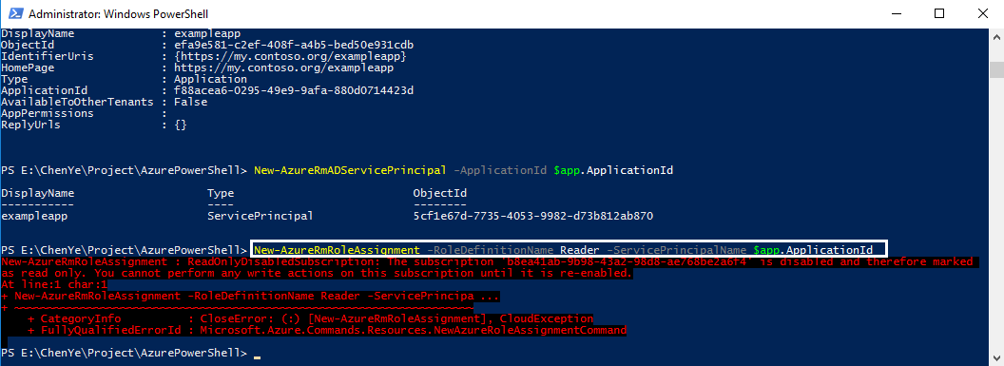
Azure login -e AzureChinaCloud

$app = New-AzureRmADApplication -DisplayName "exampleapp" -HomePage "https://my.contoso.org/exampleapp" -IdentifierUris "https://my.contoso.org/exampleapp" -Password "=Lindsayc5"

New-AzureRmADServicePrincipal -ApplicationId $app.ApplicationId
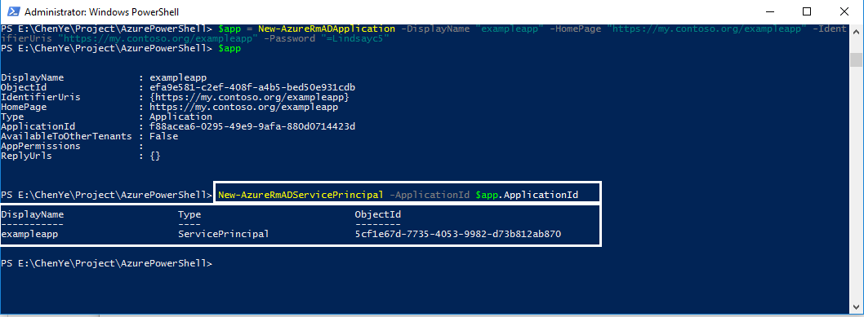

New-AzureRmRoleAssignment -RoleDefinitionName Reader -ServicePrincipalName $app.ApplicationId

