Economic Comparison
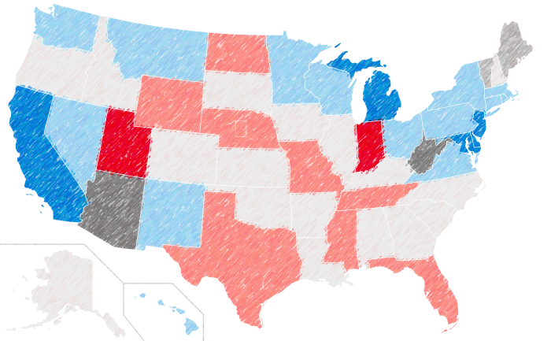
Wharton Economic 2024 Presidential Study
 | Effect on Public Debt 2028 (in Billions)
-153
-66

 | Gross domestic product (in Percent)
-0.4
-1.3

 | Capital Stock
-0.4
-2.4

2026 Income Change by Quintile
First quintile | 2355
Second quintile | 2260
Middle quintile | 2165
Fourth quintile | 2870
2026 Income Change by Quintile
First quintile | 320
Second quintile | 870
Middle quintile | 1740
Fourth quintile | 3970

 | Hours Worked
-0.3
-0.7

 | Average Wage
0
-0.8

 | Consumption
2.2
-0.7

 | Income Change (in Thousands)
1740
2165

