ap-info
 | 广播协议
 | 第一个字节（2个16进制数）表示整数，后三个字节（6个16进制数）表示小数部分，精度为小数点后7为，若小数部分转换为16进制数时不足6个16进制数，在其开始处补零，例如6e32d在广播中小数部分传入06e32d，先存放lat，后存放lon

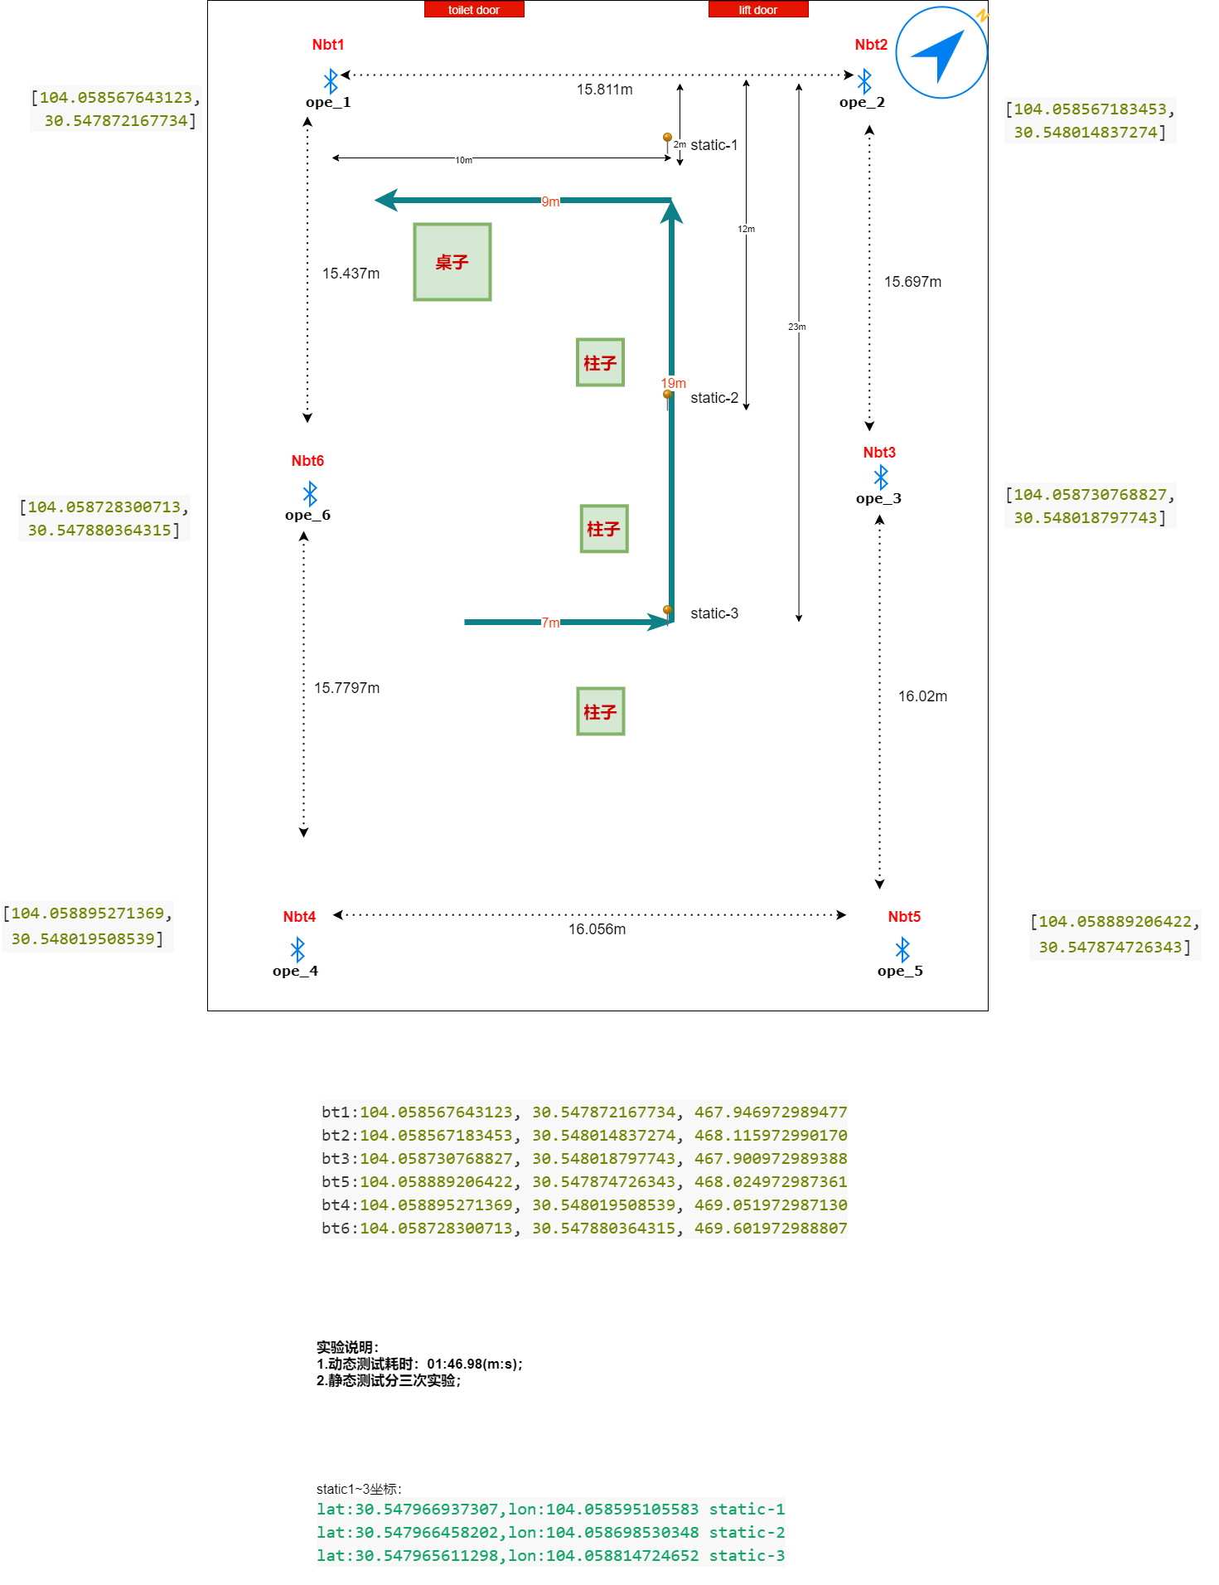

 | lat | lon
HLK_1 | 30.5480188 | 104.0587308 | ope_3 |  | nbt3 | Beacon7
HLK_2 | 30.5480195 | 104.0588953 | ope_4 |  | nbt5 | Beacon8 | nbt5坐标按表格中为准，图中nbt4和nbt5反了
HLK_3 | 30.5478767 | 104.0587312 | ope_6 | ble6 | nbt6 | Beacon0 | 后续重新打过坐标点
HLK_5 | 30.5478747 | 104.0588892 | ope_5 |  | nbt4 | Beacon9 | nbt4坐标按表格中为准，图中nbt4和nbt5反了
HLK_7 | 30.5478754 | 104.0585674 | ope_1 | ble1 | nbt1 | Beacon1 | 后续重新打过坐标点
HLK_8 | 30.5480148 | 104.0585672 | ope_2 |  | nbt2 | Beacon6
 | 30.5479455 | 104.0585715 | ope_7 | ble2
 | 30.5478776 | 104.0586508 | ope_0 | ble3
 | 30.5479471 | 104.0586529 | ope_8 | ble4
 | 30.5479455 | 104.0587302 | ope_9 | ble5

HLK_1 | 1E539EFC | 6808F62C | ope_3
HLK_2 | 1E539F03 | 6808FC99 | ope_4
HLK_3 | 1E53996F | 6808F630 | ope_6 | ble6
HLK_5 | 1E53995B | 6808FC5C | ope_5
HLK_7 | 1E539962 | 6808EFCA | ope_1 | ble1
HLK_8 | 1E539ED4 | 6808EFC8 | ope_2
 | 1E539C1F | 6808EFF3 | ope_7 | ble2
 | 1E539978 | 6808F30C | ope_0 | ble3
 | 1E539C2F | 6808F321 | ope_8 | ble4
 | 1E539C1F | 6808F626 | ope_9 | ble5

diagram
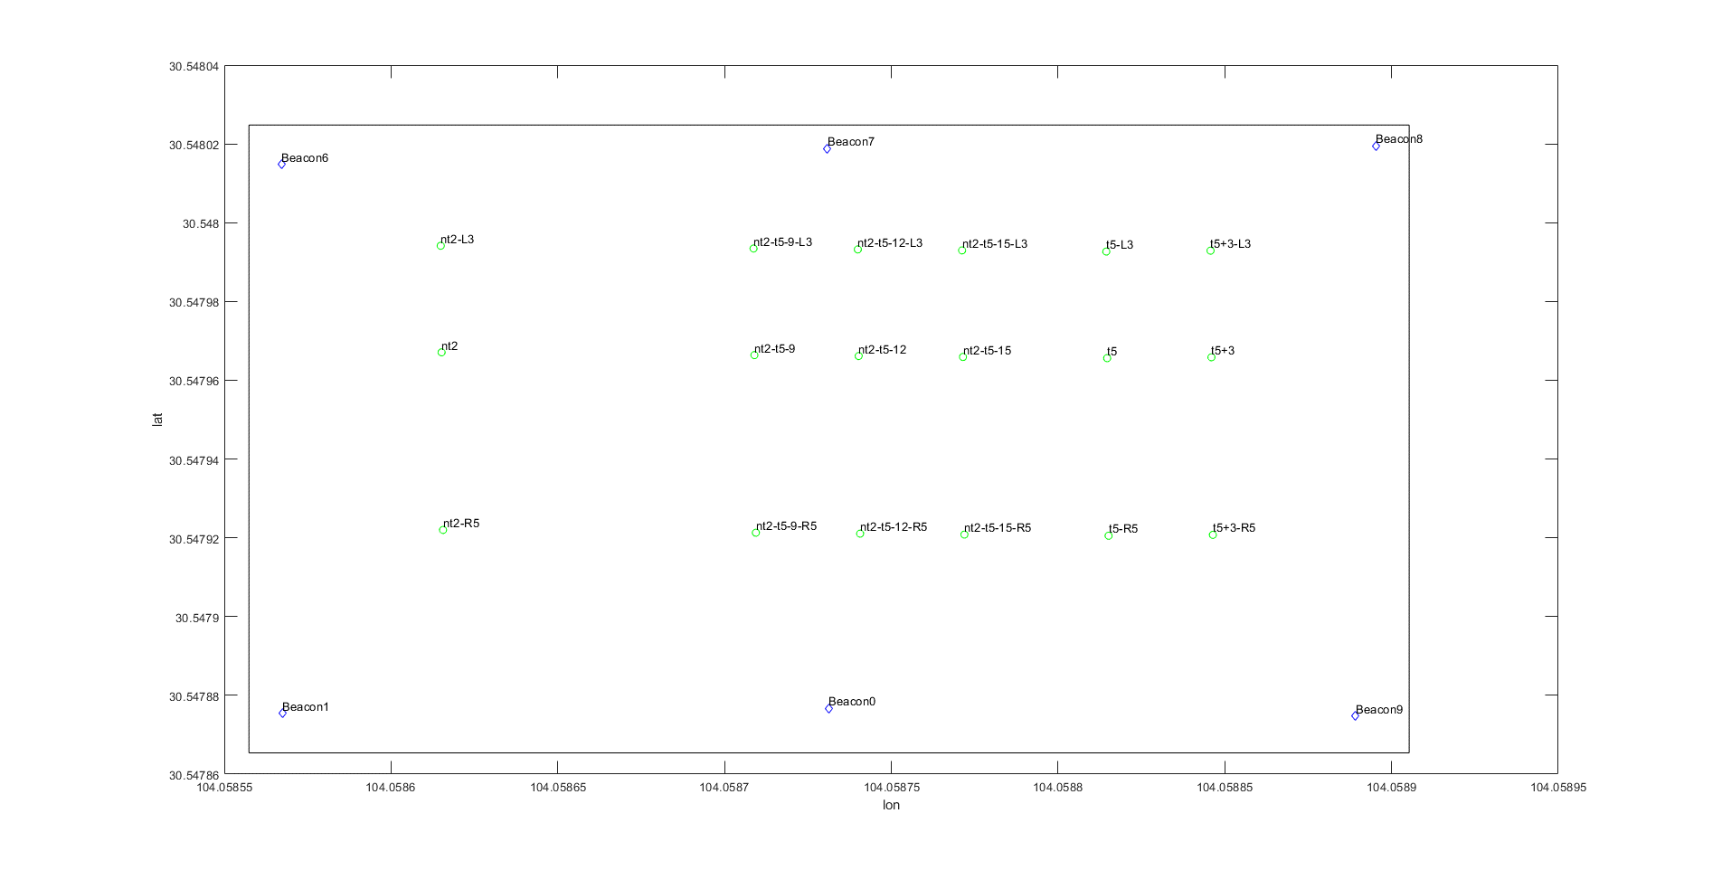

P31
P32
P33
P34
P35
P36
tolit

P30
P41
P40
P39
P38
P37

P47
P46
tolit
P45
P44
P43
P42

nt2,, | 104.058615154603,30.547967082230,466.862972986884
nt2_L3,, | 104.058614893520,30.547994139300,466.862972985953
nt2_R5,, | 104.058615589741,30.547921987113,466.862972989678
nt2_t5_9,, | 104.058708952316,30.547966380195,466.862972989678
nt2_t5_9_L3, | 104.058708691259,30.547993437266,466.862972988747
nt2_t5_9_R5, | 104.058709387411,30.547921285077,466.862972988747
nt2_t5_12,, | 104.058740218221,30.547966146168,466.862972988747
nt2_t5_12_L3 | 104.058739957172,30.547993203240,466.862972986884
nt2_t5_12_R5 | 104.058740653301,30.547921051050,466.862972988747
nt2_t5_15,, | 104.058771484126,30.547965912134,466.862972990610
nt2_t5_15_L3 | 104.058771223086,30.547992969206,466.862972986884
nt2_t5_15_R5 | 104.058771919192,30.547920817015,466.862972987816
t5,, | 104.058814724652,30.547965611298,466.853972989134
t5_L3,, | 104.058814463624,30.547992668369,466.853972991928
t5_R5,, | 104.058815159698,30.547920516178,466.853972988203
t5_+3,, | 104.058845986119,30.547965837216,466.853972988203
t5_+3_L3,, | 104.058845725100,30.547992894288,466.853972989134
t5_+3_R5,, | 104.058846421151,30.547920742096,466.853972989134

