Sheet3
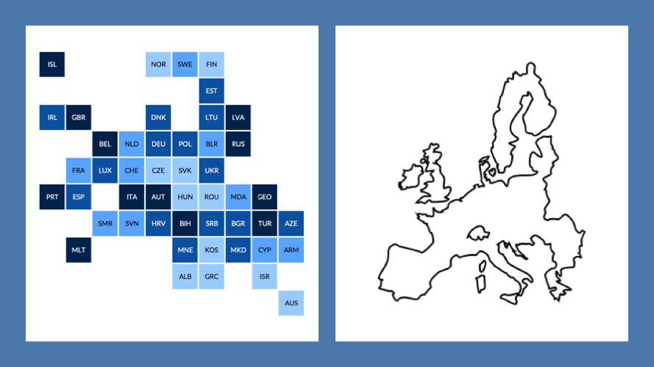
Iceland |  |  |  | Norway | Sweden | Finland
 |  |  |  |  |  | Estonia
 |  |  |  | Denmark |  | Latvia
Ireland | Great Britain |  | Netherlands | Germany | Poland | Lithuania | Belarus
 |  |  | Belgium | Switzerland | Czech Republic | Slovak Republic | Ukraine | RUS
 |  | France | Luxembourg | Slovenia | Austria | Hungary | Romania | MOL
 | Portugal | Spain | Italy | Croatia | Bosnia | Serbia | Bulgaria
 |  |  |  |  | Montenegro | Kosovo | Macedonia
 |  |  | Malta |  | Albania | Greece
 |  |  |  |  |  |  | CYP
1 | 2 | 3 | 4 | 5 | 6 | 7 | 8 | 9

