Sheet1
car name | top speed | Acceleration | Handling | Niro
Ferrari | 331 | 72 | 63 | 73
Lamborgani | 280 | 85 | 82 | 45
Bugati | 299 | 95 | 73 | 65

car name | Bugati

Title | Score | X | Y | Best Score
top speed | 299 | 11 | 11
Acceleration | 95 | 3 | 12 | 95
Handling | 73 | 12 | 2
Nitro | 65 | 1 | 3

0

Sheet2
Car Name | Picture
Ferrari | 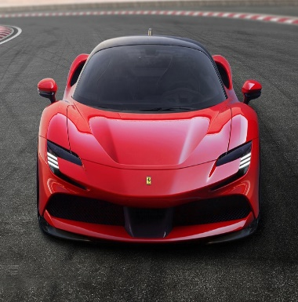
Lamborgani | 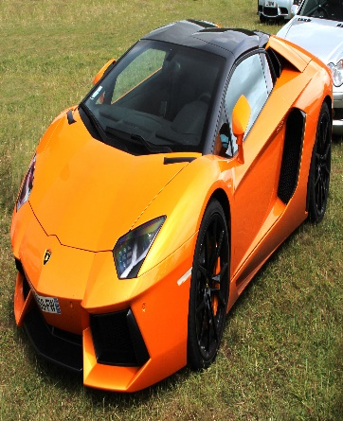
Bugati | 