Sheet1
COVERSHEET | CE | QA | QA DATE | GUIDECARD/S | CHECKLIST | WEIGHT | PAGE | ERROR DESCRIPTION | CORRECTION | OCCURENCES
330.245 Fixed rate finance lease — payments in advance (consumer lease agreement) | joly | joly | 2021-10-08 | PCTS |  |  | 34
 |  |  |  |  |  |  |  |  | Omit name of author and replace a thinspace
 |  |  |  |  |  |  |  |  | omit
 |  |  |  |  |  |  |  | 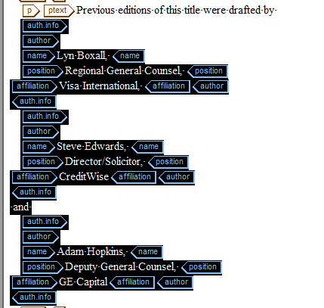 | in correct tagging (ptext)
 |  |  |  |  |  |  |  |  | provide xref (paragraph 1.1.a)
 |  |  |  |  |  |  |  |  | SB
 |  |  |  |  |  |  |  | 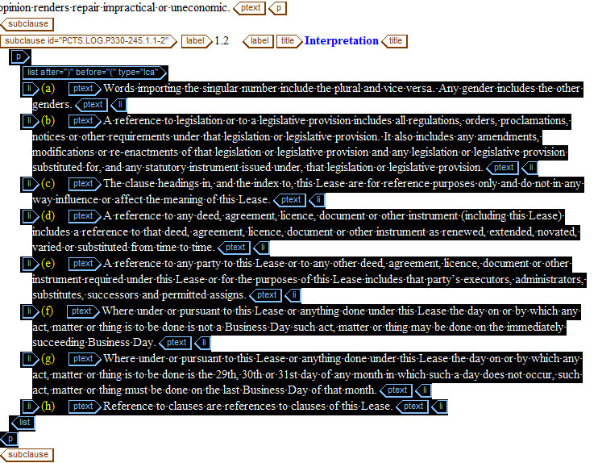 | provide xref (paragraph 1.1.a)
 |  |  |  |  |  |  |  |   | pleas provide correct content from title
 |  |  |  |  |  |  |  |  | optional (NO)
 |  |  |  |  |  |  |  |  | Emphasis (ital)
 |  |  |  |  |  |  |  |  | missing content (check LA)
 |  |  |  |  |  |  |  |  | missing content (check LA)
 |  |  |  |  |  |  |  |  | missing content (in the table)
 |  |  |  |  |  |  |  | 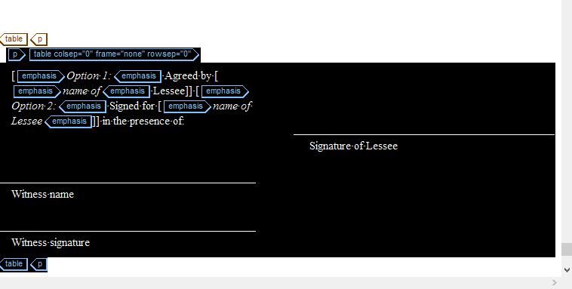 | omit this table
 |  |  |  |  |  |  |  | 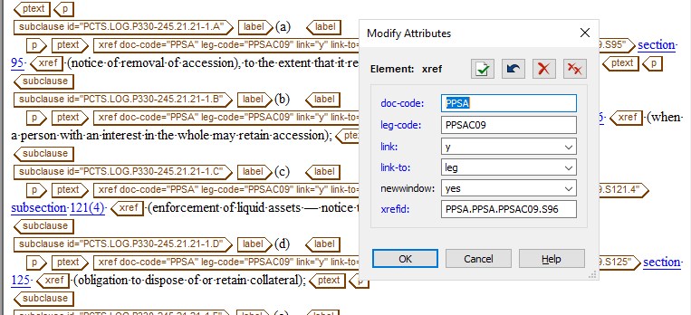 | activate from xref
 |  |  |  |  |  |  |  |  | provite xref
 |  |  |  |  |  |  |  |  | optional (NO)
 |  |  |  |  |  |  |  |  | omit emphasis of this part

