Sheet1
Comprehensive deed of lease | IMAGE | REMARKS
 |  | Please check this must be a Term tag
 |  | Please check your xref scan all
 |  | Please insert number (1) in xref
 | 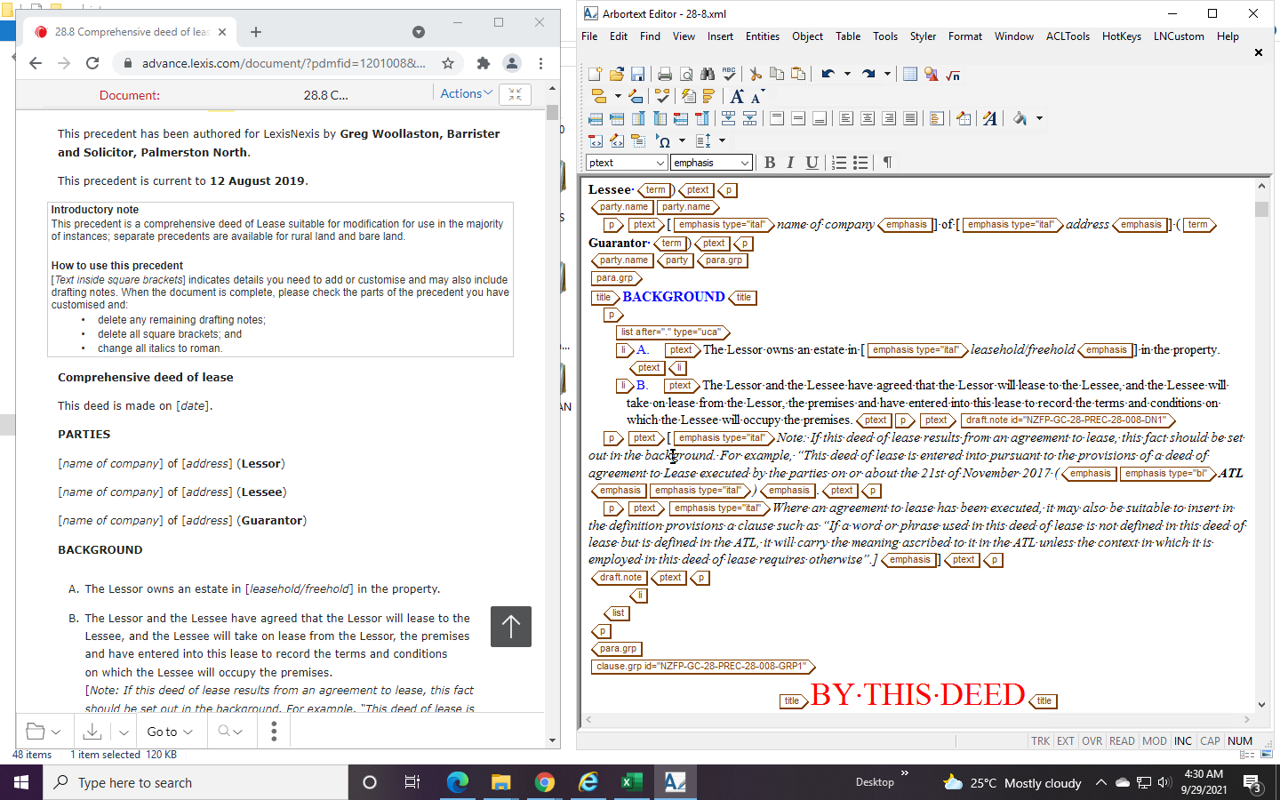 | For query

