Sheet1
Trial 1 Time | Trial 1 Y | Trial 1 Y Velocity | AVG v_rise | AVG v_fall |  |  |  |  | Trial 2 Time | Trial 2 Y | Trial 2 Y Velocity | AVG v_rise | AVG v_fall |  |  |  |  | Trial 3 Time | Trial 3 Y | Trial3YVelocity | AVG v_rise | AVG v_fall |  |  |  |  | Trial 4 Time | Trial 4 Y | Trial 4 Y Velocity | AVG v_rise | AVG v_fall |  |  |  |  | Trial 5 Time | Trial 5 Y | Trial 5 Y Velocity | AVG v_rise | AVG v_fall |  |  |  |  | Trial 6 Time | Trial 6 Y | Trial 6 Y Velocity | AVG v_rise | AVG v_fall
0 | 0 | 0.54472119101 | 0.38141934204 | -0.45158222431 |  |  |  |  | 0 | 0.01242415903 | 0.83277138143 | 0.54293449167 | -0.47100583482 |  |  |  |  | 0 | -0.016740205944 | 0.63755370551 | 0.63574393773 | -0.77023091325 |  |  |  |  | 0 | 0 | 0.59291877206 | 0.50832902491 | -0.58701576044 |  |  |  |  | 3.1297103208 | 0 | -0.44621819622 | 0.4366887497 | -0.517866564 |  |  |  |  | 9.947735433 | 0 | -0.53229262032 | 0.50741490269 | -0.60083760944
0.083390595773 | 0.049539778063 | 0.47884141337 |  |  |  |  |  |  | 0.14590228676 | 0.13666574933 | 0.81397415549 |  |  |  |  |  |  | 0.14590228676 | 0.066960823775 | 0.70140414668 |  |  |  |  |  |  | 0.14590228676 | 0.083701029719 | 0.58822792971 |  |  |  |  |  |  | 3.2756126076 | -0.050220617831 | -0.52912295818 |  |  |  |  |  |  | 10.093512696 | -0.066528919281 | -0.60060850132
0.16665616816 | 0.086694611611 | 0.40037551734 | AVG rise | AVG v_fall | STD_rise | STDFall | STD_mean_rise | STD_Mean_fall | 0.29167955013 | 0.2484831806 | 0.80782038271 | AVG rise | AVG v_fall | STD_rise | STDFall | STD_mean_rise | STD_Mean_fall | 0.29167955013 | 0.18414226538 | 0.74986874328 | AVG rise | AVG v_fall | STD_rise | STDFall | STD_mean_rise | STD_Mean_fall | 0.29167955013 | 0.18414226538 | 0.53753362448 | AVG rise | AVG v_fall | STD_rise | STDFall | STD_mean_rise | STD_Mean_fall | 3.4215148943 | -0.16740205944 | -0.52795518162 | AVG rise | AVG v_fall | STD_rise | STDFall | STD_mean_rise | STD_Mean_fall | 10.239414983 | -0.18628097399 | -0.56704820564 | AVG rise | AVG v_fall | STD_rise | STDFall | STD_mean_rise | STD_Mean_fall
Millikan Data Summary DataSet 1
Three data columns
Time in seconds
Y position in mm
Y velocity in mm/s
For each droplet the positive and negative velocities are seperated and averaged. THe positive velocities are the rise time and the negative velocities are the fall time.
In addition, standard deviatiosn of the mean were calcualted to make standard errors for use in the jupyter notebook.
0.33343735971 | 0.14861933419 | 0.36828423786 | 0.38141934204 | -0.45158222431 | 0.40690445075 | 0.14958204174 | 0.066008618266 | 0.025283979801 | 0.43758183689 | 0.3727247709 | 0.80201761903 | 0.54293449167 | -0.47100583482 | 0.22919483054 | 0.10811323216 | 0.038740997238 | 0.019111899899 | 0.43758183689 | 0.30132370699 | 0.70448834837 | 0.63574393773 | -0.77023091325 | 0.09647672522 | 0.23159551616 | 0.016545621874 | 0.039146787171 | 0.43758183689 | 0.25110308916 | 0.43035735745 | 0.50832902491 | -0.58701576044 | 0.1159072056 | 0.15678186708 | 0.016230255159 | 0.025433377285 | 3.5672921577 | -0.21762267727 | -0.4527089682 | 0.4366887497 | -0.517866564 | 0.11807421189 | 0.13212116442 | 0.016373947127 | 0.018500663521 | 10.38531727 | -0.23950410941 | -0.46120969203 | 0.50741490269 | -0.60083760944 | 0.12177535395 | 0.32496385824 | 0.017954796398 | 0.051381297464
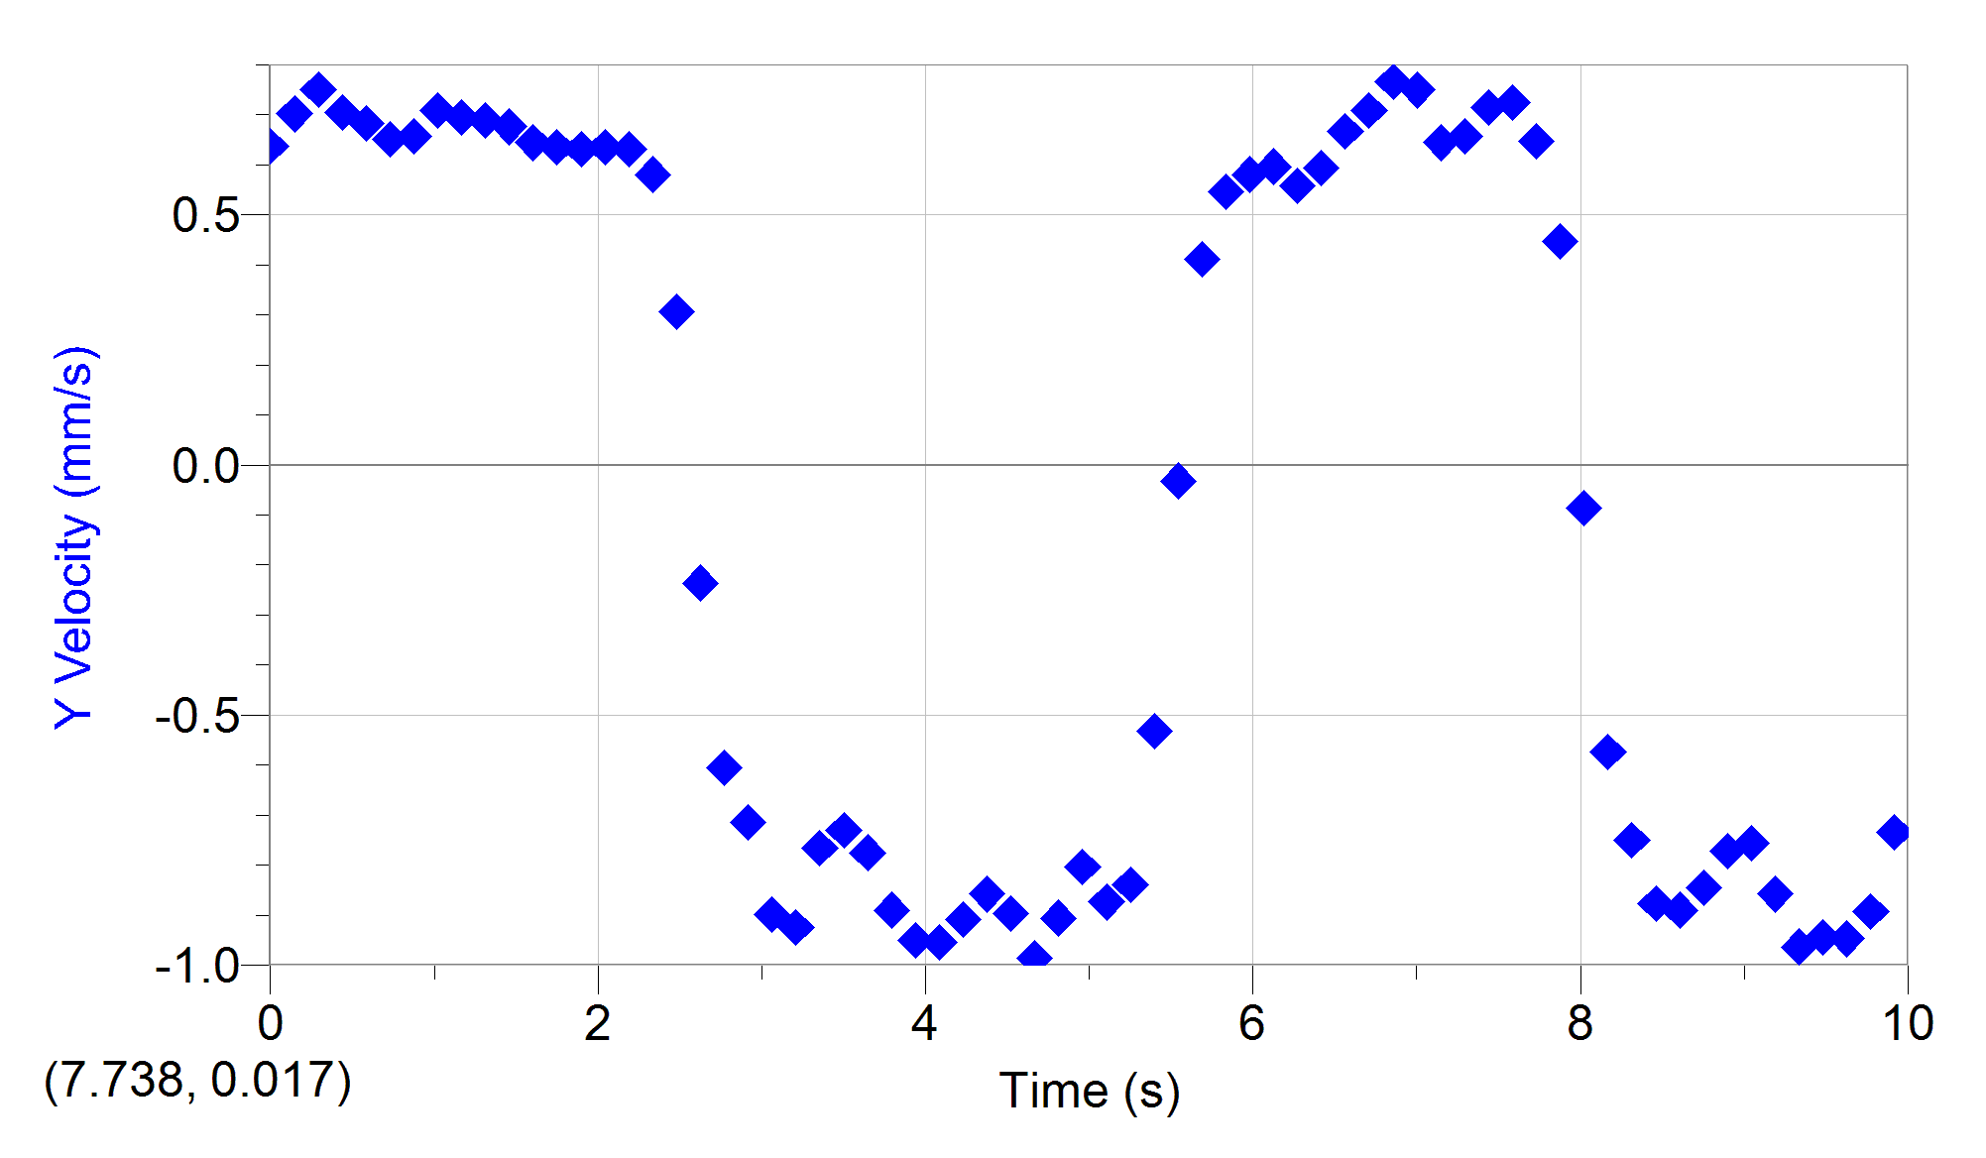
0.50009352787 | 0.21054405677 | 0.34167174356 |  |  | #rise | #fall |  |  | 0.58348412364 | 0.48454220217 | 0.78556871365 |  |  | #rise | #fall |  |  | 0.58348412364 | 0.38502473671 | 0.68226854669 |  |  | #rise | #fall |  |  | 0.58348412364 | 0.28458350105 | 0.47184798543 |  |  | #rise | #fall |  |  | 3.7131944444 | -0.2678432951 | -0.56422117724 |  |  | #rise | #fall |  |  | 10.531094533 | -0.34595038026 | -0.17739519361 |  |  | #rise | #fall
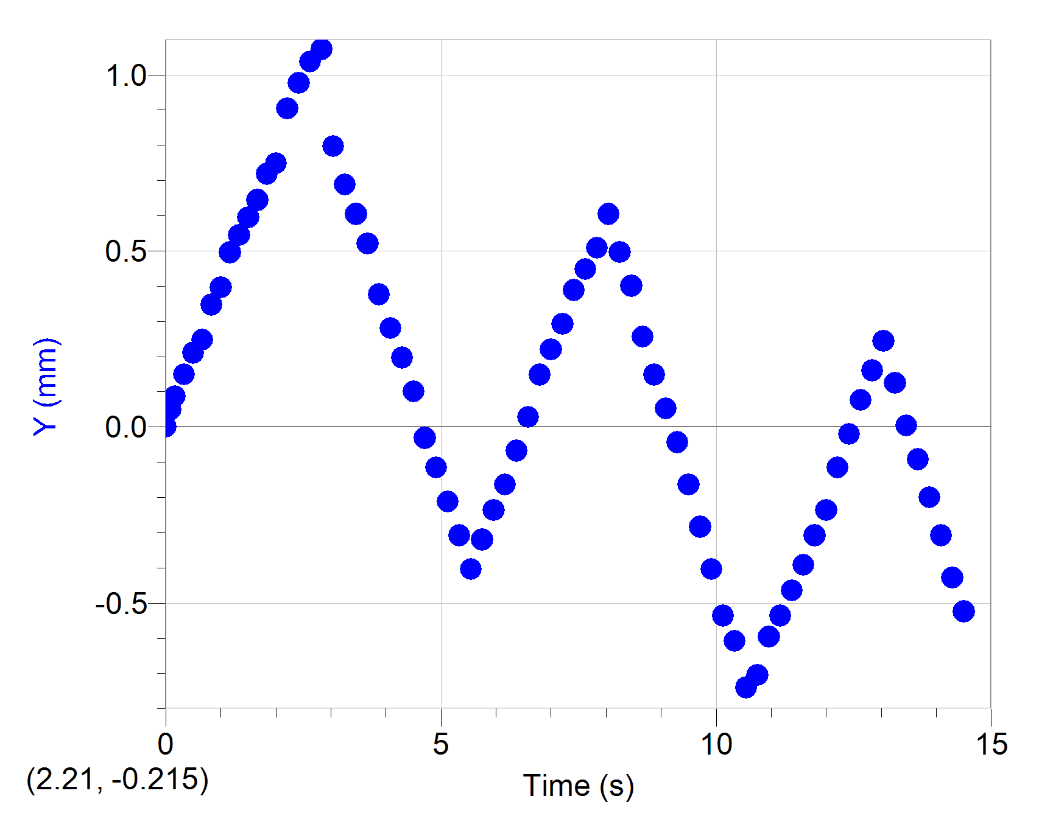
0.66674969603 | 0.24769889032 | 0.39622630842 |  |  | 38 | 35 |  |  | 0.72926138702 | 0.59635963344 | 0.80450077431 |  |  | 35 | 32 |  |  | 0.72926138702 | 0.50220617831 | 0.65038430403 |  |  | 34 | 35 |  |  | 0.72926138702 | 0.38502473671 | 0.54517914751 |  |  | 51 | 38 |  |  | 3.8590967312 | -0.38502473671 | -0.65676443213 |  |  | 52 | 51 |  |  | 10.67699682 | -0.31933881255 | 0.27361568154 |  |  | 46 | 40
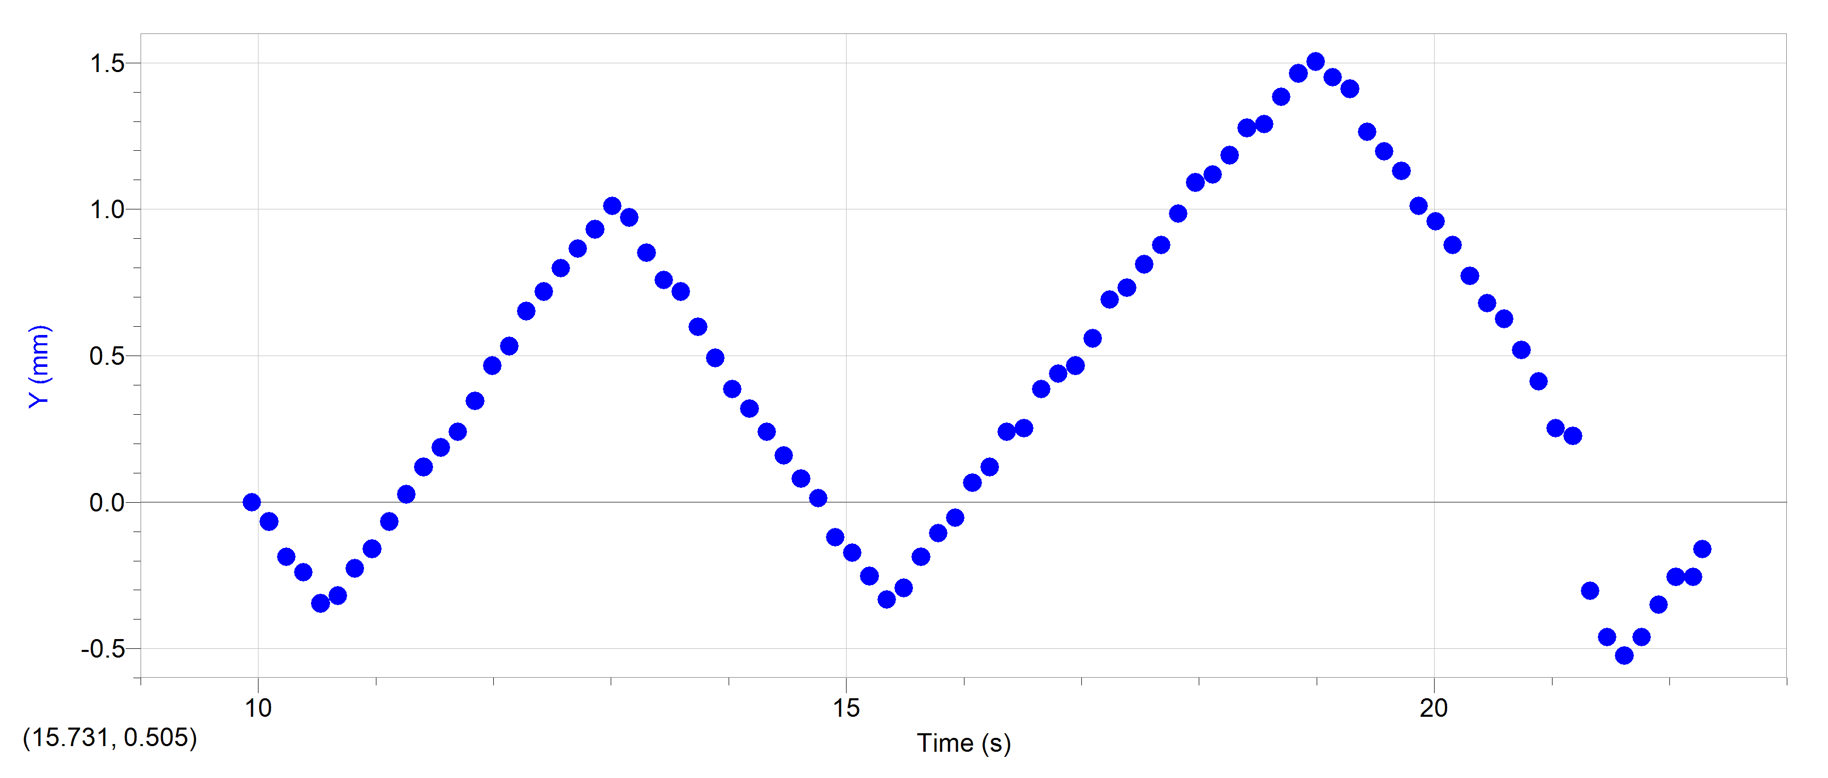
0.83353088758 | 0.34677844644 | 0.43130926135 |  |  |  |  |  |  | 0.87516367378 | 0.72060122374 | 0.81621603075 |  |  |  |  |  |  | 0.87516367378 | 0.56916700209 | 0.65667359602 |  |  |  |  |  |  | 0.87516367378 | 0.45198556048 | 0.57060130534 |  |  |  |  |  |  | 4.0048739946 | -0.46872576643 | -0.69502470343 |  |  |  |  |  |  | 10.822899107 | -0.22619832556 | 0.48401425538
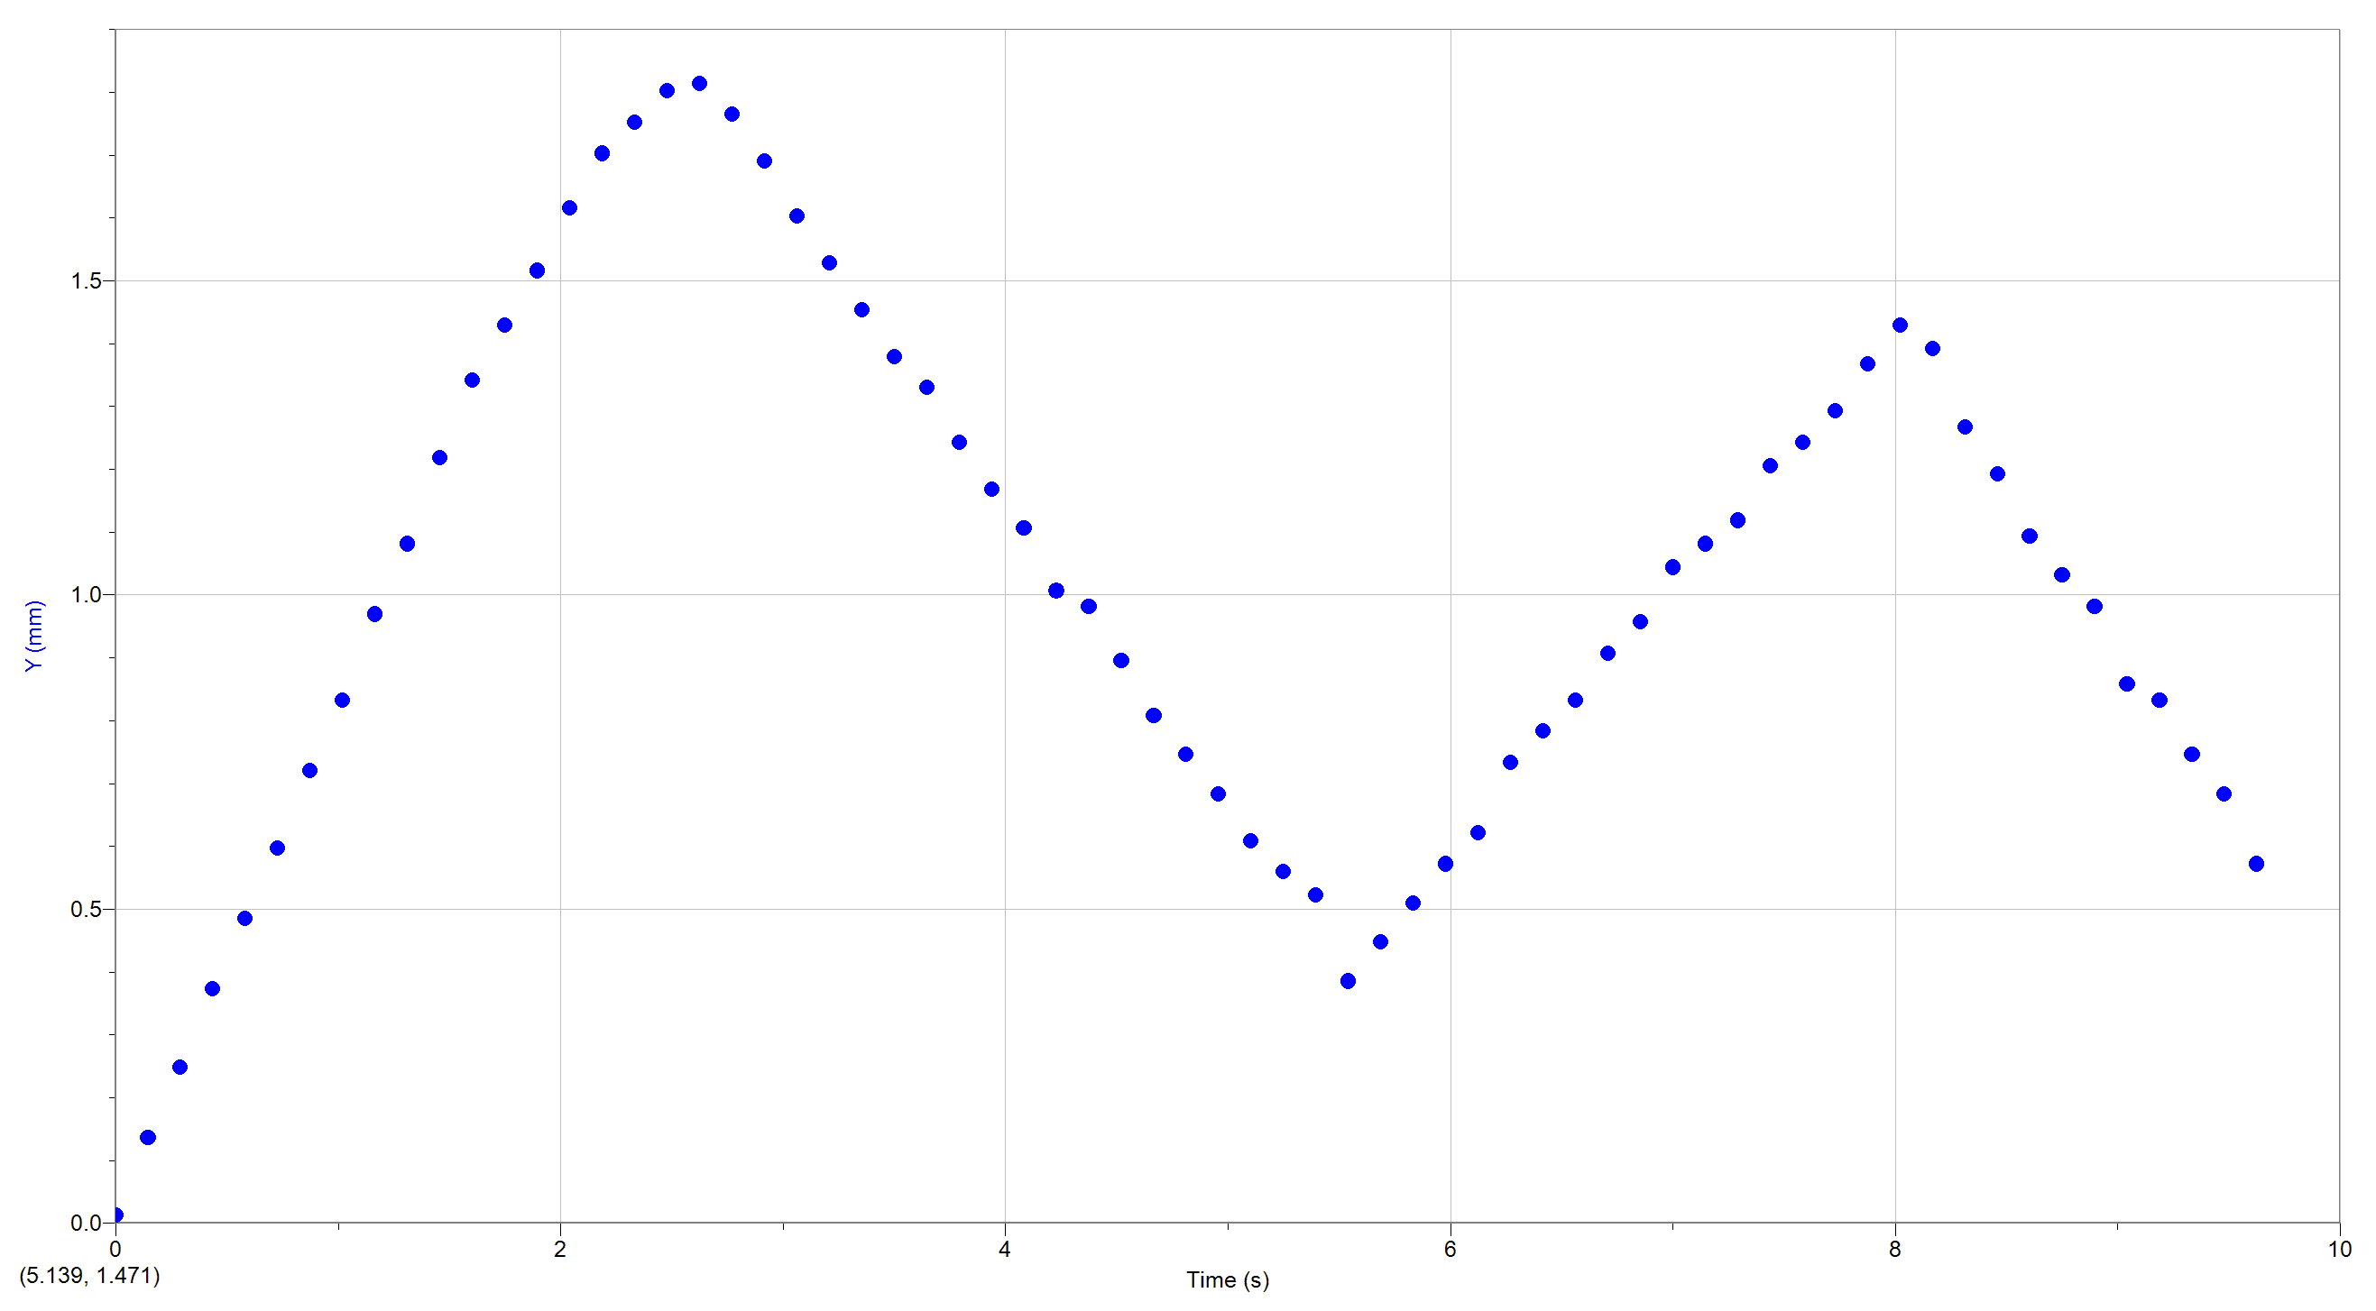
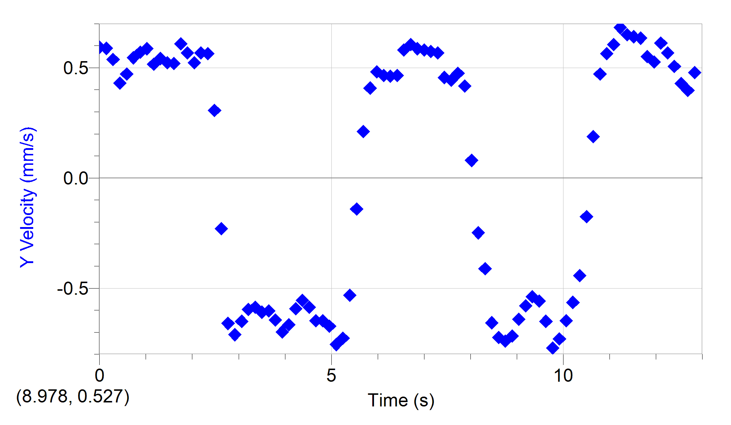
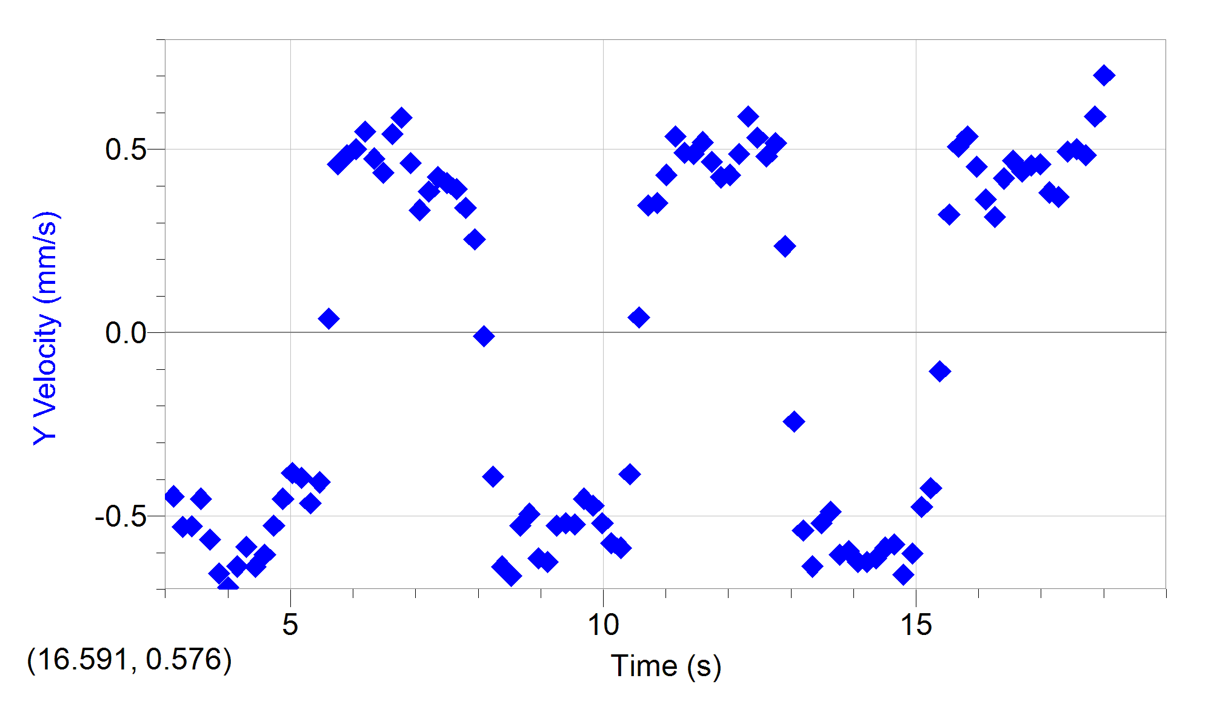
1.0001870557 | 0.39631822451 | 0.43549292511 |  |  |  |  |  |  | 1.0210659605 | 0.832418655 | 0.84235982521 |  |  |  |  |  |  | 1.0210659605 | 0.6863484437 | 0.70777676071 |  |  |  |  |  |  | 1.0210659605 | 0.55242679615 | 0.58662743313 |  |  |  |  |  |  | 4.1507762813 | -0.60264741398 | -0.63754277713 |  |  |  |  |  |  | 10.96867637 | -0.15966940628 | 0.56003037146
1.1668432239 | 0.49539778063 | 0.412734158 |  |  |  |  |  |  | 1.1668432239 | 0.96908440433 | 0.85182357381 |  |  |  |  |  |  | 1.1668432239 | 0.78678967936 | 0.69501923777 |  |  |  |  |  |  | 1.1668432239 | 0.63612782587 | 0.51647677042 |  |  |  |  |  |  | 4.2966785681 | -0.65286803181 | -0.5834278044 |  |  |  |  |  |  | 11.114578657 | -0.066528919281 | 0.6131556119
1.3336244155 | 0.5449375587 | 0.33432013141 |  |  |  |  |  |  | 1.3127455107 | 1.0809018356 | 0.85170293511 |  |  |  |  |  |  | 1.3127455107 | 0.88723091502 | 0.6885455438 |  |  |  |  |  |  | 1.3127455107 | 0.6863484437 | 0.54190371051 |  |  |  |  |  |  | 4.4424558315 | -0.75330926747 | -0.63763839551 |  |  |  |  |  |  | 11.260480944 | 0.026611567713 | 0.6056481868
1.5002805836 | 0.59447733676 | 0.31877683004 |  |  |  |  |  |  | 1.4586477974 | 1.2175675849 | 0.83999781778 |  |  |  |  |  |  | 1.4586477974 | 0.98767215068 | 0.67589251805 |  |  |  |  |  |  | 1.4586477974 | 0.8035298853 | 0.52285894781 |  |  |  |  |  |  | 4.5883581182 | -0.85375050313 | -0.60566126744 |  |  |  |  |  |  | 11.406258207 | 0.11975205471 | 0.54482823415
1.6669367518 | 0.64401711482 | 0.35306316398 |  |  |  |  |  |  | 1.6044250608 | 1.3418091752 | 0.73351378635 |  |  |  |  |  |  | 1.6044250608 | 1.0881133864 | 0.64400827539 |  |  |  |  |  |  | 1.6044250608 | 0.83701029719 | 0.51966478474 |  |  |  |  |  |  | 4.734260405 | -0.93745153285 | -0.52604627904 |  |  |  |  |  |  | 11.552160494 | 0.18628097399 | 0.48902191943
1.8337179433 | 0.71832678192 | 0.36938112772 |  |  |  |  |  |  | 1.7503273476 | 1.4287782884 | 0.64351667927 |  |  |  |  |  |  | 1.7503273476 | 1.1718144161 | 0.63435476281 |  |  |  |  |  |  | 1.7503273476 | 0.93745153285 | 0.60883698689 |  |  |  |  |  |  | 4.8800376683 | -1.0044123566 | -0.45272058261 |  |  |  |  |  |  | 11.698062781 | 0.23950410941 | 0.56763225454
2.0003741115 | 0.74869457316 | 0.46193132968 |  |  |  |  |  |  | 1.8962296343 | 1.5157474017 | 0.62703786786 |  |  |  |  |  |  | 1.8962296343 | 1.2722556517 | 0.63125690121 |  |  |  |  |  |  | 1.8962296343 | 1.0378927685 | 0.56749388155 |  |  |  |  |  |  | 5.0259399551 | -1.0713731804 | -0.38253167671 |  |  |  |  |  |  | 11.843840044 | 0.34595038026 | 0.68674471495
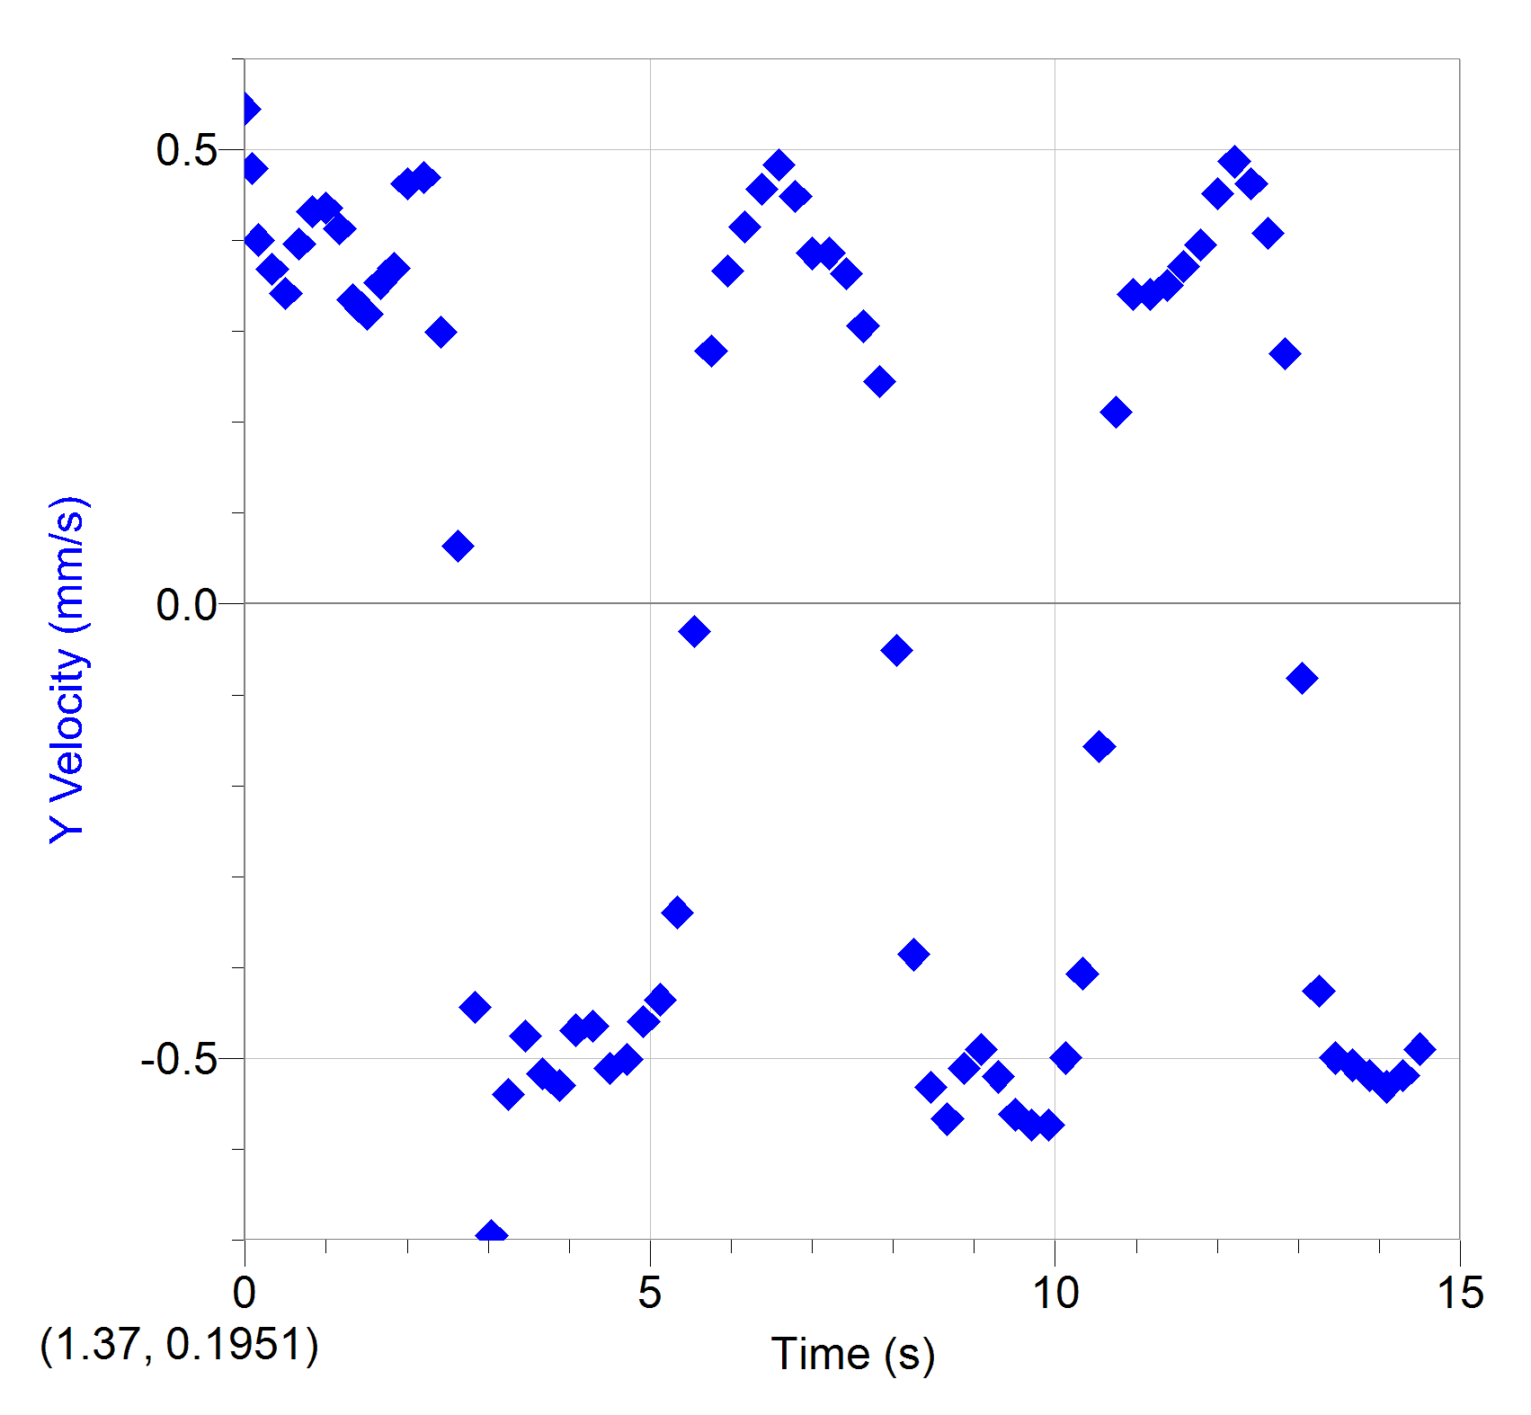
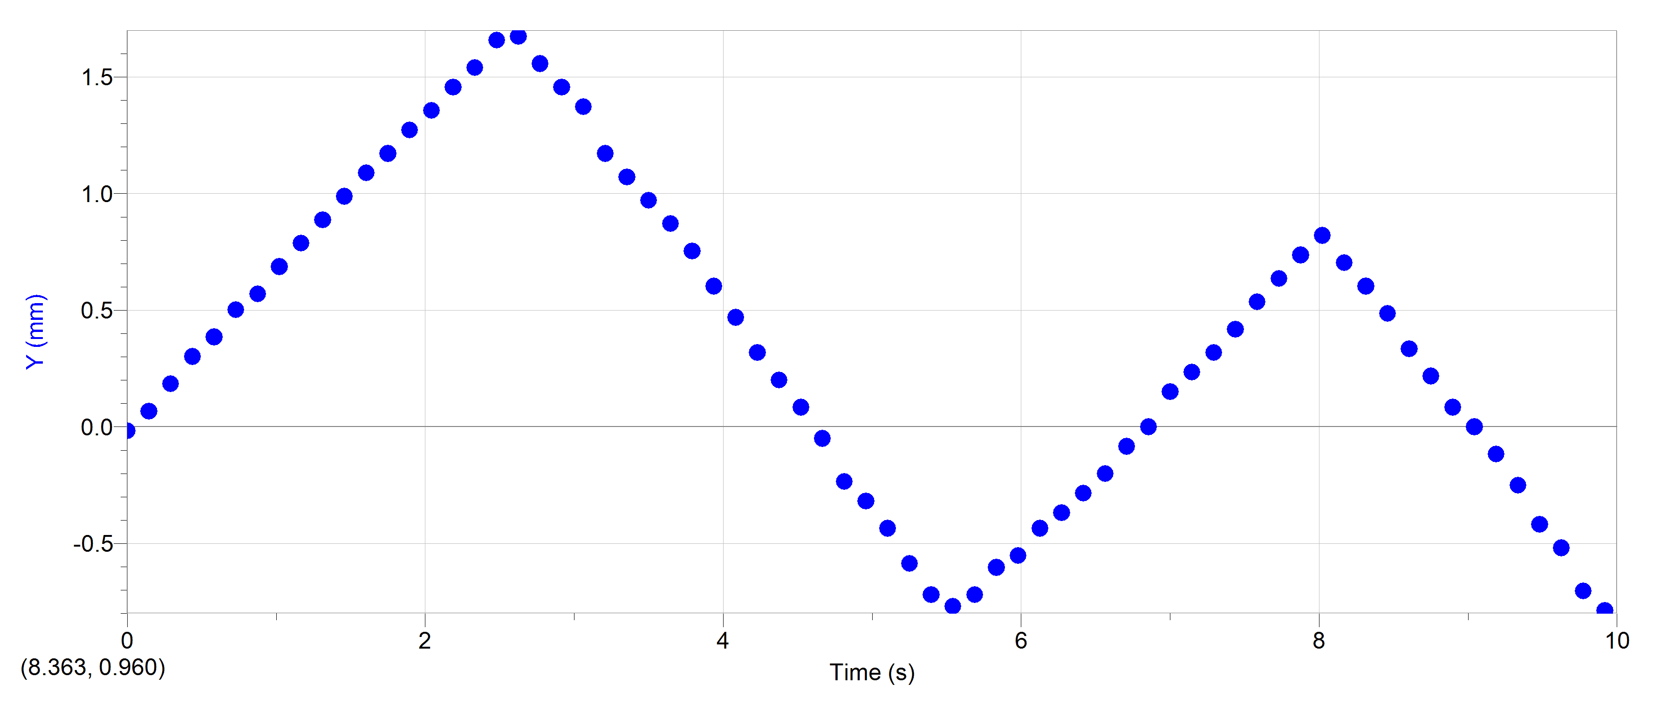
2.2087880892 | 0.90476416842 | 0.46902836363 |  |  |  |  |  |  | 2.0420068977 | 1.6151406739 | 0.59154843035 |  |  |  |  |  |  | 2.0420068977 | 1.3559566814 | 0.63444491553 |  |  |  |  |  |  | 2.0420068977 | 1.1048535923 | 0.52285348216 |  |  |  |  |  |  | 5.1718422419 | -1.1048535923 | -0.39532812594 |  |  |  |  |  |  | 11.989742331 | 0.46570243497 | 0.65623838008
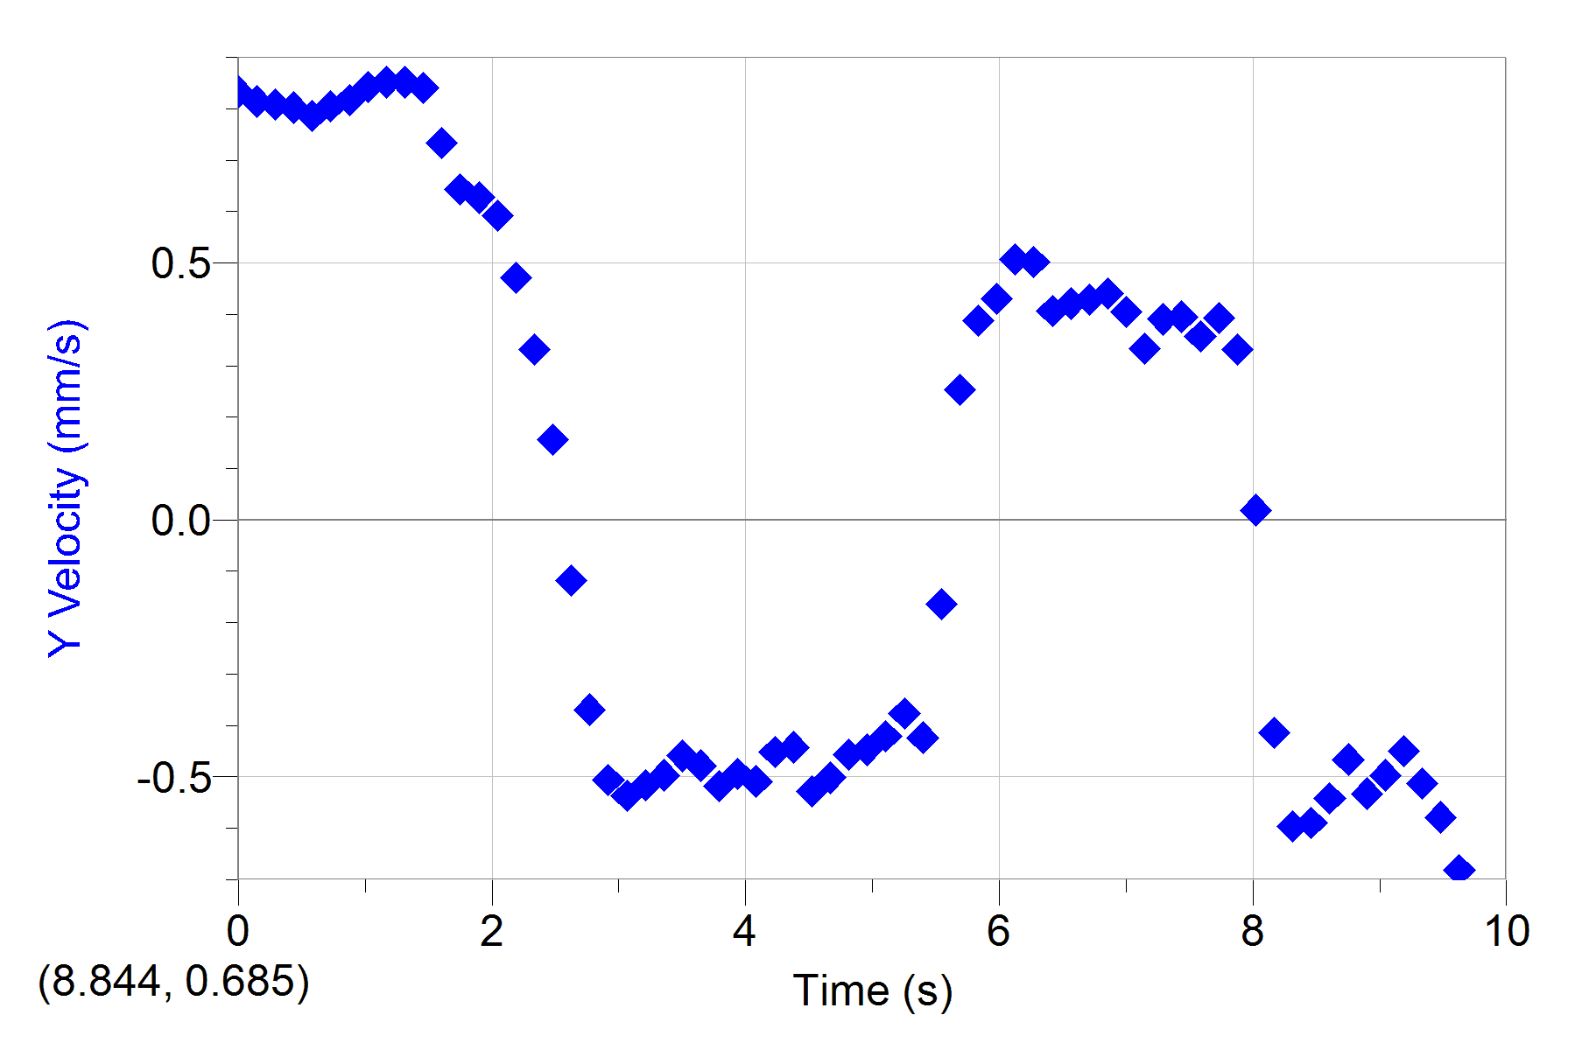
2.4170770436 | 0.97679628931 | 0.29889498952 |  |  |  |  |  |  | 2.1879091844 | 1.7021097871 | 0.47080313459 |  |  |  |  |  |  | 2.1879091844 | 1.4563979171 | 0.63116811497 |  |  |  |  |  |  | 2.1879091844 | 1.1718144161 | 0.56741192453 |  |  |  |  |  |  | 5.3176195052 | -1.1718144161 | -0.46547537316 |  |  |  |  |  |  | 12.135644618 | 0.53223135425 | 0.63858859426
2.6254910213 | 1.0368230567 | 0.063989214326 |  |  |  |  |  |  | 2.3338114712 | 1.7518064232 | 0.33126517394 |  |  |  |  |  |  | 2.3338114712 | 1.5400989468 | 0.58025482085 |  |  |  |  |  |  | 2.3338114712 | 1.2722556517 | 0.56431543235 |  |  |  |  |  |  | 5.463521792 | -1.2555154458 | -0.4079866153 |  |  |  |  |  |  | 12.281421881 | 0.65198340896 | 0.60818269078
2.8339049991 | 1.0728391172 | -0.44333784649 |  |  |  |  |  |  | 2.4795887346 | 1.8015030593 | 0.15617289484 |  |  |  |  |  |  | 2.4795887346 | 1.6572803884 | 0.30607807179 |  |  |  |  |  |  | 2.4795887346 | 1.3726968874 | 0.30607738869 |  |  |  |  |  |  | 5.6094240788 | -1.3559566814 | 0.038259588199 |  |  |  |  |  |  | 12.427324168 | 0.71851232824 | 0.52955335395
3.0421939534 | 0.79671598709 | -0.69461731774 |  |  |  |  |  |  | 2.6254910213 | 1.8139272184 | -0.11829001838 |  |  |  |  |  |  | 2.6254910213 | 1.6740205944 | -0.23587071963 |  |  |  |  |  |  | 2.6254910213 | 1.4061772993 | -0.22950561937 |  |  |  |  |  |  | 5.7552013421 | -1.2387752398 | 0.45911710768 |  |  |  |  |  |  | 12.573226454 | 0.79834703138 | 0.50174872416
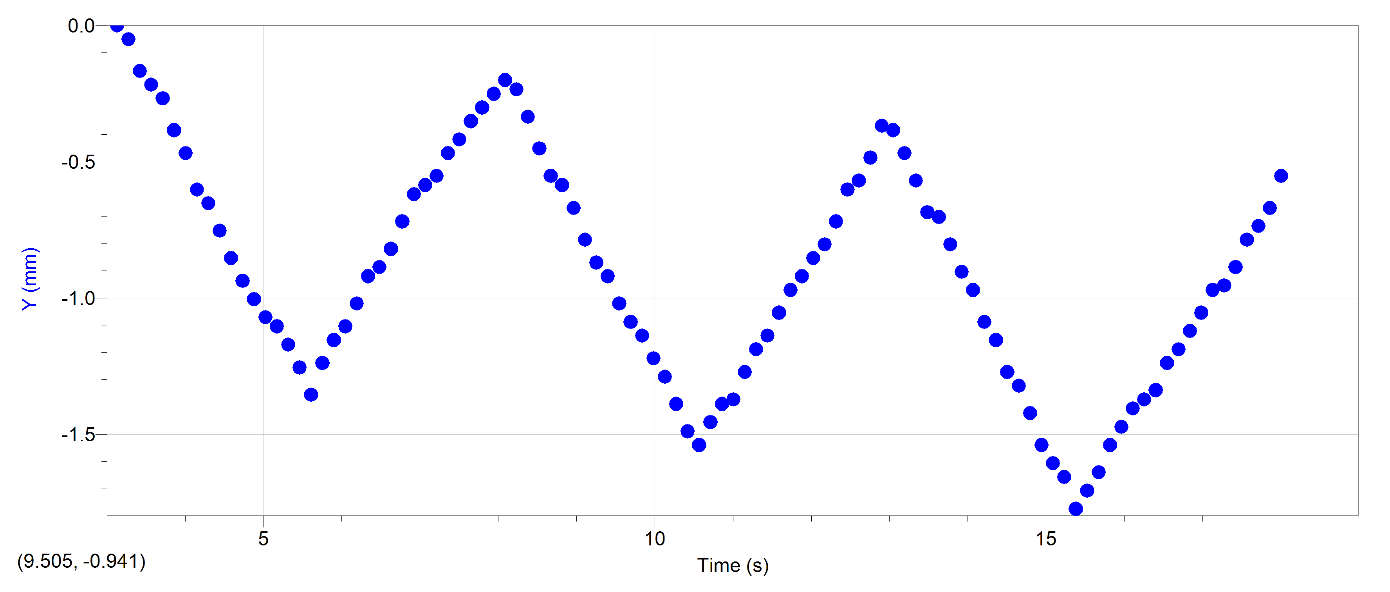
3.2506079312 | 0.68866780575 | -0.53931566841 |  |  |  |  |  |  | 2.7713933081 | 1.7642305822 | -0.36912828131 |  |  |  |  |  |  | 2.7713933081 | 1.5568391528 | -0.60576440106 |  |  |  |  |  |  | 2.7713933081 | 1.2889958577 | -0.65996816032 |  |  |  |  |  |  | 5.9011036289 | -1.1550742101 | 0.48453994304 |  |  |  |  |  |  | 12.719003718 | 0.86487595066 | 0.45613362428
3.4590219089 | 0.60463033137 | -0.47533485145 |  |  |  |  |  |  | 2.9171705715 | 1.6896856281 | -0.50636556599 |  |  |  |  |  |  | 2.9171705715 | 1.4563979171 | -0.71413980874 |  |  |  |  |  |  | 2.9171705715 | 1.1550742101 | -0.71096272574 |  |  |  |  |  |  | 6.0470059156 | -1.1048535923 | 0.50053806502 |  |  |  |  |  |  | 12.864906004 | 0.93140486994 | 0.37496869756
3.6673108633 | 0.520592857 | -0.51695306929 |  |  |  |  |  |  | 3.0630728582 | 1.6027165149 | -0.53704278717 |  |  |  |  |  |  | 3.0630728582 | 1.3726968874 | -0.89892034428 |  |  |  |  |  |  | 3.0630728582 | 1.0713731804 | -0.65029620089 |  |  |  |  |  |  | 6.192783179 | -1.0211525626 | 0.54837262749 |  |  |  |  |  |  | 13.010808291 | 1.0112395731 | 0.053223499793
3.875724841 | 0.37652861522 | -0.52969589908 |  |  |  |  |  |  | 3.208975145 | 1.5281715607 | -0.5158257651 |  |  |  |  |  |  | 3.208975145 | 1.1718144161 | -0.92457813316 |  |  |  |  |  |  | 3.208975145 | 0.97093194474 | -0.59618532733 |  |  |  |  |  |  | 6.3386854658 | -0.92071132691 | 0.47497180062 |  |  |  |  |  |  | 13.156585555 | 0.97132222151 | -0.40039788507
4.0841388187 | 0.28048578736 | -0.46893463424 |  |  |  |  |  |  | 3.3547524083 | 1.4536266065 | -0.49689877487 |  |  |  |  |  |  | 3.3547524083 | 1.0713731804 | -0.76515213732 |  |  |  |  |  |  | 3.3547524083 | 0.90397112096 | -0.58662128437 |  |  |  |  |  |  | 6.4845877525 | -0.88723091502 | 0.4367702628 |  |  |  |  |  |  | 13.302487841 | 0.8515701668 | -0.59540051207
4.2924277731 | 0.19644831299 | -0.464133631 |  |  |  |  |  |  | 3.5006546951 | 1.3790816523 | -0.45897889753 |  |  |  |  |  |  | 3.5006546951 | 0.97093194474 | -0.72999109645 |  |  |  |  |  |  | 3.5006546951 | 0.8035298853 | -0.60884791528 |  |  |  |  |  |  | 6.6303650159 | -0.82027009125 | 0.54199113319 |  |  |  |  |  |  | 13.448390128 | 0.75842967981 | -0.5397510805
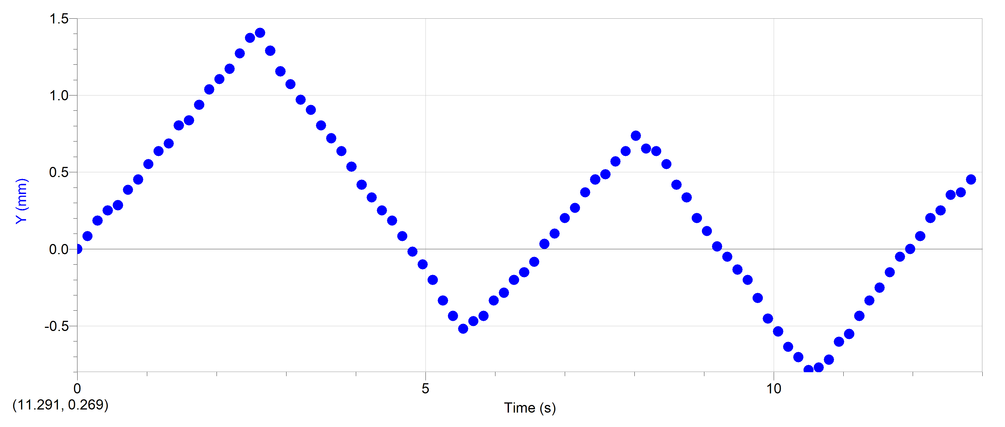
4.5008417508 | 0.10040548514 | -0.51049332591 |  |  |  |  |  |  | 3.6465569819 | 1.3293850162 | -0.4779667142 |  |  |  |  |  |  | 3.6465569819 | 0.87049070908 | -0.77472164593 |  |  |  |  |  |  | 3.6465569819 | 0.71982885558 | -0.60256067288 |  |  |  |  |  |  | 6.7762673027 | -0.71982885558 | 0.58652088665 |  |  |  |  |  |  | 13.594167391 | 0.71851232824 | -0.59043736085
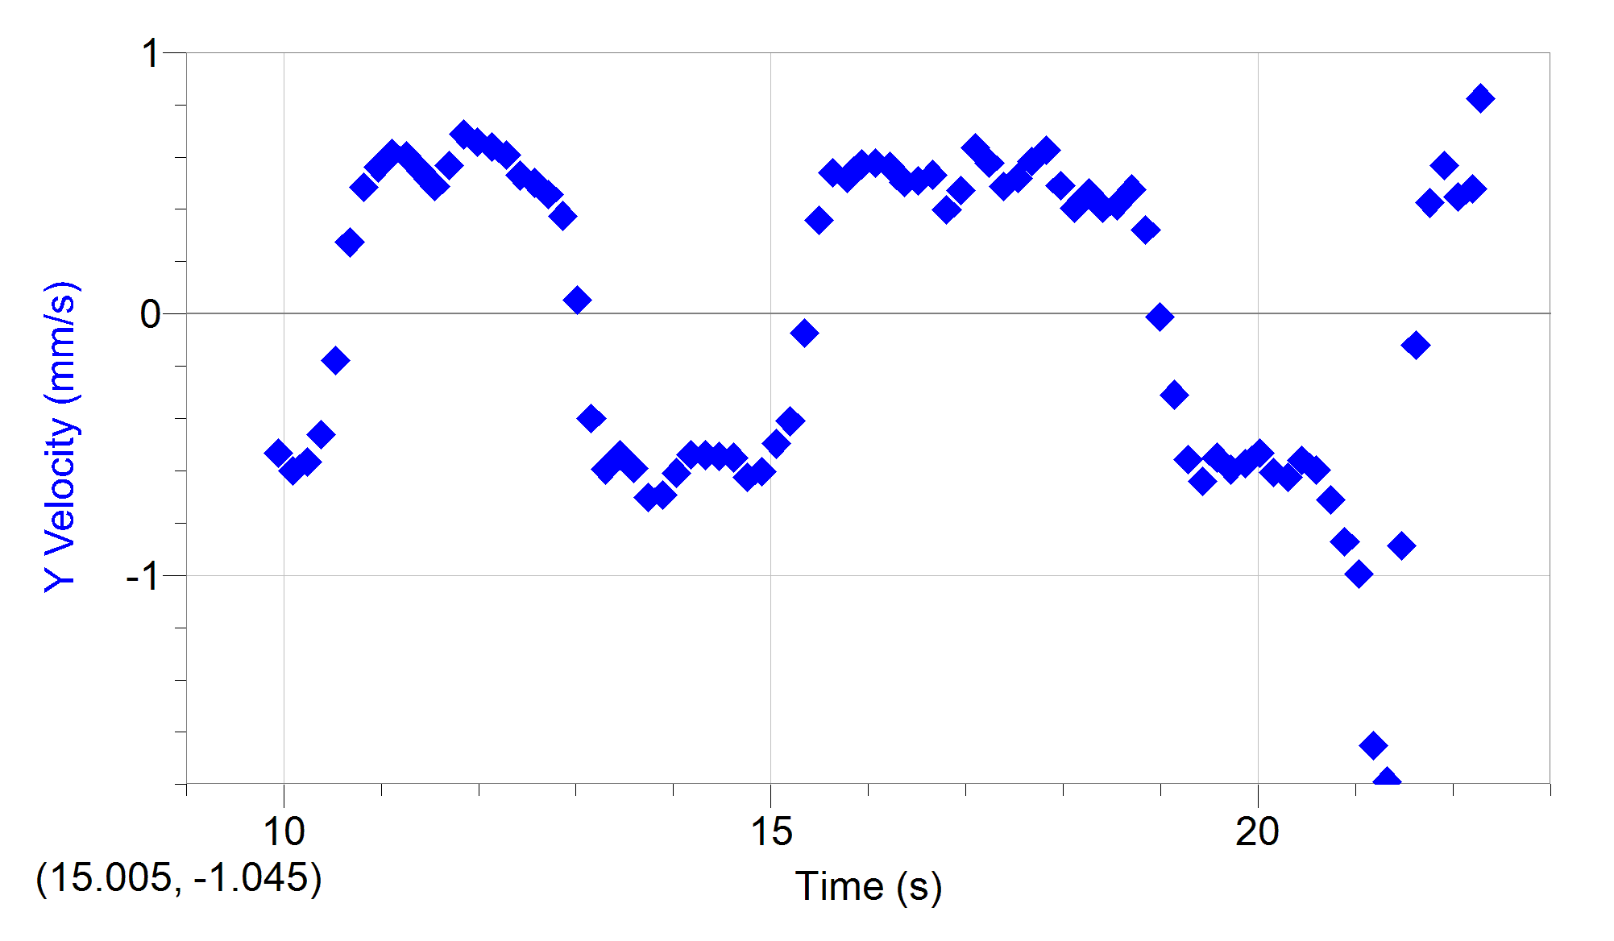
4.7092557286 | -0.031653403164 | -0.50094748446 |  |  |  |  |  |  | 3.7923342452 | 1.242415903 | -0.51819639245 |  |  |  |  |  |  | 3.7923342452 | 0.75330926747 | -0.88950109363 |  |  |  |  |  |  | 3.7923342452 | 0.63612782587 | -0.64400827539 |  |  |  |  |  |  | 6.9221695894 | -0.61938761992 | 0.46228394247 |  |  |  |  |  |  | 13.740069678 | 0.59876027353 | -0.70182687805
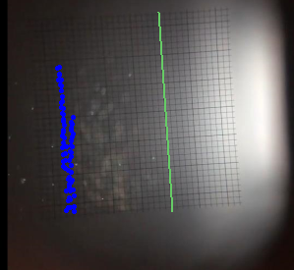
4.9175446829 | -0.11569087754 | -0.45933238771 |  |  |  |  |  |  | 3.938236532 | 1.1678709488 | -0.49446681606 |  |  |  |  |  |  | 3.938236532 | 0.60264741398 | -0.94993403934 |  |  |  |  |  |  | 3.938236532 | 0.5356865902 | -0.69810002487 |  |  |  |  |  |  | 7.0679468528 | -0.58590720803 | 0.33474765494 |  |  |  |  |  |  | 13.885971965 | 0.49231400268 | -0.69180720678
5.1259586607 | -0.21173370539 | -0.43528152782 |  |  |  |  |  |  | 4.0841388187 | 1.1057501537 | -0.50873264384 |  |  |  |  |  |  | 4.0841388187 | 0.46872576643 | -0.95326343019 |  |  |  |  |  |  | 4.0841388187 | 0.41850514859 | -0.66632847509 |  |  |  |  |  |  | 7.2138491395 | -0.55242679615 | 0.38570876265 |  |  |  |  |  |  | 14.031749228 | 0.38586773183 | -0.60817834646
5.3343726384 | -0.30777653325 | -0.33930682676 |  |  |  |  |  |  | 4.2299160821 | 1.0063568814 | -0.45193747581 |  |  |  |  |  |  | 4.2299160821 | 0.31806391293 | -0.90862849645 |  |  |  |  |  |  | 4.2299160821 | 0.33480411888 | -0.59299731301 |  |  |  |  |  |  | 7.3597514263 | -0.46872576643 | 0.42402913683 |  |  |  |  |  |  | 14.177651515 | 0.31933881255 | -0.53968919806
5.5426615928 | -0.4038193611 | -0.030408834602 |  |  |  |  |  |  | 4.3758183689 | 0.98150856336 | -0.44242354686 |  |  |  |  |  |  | 4.3758183689 | 0.20088247133 | -0.85750347733 |  |  |  |  |  |  | 4.3758183689 | 0.25110308916 | -0.55466806266 |  |  |  |  |  |  | 7.5055286897 | -0.41850514859 | 0.40808428268 |  |  |  |  |  |  | 14.323553802 | 0.23950410941 | -0.53976031209
5.7510755705 | -0.31978188673 | 0.27843755066 |  |  |  |  |  |  | 4.5217206556 | 0.89453945015 | -0.52766419753 |  |  |  |  |  |  | 4.5217206556 | 0.083701029719 | -0.89587097351 |  |  |  |  |  |  | 4.5217206556 | 0.18414226538 | -0.58662128437 |  |  |  |  |  |  | 7.6514309764 | -0.35154432482 | 0.39208615777 |  |  |  |  |  |  | 14.469331065 | 0.15966940628 | -0.54482823415
5.9594895483 | -0.23574441236 | 0.36650690999 |  |  |  |  |  |  | 4.667497919 | 0.80757033694 | -0.5016298887 |  |  |  |  |  |  | 4.667497919 | -0.050220617831 | -0.9851531385 |  |  |  |  |  |  | 4.667497919 | 0.083701029719 | -0.64720175537 |  |  |  |  |  |  | 7.7973332632 | -0.30132370699 | 0.3411332487 |  |  |  |  |  |  | 14.615233352 | 0.079834703138 | -0.54982721445
6.1677785026 | -0.16371229146 | 0.41452054338 |  |  |  |  |  |  | 4.8134002058 | 0.7454495418 | -0.45661283363 |  |  |  |  |  |  | 4.8134002058 | -0.23436288321 | -0.90530730131 |  |  |  |  |  |  | 4.8134002058 | -0.016740205944 | -0.64710818657 |  |  |  |  |  |  | 7.9431105266 | -0.25110308916 | 0.25506096065 |  |  |  |  |  |  | 14.761135639 | 0.013305783856 | -0.6259236764
6.3761924804 | -0.06766946361 | 0.4560873956 |  |  |  |  |  |  | 4.9593024925 | 0.68332874664 | -0.44720940449 |  |  |  |  |  |  | 4.9593024925 | -0.31806391293 | -0.80340694296 |  |  |  |  |  |  | 4.9593024925 | -0.10044123566 | -0.67269903807 |  |  |  |  |  |  | 8.0890128133 | -0.20088247133 | -0.0095749713424 |  |  |  |  |  |  | 14.906912902 | -0.11975205471 | -0.60311476873
6.5846064581 | 0.028373364245 | 0.48334340583 |  |  |  |  |  |  | 5.1050797559 | 0.60878379247 | -0.42118067307 |  |  |  |  |  |  | 5.1050797559 | -0.43524535454 | -0.87356170513 |  |  |  |  |  |  | 5.1050797559 | -0.20088247133 | -0.75559970877 |  |  |  |  |  |  | 8.2349151001 | -0.23436288321 | -0.39215035983 |  |  |  |  |  |  | 15.052815189 | -0.17297519013 | -0.49661946076
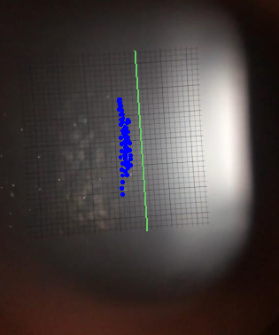
6.7928954125 | 0.14842689906 | 0.44813188741 |  |  |  |  |  |  | 5.2509820426 | 0.55908715635 | -0.37618592262 |  |  |  |  |  |  | 5.2509820426 | -0.58590720803 | -0.83834533924 |  |  |  |  |  |  | 5.2509820426 | -0.33480411888 | -0.72678669131 |  |  |  |  |  |  | 8.3806923635 | -0.33480411888 | -0.63764181187 |  |  |  |  |  |  | 15.198717476 | -0.25280989327 | -0.41053372918
7.0013093902 | 0.22045901996 | 0.38567972097 |  |  |  |  |  |  | 5.3968843294 | 0.52181467926 | -0.42356144192 |  |  |  |  |  |  | 5.3968843294 | -0.71982885558 | -0.53243187279 |  |  |  |  |  |  | 5.3968843294 | -0.43524535454 | -0.53243255589 |  |  |  |  |  |  | 8.5265946502 | -0.45198556048 | -0.66302913438 |  |  |  |  |  |  | 15.344494739 | -0.33264459641 | -0.073494102113
7.2097233679 | 0.29249114085 | 0.38571404382 |  |  |  |  |  |  | 5.5426615928 | 0.38514892993 | -0.16327463602 |  |  |  |  |  |  | 5.5426615928 | -0.77004947341 | -0.031879460099 |  |  |  |  |  |  | 5.5426615928 | -0.51894638426 | -0.1402767304 |  |  |  |  |  |  | 8.672496937 | -0.55242679615 | -0.52604149648 |  |  |  |  |  |  | 15.490397026 | -0.29272724484 | 0.35722879809
7.4180123223 | 0.3885339687 | 0.36330704133 |  |  |  |  |  |  | 5.6885638795 | 0.44726972508 | 0.2531120693 |  |  |  |  |  |  | 5.6885638795 | -0.71982885558 | 0.411185558 |  |  |  |  |  |  | 5.6885638795 | -0.46872576643 | 0.21037616697 |  |  |  |  |  |  | 8.8182742003 | -0.58590720803 | -0.49415725382 |  |  |  |  |  |  | 15.636299313 | -0.18628097399 | 0.53976791483
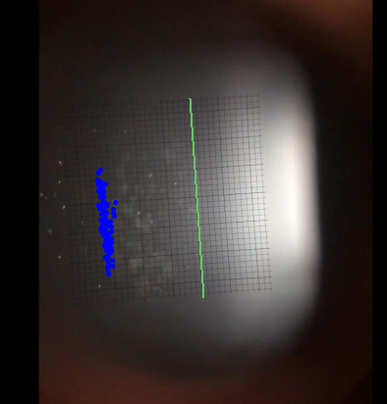
7.6264263 | 0.44856073611 | 0.30566283908 |  |  |  |  |  |  | 5.8344661663 | 0.50939052023 | 0.38805527155 |  |  |  |  |  |  | 5.8344661663 | -0.60264741398 | 0.54517778132 |  |  |  |  |  |  | 5.8344661663 | -0.43524535454 | 0.40808906523 |  |  |  |  |  |  | 8.9641764871 | -0.66960823775 | -0.61521438202 |  |  |  |  |  |  | 15.782076576 | -0.10644627085 | 0.51947993522
7.8348402778 | 0.50858750352 | 0.24487997419 |  |  |  |  |  |  | 5.9802434297 | 0.57151131538 | 0.43063935125 |  |  |  |  |  |  | 5.9802434297 | -0.55242679615 | 0.58024525573 |  |  |  |  |  |  | 5.9802434297 | -0.33480411888 | 0.48141612785 |  |  |  |  |  |  | 9.1100787739 | -0.78678967936 | -0.62488633823 |  |  |  |  |  |  | 15.927978863 | -0.053223135425 | 0.57261549107
8.0431292321 | 0.60463033137 | -0.051213742104 |  |  |  |  |  |  | 6.1261457164 | 0.62120795149 | 0.506280914 |  |  |  |  |  |  | 6.1261457164 | -0.43524535454 | 0.59609449151 |  |  |  |  |  |  | 6.1261457164 | -0.28458350105 | 0.46540775766 |  |  |  |  |  |  | 9.2558560372 | -0.87049070908 | -0.52604081338 |  |  |  |  |  |  | 16.07388115 | 0.066528919281 | 0.57777135707
8.2515432099 | 0.49658215004 | -0.38566099857 |  |  |  |  |  |  | 6.2720480032 | 0.73302538276 | 0.50163445215 |  |  |  |  |  |  | 6.2720480032 | -0.36828453076 | 0.55792505604 |  |  |  |  |  |  | 6.2720480032 | -0.20088247133 | 0.46228462557 |  |  |  |  |  |  | 9.401758324 | -0.92071132691 | -0.51959717217 |  |  |  |  |  |  | 16.219658413 | 0.11975205471 | 0.56510318079
8.4599571876 | 0.40053932218 | -0.53135727948 |  |  |  |  |  |  | 6.4178252666 | 0.78272201888 | 0.40697566977 |  |  |  |  |  |  | 6.4178252666 | -0.28458350105 | 0.59299731301 |  |  |  |  |  |  | 6.4178252666 | -0.15066185349 | 0.46546580804 |  |  |  |  |  |  | 9.5476606107 | -1.0211525626 | -0.52286441347 |  |  |  |  |  |  | 16.3655607 | 0.23950410941 | 0.50421917156
8.668246142 | 0.2564750804 | -0.56656807753 |  |  |  |  |  |  | 6.5637275533 | 0.832418655 | 0.42111680433 |  |  |  |  |  |  | 6.5637275533 | -0.20088247133 | 0.66622671059 |  |  |  |  |  |  | 6.5637275533 | -0.083701029719 | 0.58015305343 |  |  |  |  |  |  | 9.6934378741 | -1.0881133864 | -0.45271443386 |  |  |  |  |  |  | 16.511462986 | 0.25280989327 | 0.50934897839
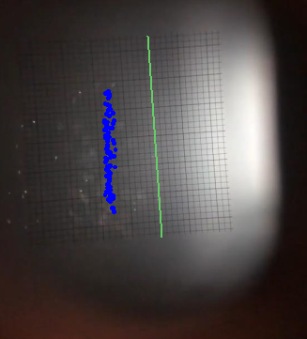
8.8766601197 | 0.14842689906 | -0.51050100694 |  |  |  |  |  |  | 6.7096298401 | 0.90696360918 | 0.42827734383 |  |  |  |  |  |  | 6.7096298401 | -0.083701029719 | 0.70777061196 |  |  |  |  |  |  | 6.7096298401 | 0.033480411888 | 0.60575346975 |  |  |  |  |  |  | 9.8393401609 | -1.1383340042 | -0.47178241981 |  |  |  |  |  |  | 16.65724025 | 0.38586773183 | 0.53216820356
9.0850740975 | 0.052384071209 | -0.48974146237 |  |  |  |  |  |  | 6.8554071034 | 0.9566602453 | 0.4401112128 |  |  |  |  |  |  | 6.8554071034 | 0 | 0.76516306863 |  |  |  |  |  |  | 6.8554071034 | 0.10044123566 | 0.58662128437 |  |  |  |  |  |  | 9.9852424476 | -1.2220350339 | -0.51967093349 |  |  |  |  |  |  | 16.803142537 | 0.43909086726 | 0.39781777839
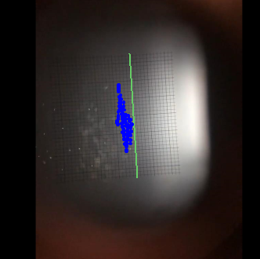
9.2933630518 | -0.043658756646 | -0.52015197754 |  |  |  |  |  |  | 7.0013093902 | 1.0436293585 | 0.40455334289 |  |  |  |  |  |  | 7.0013093902 | 0.15066185349 | 0.74910142506 |  |  |  |  |  |  | 7.0013093902 | 0.20088247133 | 0.58016398181 |  |  |  |  |  |  | 10.131019711 | -1.2889958577 | -0.5738692271 |  |  |  |  |  |  | 16.949044823 | 0.46570243497 | 0.47133358908
9.5017770296 | -0.16371229146 | -0.56170610838 |  |  |  |  |  |  | 7.1472116769 | 1.0809018356 | 0.33362312489 |  |  |  |  |  |  | 7.1472116769 | 0.23436288321 | 0.64400280974 |  |  |  |  |  |  | 7.1472116769 | 0.2678432951 | 0.5738692271 |  |  |  |  |  |  | 10.276921998 | -1.3894370933 | -0.58652225314 |  |  |  |  |  |  | 17.094822087 | 0.55884292196 | 0.6360676662
9.7101910073 | -0.28376582628 | -0.57296733454 |  |  |  |  |  |  | 7.2929889403 | 1.1181743127 | 0.39042285638 |  |  |  |  |  |  | 7.2929889403 | 0.31806391293 | 0.65676033267 |  |  |  |  |  |  | 7.2929889403 | 0.36828453076 | 0.56750003031 |  |  |  |  |  |  | 10.422824285 | -1.489878329 | -0.38577979685 |  |  |  |  |  |  | 17.240724373 | 0.69190076053 | 0.57768667155
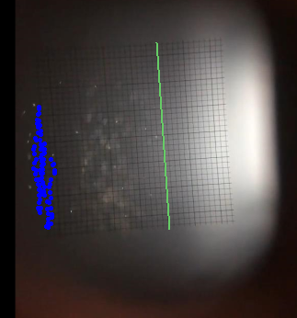
9.9184799617 | -0.4038193611 | -0.57296973526 |  |  |  |  |  |  | 7.4388912271 | 1.2051434259 | 0.3950890873 |  |  |  |  |  |  | 7.4388912271 | 0.41850514859 | 0.71404146295 |  |  |  |  |  |  | 7.4388912271 | 0.45198556048 | 0.4558532766 |  |  |  |  |  |  | 10.568601548 | -1.5400989468 | 0.041452385077 |  |  |  |  |  |  | 17.38662666 | 0.7318181121 | 0.4865368123
10.126893939 | -0.5358782494 | -0.49929858611 |  |  |  |  |  |  | 7.5847935138 | 1.242415903 | 0.35728680637 |  |  |  |  |  |  | 7.5847935138 | 0.5356865902 | 0.72371546611 |  |  |  |  |  |  | 7.5847935138 | 0.48546597237 | 0.44315175709 |  |  |  |  |  |  | 10.714503835 | -1.4563979171 | 0.34742936756 |  |  |  |  |  |  | 17.532403923 | 0.81165281523 | 0.5194859084
10.335307917 | -0.60791037029 | -0.40652375298 |  |  |  |  |  |  | 7.7305707772 | 1.2921125391 | 0.39278790632 |  |  |  |  |  |  | 7.7305707772 | 0.63612782587 | 0.64719970608 |  |  |  |  |  |  | 7.7305707772 | 0.56916700209 | 0.47503941612 |  |  |  |  |  |  | 10.860406121 | -1.3894370933 | 0.35387915723 |  |  |  |  |  |  | 17.67830621 | 0.87818173451 | 0.58275567974
10.543596872 | -0.73996925859 | -0.15685093811 |  |  |  |  |  |  | 7.876473064 | 1.3666574933 | 0.33119420882 |  |  |  |  |  |  | 7.876473064 | 0.73656906153 | 0.44624552011 |  |  |  |  |  |  | 7.876473064 | 0.63612782587 | 0.41756158664 |  |  |  |  |  |  | 11.006183385 | -1.3726968874 | 0.43039969982 |  |  |  |  |  |  | 17.824208497 | 0.98462800536 | 0.62592802072
10.752010849 | -0.70395319815 | 0.21122302386 |  |  |  |  |  |  | 8.0223753507 | 1.4287782884 | 0.018935610157 |  |  |  |  |  |  | 8.0223753507 | 0.82027009125 | -0.086083219357 |  |  |  |  |  |  | 8.0223753507 | 0.73656906153 | 0.079701725062 |  |  |  |  |  |  | 11.152085672 | -1.2722556517 | 0.53551675349 |  |  |  |  |  |  | 17.96998576 | 1.0910742762 | 0.49160853572
10.960424827 | -0.59590501681 | 0.34090291986 |  |  |  |  |  |  | 8.1681526141 | 1.3915058114 | -0.41409363684 |  |  |  |  |  |  | 8.1681526141 | 0.70308864964 | -0.57388562406 |  |  |  |  |  |  | 8.1681526141 | 0.65286803181 | -0.24868629821 |  |  |  |  |  |  | 11.297987958 | -1.188554622 | 0.49097402206 |  |  |  |  |  |  | 18.115888047 | 1.1176858439 | 0.4054120613
11.168713781 | -0.5358782494 | 0.34089787815 |  |  |  |  |  |  | 8.3140549009 | 1.2672642211 | -0.59617816563 |  |  |  |  |  |  | 8.3140549009 | 0.60264741398 | -0.7491164529 |  |  |  |  |  |  | 8.3140549009 | 0.63612782587 | -0.41123063802 |  |  |  |  |  |  | 11.443765222 | -1.1383340042 | 0.48778669084 |  |  |  |  |  |  | 18.261790334 | 1.1842147632 | 0.46374582487
11.377127759 | -0.46384612851 | 0.35046772245 |  |  |  |  |  |  | 8.4599571876 | 1.1927192669 | -0.589177803 |  |  |  |  |  |  | 8.4599571876 | 0.48546597237 | -0.87674971945 |  |  |  |  |  |  | 8.4599571876 | 0.55242679615 | -0.65677126398 |  |  |  |  |  |  | 11.589667508 | -1.0546329745 | 0.51958624379 |  |  |  |  |  |  | 18.407567597 | 1.2773552502 | 0.40544897279
11.585541737 | -0.39181400762 | 0.37130887343 |  |  |  |  |  |  | 8.605734451 | 1.0933259946 | -0.54185652443 |  |  |  |  |  |  | 8.605734451 | 0.33480411888 | -0.88950041053 |  |  |  |  |  |  | 8.605734451 | 0.41850514859 | -0.72371478301 |  |  |  |  |  |  | 11.735569795 | -0.97093194474 | 0.4654712737 |  |  |  |  |  |  | 18.553469884 | 1.2906610341 | 0.41554030524
11.793830691 | -0.30777653325 | 0.39531412969 |  |  |  |  |  |  | 8.7516367377 | 1.0312051995 | -0.46608722833 |  |  |  |  |  |  | 8.7516367377 | 0.21762267727 | -0.84474049167 |  |  |  |  |  |  | 8.7516367377 | 0.33480411888 | -0.73954831048 |  |  |  |  |  |  | 11.881347058 | -0.92071132691 | 0.42402435428 |  |  |  |  |  |  | 18.699372171 | 1.3838015211 | 0.47641780252
12.002244669 | -0.23574441236 | 0.45128567212 |  |  |  |  |  |  | 8.8975390245 | 0.98150856336 | -0.53239632532 |  |  |  |  |  |  | 8.8975390245 | 0.083701029719 | -0.77153431471 |  |  |  |  |  |  | 8.8975390245 | 0.20088247133 | -0.71734012057 |  |  |  |  |  |  | 12.027249345 | -0.85375050313 | 0.43034506258 |  |  |  |  |  |  | 18.845149434 | 1.4636362242 | 0.3218358609
12.210658647 | -0.11569087754 | 0.48654423468 |  |  |  |  |  |  | 9.0433162879 | 0.85726697306 | -0.49689826789 |  |  |  |  |  |  | 9.0433162879 | 0 | -0.75558946055 |  |  |  |  |  |  | 9.0433162879 | 0.11718144161 | -0.64082026107 |  |  |  |  |  |  | 12.173151632 | -0.8035298853 | 0.48778600774 |  |  |  |  |  |  | 18.991051721 | 1.5035535758 | -0.012661118826
12.418947601 | -0.019648049683 | 0.46253489714 |  |  |  |  |  |  | 9.1892185746 | 0.832418655 | -0.44952173854 |  |  |  |  |  |  | 9.1892185746 | -0.11718144161 | -0.85749391543 |  |  |  |  |  |  | 9.1892185746 | 0.016740205944 | -0.58016398181 |  |  |  |  |  |  | 12.318928895 | -0.71982885558 | 0.58982023 |  |  |  |  |  |  | 19.136954008 | 1.4503304403 | -0.30915791006
12.627361579 | 0.076394778172 | 0.4080768825 |  |  |  |  |  |  | 9.3351208614 | 0.7454495418 | -0.51251964397 |  |  |  |  |  |  | 9.3351208614 | -0.25110308916 | -0.9628329388 |  |  |  |  |  |  | 9.3351208614 | -0.050220617831 | -0.53879833631 |  |  |  |  |  |  | 12.464831182 | -0.60264741398 | 0.53235059594 |  |  |  |  |  |  | 19.282731271 | 1.4104130888 | -0.55750455612
12.835775556 | 0.16043225255 | 0.2752885688 |  |  |  |  |  |  | 9.4808981248 | 0.68332874664 | -0.57853938758 |  |  |  |  |  |  | 9.4808981248 | -0.41850514859 | -0.94369392157 |  |  |  |  |  |  | 9.4808981248 | -0.13392164755 | -0.55792573913 |  |  |  |  |  |  | 12.610733469 | -0.56916700209 | 0.48140451345 |  |  |  |  |  |  | 19.428633558 | 1.2640494663 | -0.64101398286
13.044064511 | 0.24446972692 | -0.081624017228 |  |  |  |  |  |  | 9.6268004115 | 0.57151131538 | -0.68134531521 |  |  |  |  |  |  | 9.6268004115 | -0.51894638426 | -0.94675340331 |  |  |  |  |  |  | 9.6268004115 | -0.20088247133 | -0.65029756738 |  |  |  |  |  |  | 12.756510732 | -0.48546597237 | 0.51649863304 |  |  |  |  |  |  | 19.574535845 | 1.1975205471 | -0.5498858387
13.252478489 | 0.1244161921 | -0.42566271882 |  |  |  |  |  |  |  |  |  |  |  |  |  |  |  | 9.7727026983 | -0.70308864964 | -0.89273146465 |  |  |  |  |  |  | 9.7727026983 | -0.31806391293 | -0.77154456292 |  |  |  |  |  |  | 12.902413019 | -0.36828453076 | 0.23587208611 |  |  |  |  |  |  | 19.720313108 | 1.1309916278 | -0.59551397154
13.460892466 | 0.0043626572812 | -0.49934634988 |  |  |  |  |  |  |  |  |  |  |  |  |  |  |  | 9.9184799617 | -0.78678967936 | -0.73345106985 |  |  |  |  |  |  | 9.9184799617 | -0.45198556048 | -0.73009081165 |  |  |  |  |  |  | 13.048315306 | -0.38502473671 | -0.24231026957 |  |  |  |  |  |  | 19.866215395 | 1.0112395731 | -0.57261657721
13.669181421 | -0.091680170574 | -0.50734722157 |  |  |  |  |  |  |  |  |  |  |  |  |  |  |  |  |  |  |  |  |  |  |  |  | 10.064382248 | -0.5356865902 | -0.64710818657 |  |  |  |  |  |  | 13.194092569 | -0.46872576643 | -0.53880653524 |  |  |  |  |  |  | 20.012117681 | 0.95801643765 | -0.53214974036
13.877595398 | -0.19972835191 | -0.51849971874 |  |  |  |  |  |  |  |  |  |  |  |  |  |  |  |  |  |  |  |  |  |  |  |  | 10.210284535 | -0.63612782587 | -0.56430586723 |  |  |  |  |  |  | 13.339994856 | -0.56916700209 | -0.63752228685 |  |  |  |  |  |  | 20.157894945 | 0.87818173451 | -0.60564872975
14.086009376 | -0.30777653325 | -0.53103961638 |  |  |  |  |  |  |  |  |  |  |  |  |  |  |  |  |  |  |  |  |  |  |  |  | 10.356061799 | -0.70308864964 | -0.44316132221 |  |  |  |  |  |  | 13.485897143 | -0.6863484437 | -0.51966546784 |  |  |  |  |  |  | 20.303797232 | 0.77173546366 | -0.62581781687
14.294298331 | -0.42783006807 | -0.51855588399 |  |  |  |  |  |  |  |  |  |  |  |  |  |  |  |  |  |  |  |  |  |  |  |  | 10.501964085 | -0.78678967936 | -0.17531483837 |  |  |  |  |  |  | 13.631674406 | -0.70308864964 | -0.48778122518 |  |  |  |  |  |  | 20.449699518 | 0.67859497667 | -0.56002657009
14.502712308 | -0.52387289592 | -0.48969801926 |  |  |  |  |  |  |  |  |  |  |  |  |  |  |  |  |  |  |  |  |  |  |  |  | 10.647866372 | -0.77004947341 | 0.18810514412 |  |  |  |  |  |  | 13.777576693 | -0.8035298853 | -0.60564760609 |  |  |  |  |  |  | 20.595476782 | 0.62537184125 | -0.59803924393
 |  |  |  |  |  |  |  |  |  |  |  |  |  |  |  |  |  |  |  |  |  |  |  |  |  |  | 10.793643635 | -0.71982885558 | 0.47185755055 |  |  |  |  |  |  | 13.92347898 | -0.90397112096 | -0.59618396114 |  |  |  |  |  |  | 20.741379068 | 0.51892557039 | -0.71197358076
 |  |  |  |  |  |  |  |  |  |  |  |  |  |  |  |  |  |  |  |  |  |  |  |  |  |  | 10.939545922 | -0.60264741398 | 0.56422391021 |  |  |  |  |  |  | 14.069256243 | -0.97093194474 | -0.62488155567 |  |  |  |  |  |  | 20.887281355 | 0.41247929955 | -0.87116092538
 |  |  |  |  |  |  |  |  |  |  |  |  |  |  |  |  |  |  |  |  |  |  |  |  |  |  | 11.085448209 | -0.55242679615 | 0.6057480041 |  |  |  |  |  |  | 14.21515853 | -1.0881133864 | -0.62479071985 |  |  |  |  |  |  | 21.033058619 | 0.25280989327 | -0.99580172924
 |  |  |  |  |  |  |  |  |  |  |  |  |  |  |  |  |  |  |  |  |  |  |  |  |  |  | 11.231225472 | -0.43524535454 | 0.68227401234 |  |  |  |  |  |  | 14.361060817 | -1.1550742101 | -0.61531751271 |  |  |  |  |  |  | 21.178960905 | 0.22619832556 | -1.650261019
 |  |  |  |  |  |  |  |  |  |  |  |  |  |  |  |  |  |  |  |  |  |  |  |  |  |  | 11.377127759 | -0.33480411888 | 0.65029756738 |  |  |  |  |  |  | 14.50683808 | -1.2722556517 | -0.58662196747 |  |  |  |  |  |  | 21.324863192 | -0.30303709104 | -1.7884604168
 |  |  |  |  |  |  |  |  |  |  |  |  |  |  |  |  |  |  |  |  |  |  |  |  |  |  | 11.523030046 | -0.25110308916 | 0.64082026107 |  |  |  |  |  |  | 14.652740367 | -1.3224762696 | -0.57698826236 |  |  |  |  |  |  | 21.470640455 | -0.46108499075 | -0.88681546882
 |  |  |  |  |  |  |  |  |  |  |  |  |  |  |  |  |  |  |  |  |  |  |  |  |  |  | 11.668807309 | -0.15066185349 | 0.63445038119 |  |  |  |  |  |  | 14.798642653 | -1.4229175052 | -0.6599585952 |  |  |  |  |  |  | 21.616542742 | -0.52430415064 | -0.11885100248
 |  |  |  |  |  |  |  |  |  |  |  |  |  |  |  |  |  |  |  |  |  |  |  |  |  |  | 11.814709596 | -0.050220617831 | 0.55148004834 |  |  |  |  |  |  | 14.944419917 | -1.5400989468 | -0.60256613853 |  |  |  |  |  |  | 21.762445029 | -0.46108499075 | 0.42442630734
 |  |  |  |  |  |  |  |  |  |  |  |  |  |  |  |  |  |  |  |  |  |  |  |  |  |  | 11.960611883 | 0 | 0.52604081338 |  |  |  |  |  |  | 15.090322203 | -1.6070597706 | -0.47498546198 |  |  |  |  |  |  | 21.908222292 | -0.35045146096 | 0.56759894579
 |  |  |  |  |  |  |  |  |  |  |  |  |  |  |  |  |  |  |  |  |  |  |  |  |  |  | 12.106389146 | 0.083701029719 | 0.61213564715 |  |  |  |  |  |  | 15.23622449 | -1.6572803884 | -0.42404006814 |  |  |  |  |  |  | 22.054124579 | -0.25562272113 | 0.44763424744
 |  |  |  |  |  |  |  |  |  |  |  |  |  |  |  |  |  |  |  |  |  |  |  |  |  |  | 12.252291433 | 0.20088247133 | 0.56741329102 |  |  |  |  |  |  | 15.382001754 | -1.77446183 | -0.10521540474 |  |  |  |  |  |  | 22.200026866 | -0.25562272113 | 0.47797648548
 |  |  |  |  |  |  |  |  |  |  |  |  |  |  |  |  |  |  |  |  |  |  |  |  |  |  | 12.39819372 | 0.25110308916 | 0.50691955931 |  |  |  |  |  |  | 15.52790404 | -1.7075010063 | 0.32193344841 |  |  |  |  |  |  | 22.279166667 | -0.1607939813 | 0.8247962224
 |  |  |  |  |  |  |  |  |  |  |  |  |  |  |  |  |  |  |  |  |  |  |  |  |  |  | 12.543970983 | 0.35154432482 | 0.42847795673 |  |  |  |  |  |  | 15.673806327 | -1.6405401825 | 0.50692297568
 |  |  |  |  |  |  |  |  |  |  |  |  |  |  |  |  |  |  |  |  |  |  |  |  |  |  | 12.68987327 | 0.36828453076 | 0.3968534871 |  |  |  |  |  |  | 15.819583591 | -1.5400989468 | 0.53561510455
 |  |  |  |  |  |  |  |  |  |  |  |  |  |  |  |  |  |  |  |  |  |  |  |  |  |  | 12.835775556 | 0.45198556048 | 0.4780874122 |  |  |  |  |  |  | 15.965485877 | -1.4731381231 | 0.4526543339
 |  |  |  |  |  |  |  |  |  |  |  |  |  |  |  |  |  |  |  |  |  |  |  |  |  |  |  |  |  |  |  |  |  |  |  | 16.111388164 | -1.4061772993 | 0.36345003203
 |  |  |  |  |  |  |  |  |  |  |  |  |  |  |  |  |  |  |  |  |  |  |  |  |  |  |  |  |  |  |  |  |  |  |  | 16.257165427 | -1.3726968874 | 0.31562025212
 |  |  |  |  |  |  |  |  |  |  |  |  |  |  |  |  |  |  |  |  |  |  |  |  |  |  |  |  |  |  |  |  |  |  |  | 16.403067714 | -1.3392164755 | 0.42077009124
 |  |  |  |  |  |  |  |  |  |  |  |  |  |  |  |  |  |  |  |  |  |  |  |  |  |  |  |  |  |  |  |  |  |  |  | 16.548970001 | -1.2387752398 | 0.46866475367
 |  |  |  |  |  |  |  |  |  |  |  |  |  |  |  |  |  |  |  |  |  |  |  |  |  |  |  |  |  |  |  |  |  |  |  | 16.694747264 | -1.188554622 | 0.43996305968
 |  |  |  |  |  |  |  |  |  |  |  |  |  |  |  |  |  |  |  |  |  |  |  |  |  |  |  |  |  |  |  |  |  |  |  | 16.840649551 | -1.1215937982 | 0.45584234822
 |  |  |  |  |  |  |  |  |  |  |  |  |  |  |  |  |  |  |  |  |  |  |  |  |  |  |  |  |  |  |  |  |  |  |  | 16.986551838 | -1.0546329745 | 0.45910139381
 |  |  |  |  |  |  |  |  |  |  |  |  |  |  |  |  |  |  |  |  |  |  |  |  |  |  |  |  |  |  |  |  |  |  |  | 17.132329101 | -0.97093194474 | 0.38257675176
 |  |  |  |  |  |  |  |  |  |  |  |  |  |  |  |  |  |  |  |  |  |  |  |  |  |  |  |  |  |  |  |  |  |  |  | 17.278231388 | -0.9541917388 | 0.36979054782
 |  |  |  |  |  |  |  |  |  |  |  |  |  |  |  |  |  |  |  |  |  |  |  |  |  |  |  |  |  |  |  |  |  |  |  | 17.424133675 | -0.88723091502 | 0.49417365079
 |  |  |  |  |  |  |  |  |  |  |  |  |  |  |  |  |  |  |  |  |  |  |  |  |  |  |  |  |  |  |  |  |  |  |  | 17.569910938 | -0.78678967936 | 0.50054353067
 |  |  |  |  |  |  |  |  |  |  |  |  |  |  |  |  |  |  |  |  |  |  |  |  |  |  |  |  |  |  |  |  |  |  |  | 17.715813225 | -0.73656906153 | 0.48391578245
 |  |  |  |  |  |  |  |  |  |  |  |  |  |  |  |  |  |  |  |  |  |  |  |  |  |  |  |  |  |  |  |  |  |  |  | 17.861715512 | -0.66960823775 | 0.58984140806
 |  |  |  |  |  |  |  |  |  |  |  |  |  |  |  |  |  |  |  |  |  |  |  |  |  |  |  |  |  |  |  |  |  |  |  | 18.007492775 | -0.55242679615 | 0.70162288129

