Sheet1
Trial 1 | Trial1 | Trial1 Y velocity |  | Average Rise Time | Average Fall Time |  |  |  | Trial 2 | Trial 2 Y | Trial 2 Y Velocity | Average Rise Time | Average Fall Time |  |  |  |  | Trial 3 | Trial 3 Y | Trial 3 Y | Average Rise time | Average fall time |  |  |  |  | Trial 4 | Trial 4 Y | Trial 4 y Velocity | Average Rise time | Average Fall time |  |  |  |  | Trial 5 | Trial 5 Y | Trial 5 y Velocity | Average rise time | Average Fall Time |  |  |  |  | Trial 6 | Trial 6 | Trial 6 | Average Rise Time | Average Fall Time |  |  |  |  | Trial 7 T | Trial 7 Y | Trial 7 V | Average Rise Time | Average Fall Time |  |  |  |  | Trial 8 | Trial 8 | Trial 8 | AverageRiseTime | AverageFallTinme
3.9880467617 | 0 | 0.080469832594 |  | 0.070022773657 | -0.074473891119 |  |  |  | 12.976779118 | 0 | -0.12177939783 | 0.036837548604 | -0.096792256288 |  |  |  |  | 12.114160853 | 0 | -0.14788849757 | 0.1498071428 | -0.081006170132 |  |  |  |  | 4.4631118932 | 0 | -0.20004798094 | 0.29742330708 | -0.21098264917 |  |  |  |  | 11.114023734 | 0.026106151624 | 0 | 0 | -0.13183525066 |  |  |  |  | 17.235738022 | 0.013053075812 | 0.33082199317 | 0.28725570028 | -0.42679510192 |  |  |  |  | 21.661344773 | -0.013053075812 | 0.13937701931 | 0.050301406596 | -0.087707251966 |  |  |  |  | 19.944359374 | 0 | -0.0087008574892 | 0.031541428283 | -0.10342727297
4.071433194 | 0.012077562166 | 0.016101208442 |  |  |  |  |  |  | 13.06016555 | -0.013053075812 | -0.093541562111 |  |  |  |  |  |  | 12.197547285 | -0.013053075812 | -0.13270521172 |  |  |  |  |  |  | 4.5464983255 | -0.026106151624 | -0.087016734597 |  |  |  |  |  |  | 11.197410166 | 0.026106151624 | -0.13923003924 |  |  |  |  |  |  | 17.318999437 | 0.039159227436 | 0.34157229738 |  |  |  |  |  |  | 21.744606188 | 0.013053075812 | -0.047844925278 |  |  |  |  |  |  | 20.027745806 | 0 | -0.023926542492
4.1546946091 | 0 | 0.0096616912341 | AVG v_rise | AVG v_fall | STD_rise | STD_fall | STD mean rise | STD mean fall | 13.143426965 | -0.013053075812 | -0.099196761083 | AVG rise | AVG v_fall | STD_rise | STDFall | STD_mean_rise | STD_Mean_fall | 12.2808087 | -0.026106151624 | -0.10963883428 | AVG rise | AVG v_fall | STD_rise | STDFall | STD_mean_rise | STD_Mean_fall | 4.6297597406 | -0.013053075812 | -0.046983456442 | AVG rise | AVG v_fall | STD_rise | STDFall | STD_mean_rise | STD_Mean_fall | 11.280671582 | 0 | -0.15141006572 | AVG rise | AVG v_fall | STD_rise | STDFall | STD_mean_rise | STD_Mean_fall | 17.402385869 | 0.078318454872 | 0.28710418948 | AVG rise | AVG v_fall | STD_rise | STDFall | STD_mean_rise | STD_Mean_fall | 21.827992621 | 0 | -0.28438211408 | AVG rise | AVG v_fall | STD_rise | STDFall | STD_mean_rise | STD_Mean_fall | 20.111132239 | 0 | -0.062652245839 | AVG rise | AVG v_fall | STD_rise | STDFall | STD_mean_rise | STD_Mean_fall
4.2380810414 | 0.012077562166 | 0.024154832394 | 0.070022773657 | -0.074473891119 | 0.044506635417 | 0.055786817533 | 0.0078677359277 | 0.010359351948 | 13.226813398 | -0.026106151624 | -0.1348339477 | 0.036837548604 | -0.096792256288 | 0.045398804891 | 0.064223724304 | 0.011721921019 | 0.008027965538 | 12.364195133 | -0.026106151624 | -0.13050961338 | 0.1498071428 | -0.081006170132 | 0.17335857723 | 0.070216880448 | 0.040861008511 | 0.010707973882 | 4.7131461729 | -0.026106151624 | -0.082645106276 | 0.29742330708 | -0.21098264917 | 0.19761112798 | 0.17138147643 | 0.057045418968 | 0.025268820133 | 11.364058014 | 0 | -0.14788849757 | 0 | -0.13183525066 | 0 | 0.092744910199 | 0 | 0.011593113775 | 17.485772302 | 0.078318454872 | 0.30455612611 | 0.28725570028 | -0.42679510192 | 0.066421376489 | 0.093648429072 | 0.0091236777327 | 0.022073146415 | 21.911379053 | -0.078318454872 | -0.10006312721 | 0.050301406596 | -0.087707251966 | 0.065461892967 | 0.066536621828 | 0.014284956174 | 0.0093169906404 | 20.194393654 | -0.013053075812 | -0.082664674646 | 0.031541428283 | -0.10342727297 | 0.018928640888 | 0.083859149998 | 0.0094643204438 | 0.0093176833331
4.3214674737 | 0 | 0.084535875614 |  |  | # rise | # fall |  |  | 13.31019983 | -0.039159227436 | -0.13922840803 |  |  | #rise | #fall |  |  | 12.447581565 | -0.039159227436 | -0.23495579103 |  |  | #rise | #fall |  |  | 4.7965326052 | -0.026106151624 | -0.1261771218 |  |  | #rise | #fall |  |  | 11.447444446 | -0.026106151624 | -0.12182832426 |  |  | #rise | #fall |  |  | 17.569033717 | 0.13053075812 | 0.30457081065 |  |  | #rise | #fall |  |  | 21.994640468 | -0.013053075812 | 0.056589840037 |  |  | #rise | #fall |  |  | 20.277780086 | -0.013053075812 | -0.10875420602 |  |  | #rise | #fall
4.4047288889 | 0.024155124333 | 0.16506003621 |  |  | 32 | 29 |  |  | 13.393461245 | -0.052212303248 | -0.10441355596 |  |  | 15 | 64 |  |  | 12.53084298 | -0.078318454872 | -0.21319222519 |  |  | 18 | 43 |  |  | 4.8797940204 | -0.052212303248 | -0.11747789551 |  |  | 12 | 46 |  |  | 11.530705861 | -0.026106151624 | -0.043501025032 |  |  | 0 | 64 |  |  | 17.652420149 | 0.14358383393 | 0.16531957061 |  |  | 53 | 18 |  |  | 22.0780269 | -0.039159227436 | -0.065210769602 |  |  | 21 | 51 |  |  | 20.361166518 | -0.026106151624 | -0.1740416289 |  |  | 4 | 81
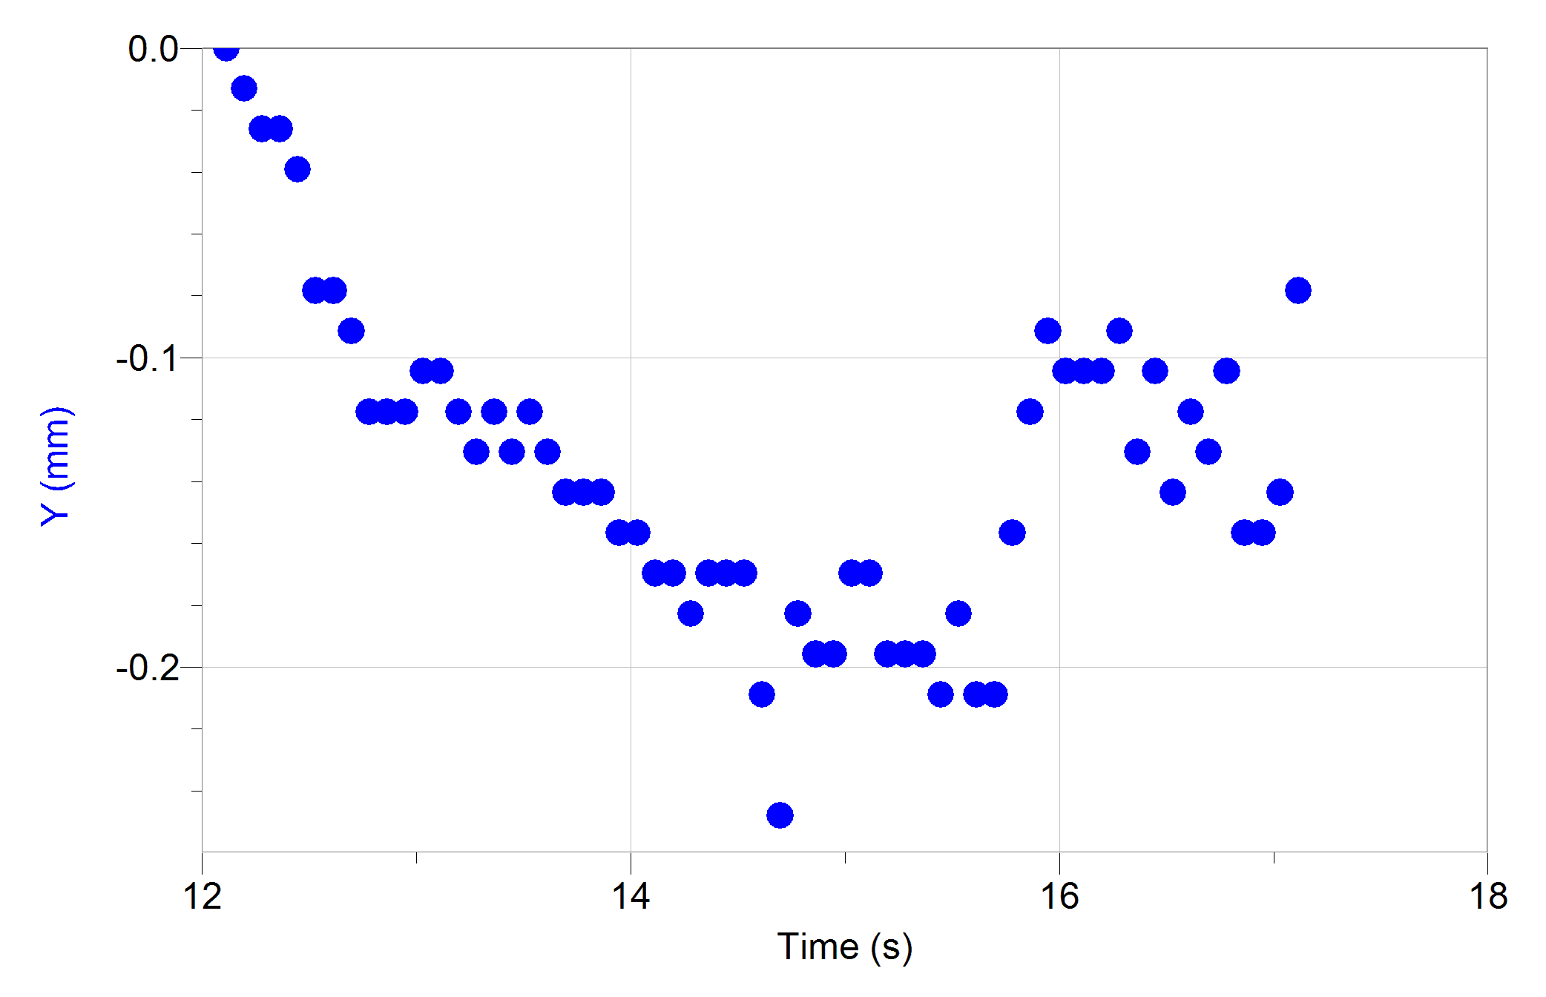
4.4881153212 | 0.0362326865 | 0.14488976502 |  |  |  |  |  |  | 13.476847678 | -0.052212303248 | -0.10872484796 |  |  |  |  |  |  | 12.614229412 | -0.078318454872 | -0.147914592 |  |  |  |  |  |  | 4.9631804527 | -0.052212303248 | -0.039160385976 |  |  |  |  |  |  | 11.614092294 | -0.026106151624 | -0.043510814721 |  |  |  |  |  |  | 17.735806581 | 0.14358383393 | 0.17838063552 |  |  |  |  |  |  | 22.161413333 | -0.039159227436 | -0.056562102178 |  |  |  |  |  |  | 20.444427934 | -0.052212303248 | -0.1261771218
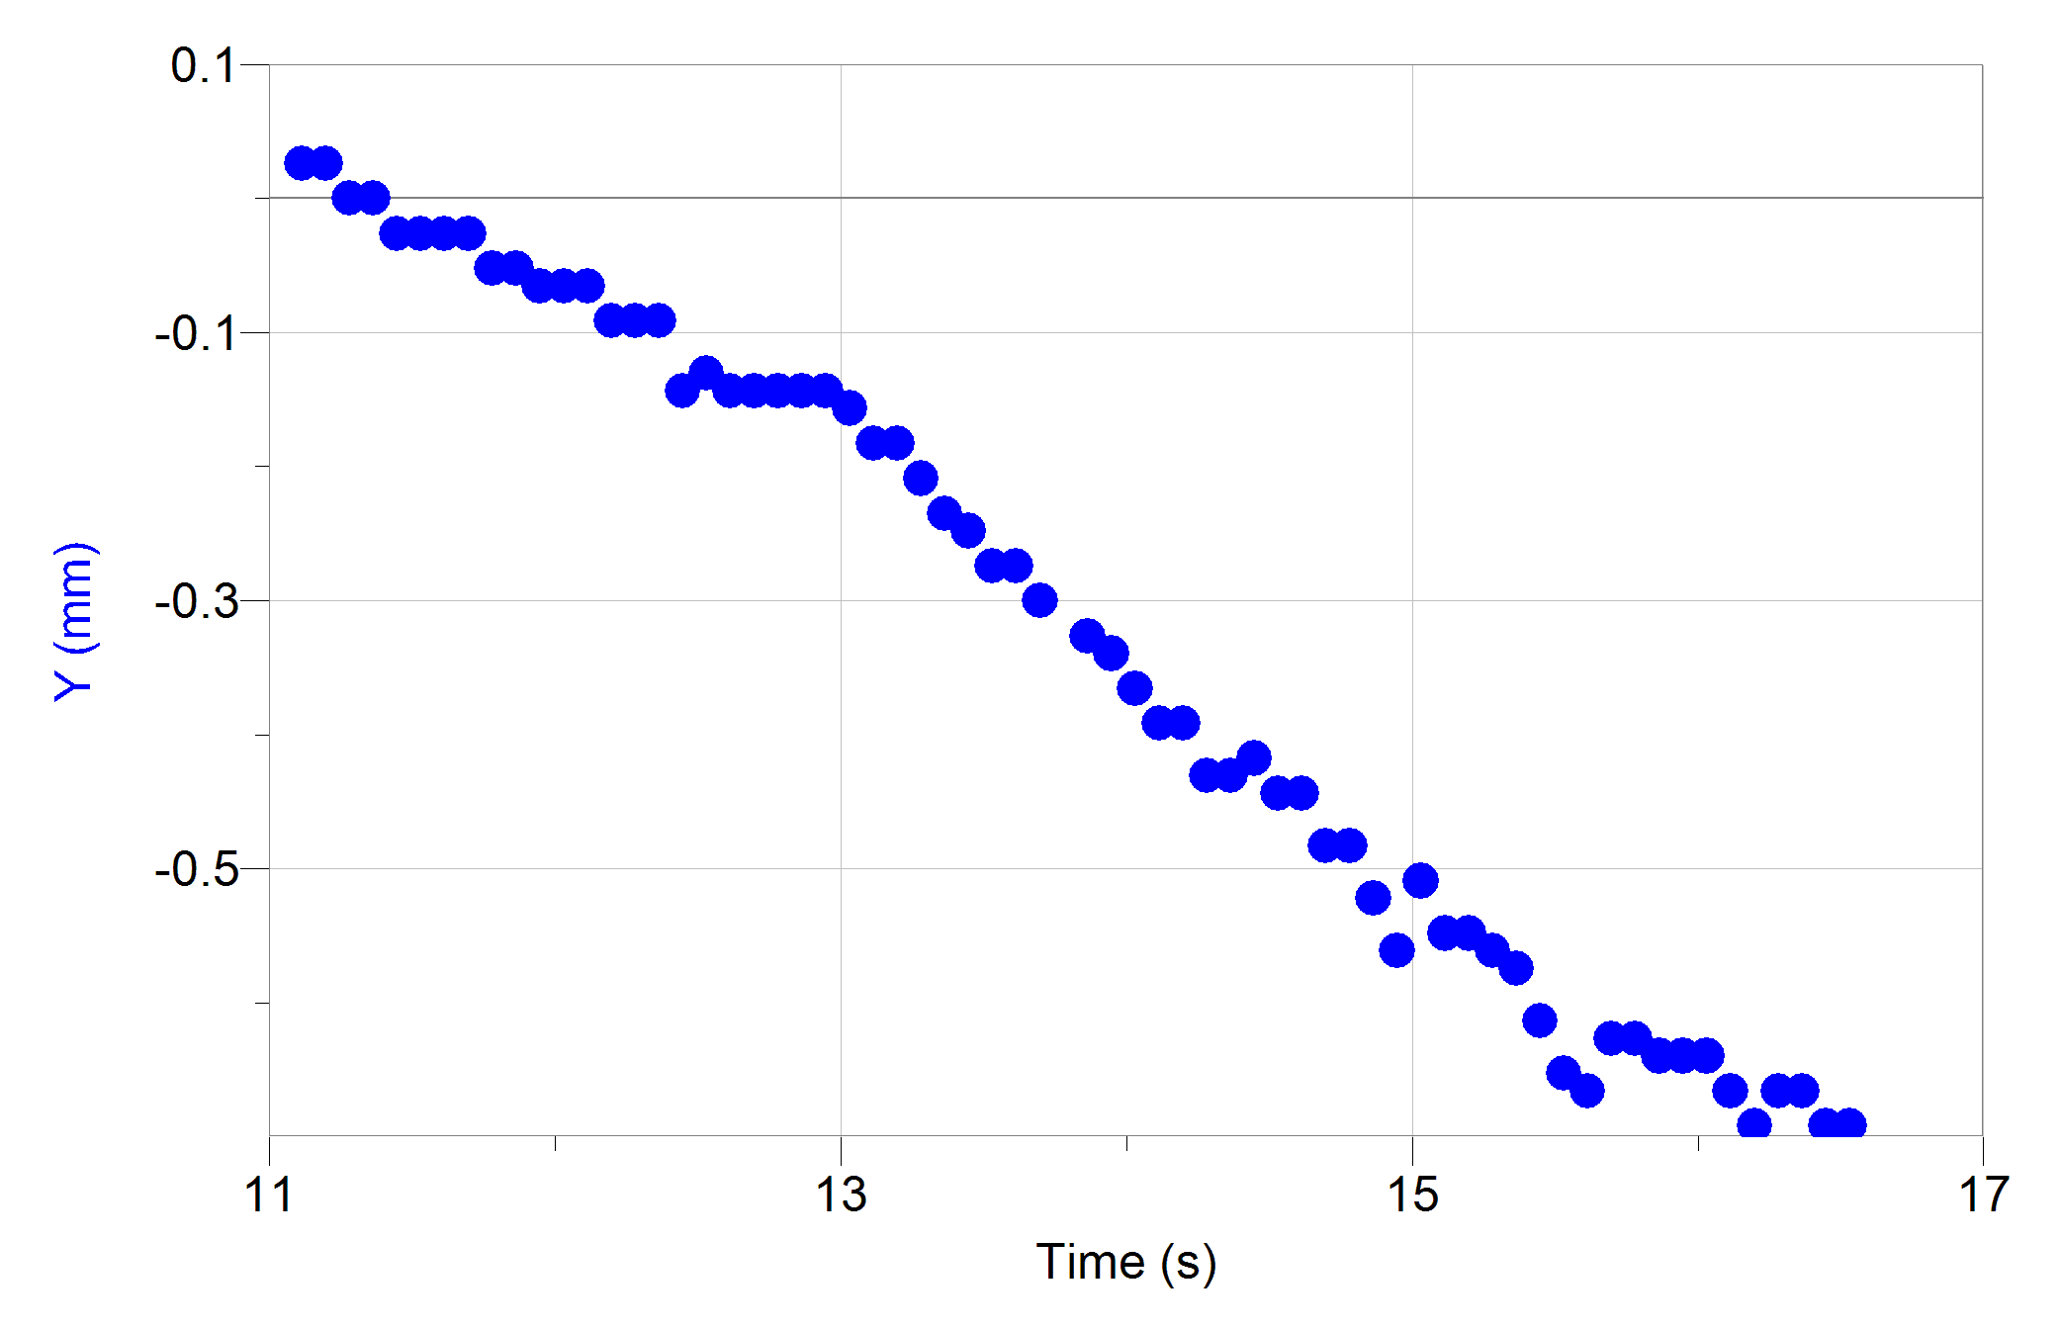
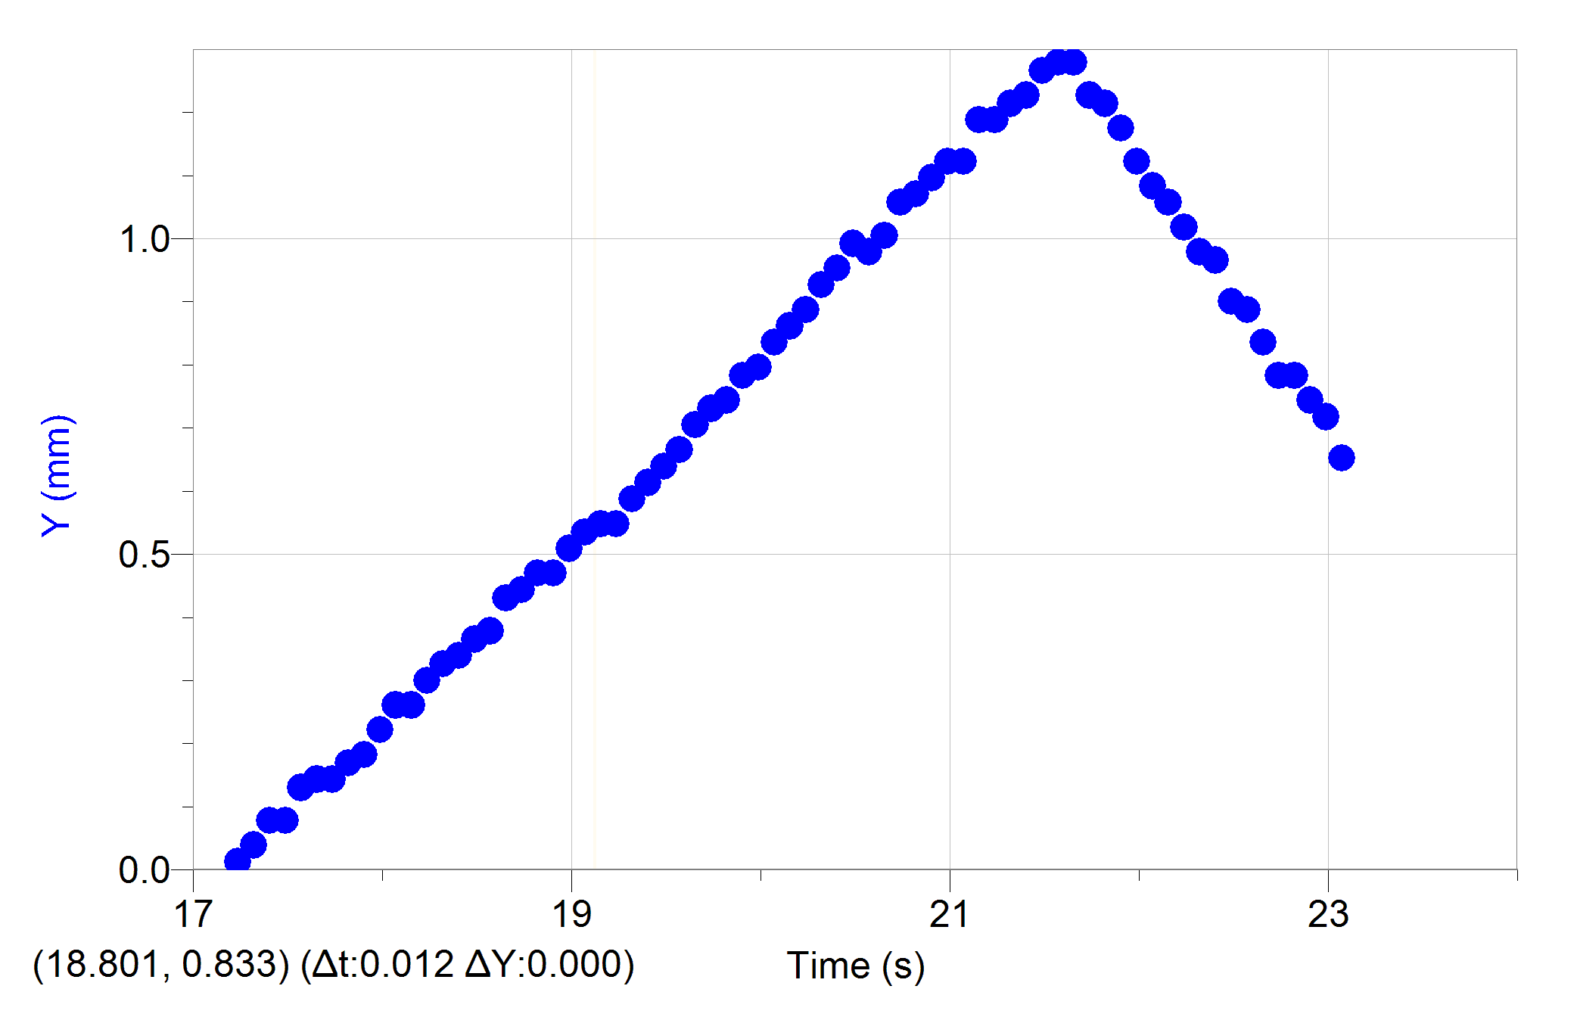
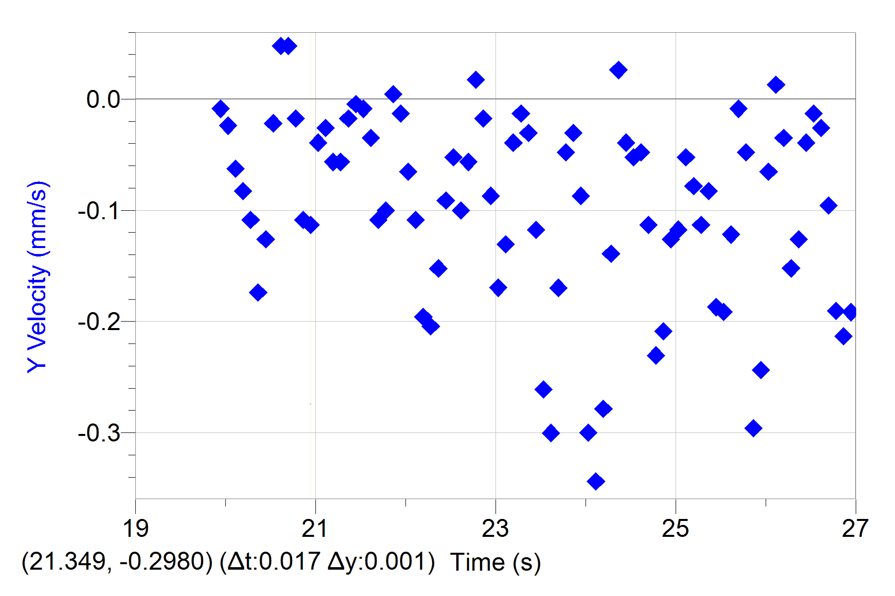
4.5715017535 | 0.048310248666 | 0.12479946521 |  |  |  |  |  |  | 13.56023411 | -0.078318454872 | -0.034800167543 |  |  |  |  |  |  | 12.697615845 | -0.091371530684 | -0.18274248639 |  |  |  |  |  |  | 5.0465668849 | -0.052212303248 | -0.026100941261 |  |  |  |  |  |  | 11.697478726 | -0.026106151624 | -0.11747789551 |  |  |  |  |  |  | 17.819067996 | 0.16968998556 | 0.23929316645 |  |  |  |  |  |  | 22.244674748 | -0.052212303248 | -0.021750512516 |  |  |  |  |  |  | 20.527814366 | -0.052212303248 | -0.02175540736
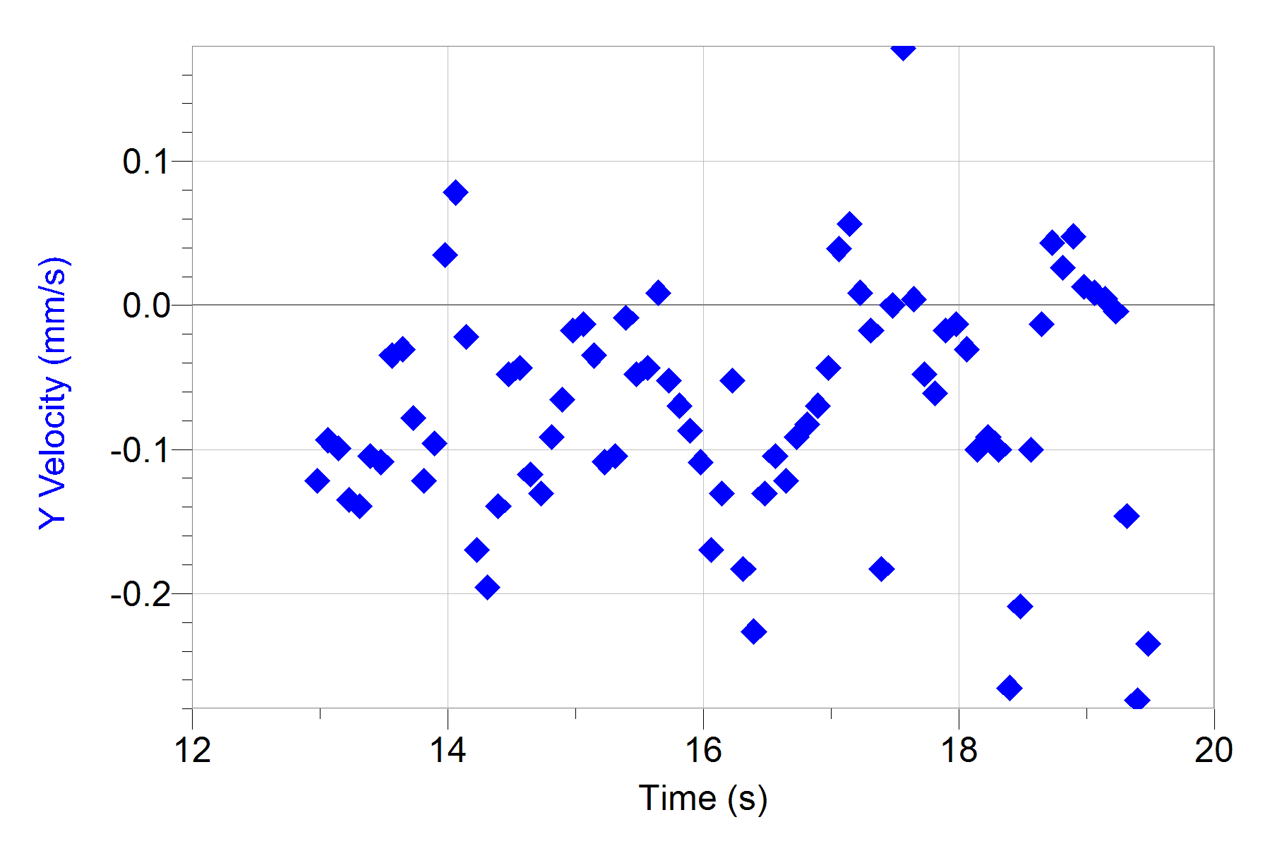
4.6547631686 | 0.060387810833 | 0.064398796568 |  |  |  |  |  |  | 13.643495525 | -0.052212303248 | -0.030451370005 |  |  |  |  |  |  | 12.78087726 | -0.11747768231 | -0.1261771218 |  |  |  |  |  |  | 5.1298283001 | -0.052212303248 | -0.06091416213 |  |  |  |  |  |  | 11.780740141 | -0.052212303248 | -0.13052755054 |  |  |  |  |  |  | 17.902454429 | 0.18274306137 | 0.31318197376 |  |  |  |  |  |  | 22.32806118 | -0.039159227436 | 0.0043504287446 |  |  |  |  |  |  | 20.611200798 | -0.052212303248 | 0.047862875896
4.7381496009 | 0.048310248666 | 0.10462768472 |  |  |  |  |  |  | 13.726881957 | -0.078318454872 | -0.078294677532 |  |  |  |  |  |  | 12.864263692 | -0.11747768231 | -0.02175540736 |  |  |  |  |  |  | 5.2132147324 | -0.06526537906 | -0.073944248787 |  |  |  |  |  |  | 11.864126573 | -0.052212303248 | -0.091349227403 |  |  |  |  |  |  | 17.985840861 | 0.2219022888 | 0.37853462781 |  |  |  |  |  |  | 22.411447612 | -0.052212303248 | 0.021748881309 |  |  |  |  |  |  | 20.694462213 | -0.039159227436 | 0.047862875896
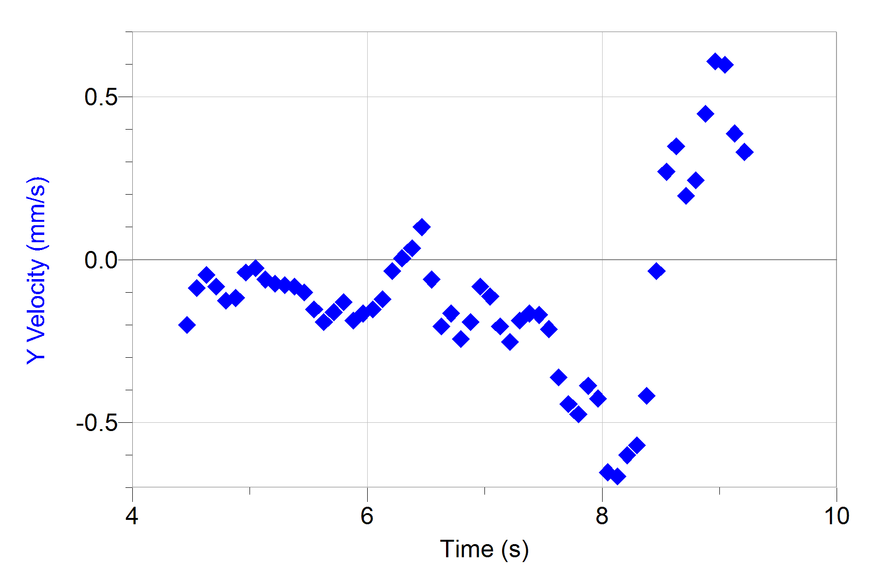
4.8215360332 | 0.084542935166 | 0.076498858487 |  |  |  |  |  |  | 13.810268389 | -0.06526537906 | -0.12182669305 |  |  |  |  |  |  | 12.947650124 | -0.11747768231 | 0.043512447151 |  |  |  |  |  |  | 5.2966011647 | -0.06526537906 | -0.078314245901 |  |  |  |  |  |  | 11.947513005 | -0.06526537906 | -0.073965448363 |  |  |  |  |  |  | 18.069102276 | 0.26106151624 | 0.28714298902 |  |  |  |  |  |  | 22.494709027 | -0.039159227436 | 0.0652776442 |  |  |  |  |  |  | 20.777848646 | -0.039159227436 | -0.017404978616
4.9047974483 | 0.072465372999 | -0.056373857235 |  |  |  |  |  |  | 13.893529805 | -0.1044246065 | -0.095727382999 |  |  |  |  |  |  | 13.03091154 | -0.1044246065 | 0.034813220869 |  |  |  |  |  |  | 5.3798625798 | -0.078318454872 | -0.082664674646 |  |  |  |  |  |  | 12.030774421 | -0.06526537906 | -0.052200251314 |  |  |  |  |  |  | 18.152488709 | 0.26106151624 | 0.27404441857 |  |  |  |  |  |  | 22.57809546 | -0.026106151624 | -0.052185577789 |  |  |  |  |  |  | 20.861235078 | -0.039159227436 | -0.10877703803
4.9881838806 | 0.060387810833 | -0.05231384236 |  |  |  |  |  |  | 13.976916237 | -0.091371530684 | 0.034783862811 |  |  |  |  |  |  | 13.114297972 | -0.1044246065 | -0.052188841427 |  |  |  |  |  |  | 5.4632490121 | -0.078318454872 | -0.10005008489 |  |  |  |  |  |  | 12.114160853 | -0.06526537906 | -0.11742896909 |  |  |  |  |  |  | 18.235875141 | 0.30022074368 | 0.32197089442 |  |  |  |  |  |  | 22.661481892 | -0.052212303248 | -0.1261771218 |  |  |  |  |  |  | 20.944496493 | -0.06526537906 | -0.11312746677
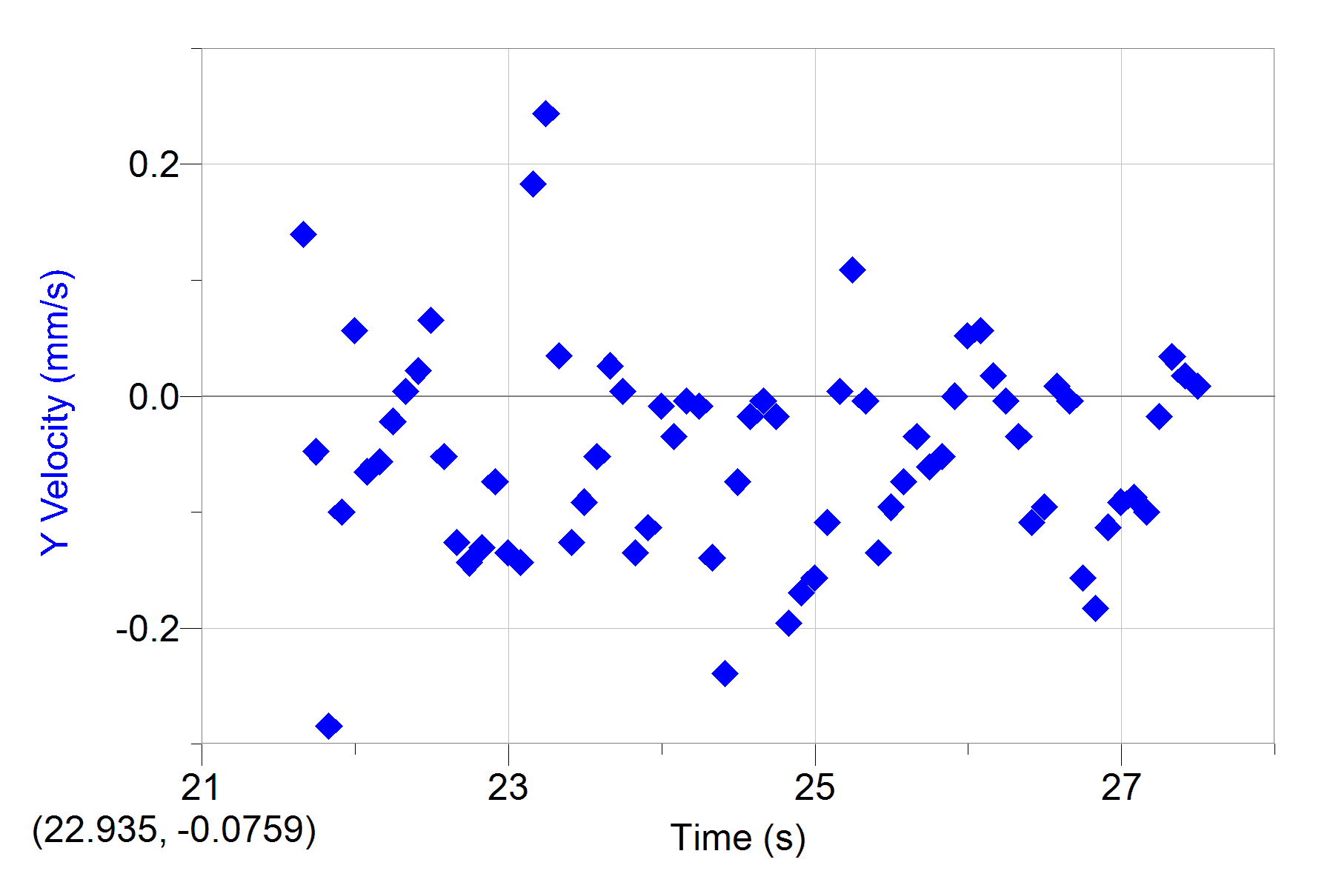
5.0715703129 | 0.060387810833 | -0.016087621348 |  |  |  |  |  |  | 14.060302669 | -0.091371530684 | 0.07832566802 |  |  |  |  |  |  | 13.197684404 | -0.11747768231 | -0.095727382999 |  |  |  |  |  |  | 5.5466354444 | -0.091371530684 | -0.15227806306 |  |  |  |  |  |  | 12.197547285 | -0.091371530684 | -0.13052918175 |  |  |  |  |  |  | 18.319136556 | 0.3263268953 | 0.26104204776 |  |  |  |  |  |  | 22.744743307 | -0.052212303248 | -0.14357720557 |  |  |  |  |  |  | 21.027882925 | -0.06526537906 | -0.039160385976
5.1548317281 | 0.072465372999 | -0.10869825677 |  |  |  |  |  |  | 14.143564084 | -0.06526537906 | -0.021750512516 |  |  |  |  |  |  | 13.280945819 | -0.13053075812 | -0.030449738798 |  |  |  |  |  |  | 5.6298968596 | -0.1044246065 | -0.19144171267 |  |  |  |  |  |  | 12.2808087 | -0.091371530684 | -0.10005007388 |  |  |  |  |  |  | 18.402522988 | 0.33937997111 | 0.25228574757 |  |  |  |  |  |  | 22.828129739 | -0.078318454872 | -0.13048025532 |  |  |  |  |  |  | 21.111269358 | -0.06526537906 | -0.026100941261
5.2382181604 | 0.0362326865 | -0.14083729891 |  |  |  |  |  |  | 14.226950517 | -0.091371530684 | -0.16961781051 |  |  |  |  |  |  | 13.364332252 | -0.11747768231 | -0.0087008574892 |  |  |  |  |  |  | 5.7132832918 | -0.13053075812 | -0.16093978381 |  |  |  |  |  |  | 12.364195133 | -0.091371530684 | -0.2218033883 |  |  |  |  |  |  | 18.485909421 | 0.36548612274 | 0.26974290525 |  |  |  |  |  |  | 22.911516172 | -0.078318454872 | -0.07395076383 |  |  |  |  |  |  | 21.194530773 | -0.06526537906 | -0.056563733385
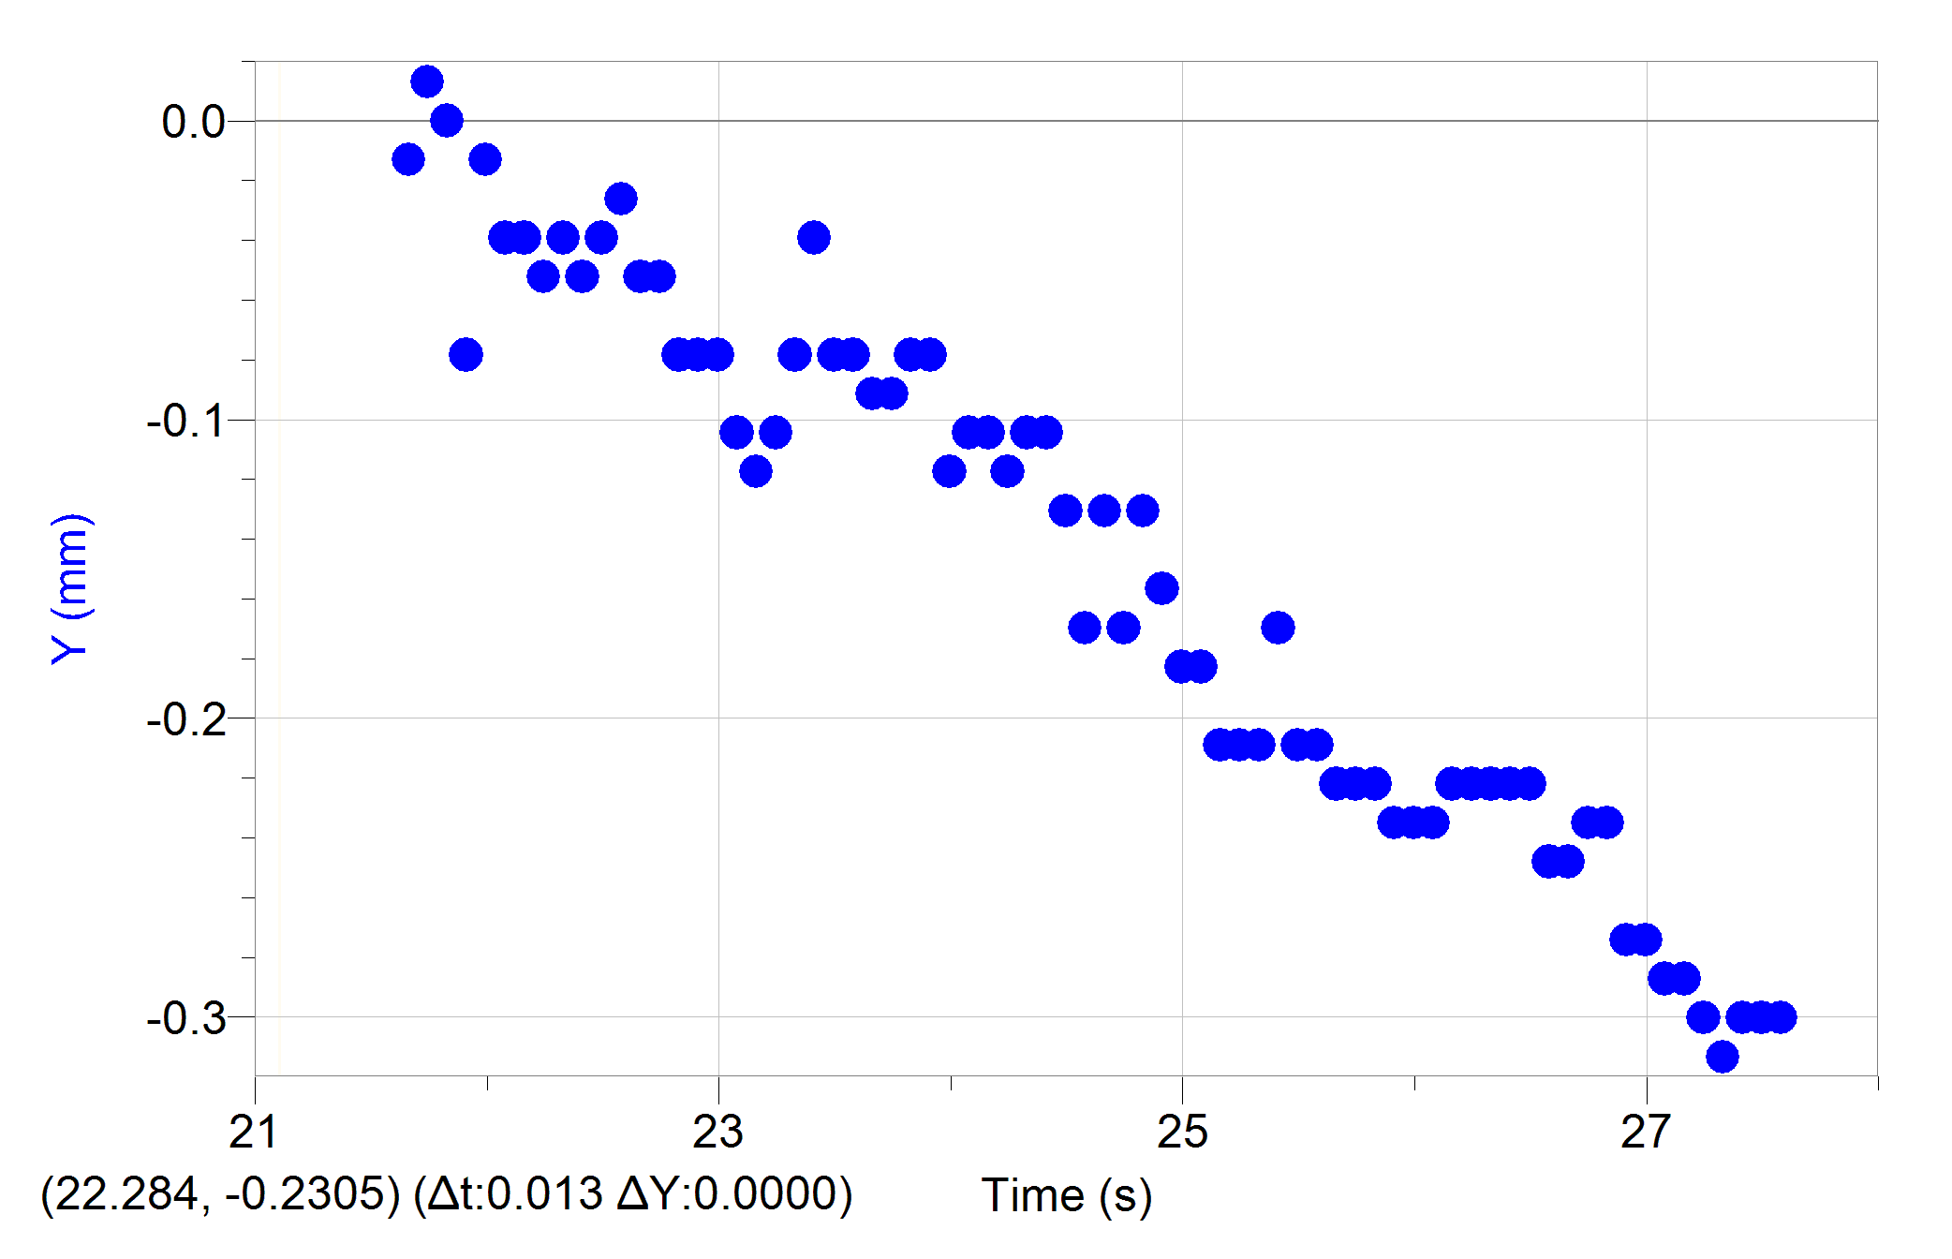
5.3216045926 | 0.0362326865 | -0.044273795316 |  |  |  |  |  |  | 14.310336949 | -0.1044246065 | -0.19579051021 |  |  |  |  |  |  | 13.447718684 | -0.13053075812 | -0.0087008574892 |  |  |  |  |  |  | 5.7966697241 | -0.13053075812 | -0.13051449721 |  |  |  |  |  |  | 12.447581565 | -0.14358383393 | -0.18709128393 |  |  |  |  |  |  | 18.569170836 | 0.37853919855 | 0.34807020447 |  |  |  |  |  |  | 22.994777587 | -0.078318454872 | -0.13487797929 |  |  |  |  |  |  | 21.277917205 | -0.078318454872 | -0.056539270171
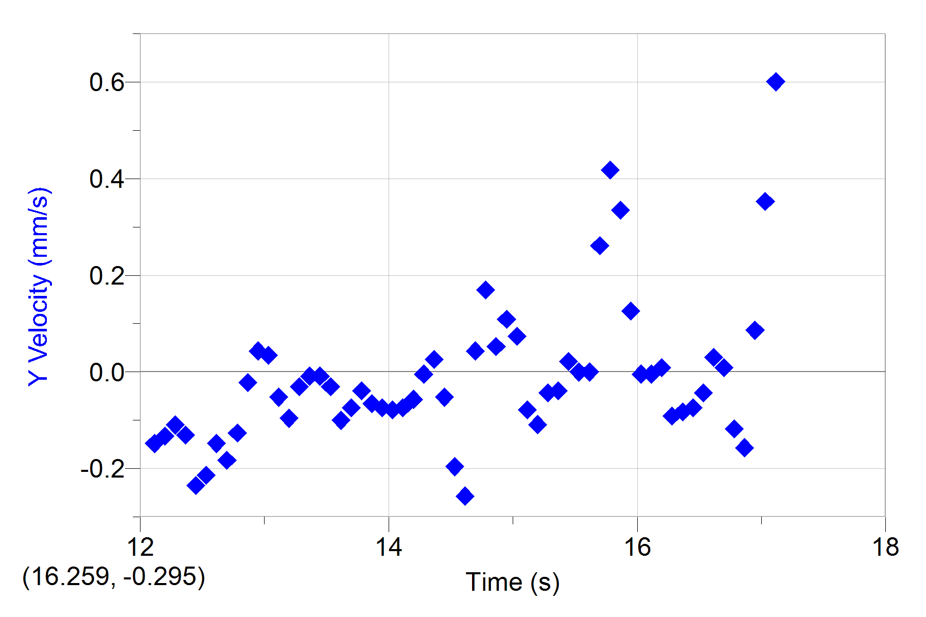
5.4048660078 | 0.0362326865 | -0.0080506042208 |  |  |  |  |  |  | 14.393598364 | -0.13053075812 | -0.13922840803 |  |  |  |  |  |  | 13.530980099 | -0.11747768231 | -0.030449738798 |  |  |  |  |  |  | 5.8799311393 | -0.14358383393 | -0.18709291513 |  |  |  |  |  |  | 12.53084298 | -0.13053075812 | -0.069600335086 |  |  |  |  |  |  | 18.652557268 | 0.4307515018 | 0.34361214419 |  |  |  |  |  |  | 23.078164019 | -0.1044246065 | -0.14351197441 |  |  |  |  |  |  | 21.361303637 | -0.078318454872 | -0.017400083771
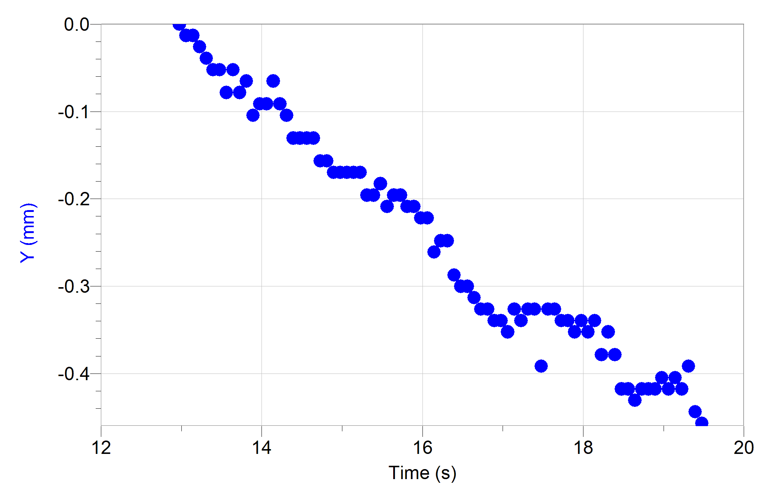
5.4882524401 | 0.0362326865 | 0.0080536239524 |  |  |  |  |  |  | 14.476984796 | -0.13053075812 | -0.047861243465 |  |  |  |  |  |  | 13.614366531 | -0.13053075812 | -0.10002399047 |  |  |  |  |  |  | 5.9633175716 | -0.16968998556 | -0.16529347619 |  |  |  |  |  |  | 12.614229412 | -0.14358383393 | -0.056536006534 |  |  |  |  |  |  | 18.7359437 | 0.44380457761 | 0.25669325022 |  |  |  |  |  |  | 23.161550451 | -0.11747768231 | 0.18273922398 |  |  |  |  |  |  | 21.444565052 | -0.078318454872 | -0.0043504287446
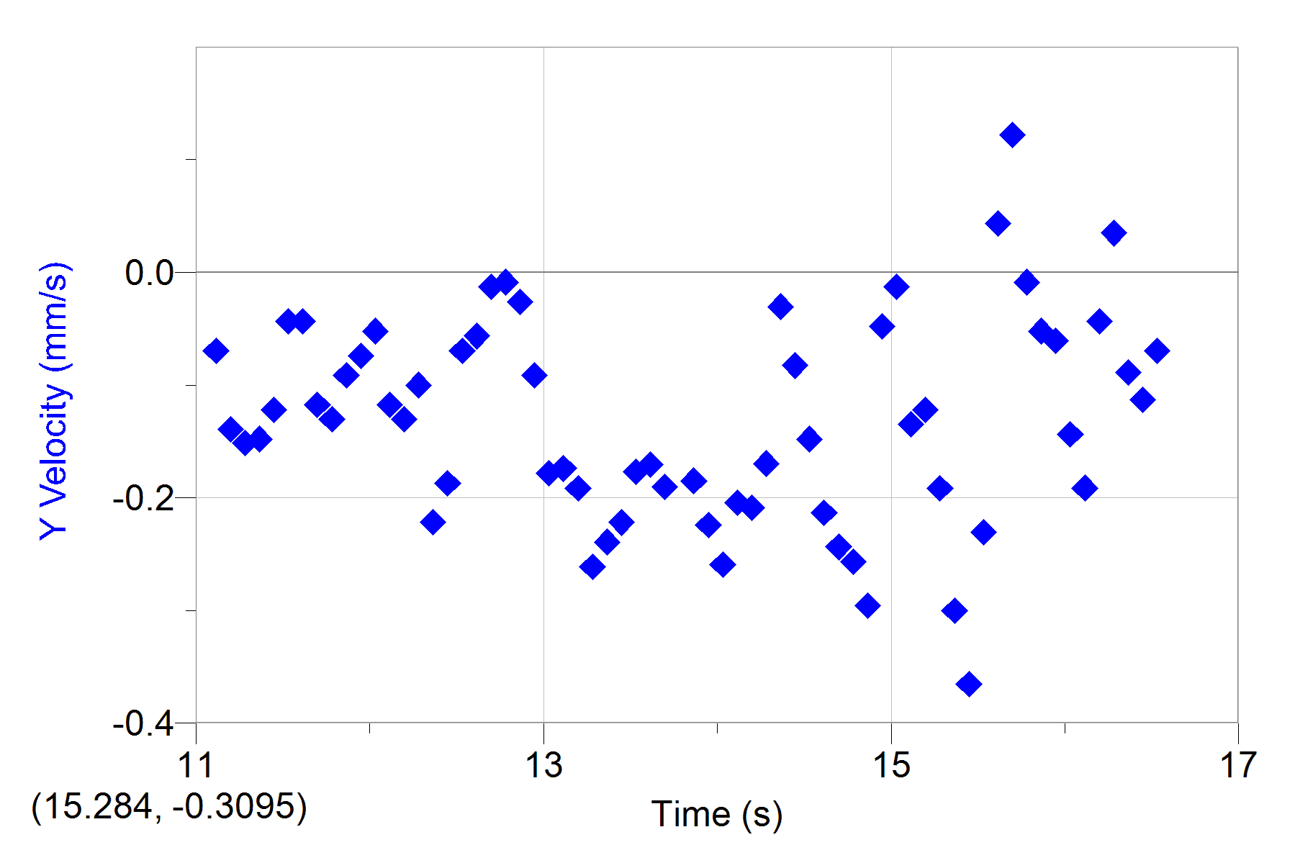
5.5716388724 | 0.0362326865 | 0.008061172715 |  |  |  |  |  |  | 14.560371229 | -0.13053075812 | -0.043501025032 |  |  |  |  |  |  | 13.697752964 | -0.14358383393 | -0.073963817156 |  |  |  |  |  |  | 6.0467040039 | -0.16968998556 | -0.15227806306 |  |  |  |  |  |  | 12.697615845 | -0.14358383393 | -0.013049655027 |  |  |  |  |  |  | 18.819205115 | 0.46991072923 | 0.20883037432 |  |  |  |  |  |  | 23.244811867 | -0.1044246065 | 0.24353596488 |  |  |  |  |  |  | 21.527951485 | -0.078318454872 | -0.0087008574892
5.6549002875 | 0.048310248666 | -0.084534366315 |  |  |  |  |  |  | 14.643632644 | -0.13053075812 | -0.11747789551 |  |  |  |  |  |  | 13.781014379 | -0.14358383393 | -0.039150596287 |  |  |  |  |  |  | 6.129965419 | -0.19579613718 | -0.12182832426 |  |  |  |  |  |  | 12.78087726 | -0.14358383393 | -0.0087008574892 |  |  |  |  |  |  | 18.902591548 | 0.46991072923 | 0.24793858247 |  |  |  |  |  |  | 23.328198299 | -0.078318454872 | 0.034800167543 |  |  |  |  |  |  | 21.611337917 | -0.078318454872 | -0.034800167543
5.7382867198 | 0.024155124333 | -0.18507337304 |  |  |  |  |  |  | 14.727019076 | -0.15663690974 | -0.13048351896 |  |  |  |  |  |  | 13.864400811 | -0.14358383393 | -0.06524012766 |  |  |  |  |  |  | 6.2133518513 | -0.19579613718 | -0.034809957232 |  |  |  |  |  |  | 12.864263692 | -0.14358383393 | -0.026105836105 |  |  |  |  |  |  | 18.98597798 | 0.50906995667 | 0.30891960819 |  |  |  |  |  |  | 23.411584731 | -0.039159227436 | -0.12619017512 |  |  |  |  |  |  | 21.694599332 | -0.078318454872 | -0.10877703803
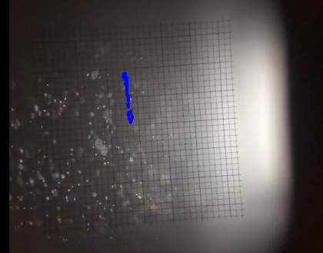
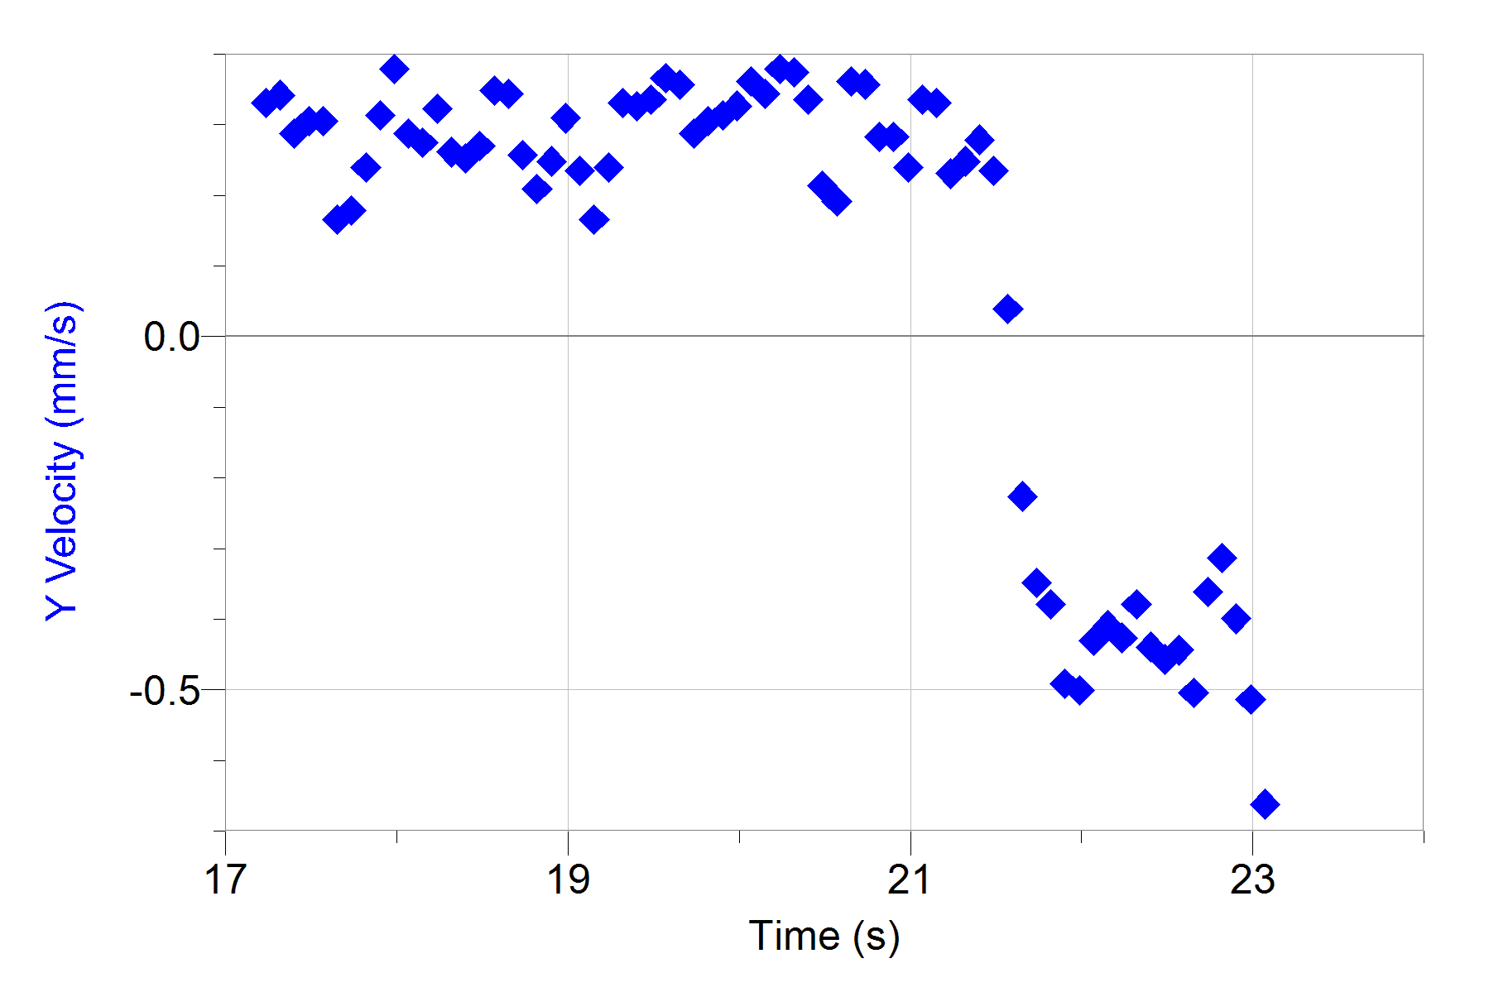
5.8216731521 | -0.012077562166 | 0.0080626820146 |  |  |  |  |  |  | 14.810405508 | -0.15663690974 | -0.091363900928 |  |  |  |  |  |  | 13.947787243 | -0.15663690974 | -0.073963817156 |  |  |  |  |  |  | 6.2967382836 | -0.19579613718 | 0.0043504287446 |  |  |  |  |  |  | 12.947650124 | -0.14358383393 | -0.091363900928 |  |  |  |  |  |  | 19.069239395 | 0.53517610829 | 0.2349427377 |  |  |  |  |  |  | 23.494846146 | -0.078318454872 | -0.09135249104 |  |  |  |  |  |  | 21.777985765 | -0.1044246065 | -0.10002399047
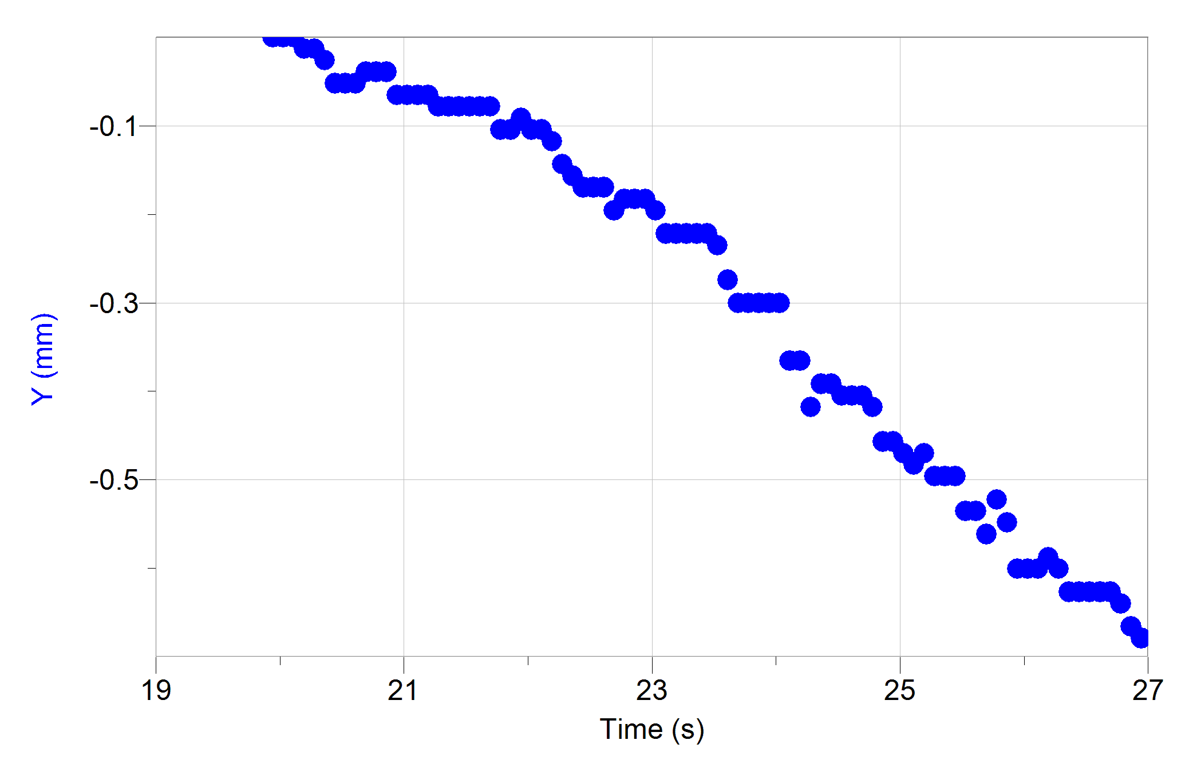
5.9049345673 | 0.0362326865 | 0.096634428234 |  |  |  |  |  |  | 14.893666924 | -0.16968998556 | -0.065264590874 |  |  |  |  |  |  | 14.031048658 | -0.15663690974 | -0.078314245901 |  |  |  |  |  |  | 6.3799996987 | -0.19579613718 | 0.034798536336 |  |  |  |  |  |  | 13.03091154 | -0.15663690974 | -0.17839205764 |  |  |  |  |  |  | 19.152625827 | 0.54822918411 | 0.16531630697 |  |  |  |  |  |  | 23.578232579 | -0.078318454872 | -0.052214935847 |  |  |  |  |  |  | 21.861372197 | -0.1044246065 | 0.0043634820707
5.9883209996 | 0.024155124333 | -0.016077064172 |  |  |  |  |  |  | 14.977053356 | -0.16968998556 | -0.017404978616 |  |  |  |  |  |  | 14.114435091 | -0.16968998556 | -0.073944248787 |  |  |  |  |  |  | 6.463386131 | -0.19579613718 | 0.09999789605 |  |  |  |  |  |  | 13.114297972 | -0.18274306137 | -0.17399433368 |  |  |  |  |  |  | 19.23601226 | 0.54822918411 | 0.23929316645 |  |  |  |  |  |  | 23.661619011 | -0.091371530684 | 0.02611236338 |  |  |  |  |  |  | 21.944633612 | -0.091371530684 | -0.013051286234
6.0717074319 | 0.024155124333 | -0.052334968031 |  |  |  |  |  |  | 15.060439788 | -0.16968998556 | -0.013051286234 |  |  |  |  |  |  | 14.197821523 | -0.16968998556 | -0.056563733385 |  |  |  |  |  |  | 6.5467725633 | -0.15663690974 | -0.06091416213 |  |  |  |  |  |  | 13.197684404 | -0.18274306137 | -0.19142865935 |  |  |  |  |  |  | 19.319273675 | 0.58738841154 | 0.3306701207 |  |  |  |  |  |  | 23.744880426 | -0.091371530684 | 0.0043243343239 |  |  |  |  |  |  | 22.028020044 | -0.1044246065 | -0.06524012766
6.154968847 | 0.012077562166 | -0.060387081551 |  |  |  |  |  |  | 15.143701203 | -0.16968998556 | -0.034800167543 |  |  |  |  |  |  | 14.281082938 | -0.18274306137 | -0.0043504287446 |  |  |  |  |  |  | 6.6300339785 | -0.20884921299 | -0.20450605223 |  |  |  |  |  |  | 13.280945819 | -0.20884921299 | -0.26105673229 |  |  |  |  |  |  | 19.402660107 | 0.61349456317 | 0.32623326 |  |  |  |  |  |  | 23.828266858 | -0.078318454872 | -0.13489103261 |  |  |  |  |  |  | 22.111406477 | -0.1044246065 | -0.1087639847
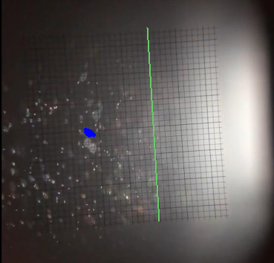
6.2383552793 | 0.012077562166 | -0.040259060567 |  |  |  |  |  |  | 15.227087636 | -0.16968998556 | -0.1087281116 |  |  |  |  |  |  | 14.364469371 | -0.16968998556 | 0.026083005322 |  |  |  |  |  |  | 6.7134204108 | -0.20884921299 | -0.16532283425 |  |  |  |  |  |  | 13.364332252 | -0.23495536462 | -0.23923772498 |  |  |  |  |  |  | 19.486046539 | 0.63960071479 | 0.33500749612 |  |  |  |  |  |  | 23.911653291 | -0.078318454872 | -0.11312746677 |  |  |  |  |  |  | 22.194667892 | -0.11747768231 | -0.19579214142
6.3217417116 | 0.012077562166 | -0.080510573504 |  |  |  |  |  |  | 15.310474068 | -0.19579613718 | -0.10442824049 |  |  |  |  |  |  | 14.447855803 | -0.16968998556 | -0.052201882521 |  |  |  |  |  |  | 6.7968068431 | -0.2219022888 | -0.24365664852 |  |  |  |  |  |  | 13.447718684 | -0.24800844043 | -0.22189308268 |  |  |  |  |  |  | 19.569307955 | 0.66570686641 | 0.36547028824 |  |  |  |  |  |  | 23.994914706 | -0.11747768231 | -0.0087302155473 |  |  |  |  |  |  | 22.278054324 | -0.14358383393 | -0.20442776774
6.4050031267 | 0 | -0.12481003371 |  |  |  |  |  |  | 15.393735483 | -0.19579613718 | -0.0086861729561 |  |  |  |  |  |  | 14.531117218 | -0.16968998556 | -0.195788879 |  |  |  |  |  |  | 6.8800682582 | -0.26106151624 | -0.19144171267 |  |  |  |  |  |  | 13.530980099 | -0.27411459205 | -0.17713362767 |  |  |  |  |  |  | 19.652694387 | 0.70486609385 | 0.35666343043 |  |  |  |  |  |  | 24.078301138 | -0.1044246065 | -0.034814852076 |  |  |  |  |  |  | 22.361440756 | -0.15663690974 | -0.15227806306
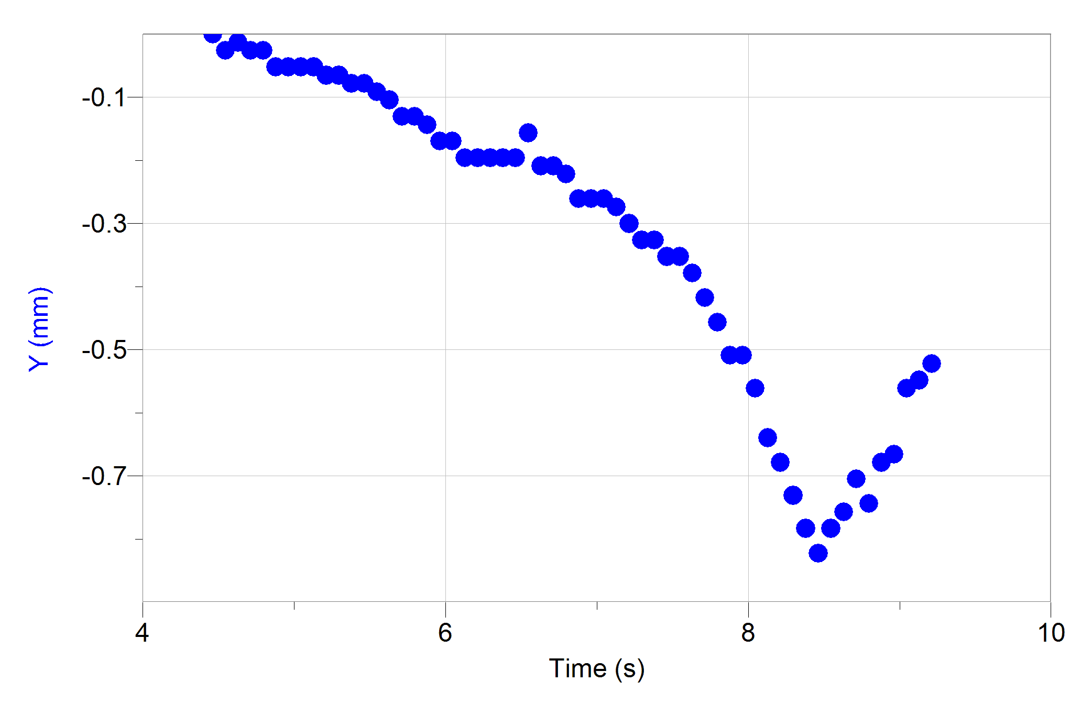
6.488389559 | -0.024155124333 | -0.0080536239524 |  |  |  |  |  |  | 15.477121915 | -0.18274306137 | -0.047835149045 |  |  |  |  |  |  | 14.61450365 | -0.20884921299 | -0.25656115669 |  |  |  |  |  |  | 6.9634546905 | -0.26106151624 | -0.082671200697 |  |  |  |  |  |  | 13.614366531 | -0.27411459205 | -0.170750403 |  |  |  |  |  |  | 19.736080819 | 0.73097224547 | 0.28714298902 |  |  |  |  |  |  | 24.16168757 | -0.1044246065 | -0.0043504287446 |  |  |  |  |  |  | 22.444702172 | -0.16968998556 | -0.091365532135
Millikan Data Summary DataSet 1
Three data columns
Time in seconds
Y position in mm
Y velocity in mm/s
For each droplet the positive and negative velocities are seperated and averaged. THe positive velocities are the rise time and the negative velocities are the fall time.
In addition, standard deviatiosn of the mean were calcualted to make standard errors for use in the jupyter
6.5717759913 | 0 | 0.10567984628 |  |  |  |  |  |  | 15.560508348 | -0.20884921299 | -0.043514078358 |  |  |  |  |  |  | 14.697890083 | -0.24800844043 | 0.043527131684 |  |  |  |  |  |  | 7.0468411228 | -0.26106151624 | -0.11311604465 |  |  |  |  |  |  | 13.697752964 | -0.30022074368 | -0.19017024121 |  |  |  |  |  |  | 19.819342234 | 0.74402532129 | 0.30455775732 |  |  |  |  |  |  | 24.244948985 | -0.11747768231 | -0.0087269519099 |  |  |  |  |  |  | 22.528088604 | -0.16968998556 | -0.052214935847
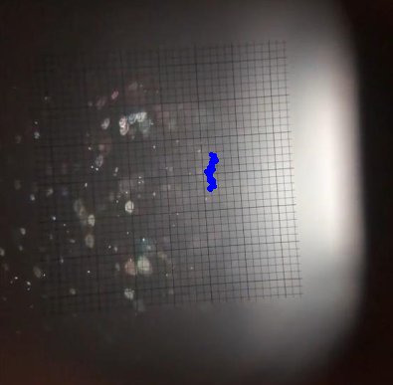
6.6550374065 | 0 | 0.13285157873 |  |  |  |  |  |  | 15.643769763 | -0.19579613718 | 0.0087139108153 |  |  |  |  |  |  | 14.781151498 | -0.18274306137 | 0.16970425348 |  |  |  |  |  |  | 7.130102538 | -0.27411459205 | -0.2044913677 |  |  |  |  |  |  | 13.864400811 | -0.3263268953 | -0.18496028307 |  |  |  |  |  |  | 19.902728667 | 0.78318454872 | 0.31317871013 |  |  |  |  |  |  | 24.328335418 | -0.1044246065 | -0.13922677682 |  |  |  |  |  |  | 22.611475036 | -0.16968998556 | -0.10007781174
6.7384238388 | 0.024155124333 | 0.12578295604 |  |  |  |  |  |  | 15.727156195 | -0.19579613718 | -0.052185577789 |  |  |  |  |  |  | 14.86453793 | -0.19579613718 | 0.052244293905 |  |  |  |  |  |  | 7.2134889702 | -0.30022074368 | -0.25226291679 |  |  |  |  |  |  | 13.947787243 | -0.33937997111 | -0.22414351451 |  |  |  |  |  |  | 19.986115099 | 0.79623762454 | 0.32630663863 |  |  |  |  |  |  | 24.41172185 | -0.1044246065 | -0.2393192731 |  |  |  |  |  |  | 22.694736451 | -0.19579613718 | -0.056563733385
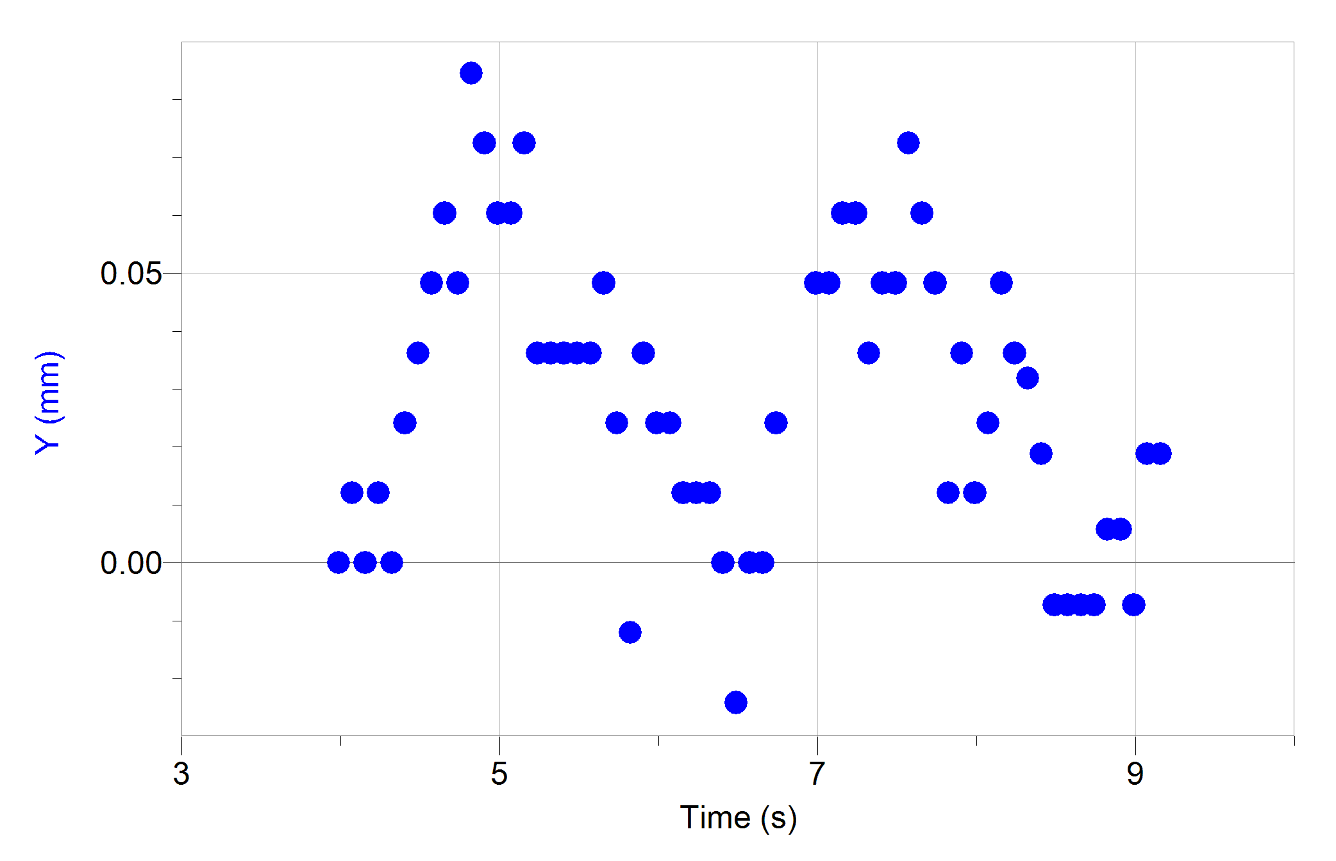
6.9884581185 | 0.048310248666 | 0.091572038602 |  |  |  |  |  |  | 15.810542627 | -0.20884921299 | -0.069613388412 |  |  |  |  |  |  | 14.947924362 | -0.19579613718 | 0.10877866923 |  |  |  |  |  |  | 7.2968754025 | -0.3263268953 | -0.1870782306 |  |  |  |  |  |  | 14.031048658 | -0.36548612274 | -0.25919759064 |  |  |  |  |  |  | 20.069376514 | 0.83539685197 | 0.36112149071 |  |  |  |  |  |  | 24.494983265 | -0.13053075812 | -0.073973606845 |  |  |  |  |  |  | 22.778122884 | -0.18274306137 | 0.017378884195
7.0718445508 | 0.048310248666 | 0.069444388625 |  |  |  |  |  |  | 15.893804042 | -0.20884921299 | -0.08701510339 |  |  |  |  |  |  | 15.031185777 | -0.16968998556 | 0.073976870483 |  |  |  |  |  |  | 7.3801368177 | -0.3263268953 | -0.16532934929 |  |  |  |  |  |  | 14.114435091 | -0.39159227436 | -0.20445386217 |  |  |  |  |  |  | 20.152762946 | 0.8615030036 | 0.34363823861 |  |  |  |  |  |  | 24.578369698 | -0.16968998556 | -0.017401714978 |  |  |  |  |  |  | 22.861509316 | -0.18274306137 | -0.017401714978
7.1551059659 | 0.060387810833 | 0.030200711718 |  |  |  |  |  |  | 15.977190475 | -0.2219022888 | -0.10875420602 |  |  |  |  |  |  | 15.11457221 | -0.16968998556 | -0.078268583111 |  |  |  |  |  |  | 7.46352325 | -0.35243304693 | -0.1696406413 |  |  |  |  |  |  | 14.197821523 | -0.39159227436 | -0.20884179644 |  |  |  |  |  |  | 20.236149379 | 0.88760915522 | 0.37852157448 |  |  |  |  |  |  | 24.66175613 | -0.13053075812 | -0.0043520599515 |  |  |  |  |  |  | 22.944770731 | -0.18274306137 | -0.087013472183
7.2384923982 | 0.060387810833 | -0.072419228373 |  |  |  |  |  |  | 16.060576907 | -0.2219022888 | -0.16969120015 |  |  |  |  |  |  | 15.197958642 | -0.19579613718 | -0.10877703803 |  |  |  |  |  |  | 7.5469096823 | -0.35243304693 | -0.21317917186 |  |  |  |  |  |  | 14.281082938 | -0.4307515018 | -0.16969283136 |  |  |  |  |  |  | 20.319410794 | 0.92676838266 | 0.37416951453 |  |  |  |  |  |  | 24.745017545 | -0.16968998556 | -0.017434336674 |  |  |  |  |  |  | 23.028157163 | -0.19579613718 | -0.16961781051
7.3218788305 | 0.0362326865 | -0.040260570999 |  |  |  |  |  |  | 16.143838322 | -0.26106151624 | -0.13052918175 |  |  |  |  |  |  | 15.281220057 | -0.19579613718 | -0.043499393825 |  |  |  |  |  |  | 7.6301710974 | -0.37853919855 | -0.36112149071 |  |  |  |  |  |  | 14.364469371 | -0.4307515018 | -0.030485622908 |  |  |  |  |  |  | 20.402797226 | 0.95287453428 | 0.33490802307 |  |  |  |  |  |  | 24.828403977 | -0.13053075812 | -0.19580682595 |  |  |  |  |  |  | 23.111543595 | -0.2219022888 | -0.13052755054
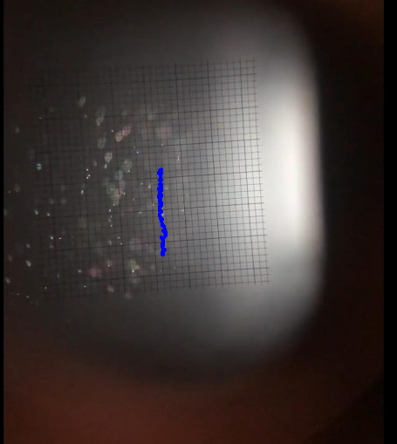
7.4051402457 | 0.048310248666 | 0.04831117522 |  |  |  |  |  |  | 16.227224754 | -0.24800844043 | -0.052241030268 |  |  |  |  |  |  | 15.364606489 | -0.19579613718 | -0.039131027918 |  |  |  |  |  |  | 7.7135575297 | -0.41769842599 | -0.44366549272 |  |  |  |  |  |  | 14.447855803 | -0.41769842599 | -0.082666305852 |  |  |  |  |  |  | 20.486183658 | 0.99203376172 | 0.21318080307 |  |  |  |  |  |  | 24.91179041 | -0.15663690974 | -0.16967651562 |  |  |  |  |  |  | 23.194805011 | -0.2219022888 | -0.039150596287
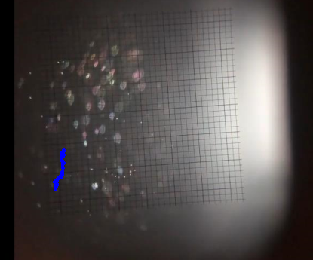
7.4885266779 | 0.048310248666 | 0.092551778388 |  |  |  |  |  |  | 16.310611187 | -0.24800844043 | -0.18274248639 |  |  |  |  |  |  | 15.447992922 | -0.20884921299 | 0.021763565842 |  |  |  |  |  |  | 7.796943962 | -0.45685765342 | -0.47424895748 |  |  |  |  |  |  | 14.531117218 | -0.44380457761 | -0.14792763431 |  |  |  |  |  |  | 20.569445073 | 0.9789806859 | 0.19141560602 |  |  |  |  |  |  | 24.995051825 | -0.18274306137 | -0.15658935506 |  |  |  |  |  |  | 23.278191443 | -0.2219022888 | -0.013051286234
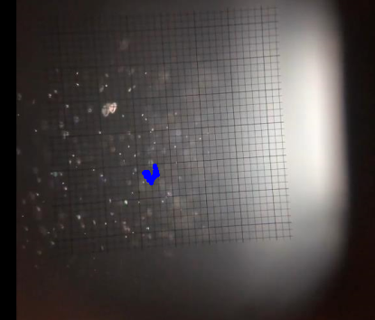
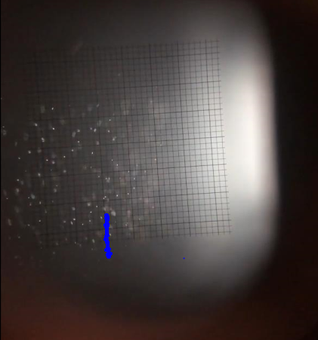
7.5719131102 | 0.072465372999 | 0.028186173967 |  |  |  |  |  |  | 16.393872602 | -0.28716766786 | -0.22625493354 |  |  |  |  |  |  | 15.531254337 | -0.18274306137 | 1.63E-06 |  |  |  |  |  |  | 7.8802053771 | -0.50906995667 | -0.38720937864 |  |  |  |  |  |  | 14.61450365 | -0.44380457761 | -0.21312862523 |  |  |  |  |  |  | 20.652831506 | 1.0050868375 | 0.36098776475 |  |  |  |  |  |  | 25.078438257 | -0.18274306137 | -0.12529889771 |  |  |  |  |  |  | 23.361577875 | -0.2219022888 | -0.030451370005
7.6551745254 | 0.060387810833 | -0.11272204958 |  |  |  |  |  |  | 16.477259034 | -0.30022074368 | -0.13050961338 |  |  |  |  |  |  | 15.614640769 | -0.20884921299 | 5.22E-05 |  |  |  |  |  |  | 7.9635918094 | -0.50906995667 | -0.42630943931 |  |  |  |  |  |  | 14.697890083 | -0.48296380505 | -0.24364359519 |  |  |  |  |  |  | 20.736217938 | 1.0572991408 | 0.35676943076 |  |  |  |  |  |  | 25.161824689 | -0.20884921299 | 0.0043487975377 |  |  |  |  |  |  | 23.44483929 | -0.2219022888 | -0.11746484219
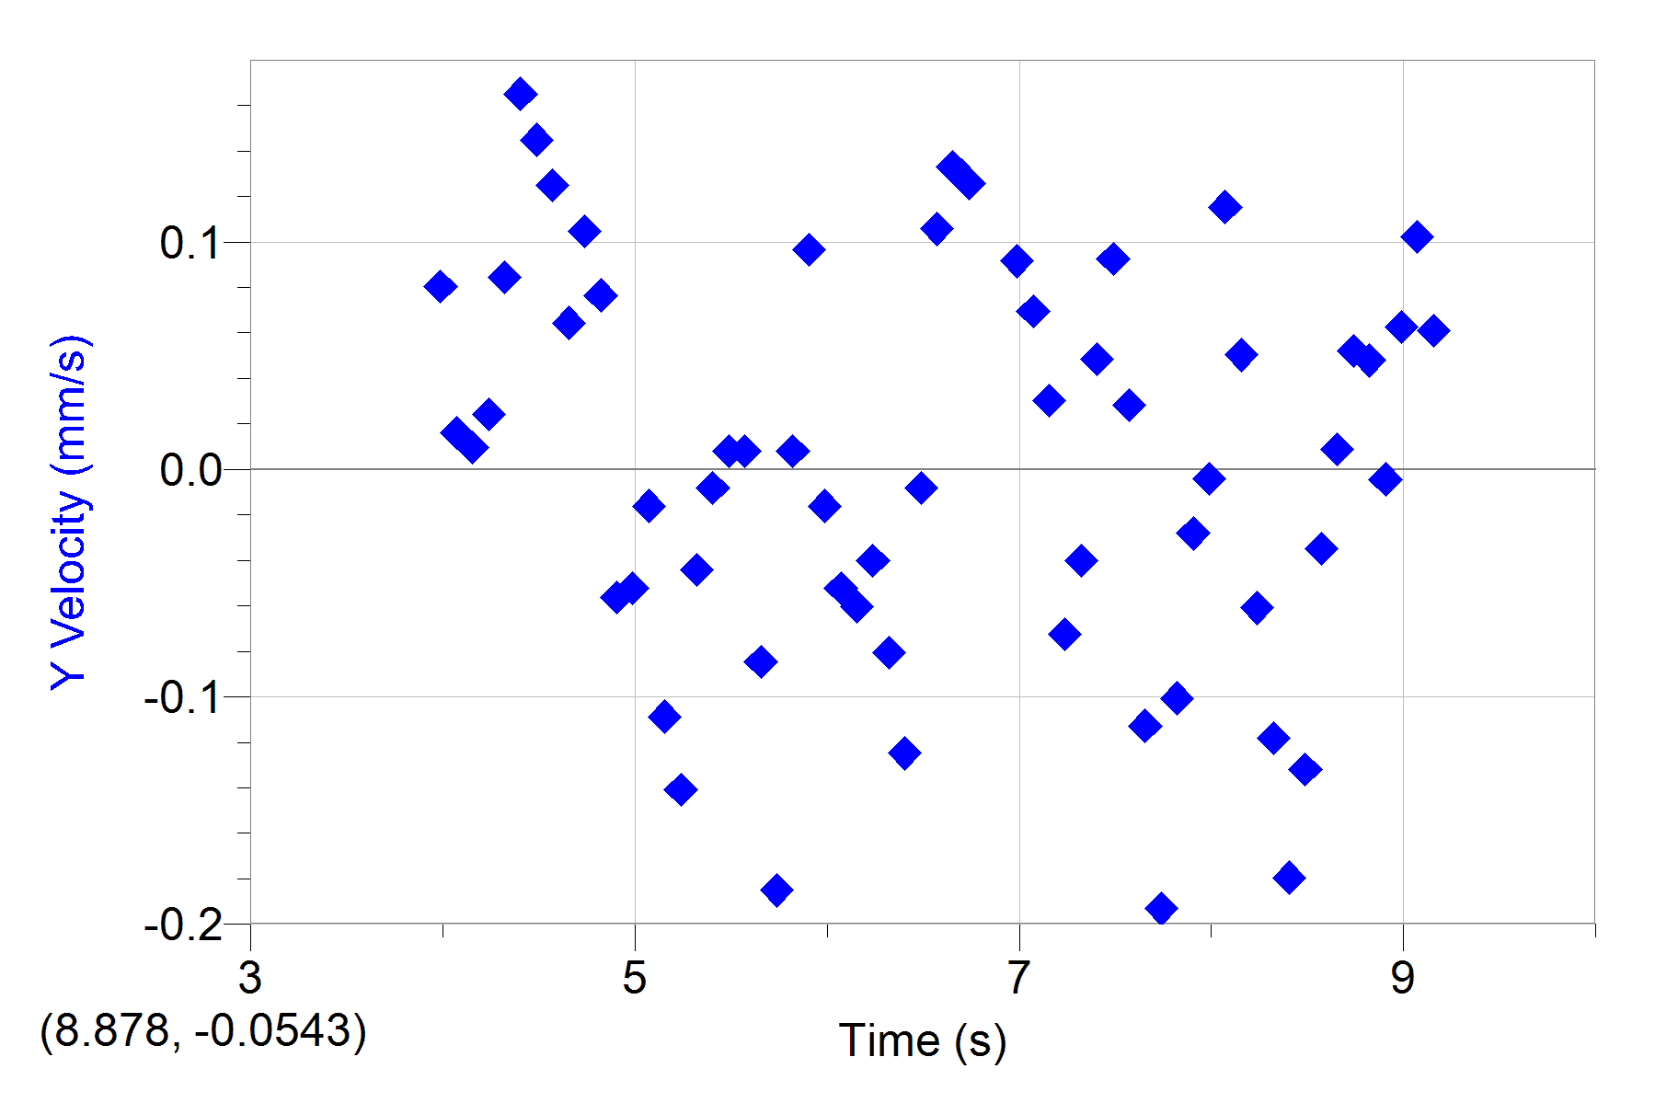
7.7385609577 | 0.048310248666 | -0.19315114127 |  |  |  |  |  |  | 16.560645467 | -0.30022074368 | -0.10441518716 |  |  |  |  |  |  | 15.698027202 | -0.20884921299 | 0.26105673229 |  |  |  |  |  |  | 8.0469782417 | -0.56128225992 | -0.65264101512 |  |  |  |  |  |  | 14.781151498 | -0.48296380505 | -0.25668998781 |  |  |  |  |  |  | 20.819479353 | 1.0703522166 | 0.28279256027 |  |  |  |  |  |  | 25.245086105 | -0.20884921299 | 0.10870201718 |  |  |  |  |  |  | 23.528225723 | -0.23495536462 | -0.26096703792
7.82194739 | 0.012077562166 | -0.10063557476 |  |  |  |  |  |  | 16.643906882 | -0.31327381949 | -0.12182832426 |  |  |  |  |  |  | 15.781288617 | -0.15663690974 | 0.41769501501 |  |  |  |  |  |  | 8.1302396569 | -0.63960071479 | -0.66567598561 |  |  |  |  |  |  | 14.86453793 | -0.52212303248 | -0.29571827903 |  |  |  |  |  |  | 20.902865786 | 1.0964583682 | 0.282715918 |  |  |  |  |  |  | 25.328472537 | -0.20884921299 | -0.0043504287446 |  |  |  |  |  |  | 23.611612155 | -0.27411459205 | -0.3002187507
7.9052088051 | 0.0362326865 | -0.028174096174 |  |  |  |  |  |  | 16.727293314 | -0.3263268953 | -0.091349227403 |  |  |  |  |  |  | 15.864675049 | -0.11747768231 | 0.3349112867 |  |  |  |  |  |  | 8.2136260892 | -0.67875994223 | -0.60027767857 |  |  |  |  |  |  | 14.947924362 | -0.56128225992 | -0.047836769244 |  |  |  |  |  |  | 20.986252218 | 1.1225645198 | 0.23927848192 |  |  |  |  |  |  | 25.411858969 | -0.16968998556 | -0.13489103261 |  |  |  |  |  |  | 23.69487357 | -0.30022074368 | -0.16967814683
7.9885952374 | 0.012077562166 | -0.0039981381088 |  |  |  |  |  |  | 16.810679746 | -0.3263268953 | -0.082664674646 |  |  |  |  |  |  | 15.948061481 | -0.091371530684 | 0.12616569968 |  |  |  |  |  |  | 8.2970125215 | -0.73097224547 | -0.56996165594 |  |  |  |  |  |  | 15.031185777 | -0.50906995667 | -0.013038232908 |  |  |  |  |  |  | 21.069513633 | 1.1225645198 | 0.33502054945 |  |  |  |  |  |  | 25.495120384 | -0.20884921299 | -0.095702919785 |  |  |  |  |  |  | 23.778260002 | -0.30022074368 | -0.047861243465
8.0719816697 | 0.024155124333 | 0.11531747818 |  |  |  |  |  |  | 16.893941161 | -0.33937997111 | -0.069613388412 |  |  |  |  |  |  | 16.031322896 | -0.1044246065 | -0.0043618508639 |  |  |  |  |  |  | 8.3802739366 | -0.78318454872 | -0.41769664621 |  |  |  |  |  |  | 15.11457221 | -0.54822918411 | -0.13480458965 |  |  |  |  |  |  | 21.152900065 | 1.1878298989 | 0.33055759432 |  |  |  |  |  |  | 25.578506816 | -0.20884921299 | -0.073965448363 |  |  |  |  |  |  | 23.861646435 | -0.30022074368 | -0.030453001212
8.1552430848 | 0.048310248666 | 0.050261842309 |  |  |  |  |  |  | 16.977327594 | -0.33937997111 | -0.0434847203 |  |  |  |  |  |  | 16.114709329 | -0.1044246065 | -0.0043504287446 |  |  |  |  |  |  | 8.4636603689 | -0.82234377616 | -0.034809957232 |  |  |  |  |  |  | 15.197958642 | -0.54822918411 | -0.12181363973 |  |  |  |  |  |  | 21.236286498 | 1.1878298989 | 0.23057925563 |  |  |  |  |  |  | 25.661893249 | -0.2219022888 | -0.034800167543 |  |  |  |  |  |  | 23.94490785 | -0.30022074368 | -0.087000418857
8.2386295171 | 0.0362326865 | -0.060945498437 |  |  |  |  |  |  | 17.060714026 | -0.35243304693 | 0.039163649614 |  |  |  |  |  |  | 16.198095761 | -0.1044246065 | 0.0087139108153 |  |  |  |  |  |  | 8.5470468012 | -0.78318454872 | 0.26976574948 |  |  |  |  |  |  | 15.281220057 | -0.56128225992 | -0.19143029055 |  |  |  |  |  |  | 21.319547913 | 1.2139360505 | 0.24799402394 |  |  |  |  |  |  | 25.745154664 | -0.2219022888 | -0.060889698916 |  |  |  |  |  |  | 24.028294282 | -0.30022074368 | -0.30009806583
8.3220159494 | 0.031901710902 | -0.11818069111 |  |  |  |  |  |  | 17.143975441 | -0.3263268953 | 0.056563733385 |  |  |  |  |  |  | 16.281357176 | -0.091371530684 | -0.091378585461 |  |  |  |  |  |  | 8.6303082163 | -0.7570783971 | 0.3480832578 |  |  |  |  |  |  | 15.364606489 | -0.57433533573 | -0.30012742389 |  |  |  |  |  |  | 21.402934345 | 1.2269891263 | 0.27837201653 |  |  |  |  |  |  | 25.828541096 | -0.2219022888 | -0.052213304641 |  |  |  |  |  |  | 24.111680714 | -0.36548612274 | -0.34371814452
8.4052773646 | 0.01884863509 | -0.17948980346 |  |  |  |  |  |  | 17.227361874 | -0.33937997111 | 0.0087073847641 |  |  |  |  |  |  | 16.364743608 | -0.13053075812 | -0.082648369914 |  |  |  |  |  |  | 8.7136946486 | -0.70486609385 | 0.19577583546 |  |  |  |  |  |  | 15.447992922 | -0.61349456317 | -0.36548171036 |  |  |  |  |  |  | 21.486320777 | 1.2661483538 | 0.23495415982 |  |  |  |  |  |  | 25.911927529 | -0.23495536462 | 0 |  |  |  |  |  |  | 24.19494213 | -0.36548612274 | -0.27845518485
8.4886637969 | -0.0072575165346 | -0.13192697956 |  |  |  |  |  |  | 17.310748306 | -0.3263268953 | -0.017383768032 |  |  |  |  |  |  | 16.448130041 | -0.1044246065 | -0.073963817156 |  |  |  |  |  |  | 8.7970810809 | -0.74402532129 | 0.24363217307 |  |  |  |  |  |  | 15.531254337 | -0.6526537906 | -0.23060536229 |  |  |  |  |  |  | 21.569582192 | 1.2792014296 | 0.039163649614 |  |  |  |  |  |  | 25.995188944 | -0.23495536462 | 0.052188841427 |  |  |  |  |  |  | 24.278328562 | -0.41769842599 | -0.13918111281
8.5720502291 | -0.0072575165346 | -0.034800167543 |  |  |  |  |  |  | 17.394009721 | -0.3263268953 | -0.18276859304 |  |  |  |  |  |  | 16.531391456 | -0.14358383393 | -0.043514078358 |  |  |  |  |  |  | 8.8803424961 | -0.67875994223 | 0.44813496289 |  |  |  |  |  |  | 15.614640769 | -0.66570686641 | 0.043461889517 |  |  |  |  |  |  | 21.652968625 | 1.2792014296 | -0.22615708069 |  |  |  |  |  |  | 26.078575376 | -0.23495536462 | 0.056563733385 |  |  |  |  |  |  | 24.361714994 | -0.39159227436 | 0.026127047913
8.6553116443 | -0.0072575165346 | 0.0086992262823 |  |  |  |  |  |  | 17.477396153 | -0.39159227436 | 0 |  |  |  |  |  |  | 16.614777888 | -0.11747768231 | 0.030433434066 |  |  |  |  |  |  | 8.9637289283 | -0.66570686641 | 0.60893287449 |  |  |  |  |  |  | 15.698027202 | -0.62654763898 | 0.12183974638 |  |  |  |  |  |  | 21.736355057 | 1.2269891263 | -0.34807020447 |  |  |  |  |  |  | 26.161961808 | -0.2219022888 | 0.017400083771 |  |  |  |  |  |  | 24.444976409 | -0.39159227436 | -0.03916528082
8.7386980766 | -0.0072575165346 | 0.052188841427 |  |  |  |  |  |  | 17.560782586 | -0.3263268953 | 0.1784181643 |  |  |  |  |  |  | 16.69816432 | -0.13053075812 | 0.0087122796084 |  |  |  |  |  |  | 9.0471153606 | -0.56128225992 | 0.597826329 |  |  |  |  |  |  | 15.781288617 | -0.62654763898 | -0.0087139108153 |  |  |  |  |  |  | 21.819616472 | 1.2139360505 | -0.37850688995 |  |  |  |  |  |  | 26.245223223 | -0.2219022888 | -0.0043504287446 |  |  |  |  |  |  | 24.528362842 | -0.40464535017 | -0.052188841427
8.8220845089 | 0.0057955592775 | 0.047864507103 |  |  |  |  |  |  | 17.644044001 | -0.3263268953 | 0.0043341130047 |  |  |  |  |  |  | 16.781425736 | -0.1044246065 | -0.11747626431 |  |  |  |  |  |  | 9.1303767758 | -0.54822918411 | 0.38720774376 |  |  |  |  |  |  | 15.864675049 | -0.63960071479 | -0.052188841427 |  |  |  |  |  |  | 21.903002904 | 1.1747768231 | -0.49149737813 |  |  |  |  |  |  | 26.328609656 | -0.2219022888 | -0.034800167543 |  |  |  |  |  |  | 24.611749274 | -0.40464535017 | -0.047851453777
8.905345924 | 0.0057955592775 | -0.0043634820707 |  |  |  |  |  |  | 17.727430433 | -0.33937997111 | -0.04784167632 |  |  |  |  |  |  | 16.864812168 | -0.15663690974 | -0.15654042986 |  |  |  |  |  |  | 9.2137632081 | -0.52212303248 | 0.33057389783 |  |  |  |  |  |  | 15.948061481 | -0.63960071479 | -0.060901108803 |  |  |  |  |  |  | 21.986389337 | 1.1225645198 | -0.50034826753 |  |  |  |  |  |  | 26.411996088 | -0.2219022888 | -0.10877703803 |  |  |  |  |  |  | 24.695010689 | -0.40464535017 | -0.11311441344
8.9887323563 | -0.0072575165346 | 0.062630914621 |  |  |  |  |  |  | 17.810816865 | -0.33937997111 | -0.06091416213 |  |  |  |  |  |  | 16.9481986 | -0.15663690974 | 0.086147106056 |  |  |  |  |  |  |  |  |  |  |  |  |  |  |  | 16.031322896 | -0.63960071479 | -0.14357720557 |  |  |  |  |  |  | 22.069650752 | 1.0834052924 | -0.43072182579 |  |  |  |  |  |  | 26.495257503 | -0.2219022888 | -0.095673561727 |  |  |  |  |  |  | 24.778397121 | -0.41769842599 | -0.23050750943
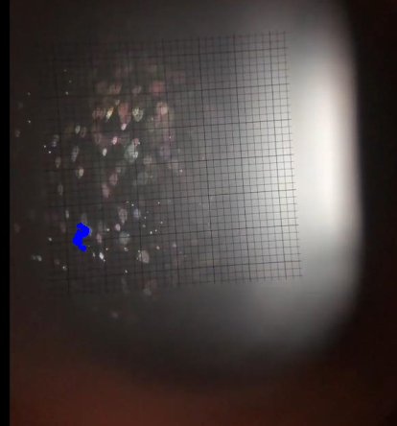
9.0721187886 | 0.01884863509 | 0.10225628914 |  |  |  |  |  |  | 17.89407828 | -0.35243304693 | -0.017400083771 |  |  |  |  |  |  | 17.031460015 | -0.14358383393 | 0.35244184258 |  |  |  |  |  |  |  |  |  |  |  |  |  |  |  | 16.114709329 | -0.66570686641 | -0.19134712345 |  |  |  |  |  |  | 22.153037184 | 1.0572991408 | -0.40887836627 |  |  |  |  |  |  | 26.578643935 | -0.24800844043 | 0.0087122796084 |  |  |  |  |  |  | 24.861783554 | -0.45685765342 | -0.20884179644
9.1553802038 | 0.01884863509 | 0.060919056974 |  |  |  |  |  |  | 17.977464713 | -0.33937997111 | -0.013051286234 |  |  |  |  |  |  | 17.114846448 | -0.078318454872 | 0.60020265894 |  |  |  |  |  |  |  |  |  |  |  |  |  |  |  | 16.198095761 | -0.69181301804 | -0.043501025032 |  |  |  |  |  |  | 22.236423616 | 1.0181399133 | -0.42638608158 |  |  |  |  |  |  | 26.662030368 | -0.24800844043 | -0.0043373754184 |  |  |  |  |  |  | 24.945044969 | -0.45685765342 | -0.12616406847
 |  |  |  |  |  |  |  |  | 18.060851145 | -0.35243304693 | -0.030449738798 |  |  |  |  |  |  |  |  |  |  |  |  |  |  |  |  |  |  |  |  |  |  |  |  | 16.281357176 | -0.66570686641 | 0.034826274195 |  |  |  |  |  |  | 22.319685032 | 0.9789806859 | -0.37850688995 |  |  |  |  |  |  | 26.745291783 | -0.23495536462 | -0.15656326064 |  |  |  |  |  |  | 25.028431401 | -0.46991072923 | -0.11742570545
 |  |  |  |  |  |  |  |  | 18.14411256 | -0.33937997111 | -0.10007781174 |  |  |  |  |  |  |  |  |  |  |  |  |  |  |  |  |  |  |  |  |  |  |  |  | 16.364743608 | -0.66570686641 | -0.088710656305 |  |  |  |  |  |  | 22.403071464 | 0.96592761009 | -0.4393085367 |  |  |  |  |  |  | 26.828678215 | -0.23495536462 | -0.18274085518 |  |  |  |  |  |  | 25.111817833 | -0.48296380505 | -0.052200251314
 |  |  |  |  |  |  |  |  | 18.227498992 | -0.37853919855 | -0.091345963765 |  |  |  |  |  |  |  |  |  |  |  |  |  |  |  |  |  |  |  |  |  |  |  |  | 16.448130041 | -0.69181301804 | -0.11313072918 |  |  |  |  |  |  | 22.486457896 | 0.90066223103 | -0.45683582038 |  |  |  |  |  |  | 26.912064647 | -0.27411459205 | -0.11311441344 |  |  |  |  |  |  | 25.195079249 | -0.46991072923 | -0.078314245901
 |  |  |  |  |  |  |  |  | 18.310885425 | -0.35243304693 | -0.10005007388 |  |  |  |  |  |  |  |  |  |  |  |  |  |  |  |  |  |  |  |  |  |  |  |  | 16.531391456 | -0.69181301804 | -0.069619914463 |  |  |  |  |  |  | 22.569719311 | 0.88760915522 | -0.44376984961 |  |  |  |  |  |  | 26.995326063 | -0.27411459205 | -0.091345963765 |  |  |  |  |  |  | 25.278465681 | -0.49601688086 | -0.11307527671
 |  |  |  |  |  |  |  |  | 18.39414684 | -0.37853919855 | -0.26542021436 |  |  |  |  |  |  |  |  |  |  |  |  |  |  |  |  |  |  |  |  |  |  |  |  |  |  |  |  |  |  |  |  |  | 22.653105744 | 0.83539685197 | -0.50452256994 |  |  |  |  |  |  | 27.078712495 | -0.28716766786 | -0.087013472183 |  |  |  |  |  |  | 25.361852113 | -0.49601688086 | -0.082649990113
 |  |  |  |  |  |  |  |  | 18.477533272 | -0.41769842599 | -0.20878146013 |  |  |  |  |  |  |  |  |  |  |  |  |  |  |  |  |  |  |  |  |  |  |  |  |  |  |  |  |  |  |  |  |  | 22.736492176 | 0.78318454872 | -0.36110680617 |  |  |  |  |  |  | 27.162098927 | -0.28716766786 | -0.10007781174 |  |  |  |  |  |  | 25.445113528 | -0.49601688086 | -0.18709291513
 |  |  |  |  |  |  |  |  | 18.560919704 | -0.41769842599 | -0.10006475842 |  |  |  |  |  |  |  |  |  |  |  |  |  |  |  |  |  |  |  |  |  |  |  |  |  |  |  |  |  |  |  |  |  | 22.819753591 | 0.78318454872 | -0.31324556148 |  |  |  |  |  |  | 27.245360342 | -0.30022074368 | -0.017404978616 |  |  |  |  |  |  | 25.52849996 | -0.53517610829 | -0.19137648151
 |  |  |  |  |  |  |  |  | 18.64418112 | -0.4307515018 | -0.013051286234 |  |  |  |  |  |  |  |  |  |  |  |  |  |  |  |  |  |  |  |  |  |  |  |  |  |  |  |  |  |  |  |  |  | 22.903140023 | 0.74402532129 | -0.39931146885 |  |  |  |  |  |  | 27.328746775 | -0.31327381949 | 0.033942613016 |  |  |  |  |  |  | 25.611886393 | -0.53517610829 | -0.12182832426
 |  |  |  |  |  |  |  |  | 18.727567552 | -0.41769842599 | 0.0434847203 |  |  |  |  |  |  |  |  |  |  |  |  |  |  |  |  |  |  |  |  |  |  |  |  |  |  |  |  |  |  |  |  |  | 22.986526456 | 0.71791916966 | -0.51343544644 |  |  |  |  |  |  | 27.412133207 | -0.30022074368 | 0.017401714978 |  |  |  |  |  |  | 25.695147808 | -0.56128225992 | -0.0086894353699
 |  |  |  |  |  |  |  |  | 18.810953984 | -0.41769842599 | 0.026099310054 |  |  |  |  |  |  |  |  |  |  |  |  |  |  |  |  |  |  |  |  |  |  |  |  |  |  |  |  |  |  |  |  |  | 23.069787871 | 0.6526537906 | -0.66170279062 |  |  |  |  |  |  | 27.495394622 | -0.30022074368 | 0.0087008574892 |  |  |  |  |  |  | 25.77853424 | -0.52212303248 | -0.047890601523
 |  |  |  |  |  |  |  |  | 18.894215399 | -0.41769842599 | 0.047864507103 |  |  |  |  |  |  |  |  |  |  |  |  |  |  |  |  |  |  |  |  |  |  |  |  |  |  |  |  |  |  |  |  |  |  |  |  |  |  |  |  |  |  | 27.578781054 | -0.30022074368 | 0.017401714978 |  |  |  |  |  |  | 25.861920672 | -0.54822918411 | -0.29588300648
 |  |  |  |  |  |  |  |  | 18.977601832 | -0.40464535017 | 0.013054549871 |  |  |  |  |  |  |  |  |  |  |  |  |  |  |  |  |  |  |  |  |  |  |  |  |  |  |  |  |  |  |  |  |  |  |  |  |  |  |  |  |  |  | 27.578781054 | -0.30022074368 | 0.0087008574892 |  |  |  |  |  |  | 25.945182088 | -0.60044148736 | -0.24365338611
 |  |  |  |  |  |  |  |  | 19.060988264 | -0.41769842599 | 0.0087008574892 |  |  |  |  |  |  |  |  |  |  |  |  |  |  |  |  |  |  |  |  |  |  |  |  |  |  |  |  |  |  |  |  |  |  |  |  |  |  |  |  |  |  |  |  |  |  |  |  |  |  |  | 26.02856852 | -0.60044148736 | -0.065266222081
 |  |  |  |  |  |  |  |  | 19.144249679 | -0.40464535017 | 0.0043487975377 |  |  |  |  |  |  |  |  |  |  |  |  |  |  |  |  |  |  |  |  |  |  |  |  |  |  |  |  |  |  |  |  |  |  |  |  |  |  |  |  |  |  |  |  |  |  |  |  |  |  |  | 26.111954952 | -0.60044148736 | 0.013061077146
 |  |  |  |  |  |  |  |  | 19.227636111 | -0.41769842599 | -0.0043765231653 |  |  |  |  |  |  |  |  |  |  |  |  |  |  |  |  |  |  |  |  |  |  |  |  |  |  |  |  |  |  |  |  |  |  |  |  |  |  |  |  |  |  |  |  |  |  |  |  |  |  |  | 26.195216367 | -0.58738841154 | -0.034800167543
 |  |  |  |  |  |  |  |  | 19.311022544 | -0.39159227436 | -0.14618902913 |  |  |  |  |  |  |  |  |  |  |  |  |  |  |  |  |  |  |  |  |  |  |  |  |  |  |  |  |  |  |  |  |  |  |  |  |  |  |  |  |  |  |  |  |  |  |  |  |  |  |  | 26.2786028 | -0.60044148736 | -0.1522128319
 |  |  |  |  |  |  |  |  | 19.394283959 | -0.44380457761 | -0.27412270306 |  |  |  |  |  |  |  |  |  |  |  |  |  |  |  |  |  |  |  |  |  |  |  |  |  |  |  |  |  |  |  |  |  |  |  |  |  |  |  |  |  |  |  |  |  |  |  |  |  |  |  | 26.361989232 | -0.62654763898 | -0.1261771218
 |  |  |  |  |  |  |  |  | 19.477670391 | -0.45685765342 | -0.23491665429 |  |  |  |  |  |  |  |  |  |  |  |  |  |  |  |  |  |  |  |  |  |  |  |  |  |  |  |  |  |  |  |  |  |  |  |  |  |  |  |  |  |  |  |  |  |  |  |  |  |  |  | 26.445250647 | -0.62654763898 | -0.039150596287
 |  |  |  |  |  |  |  |  |  |  |  |  |  |  |  |  |  |  |  |  |  |  |  |  |  |  |  |  |  |  |  |  |  |  |  |  |  |  |  |  |  |  |  |  |  |  |  |  |  |  |  |  |  |  |  |  |  |  |  |  |  |  | 26.52863708 | -0.62654763898 | -0.013051286234
 |  |  |  |  |  |  |  |  |  |  |  |  |  |  |  |  |  |  |  |  |  |  |  |  |  |  |  |  |  |  |  |  |  |  |  |  |  |  |  |  |  |  |  |  |  |  |  |  |  |  |  |  |  |  |  |  |  |  |  |  |  |  | 26.612023512 | -0.62654763898 | -0.026100941261
 |  |  |  |  |  |  |  |  |  |  |  |  |  |  |  |  |  |  |  |  |  |  |  |  |  |  |  |  |  |  |  |  |  |  |  |  |  |  |  |  |  |  |  |  |  |  |  |  |  |  |  |  |  |  |  |  |  |  |  |  |  |  | 26.695284927 | -0.62654763898 | -0.095714329673
 |  |  |  |  |  |  |  |  |  |  |  |  |  |  |  |  |  |  |  |  |  |  |  |  |  |  |  |  |  |  |  |  |  |  |  |  |  |  |  |  |  |  |  |  |  |  |  |  |  |  |  |  |  |  |  |  |  |  |  |  |  |  | 26.778671359 | -0.63960071479 | -0.19050522054
 |  |  |  |  |  |  |  |  |  |  |  |  |  |  |  |  |  |  |  |  |  |  |  |  |  |  |  |  |  |  |  |  |  |  |  |  |  |  |  |  |  |  |  |  |  |  |  |  |  |  |  |  |  |  |  |  |  |  |  |  |  |  | 26.862057791 | -0.66570686641 | -0.2132069085
 |  |  |  |  |  |  |  |  |  |  |  |  |  |  |  |  |  |  |  |  |  |  |  |  |  |  |  |  |  |  |  |  |  |  |  |  |  |  |  |  |  |  |  |  |  |  |  |  |  |  |  |  |  |  |  |  |  |  |  |  |  |  | 26.945319207 | -0.67875994223 | -0.19151683269

