Instructions
Configit Assignment Creator |  | Additional info

How to Use |  | *baseline last updated: | 1/27/2025 12:21ET
1 | select the parameters you desire to include in by selecting "on" in the dropdown of the cell | macro last updated: | 1/27/2024 12:21ET
 |  | *baseline is the raw data from GPD included for reference
 |  | contact support: jonathan.gardner@tkelevator.com

2 | 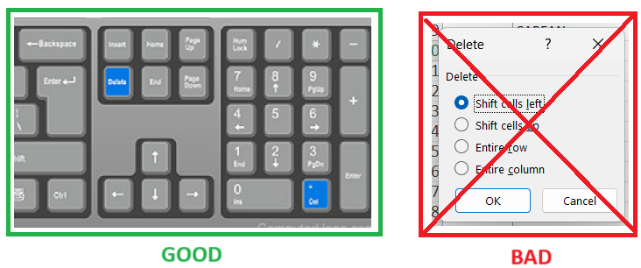 to deselect a parameter, select the cell and click "delete" on you keyboard. DO NOT delete the cell.

3 | Enter your desired parameter value in the "Enter Value" column, or leave it as it is for enum parameter types

4 | Press the "Creat Configit File" button on the "2D Parameters' worsksheet to make your assignments file

5 | use the clearing buttons on each page or just the "2D Parameters" page to quickly clear multiple assignments. NOTE: These buttons WILL NOT reset any modified parameter values.

