Table 18
Table 18 Housing market: annual house price growth, comparison of ONS, Land Registry, Halifax and Nationwide estimates, United Kingdom, (quarterly) from 2005 (chart)1, 2, 3 (previously DCLG table 523)

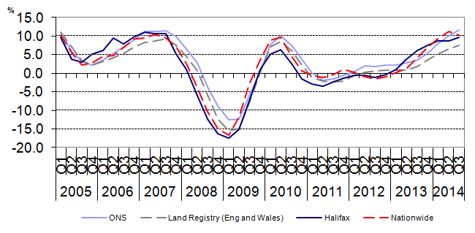

1 | Data for Halifax, Nationwide and Land Registry are seasonally adjusted. ONS data are not seasonally adjusted.
2 | Quarterly data from 2002 Q2 for ONS index are based on the average of the monthly mixed adjusted series. Land Registry quarterly information is based on the average of the monthly annual rates of growth. Quarterly figures for Halifax and Nationwide are based on their published rates at the time they are first published.
3 | Land Registry data is only for England and Wales and not the UK.

Contact: |  |  | Sources: ONS house price index
Telephone: 01633 455474 |  |  | HBOS plc
E-mail: hpi@ons.gsi.gov.uk |  |  | Nationwide Building Society
 |  | Land Registry Eng & Wales

