Sheet1
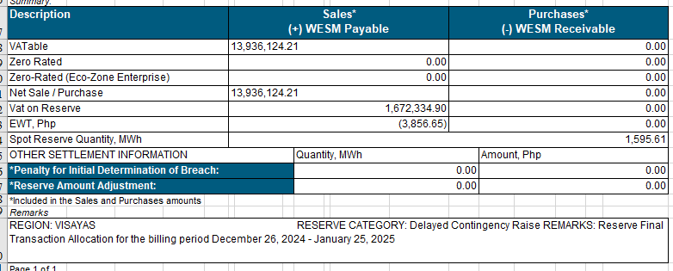
RESERVE TRANSACTION ALLOCATION CENPRIASP / CENTRAL NEGROS POWER RELIABILITY INC. Billing Month (Period): January 2025 (Dec. 26, 2024 - Jan. 25, 2025)
STL_ID / TP Short Name | Billing ID | Facility Type | WHT Agent Tag | ITH Tag | Non- vatable Tag | Zero- rated Tag | Vatable Sales | Zero-rated Sales | Zero-rated Ecozones Sales | VAT on Sales | EWT Sales | Vatable Purchases | Zero-rated Purchases | Zero-rated Ecozones Purchases | VAT on Purchases | EWT Purchases
EAUCASP | EAUCAS P | ASP | Y | N | N | N | 192,832.61 | - | - | 23,139.91 | -3,856.65 | - | - | - | - | -
MPIASP | MPIASP | ASP | N | N | N | N | 176.28 | - | - | 21.15 | - | - | - | - | - | -
NGCPASB | NGCPAS B_VIS | ASB | N | Y | N | N | 13,743,115.32 | - | - | 1,649,173.84 | - | - | - | - | - | -

 |  |  |  |  |  |  | 13,936,124.21 | - | - | 1,672,334.90 | (3,856.65) | -

