Tabelle1
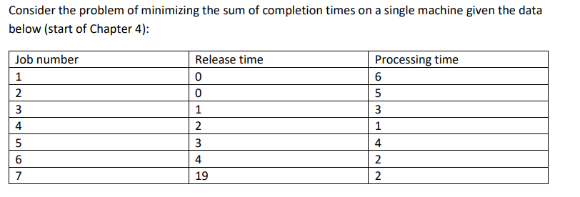

 |  |  | finished Jobs

 | time | 0 | 1 | 2 | 3 | 4 | 5 | 6 | 7 | 8 | 9 | 10 | 11 | 12 | 13 | 14 | 15 | 16 | 17 | 18 | 19 | 20 | 21 | 22 | 23 | 24 | 25 | 26 | 27 | 28 | 29 | 30 | 31 | 32 | 33 | 34 | 35 | 36 | 37 | 38 | 39 | 40 | 41 | 42
 | M1 | 5 | 3 | 4 | 3 | 3 | 3 | 6 | 6 | 2 | 2 | 2 | 2 | 5 | 5 | 5 | 5 | 1 | 1 | 1 | 7 | 7 | 1 | 1 | 1

joblist |  | 1 (remaining 6) |  |  |  |  |  | 1 (remaining 6) |  |  |  |  |  | 1 (remaining 6) |  |  |  | 1 (remaining 6)
(only updated |  | 2 (remaining 5) |  |  |  |  |  | 2 (remaining 4) |  |  |  |  |  | 2 (finished) |  |  |  | 5 (finished)
on changes) |  |  | 1 (remaining 6) |  |  |  |  | 3 (finished) |  |  |  |  |  | 5 (remaining 4) |  |  |  |  |  |  | 1 (remaining 3)
 |  |  | 2 (remaining 4) |  |  |  |  | 5 (remaining 4) |  |  |  |  |  |  |  |  |  |  |  |  | 7 (remaining 2)
 |  |  | 3 (remaining 3) |  |  |  |  | 6 (remaining 2) |  |  |  |  |  |  |  |  |  |  |  |  |  |  | 1 (remaining 3)
 |  |  |  | 1 (remaining 6) |  |  |  |  |  | 1 (remaining 6) |  |  |  |  |  |  |  |  |  |  |  |  | 7 (finished)
 |  |  |  | 2 (remaining 4) |  |  |  |  |  | 2 (remaining 4)
 |  |  |  | 3 (remaining 3) |  |  |  |  |  | 5 (remaining 4)
 |  |  |  | 4 (remaining 1) |  |  |  |  |  | 6 (finished)
 |  |  |  |  | 1 (remaining 6)
 |  |  |  |  | 2 (remaining 4)
 |  |  |  |  | 3 (remaining 3)
 |  |  |  |  | 4 (finished)
 |  |  |  |  | 5 (remaining 4)
 |  |  |  |  |  | 1 (remaining 6)
 |  |  |  |  |  | 2 (remaining 4)
 |  |  |  |  |  | 3 (remaining 2)
 |  |  |  |  |  | 5 (remaining 4)
 |  |  |  |  |  | 6 (remaining 2)

