Contents
Renewable Power Generation Costs in 2022

This publication should be cited as: Citation: IRENA (2023), Renewable Power Generation Costs in 2022, International Renewable Energy Agency, Abu Dhabi.
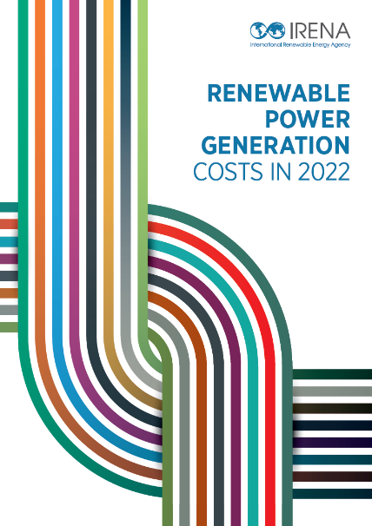

Contents
Highlights
Executive Summary
1. Latest cost trends
2. Onshore wind
3. Solar PV
4. Offshore wind
5. Concentrating solar power
6. Hydropower
7. Geothermal
8. Bioenergy
Annex I
Operations & Maintenace

This file contains data from the above mentioned report.
Note: Monetary values in this report are expressed in real 2022 USD (that is to say, taking into account inflation) unless explicitly mentioned.
Contact: | costs@irena.org

Fig 1.16
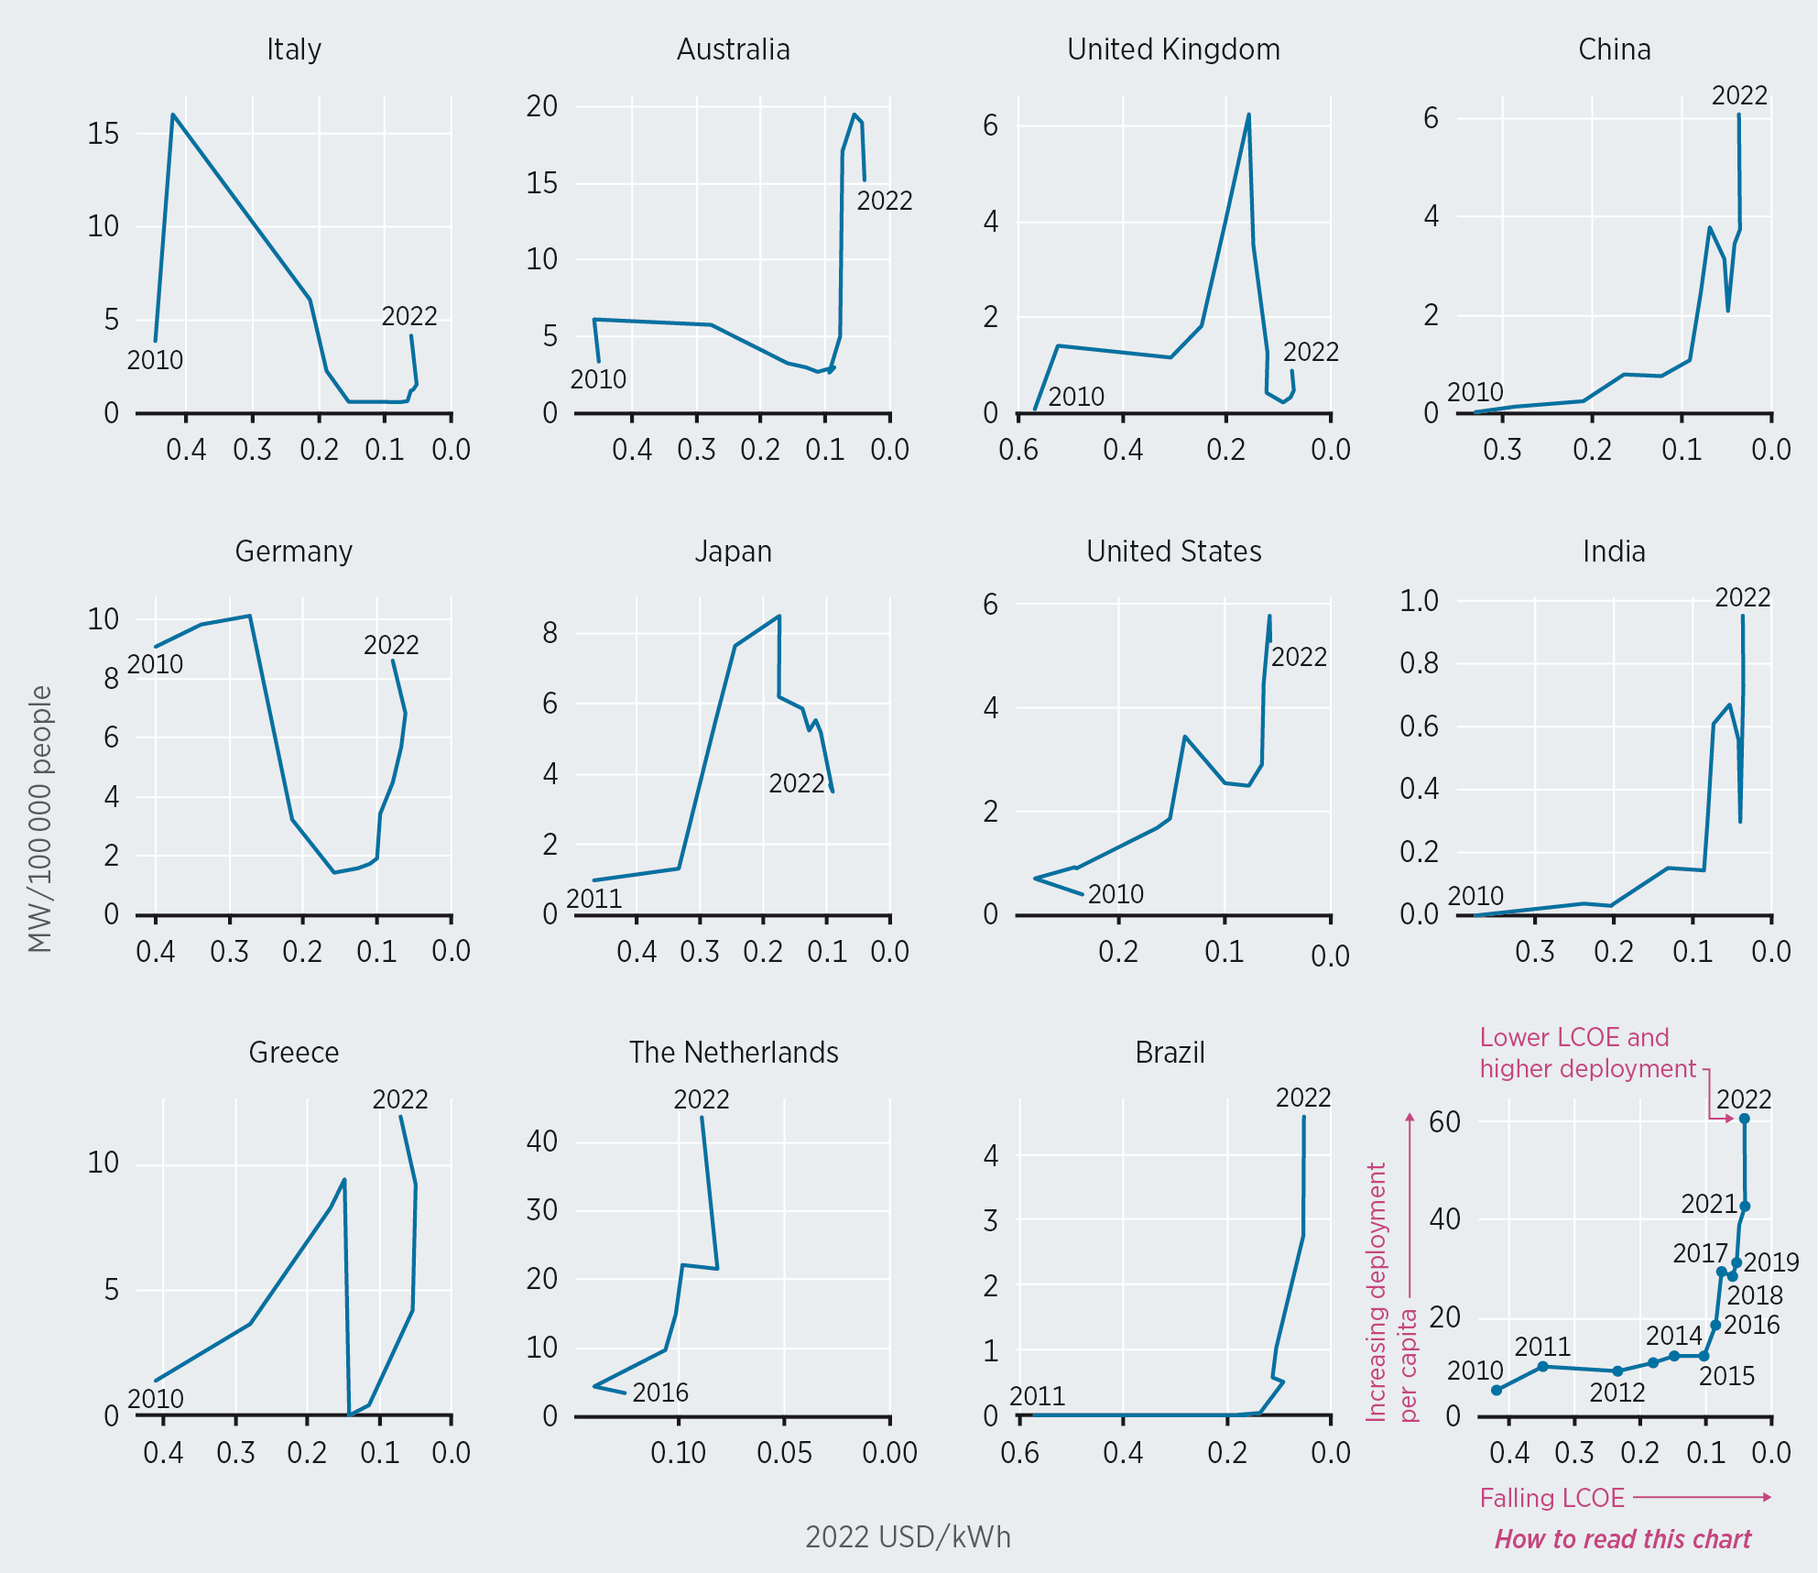
Figure 1.16 Changes in annual new solar PV capacity additions per capita compared to LCOE trends by country, 2010-2022

Fig 4.6
Figure 4.7 Representative offshore wind farm total installed cost breakdowns by country/region, 2013, 2016, 2017 and 2019

 | Source | Cost breakdown | Share of total installed costs
 | Europe (2015) | Turbine | 40.6%
 | Europe (2015) | Installation | 17.3%
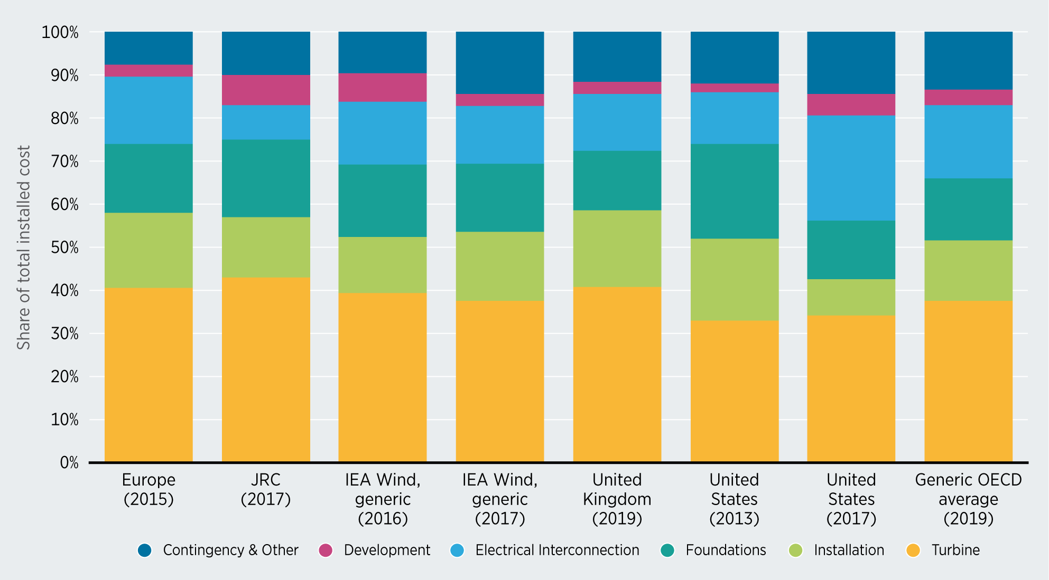
 | Europe (2015) | Foundations | 16.1%
 | Europe (2015) | Electrical Interconnection | 15.7%
 | Europe (2015) | Development | 2.7%
 | Europe (2015) | Contingency & Other | 7.7%
 | Generic OECD average (2019) | Turbine | 37.5%
 | Generic OECD average (2019) | Installation | 14.1%
 | Generic OECD average (2019) | Foundations | 14.4%
 | Generic OECD average (2019) | Electrical Interconnection | 17.0%
 | Generic OECD average (2019) | Development | 3.5%
 | Generic OECD average (2019) | Contingency & Other | 13.5%
 | IEA Wind, generic (2016) | Turbine | 39.5%
 | IEA Wind, generic (2016) | Installation | 12.9%
 | IEA Wind, generic (2016) | Foundations | 16.9%
 | IEA Wind, generic (2016) | Electrical Interconnection | 14.6%
 | IEA Wind, generic (2016) | Development | 6.5%
 | IEA Wind, generic (2016) | Contingency & Other | 9.7%
 | IEA Wind, generic (2017) | Turbine | 37.6%
 | IEA Wind, generic (2017) | Installation | 15.9%
 | IEA Wind, generic (2017) | Foundations | 15.9%
 | IEA Wind, generic (2017) | Electrical Interconnection | 13.3%
 | IEA Wind, generic (2017) | Development | 2.9%
 | IEA Wind, generic (2017) | Contingency & Other | 14.3%
 | JRC (2017) | Turbine | 43.0%
 | JRC (2017) | Installation | 14.0%
 | JRC (2017) | Foundations | 18.0%
 | JRC (2017) | Electrical Interconnection | 8.0%
 | JRC (2017) | Development | 7.0%
 | JRC (2017) | Contingency & Other | 10.0%
 | United Kingdom (2019) | Turbine | 40.7%
 | United Kingdom (2019) | Installation | 17.9%
 | United Kingdom (2019) | Foundations | 13.8%
 | United Kingdom (2019) | Electrical Interconnection | 13.2%
 | United Kingdom (2019) | Development | 2.7%
 | United Kingdom (2019) | Contingency & Other | 11.6%
 | United States (2013) | Turbine | 33.0%
 | United States (2013) | Installation | 19.0%
 | United States (2013) | Foundations | 22.0%
 | United States (2013) | Electrical Interconnection | 12.0%
 | United States (2013) | Development | 2.0%
 | United States (2013) | Contingency & Other | 12.0%
 | United States (2017) | Turbine | 34.3%
 | United States (2017) | Installation | 8.4%
 | United States (2017) | Foundations | 13.5%
 | United States (2017) | Electrical Interconnection | 24.4%
 | United States (2017) | Development | 5.0%
 | United States (2017) | Contingency & Other | 14.4%

