Demo_CBSLine
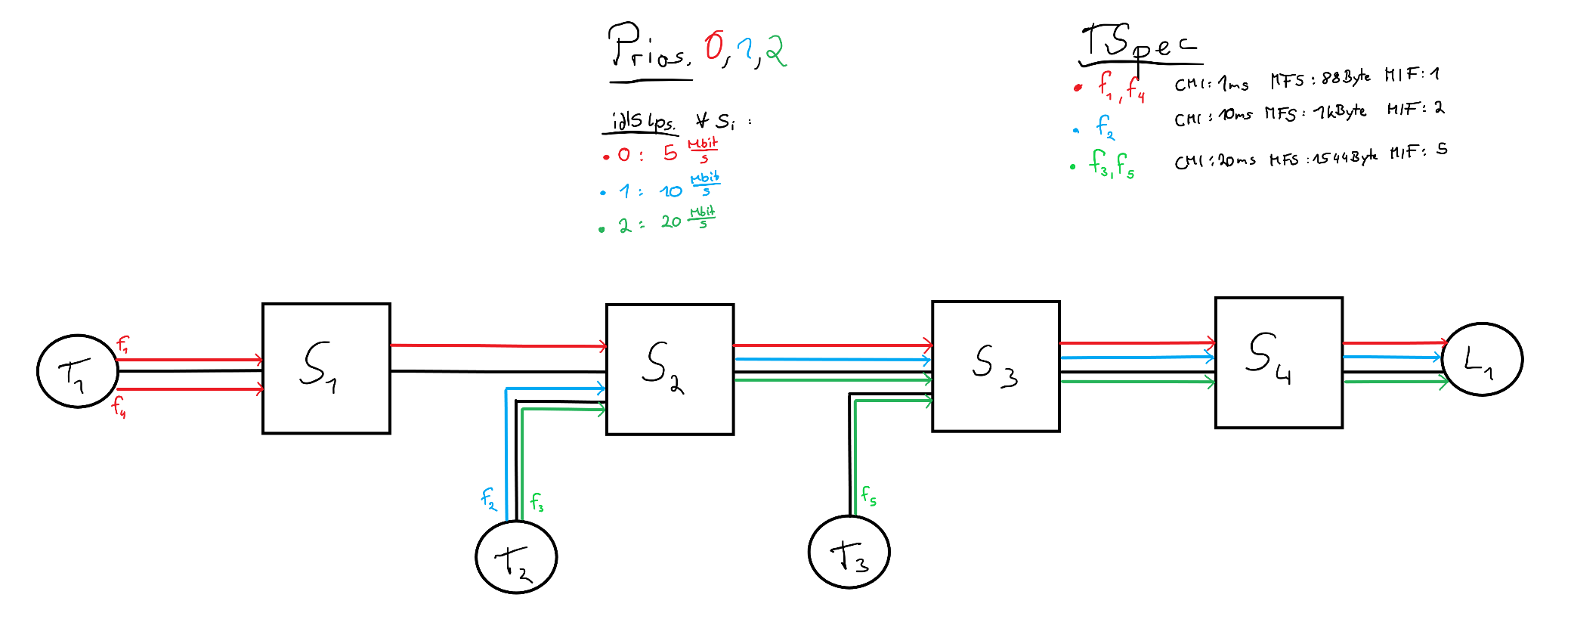

Unshaped TFA
Flow | f1 | f2 | f3 | f4 | f5
Delay @ S1 | 0.000399617536000000000000000000 | 0.000000000000000000000000000000 | 0.000000000000000000000000000000 | 0.000399617536000000000000000000 | 0.000000000000000000000000000000
Delay @ S2 | 0.000433409535999999000000000000 | 0.001707755789473680000000000000 | 0.001452132898635290000000000000 | 0.000433409535999999000000000000 | 0.000000000000000000000000000000
Delay @ S3 | 0.000467201535999999000000000000 | 0.001729092715789470000000000000 | 0.004455440074917640000000000000 | 0.000467201535999999000000000000 | 0.004455440074917640000000000000
Delay @ S4 | 0.000500993536000000000000000000 | 0.001750429642105260000000000000 | 0.004505902151905880000000000000 | 0.000500993536000000000000000000 | 0.004505902151905880000000000000
Total delay | 0.001801222144000000000000000000 | 0.005187278147368420000000000000 | 0.010413475125458799760980177496 | 0.001801222144000000000000000000 | 0.008961342226823530000000000000

Link shaped TFA
Flow | f1 | f2 | f3 | f4 | f5
Delay @ S1 | 0.000399617536000000000000000000 | 0.000000000000000000000000000000 | 0.000000000000000000000000000000 | 0.000399617536000000000000000000 | 0.000000000000000000000000000000
Delay @ S2 | 0.000401600000000000000000000000 | 0.001366955789473680000000000000 | 0.000850550588235294000000000000 | 0.000401600000000000000000000000 | 0.000000000000000000000000000000
Delay @ S3 | 0.000435392000000000000000000000 | 0.001366955789473680000000000000 | 0.001467350588235290000000000000 | 0.000435392000000000000000000000 | 0.001467350588235290000000000000
Delay @ S4 | 0.000469184000000000000000000000 | 0.001366955789473680000000000000 | 0.001467350588235290000000000000 | 0.000469184000000000000000000000 | 0.001467350588235290000000000000
Total delay | 0.001705793535999990000000000000 | 0.004100867368421050000000000000 | 0.003785251764705880000000000000 | 0.001705793535999990000000000000 | 0.002934701176470580000000000000

CBS shaped TFA
Flow | f1 | f2 | f3 | f4 | f5
Delay @ S1 | 0.000399617536000000000000000000 | 0.000000000000000000000000000000 | 0.000000000000000000000000000000 | 0.000399617536000000000000000000 | 0.000000000000000000000000000000
Delay @ S2 | 0.000433409535999999000000000000 | 0.001707755789473680000000000000 | 0.001452132898635290000000000000 | 0.000433409535999999000000000000 | 0.000000000000000000000000000000
Delay @ S3 | 0.000467201535999999000000000000 | 0.000986711578947368000000000000 | 0.003949830616470580000000000000 | 0.000467201535999999000000000000 | 0.003949830616470580000000000000
Delay @ S4 | 0.000500993536000000000000000000 | 0.000986711578947368000000000000 | 0.001688131764705880000000000000 | 0.000500993536000000000000000000 | 0.001688131764705880000000000000
Total delay | 0.001801222144000000000000000000 | 0.003681178947368420000000000000 | 0.007090095279811760000000000000 | 0.001801222144000000000000000000 | 0.005637962381176470000000000000

Link + CBS shaped TFA
Flow | f1 | f2 | f3 | f4 | f5
Delay @ S1 | 0.000399617536000000000000000000 | 0.000000000000000000000000000000 | 0.000000000000000000000000000000 | 0.000399617536000000000000000000 | 0.000000000000000000000000000000
Delay @ S2 | 0.000401600000000000000000000000 | 0.001366955789473680000000000000 | 0.000850550588235294000000000000 | 0.000401600000000000000000000000 | 0.000000000000000000000000000000
Delay @ S3 | 0.000435392000000000000000000000 | 0.000986711578947368000000000000 | 0.001467350588235290000000000000 | 0.000435392000000000000000000000 | 0.001467350588235290000000000000
Delay @ S4 | 0.000469184000000000000000000000 | 0.000986711578947368000000000000 | 0.001467350588235290000000000000 | 0.000469184000000000000000000000 | 0.001467350588235290000000000000
Total delay | 0.001705793535999990000000000000 | 0.003340378947368420000000000000 | 0.003785251764705880000000000000 | 0.001705793535999990000000000000 | 0.002934701176470580000000000000

Demo_CBSTree
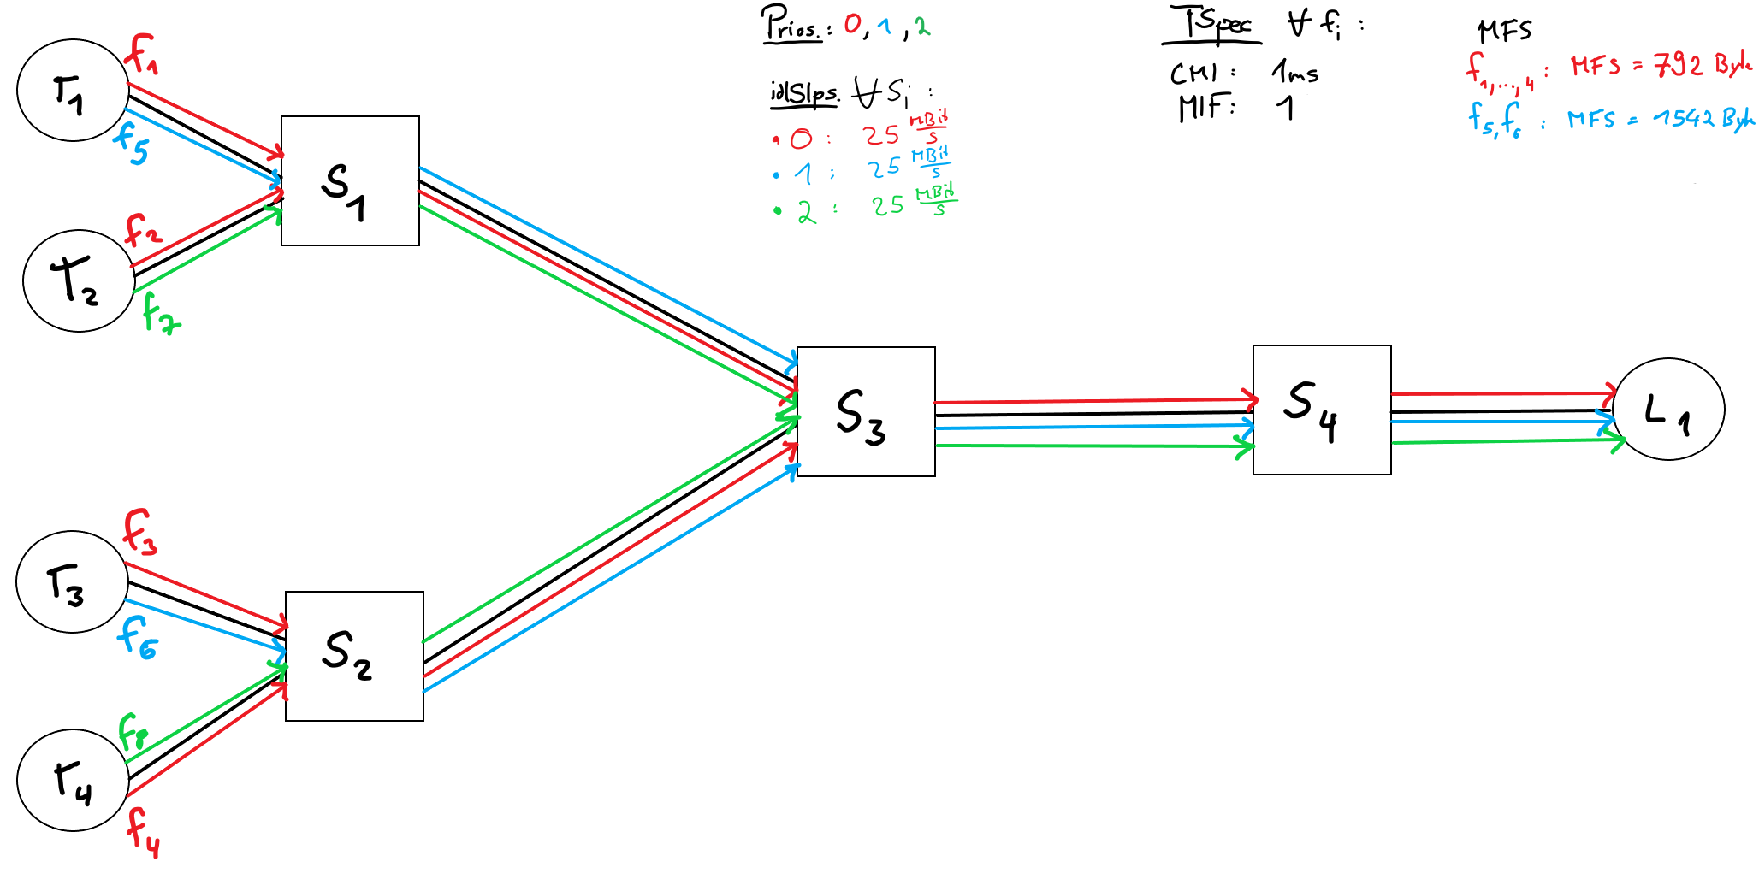

Unshaped TFA
Flow | f1 | f2 | f3 | f4 | f5 | f6 | f7 | f8
Delay @ S1 | 0.000594764083200000000000000000 | 0.000594764083200000000000000000 | 0.000000000000000000000000000000 | 0.000000000000000000000000000000 | 0.000655929241600000000000000000 | 0.000000000000000000000000000000 | 0.000952649241600000000000000000 | 0.000000000000000000000000000000
Delay @ S2 | 0.000000000000000000000000000000 | 0.000000000000000000000000000000 | 0.000594764083200000000000000000 | 0.000594764083200000000000000000 | 0.000000000000000000000000000000 | 0.000655929241600000000000000000 | 0.000000000000000000000000000000 | 0.000952649241600000000000000000
Delay @ S3 | 0.001191179366400000000000000000 | 0.001191179366400000000000000000 | 0.001191179366400000000000000000 | 0.001191179366400000000000000000 | 0.001308928000000000000000000000 | 0.001308928000000000000000000000 | 0.001898475033600000000000000000 | 0.001898475033600000000000000000
Delay @ S4 | 0.001312830566400000000000000000 | 0.001312830566400000000000000000 | 0.001312830566400000000000000000 | 0.001312830566400000000000000000 | 0.001529357516800000000000000000 | 0.001529357516800000000000000000 | 0.002411731584000000000000000000 | 0.002411731584000000000000000000
Total delay | 0.003098774016000000000000000000 | 0.003098774016000000000000000000 | 0.003098774016000000000000000000 | 0.003098774016000000000000000000 | 0.003494214758399990000000000000 | 0.003494214758399990000000000000 | 0.005262855859200000000000000000 | 0.005262855859200000000000000000

Link shaped TFA
Flow | f1 | f2 | f3 | f4 | f5 | f6 | f7 | f8
Delay @ S1 | 0.000594764083200000000000000000 | 0.000594764083200000000000000000 | 0.000000000000000000000000000000 | 0.000000000000000000000000000000 | 0.000655929241600000000000000000 | 0.000000000000000000000000000000 | 0.000952649241600000000000000000 | 0.000000000000000000000000000000
Delay @ S2 | 0.000000000000000000000000000000 | 0.000000000000000000000000000000 | 0.000594764083200000000000000000 | 0.000594764083200000000000000000 | 0.000000000000000000000000000000 | 0.000655929241600000000000000000 | 0.000000000000000000000000000000 | 0.000952649241600000000000000000
Delay @ S3 | 0.001191179366400000000000000000 | 0.001191179366400000000000000000 | 0.001191179366400000000000000000 | 0.001191179366400000000000000000 | 0.001210240000000000000000000000 | 0.001210240000000000000000000000 | 0.001506960000000000000000000000 | 0.001506960000000000000000000000
Delay @ S4 | 0.001312830566400000000000000000 | 0.001312830566400000000000000000 | 0.001312830566400000000000000000 | 0.001312830566400000000000000000 | 0.001210240000000000000000000000 | 0.001210240000000000000000000000 | 0.001506960000000000000000000000 | 0.001506960000000000000000000000
Total delay | 0.003098774016000000000000000000 | 0.003098774016000000000000000000 | 0.003098774016000000000000000000 | 0.003098774016000000000000000000 | 0.003076409241600000000000000000 | 0.003076409241600000000000000000 | 0.003966569241600000000000000000 | 0.003966569241600000000000000000

CBS shaped TFA
Flow | f1 | f2 | f3 | f4 | f5 | f6 | f7 | f8
Delay @ S1 | 0.000594764083200000000000000000 | 0.000594764083200000000000000000 | 0.000000000000000000000000000000 | 0.000000000000000000000000000000 | 0.000655929241600000000000000000 | 0.000000000000000000000000000000 | 0.000952649241600000000000000000 | 0.000000000000000000000000000000
Delay @ S2 | 0.000000000000000000000000000000 | 0.000000000000000000000000000000 | 0.000594764083200000000000000000 | 0.000594764083200000000000000000 | 0.000000000000000000000000000000 | 0.000655929241600000000000000000 | 0.000000000000000000000000000000 | 0.000952649241600000000000000000
Delay @ S3 | 0.001191179366400000000000000000 | 0.001191179366400000000000000000 | 0.001191179366400000000000000000 | 0.001191179366400000000000000000 | 0.001308928000000000000000000000 | 0.001308928000000000000000000000 | 0.001898475033600000000000000000 | 0.001898475033600000000000000000
Delay @ S4 | 0.001312830566400000000000000000 | 0.001312830566400000000000000000 | 0.001312830566400000000000000000 | 0.001312830566400000000000000000 | 0.001410239999999990000000000000 | 0.001410239999999990000000000000 | 0.002300400000000000000000000000 | 0.002300400000000000000000000000
Total delay | 0.003098774016000000000000000000 | 0.003098774016000000000000000000 | 0.003098774016000000000000000000 | 0.003098774016000000000000000000 | 0.003375097241600000000000000000 | 0.003375097241600000000000000000 | 0.005151524275200000000000000000 | 0.005151524275200000000000000000

Link + CBS shaped TFA
Flow | f1 | f2 | f3 | f4 | f5 | f6 | f7 | f8
Delay @ S1 | 0.000594764083200000000000000000 | 0.000594764083200000000000000000 | 0.000000000000000000000000000000 | 0.000000000000000000000000000000 | 0.000655929241600000000000000000 | 0.000000000000000000000000000000 | 0.000952649241600000000000000000 | 0.000000000000000000000000000000
Delay @ S2 | 0.000000000000000000000000000000 | 0.000000000000000000000000000000 | 0.000594764083200000000000000000 | 0.000594764083200000000000000000 | 0.000000000000000000000000000000 | 0.000655929241600000000000000000 | 0.000000000000000000000000000000 | 0.000952649241600000000000000000
Delay @ S3 | 0.001191179366400000000000000000 | 0.001191179366400000000000000000 | 0.001191179366400000000000000000 | 0.001191179366400000000000000000 | 0.001210240000000000000000000000 | 0.001210240000000000000000000000 | 0.001506960000000000000000000000 | 0.001506960000000000000000000000
Delay @ S4 | 0.001312830566400000000000000000 | 0.001312830566400000000000000000 | 0.001312830566400000000000000000 | 0.001312830566400000000000000000 | 0.001210240000000000000000000000 | 0.001210240000000000000000000000 | 0.001506960000000000000000000000 | 0.001506960000000000000000000000
Total delay | 0.003098774016000000000000000000 | 0.003098774016000000000000000000 | 0.003098774016000000000000000000 | 0.003098774016000000000000000000 | 0.003076409241600000000000000000 | 0.003076409241600000000000000000 | 0.003966569241600000000000000000 | 0.003966569241600000000000000000

