CBSLine_BurstIncrease
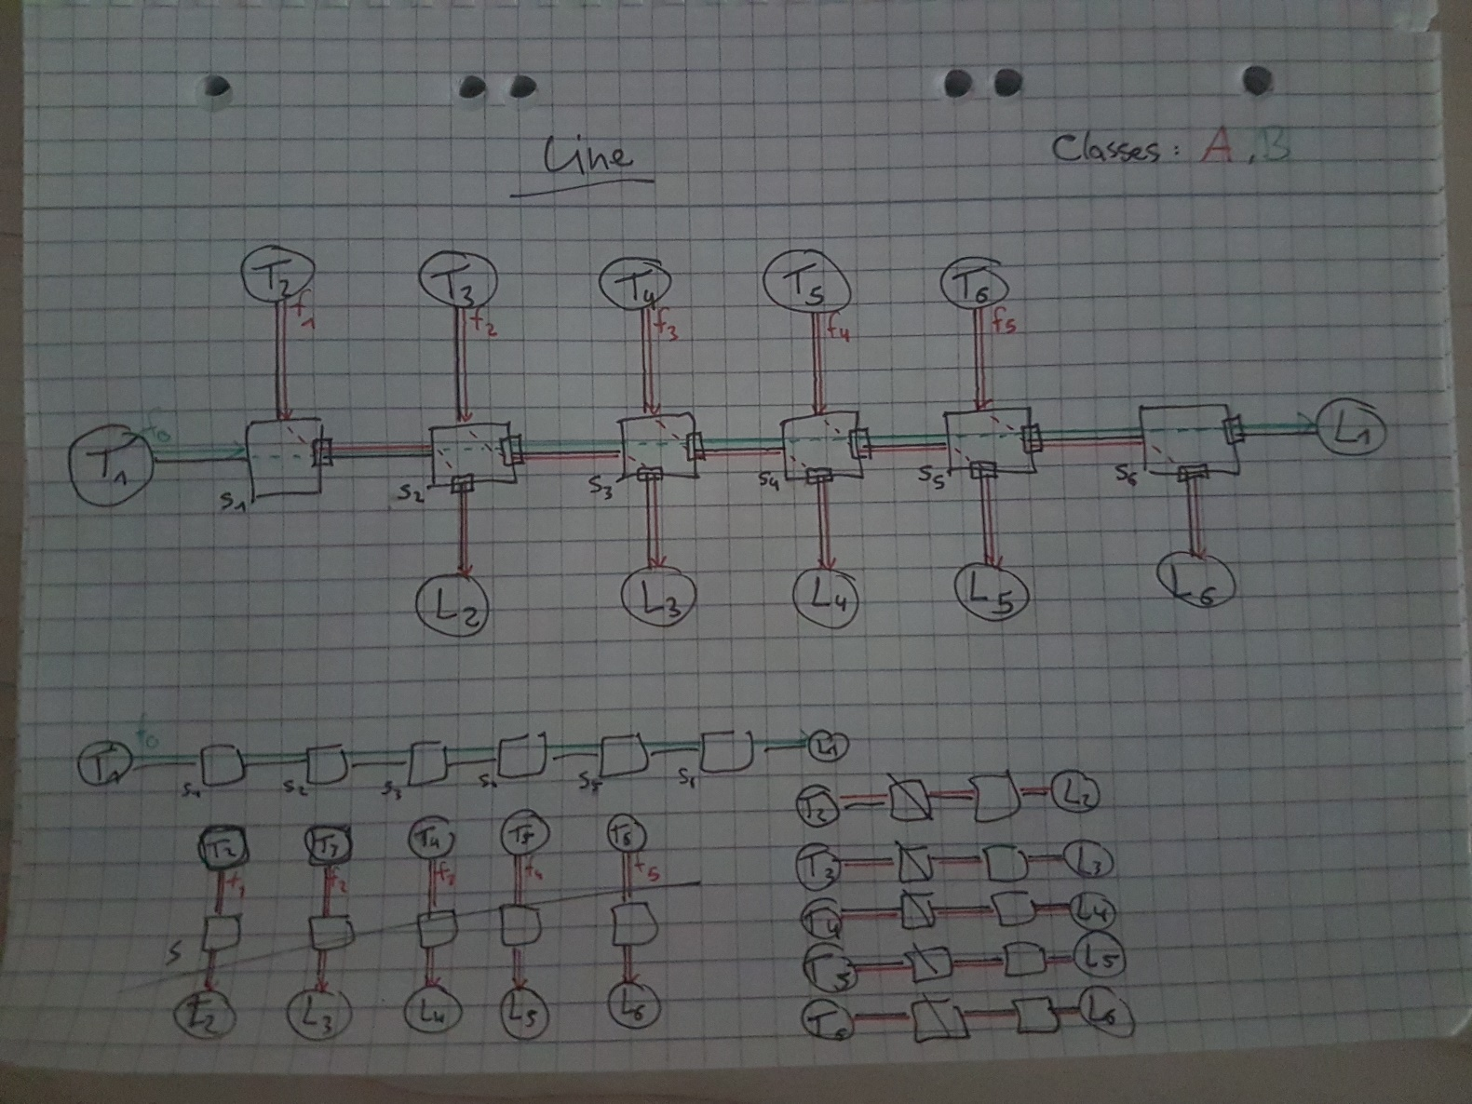
 | Flow 0/foi | MIF | MFS [Byte] | CMI [s] | Link rate |  | AC b | AC r
 | Priority B/1 | 2 | 88 | 0.00025 | 100,000,000.00 |  | 1328.70144 | 5,632MBit/s

 | Analysis | S1 | S2 | S3 | S4 | S5 | S6 | Total
 | TFA unshaped | 0.00019361402880000000 | 0.00021242941440000000 | 0.00023124480000000000 | 0.00025006018560000000 | 0.00026887557120000000 | 0.00024065095680000000 | 0.00139687495680000000 | 0.00139687495680000010
 | TFA link shaped | 0.00018112000000000000 | 0.00018112000000000000 | 0.00018112000000000000 | 0.00018112000000000000 | 0.00018112000000000000 | 0.00013408000000000000 | 0.00103968000000000000 | 0.00103968000000000000
foi | TFA CBS shaped | 0.00019361402880000000 | 0.00021242941440000000 | 0.00023124480000000000 | 0.00025006018560000000 | 0.00026887557120000000 | 0.00024065095680000000 | 0.00139687495680000000 | 0.00139687495680000010
 | TFA combined shaped | 0.00018112000000000000 | 0.00018112000000000000 | 0.00018112000000000000 | 0.00018112000000000000 | 0.00018112000000000000 | 0.00013408000000000000 | 0.00103968000000000000 | 0.00103968000000000000
 | SFA |  |  |  |  |  |  | 0.00098177402880000000 | 0.00000000000000000000
 | PMOO |  |  |  |  |  |  | 0.00098177402880000000 | 0.00000000000000000000
 | TMA |  |  |  |  |  |  | 0.00098177402879999900 | 0.00000000000000000000

 | Flows 1-5 | MIF | MFS [Byte] | CMI [s] | Link rate |  | AC b | AC r
 | Priority A/0 | 2 | 88 | 0.000125 | 100,000,000.00 |  | 1249.40288 | 11,264MBIt/s

 | Analysis | S1 | S2 | S3 | S4 | S5 | S6 | Total
 | TFA unshaped | 0.00016997611520000000 | 0.00022404331520000000 |  |  |  |  | 0.00039401943040000000 | 0.00039401943040000000
 | TFA link shaped | 0.00014816000000000000 | 0.00014816000000000000 |  |  |  |  | 0.00029632000000000000 | 0.00029632000000000000
f1 | TFA CBS shaped | 0.00016997611520000000 | 0.00022404331520000000 |  |  |  |  | 0.00039401943040000000 | 0.00039401943040000000
 | TFA combined shaped | 0.00014816000000000000 | 0.00014816000000000000 |  |  |  |  | 0.00029632000000000000 | 0.00029632000000000000
 | SFA |  |  |  |  |  |  | 0.00028997611520000000 | 0.00000000000000000000
 | PMOO |  |  |  |  |  |  | 0.00028997611520000000 | 0.00000000000000000000
 | TMA |  |  |  |  |  |  | 0.00028997611520000000 | 0.00000000000000000000

 | Flow 0/foi | MIF | MFS [Byte] | CMI [s] | Link rate |  | AC b | AC r
 | Priority B/1 | 2 | 88 | 0.00025 | 100,000,000.00

 | Analysis | S1 | S2 | S3 | S4 | S5 | S6 | Total
 | TFA unshaped
 | TFA link shaped
foi | TFA CBS shaped
 | TFA combined shaped
 | SFA
 | PMOO
 | TMA

 | Flows 1-5 | MIF | MFS [Byte] | CMI [s] | Link rate |  | AC b | AC r
 | Priority A/0 | 2 | 176 | 0.000125 | 100,000,000.00 |  | 2181.61152 | 22,528MBIt/s

 | Analysis | S1 | S2 | S3 | S4 | S5 | S6 | Total
 | TFA unshaped
 | TFA link shaped
f1 | TFA CBS shaped
 | TFA combined shaped
 | SFA
 | PMOO
 | TMA

