CBSLine_MFSIncrease
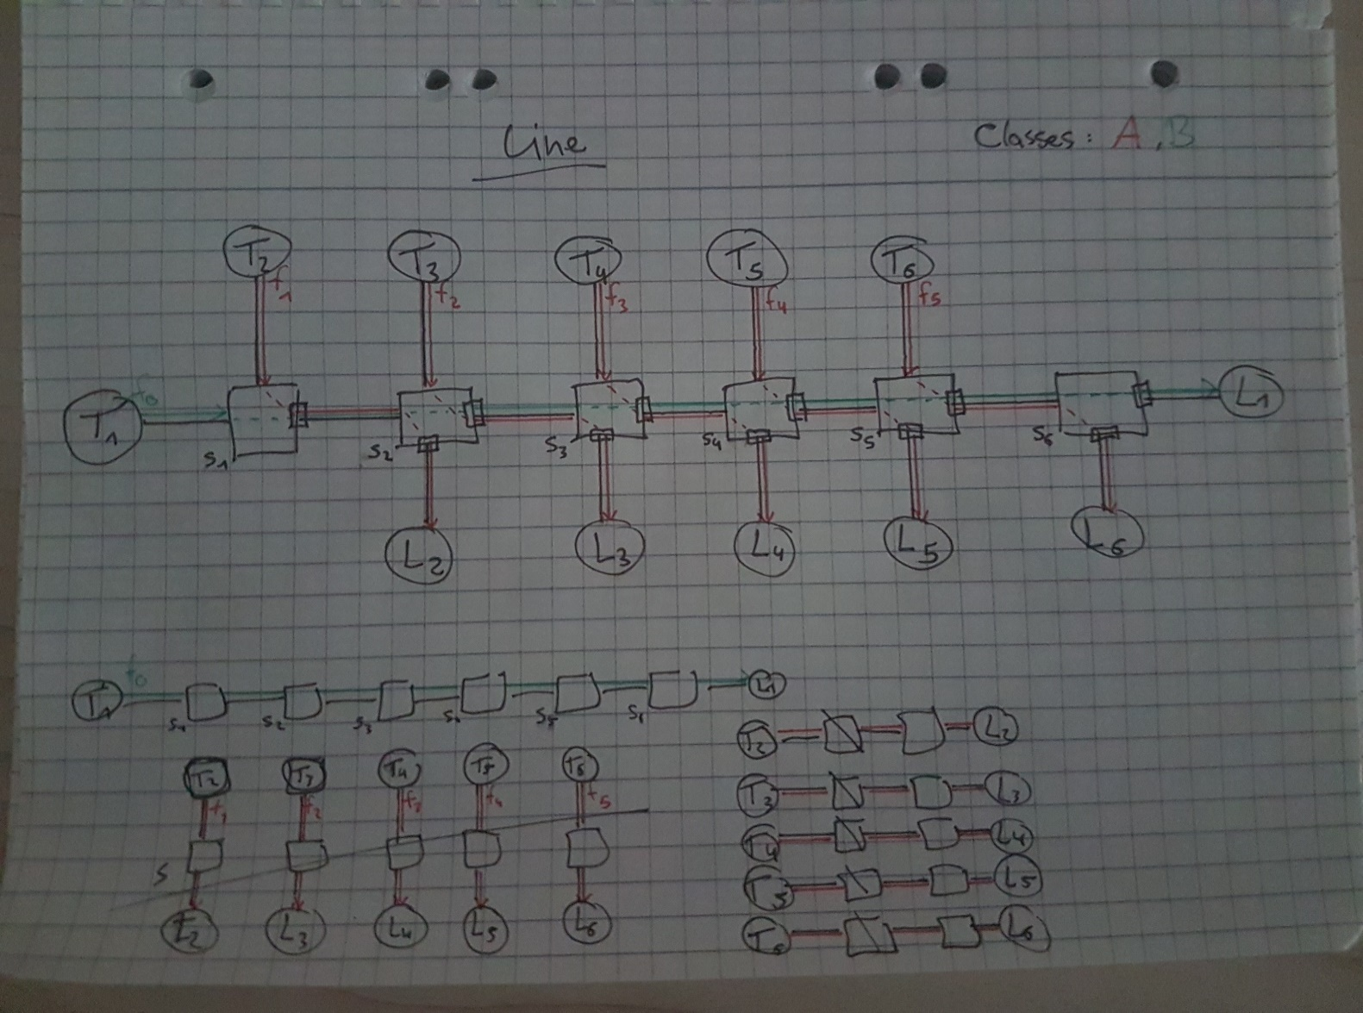
 | Flow 0/foi | MIF | MFS [Byte] | CMI [s] | Link rate | AC b | AC r [Mbit/s]
 | Priority B/1 | 2 | 84 | 0.00025 | 100,000,000.00 | 1271.74656 | 5.376

 | Analysis | Total
 | TFA unshaped | 0.00138236216320000000
 | TFA link shaped | 0.00106000000000000000
foi | TFA CBS shaped | 0.00138236216320000000
 | TFA combined shaped | 0.00106000000000000000
 | SFA | 0.00100479493120000000
 | PMOO | 0.00100479493120000000
 | TMA | 0.00100479493120000000

 | Flows 1-5 | MIF | MFS [Byte] | CMI [s] | Link rate | AC b | AC r [Mbit/s]
 | Priority A/0 | 2 | 84 | 0.000125 | 100,000,000.00 | 1199.49312 | 10.752

 | Analysis | Total
 | TFA unshaped | 0.00039573411840000000
 | TFA link shaped | 0.00030048000000000000
f1 | TFA CBS shaped | 0.00039573411840000000
 | TFA combined shaped | 0.00030048000000000000
 | SFA | 0.00029469972480000000
 | PMOO | 0.00029469972480000000
 | TMA | 0.00029469972480000000

 | Flow 0/foi | MIF | MFS [Byte] | CMI [s] | Link rate | AC b | AC r [Mbit/s]
 | Priority B/1 | 2 | 142 | 0.00025 | 100,000,000.00 | 2069.52064 | 9.088

 | Analysis | Total
 | TFA unshaped | 0.00165050516479999000
 | TFA link shaped | 0.00111568000000000000
foi | TFA CBS shaped | 0.00165050516479999000
 | TFA combined shaped | 0.00111568000000000000
 | SFA | 0.00102067041280000000
 | PMOO | 0.00102067041280000000
 | TMA | 0.00102067041280000000

 | Flows 1-5 | MIF | MFS [Byte] | CMI [s] | Link rate | AC b | AC r [Mbit/s]
 | Priority A/0 | 2 | 84 | 0.000125 | 100,000,000.00 | 1199.49312 | 10.752

 | Analysis | Total
 | TFA unshaped | 0.00039573411840000000
 | TFA link shaped | 0.00030048000000000000
f1 | TFA CBS shaped | 0.00039573411840000000
 | TFA combined shaped | 0.00030048000000000000
 | SFA | 0.00029469972480000000
 | PMOO | 0.00029469972480000000
 | TMA | 0.00029469972480000000

 | Flow 0/foi | MIF | MFS [Byte] | CMI [s] | Link rate | AC b | AC r [Mbit/s]
 | Priority B/1 | 2 | 200 | 0.00025 | 100,000,000.00 | 2790.4 | 12.8

 | Analysis | Total
 | TFA unshaped | 0.00191038080000000000
 | TFA link shaped | 0.00117136000000000000
foi | TFA CBS shaped | 0.00185611520000000000
 | TFA combined shaped | 0.00117136000000000000
 | SFA | 0.00103516800000000000
 | PMOO | 0.00103516800000000000
 | TMA | 0.00103516800000000000

 | Flows 1-5 | MIF | MFS [Byte] | CMI [s] | Link rate | AC b | AC r [Mbit/s]
 | Priority A/0 | 2 | 84 | 0.000125 | 100,000,000.00 | 1199.49312 | 10.752

 | Analysis | Total
 | TFA unshaped | 0.00039573411840000000
 | TFA link shaped | 0.00030048000000000000
f1 | TFA CBS shaped | 0.00039573411840000000
 | TFA combined shaped | 0.00030048000000000000
 | SFA | 0.00029469972480000000
 | PMOO | 0.00029469972480000000
 | TMA | 0.00029469972480000000

 | Flow 0/foi | MIF | MFS [Byte] | CMI [s] | Link rate | AC b | AC r [Mbit/s]
 | Priority B/1 | 2 | 250 | 0.00025 | 100,000,000.00 | 3360 | 16

 | Analysis | Total
 | TFA unshaped | 0.00212777600000000000
 | TFA link shaped | 0.00121935999999999000
foi | TFA CBS shaped | 0.00199107200000000000
 | TFA combined shaped | 0.00121935999999999000
 | SFA | 0.00104656000000000000
 | PMOO | 0.00104656000000000000
 | TMA | 0.00104655999999999000

 | Flows 1-5 | MIF | MFS [Byte] | CMI [s] | Link rate | AC b | AC r [Mbit/s]
 | Priority A/0 | 2 | 84 | 0.000125 | 100,000,000.00 | 1199.49312 | 10.752

 | Analysis | Total
 | TFA unshaped | 0.00039573411840000000
 | TFA link shaped | 0.00030048000000000000
f1 | TFA CBS shaped | 0.00039573411840000000
 | TFA combined shaped | 0.00030048000000000000
 | SFA | 0.00029469972480000000
 | PMOO | 0.00029469972480000000
 | TMA | 0.00029469972480000000

 | Flow 0/foi | MIF | MFS [Byte] | CMI [s] | Link rate | AC b | AC r [Mbit/s]
 | Priority B/1 | 2 | 350 | 0.00025 | 100,000,000.00 | 4345.6 | 22.4

 | Analysis | Total
 | TFA unshaped | 0.00254413439999999000
 | TFA link shaped | 0.00131535999999999000
foi | TFA CBS shaped | 0.00218794879999999000
 | TFA combined shaped | 0.00131535999999999000
 | SFA | 0.00106627200000000000
 | PMOO | 0.00106627200000000000
 | TMA | 0.00106627199999999000

 | Flows 1-5 | MIF | MFS [Byte] | CMI [s] | Link rate | AC b | AC r [Mbit/s]
 | Priority A/0 | 2 | 84 | 0.000125 | 100,000,000.00 | 1199.49312 | 10.752

 | Analysis | Total
 | TFA unshaped | 0.00039573411840000000
 | TFA link shaped | 0.00030048000000000000
f1 | TFA CBS shaped | 0.00039573411840000000
 | TFA combined shaped | 0.00030048000000000000
 | SFA | 0.00029469972480000000
 | PMOO | 0.00029469972480000000
 | TMA | 0.00029469972480000000

 | Flow 0/foi | MIF | MFS [Byte] | CMI [s] | Link rate | AC b | AC r [Mbit/s]
 | Priority B/1 | 2 | 500 | 0.00025 | 100,000,000.00 | 5439.99 | 32

 | Analysis | Total
 | TFA unshaped | 0.00312259200000000000
 | TFA link shaped | 0.00145936000000000000
foi | TFA CBS shaped | 0.00242348799999999000
 | TFA combined shaped | 0.00145936000000000000
 | SFA | 0.00108815980000000000
 | PMOO | 0.00108815980000000000
 | TMA | 0.00108815980000000000

 | Flows 1-5 | MIF | MFS [Byte] | CMI [s] | Link rate | AC b | AC r [Mbit/s]
 | Priority A/0 | 2 | 84 | 0.000125 | 100,000,000.00 | 1199.49312 | 10.752

 | Analysis | Total
 | TFA unshaped | 0.00039573411840000000
 | TFA link shaped | 0.00030048000000000000
f1 | TFA CBS shaped | 0.00039573411840000000
 | TFA combined shaped | 0.00030048000000000000
 | SFA | 0.00029469972480000000
 | PMOO | 0.00029469972480000000
 | TMA | 0.00029469972480000000

 | Flow 0/foi | MIF | MFS [Byte] | CMI [s] | Link rate | AC b | AC r [Mbit/s]
 | Priority B/1 | 2 | 600 | 0.00025 | 100,000,000.00 | 5913.6 | 38

 | Analysis | Total
 | TFA unshaped | 0.00347751039999999000
 | TFA link shaped | 0.00155536000000000000
foi | TFA CBS shaped | 0.00256034560000000000
 | TFA combined shaped | 0.00155536000000000000
 | SFA | 0.00109763200000000000
 | PMOO | 0.00109763200000000000
 | TMA | 0.00109763199999999000

 | Flows 1-5 | MIF | MFS [Byte] | CMI [s] | Link rate | AC b | AC r [Mbit/s]
 | Priority A/0 | 2 | 84 | 0.000125 | 100,000,000.00 | 1199.49312 | 10.752

 | Analysis | Total
 | TFA unshaped | 0.00039573411840000000
 | TFA link shaped | 0.00030048000000000000
f1 | TFA CBS shaped | 0.00039573411840000000
 | TFA combined shaped | 0.00030048000000000000
 | SFA | 0.00029469972480000000
 | PMOO | 0.00029469972480000000
 | TMA | 0.00029469972480000000

 | Flow 0/foi | MIF | MFS [Byte] | CMI [s] | Link rate | AC b | AC r [Mbit/s]
 | Priority B/1 | 2 | 700 | 0.00025 | 100,000,000.00 | 6182.4 | 44.8

 | Analysis | Total
 | TFA unshaped | 0.00380785280000000000
 | TFA link shaped | 0.00165136000000000000
foi | TFA CBS shaped | 0.00268901120000000000
 | TFA combined shaped | 0.00165136000000000000
 | SFA | 0.00110300800000000000
 | PMOO | 0.00110300800000000000
 | TMA | 0.00110300800000000000

 | Flows 1-5 | MIF | MFS [Byte] | CMI [s] | Link rate | AC b | AC r [Mbit/s]
 | Priority A/0 | 2 | 84 | 0.000125 | 100,000,000.00 | 1199.49312 | 10.752

 | Analysis | Total
 | TFA unshaped | 0.00039573411840000000
 | TFA link shaped | 0.00030048000000000000
f1 | TFA CBS shaped | 0.00039573411840000000
 | TFA combined shaped | 0.00030048000000000000
 | SFA | 0.00029469972480000000
 | PMOO | 0.00029469972480000000
 | TMA | 0.00029469972480000000

 | Flow 0/foi | MIF | MFS [Byte] | CMI [s] | Link rate | AC b | AC r [Mbit/s]
 | Priority B/1 | 2 | 780 | 0.00025 | 100,000,000.00 | 6249.984 | 49.99

 | Analysis | Total
 | TFA unshaped | 0.00405443200000000000
 | TFA link shaped | 0.00172815999999999000
foi | TFA CBS shaped | 0.00278604543999999000
 | TFA combined shaped | 0.00172815999999999000
 | SFA | 0.00110435968000000000
 | PMOO | 0.00110435968000000000
 | TMA | 0.00110435968000000000

 | Flows 1-5 | MIF | MFS [Byte] | CMI [s] | Link rate | AC b | AC r [Mbit/s]
 | Priority A/0 | 2 | 84 | 0.000125 | 100,000,000.00 | 1199.49312 | 10.752

 | Analysis | Total
 | TFA unshaped | 0.00039573411840000000
 | TFA link shaped | 0.00030048000000000000
f1 | TFA CBS shaped | 0.00039573411840000000
 | TFA combined shaped | 0.00030048000000000000
 | SFA | 0.00029469972480000000
 | PMOO | 0.00029469972480000000
 | TMA | 0.00029469972480000000

Vergleich_CMI250_Delays
 | TFA unshaped | TFA link shaped | TFA CBS shaped | TFA combined shaped | SFA/PMOOA/TMA
84 | 0.00138236216320000000 | 0.00106000000000000000 | 0.00138236216320000000 | 0.00106000000000000000 | 0.00100479493120000000
142 | 0.00165050516479999000 | 0.00111568000000000000 | 0.00165050516479999000 | 0.00111568000000000000 | 0.00102067041280000000
200 | 0.00191038080000000000 | 0.00117136000000000000 | 0.00185611520000000000 | 0.00117136000000000000 | 0.00103516800000000000
250 | 0.00212777600000000000 | 0.00121935999999999000 | 0.00199107200000000000 | 0.00121935999999999000 | 0.00104656000000000000
350 | 0.00254413439999999000 | 0.00131535999999999000 | 0.00218794879999999000 | 0.00131535999999999000 | 0.00106627200000000000
500 | 0.00312259200000000000 | 0.00145936000000000000 | 0.00242348799999999000 | 0.00145936000000000000 | 0.00108815980000000000
600 | 0.00347751039999999000 | 0.00155536000000000000 | 0.00256034560000000000 | 0.00155536000000000000 | 0.00109763200000000000
700 | 0.00380785280000000000 | 0.00165136000000000000 | 0.00268901120000000000 | 0.00165136000000000000 | 0.00110300800000000000
780 | 0.00405443200000000000 | 0.00172815999999999000 | 0.00278604543999999000 | 0.00172815999999999000 | 0.00110435968000000000

Vergleich_CMI250_Rate_Burst
 | Rate r | Burst b
84 | 5.376 | 1271.74656
142 | 9.088 | 2069.52064
200 | 12.8 | 2790.4
250 | 16 | 3360
350 | 22.4 | 4345.6
500 | 32 | 5439.99
600 | 38 | 5913.6
700 | 44.8 | 6182.4
780 | 49.99 | 6249.984

Vergleich_CMI500_Burst_Rate
 | Rate r | Burst b
84 | 2.688 | 1307.87328
142 | 4.544 | 2168.76032
200 | 6.4 | 2995.2
250 | 8 | 3680
350 | 11.2 | 4972.8
500 | 16 | 6720
600 | 19.2 | 7756.8
700 | 22.4 | 8691.2
780 | 24.96 | 9364.992
1000 | 32 | 10879.99
1250 | 40 | 12000
1542 | 49.344 | 12497.84

Vergleich_CMI500_Delays
 | TFA unshaped | TFA link shaped | TFA CBS shaped | TFA combined shaped | SFA/PMOOA/TMA
84 | 0.00126150108160000000 | 0.00106000000000000000 | 0.00126150108160000000 | 0.00106000000000000000 | 0.00100551746560000000
142 | 0.00145125258239999000 | 0.00111568000000000000 | 0.00145125258239999000 | 0.00111568000000000000 | 0.00102273520640000000
200 | 0.00163687039999999000 | 0.00117136000000000000 | 0.00163687039999999000 | 0.00117136000000000000 | 0.00103926400000000000
250 | 0.00179356799999999000 | 0.00121935999999999000 | 0.00179356799999999000 | 0.00121935999999999000 | 0.00105296000000000000
350 | 0.00209774719999999000 | 0.00131535999999999000 | 0.00206748799999999000 | 0.00131535999999999000 | 0.00107881600000000000
500 | 0.00253097600000000000 | 0.00145936000000000000 | 0.00237267200000000000 | 0.00145936000000000000 | 0.00111376000000000000
600 | 0.00280443520000000000 | 0.00155536000000000000 | 0.00253975040000000000 | 0.00155536000000000000 | 0.00113449600000000000
700 | 0.00306560640000000000 | 0.00165136000000000000 | 0.00270068480000000000 | 0.00165136000000000000 | 0.00115318400000000000
780 | 0.00326569600000000000 | 0.00172815999999999000 | 0.00282500864000000000 | 0.00172815999999999000 | 0.00116665984000000000
1000 | 0.00377539199999999000 | 0.00193936000000000000 | 0.00312108799999999000 | 0.00193936000000000000 | 0.00119695980000000000
1250 | 0.00428240000000000000 | 0.00217936000000000000 | 0.00343328000000000000 | 0.00217936000000000000 | 0.00121936000000000000
1542 | 0.00477734794239999000 | 0.00245968000000000000 | 0.00376550778879999000 | 0.00245968000000000000 | 0.00122931696640000000

Vergleich_Rate_Burst
 | Rate r CMI 250us | Rate r CMI 500us | Burst b CMI 250us | Burst b CMI 500us
84 | 5.376 | 2.688 | 1271.74656 | 1307.87328
142 | 9.088 | 4.544 | 2069.52064 | 2168.76032
200 | 12.8 | 6.4 | 2790.4 | 2995.2
250 | 16 | 8 | 3360 | 3680
350 | 22.4 | 11.2 | 4345.6 | 4972.8
500 | 32 | 16 | 5439.99 | 6720
600 | 38 | 19.2 | 5913.6 | 7756.8
700 | 44.8 | 22.4 | 6182.4 | 8691.2
780 | 49.99 | 24.96 | 6249.984 | 9364.992
1000 |  | 32 |  | 10879.99
1250 |  | 40 |  | 12000
1542 |  | 49.344 |  | 12497.84

