DoubleStar
Double Star

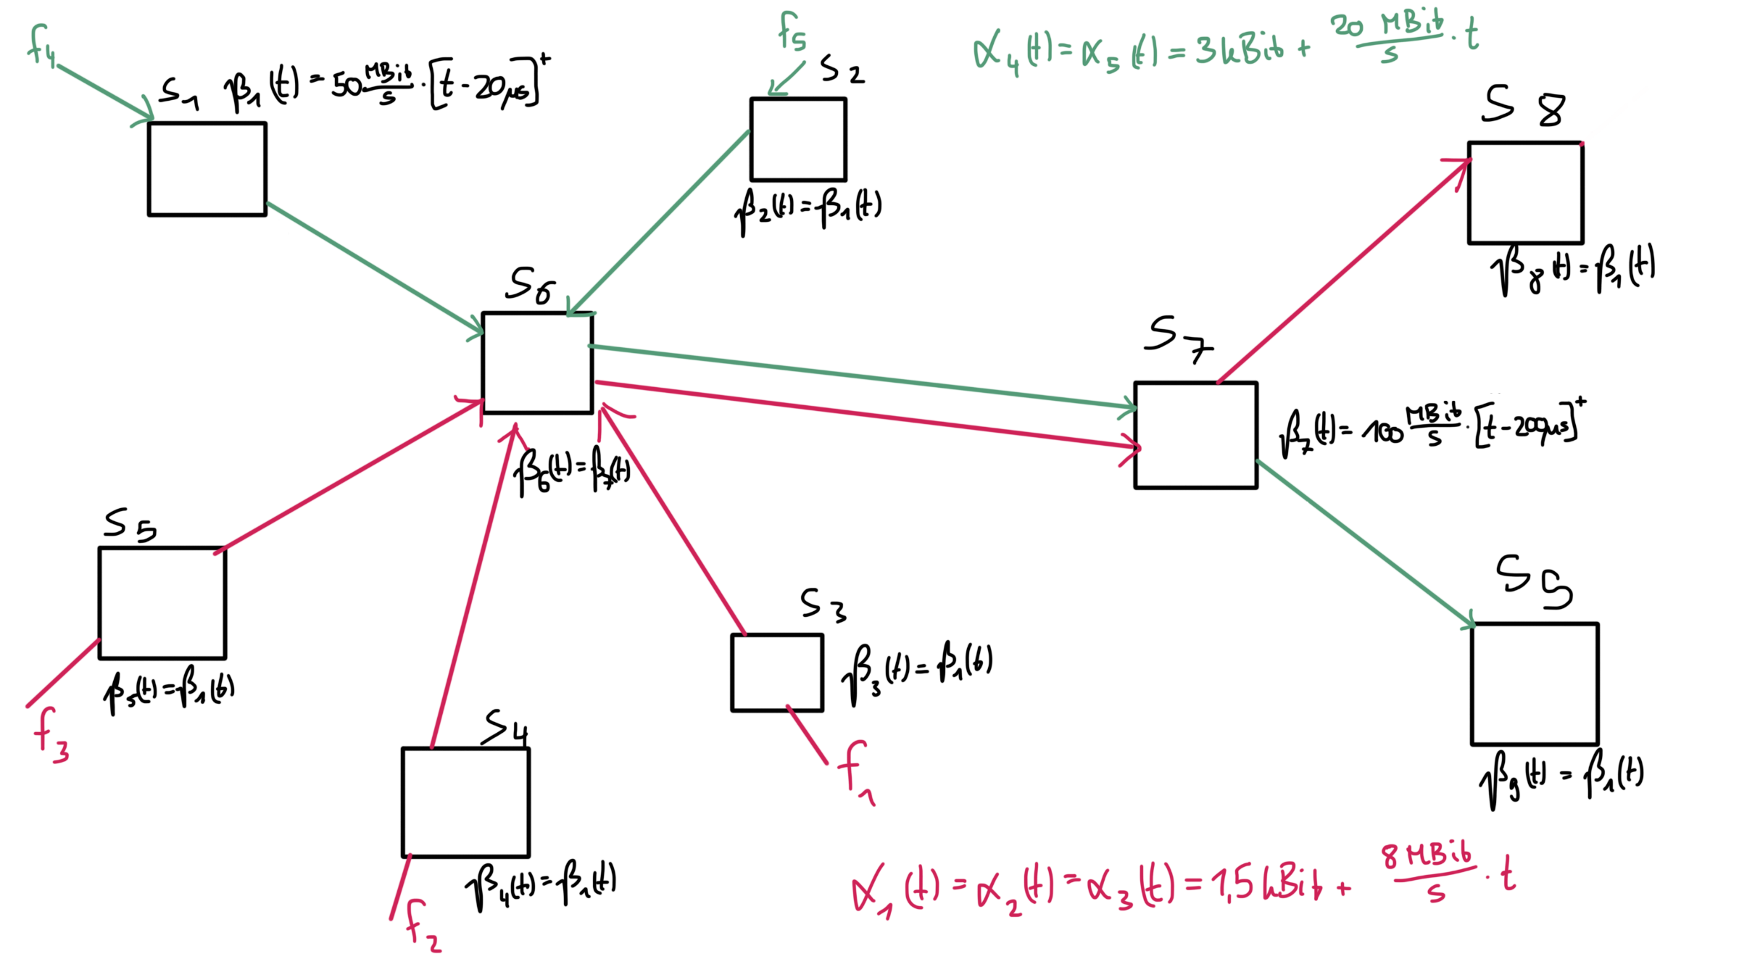

TFA (FIFO) |  |  |  |  |  | SFA (FIFO)
Delay [s] | Flow 1 | Flow 2 | Flow 3 | Flow 4 | Flow 5 | Bound | Flow 1 | Flow 2 | Flow 3 | Flow 4 | Flow 5
S1 | 0.00000000 | 0.00000000 | 0.00000000 | 0.00008000 | 0.00000000 | Delay [s] | 0.00232 | 0.00232 | 0.00232 | 0.00194 | 0.00194
S2 | 0.00000000 | 0.00000000 | 0.00000000 | 0.00000000 | 0.00008000 | Backlog [Bit] | 19725.46813 | 19725.46813 | 19725.46813 | 39744.11028 | 39744.11028
S3 | 0.00005000 | 0.00000000 | 0.00000000 | 0.00000000 | 0.00000000
S4 | 0.00000000 | 0.00005000 | 0.00000000 | 0.00000000 | 0.00000000 | PMOO (FIFO)
S5 | 0.00000000 | 0.00000000 | 0.00005000 | 0.00000000 | 0.00000000 | Bound | Flow 1 | Flow 2 | Flow 3 | Flow 4 | Flow 5
S6 | 0.00088278 | 0.00088278 | 0.00088278 | 0.00088278 | 0.00088278 | Delay [s] | 0.00145 | 0.00145 | 0.00145 | 0.00142 | 0.00142
S7 | 0.00123833 | 0.00123833 | 0.00123833 | 0.00123833 | 0.00123833 | Backlog [Bit] | 12747.05882 | 12747.05882 | 12747.05882 | 29386.66667 | 29386.66667
S8 | 0.00125688 | 0.00125688 | 0.00125688 | 0.00000000 | 0.00000000
S9 | 0.00000000 | 0.00000000 | 0.00000000 | 0.00397368 | 0.00397368 | TMA (FIFO)
System | 0.00342799 | 0.00342799 | 0.00342799 | 0.00617480 | 0.00617480 | Bound | Flow 1 | Flow 2 | Flow 3 | Flow 4 | Flow 5
 |  |  |  |  |  | Delay [s] | 0.00145 | 0.00145 | 0.00145 | 0.00142 | 0.00142
Backlog [Bit] | Flow 1 | Flow 2 | Flow 3 | Flow 4 | Flow 5 | Backlog [Bit] | 12747.05882 | 12747.05882 | 12747.05882 | 29386.66667 | 29386.66667
S1 | 0.00000 | 0.00000 | 0.00000 | 3400.00000 | 0.00000
S2 | 0.00000 | 0.00000 | 0.00000 | 0.00000 | 3400.00000
S3 | 1660.00000 | 0.00000 | 0.00000 | 0.00000 | 0.00000
S4 | 0.00000 | 1660.00000 | 0.00000 | 0.00000 | 0.00000
S5 | 0.00000 | 0.00000 | 1660.00000 | 0.00000 | 0.00000
S6 | 24580.00000 | 24580.00000 | 24580.00000 | 24580.00000 | 24580.00000
S7 | 37380.00000 | 37380.00000 | 37380.00000 | 37380.00000 | 37380.00000
S8 | 32158.94737 | 32158.94737 | 32158.94737 | 0.00000 | 0.00000
S9 | 0.00000 | 0.00000 | 0.00000 | 39536.84211 | 39536.84211
System | 37380.00000 | 37380.00000 | 37380.00000 | 39536.84211 | 39536.84211

Tree
 | Tree

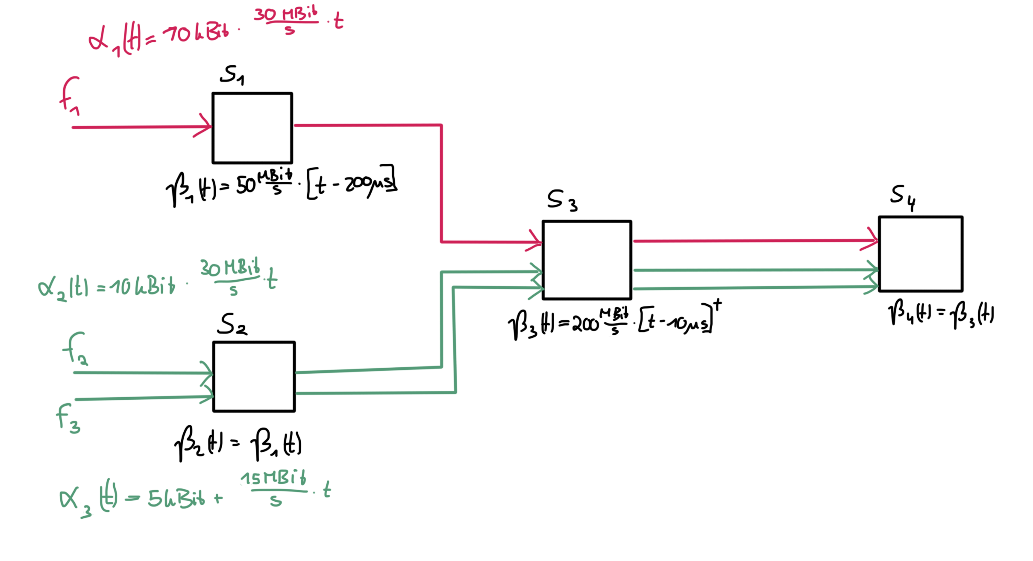

TFA (FIFO) |  |  |  | SFA (FIFO)
Delay [s] | Flow 1 | Flow 2 | Flow 3 | Bound | Flow 1 | Flow 2 | Flow 3
S1 | 0.00040000 | 0.00000000 | 0.00000000 | Delay [s] | 0.00074 | 0.00174 | 0.00105
S2 | 0.00000000 | 0.00500000 | 0.00500000 | Backlog [Bit] | 26151.61290 | 27350.00000 | 33008.75576
S3 | 0.00033600 | 0.00033600 | 0.00033600
S4 | 0.00034200 | 0.00034200 | 0.00034200 | PMOO (FIFO)
System | 0.00107800 | 0.00567800 | 0.00567800 | Bound | Flow 1 | Flow 2 | Flow 3
 |  |  |  | Delay [s] | 0.00092 | 0.00213 | 0.00122
Backlog [Bit] | Flow 1 | Flow 2 | Flow 3 | Backlog [Bit] | 31540.00000 | 33200.00000 | 37942.85714
S1 | 16000 | 0 | 0
S2 | 0 | 24000 | 24000 | TMA (FIFO)
S3 | 40750 | 40750 | 40750 | Bound | Flow 1 | Flow 2 | Flow 3
S4 | 41500 | 41500 | 41500 | Delay [s] | 0.00058 | 0.00151 | 0.00089
System | 41500 | 41500 | 41500 | Backlog [Bit] | 21419.35484 | 23857.14286 | 28276.49770

