DoubleStar
Double Star

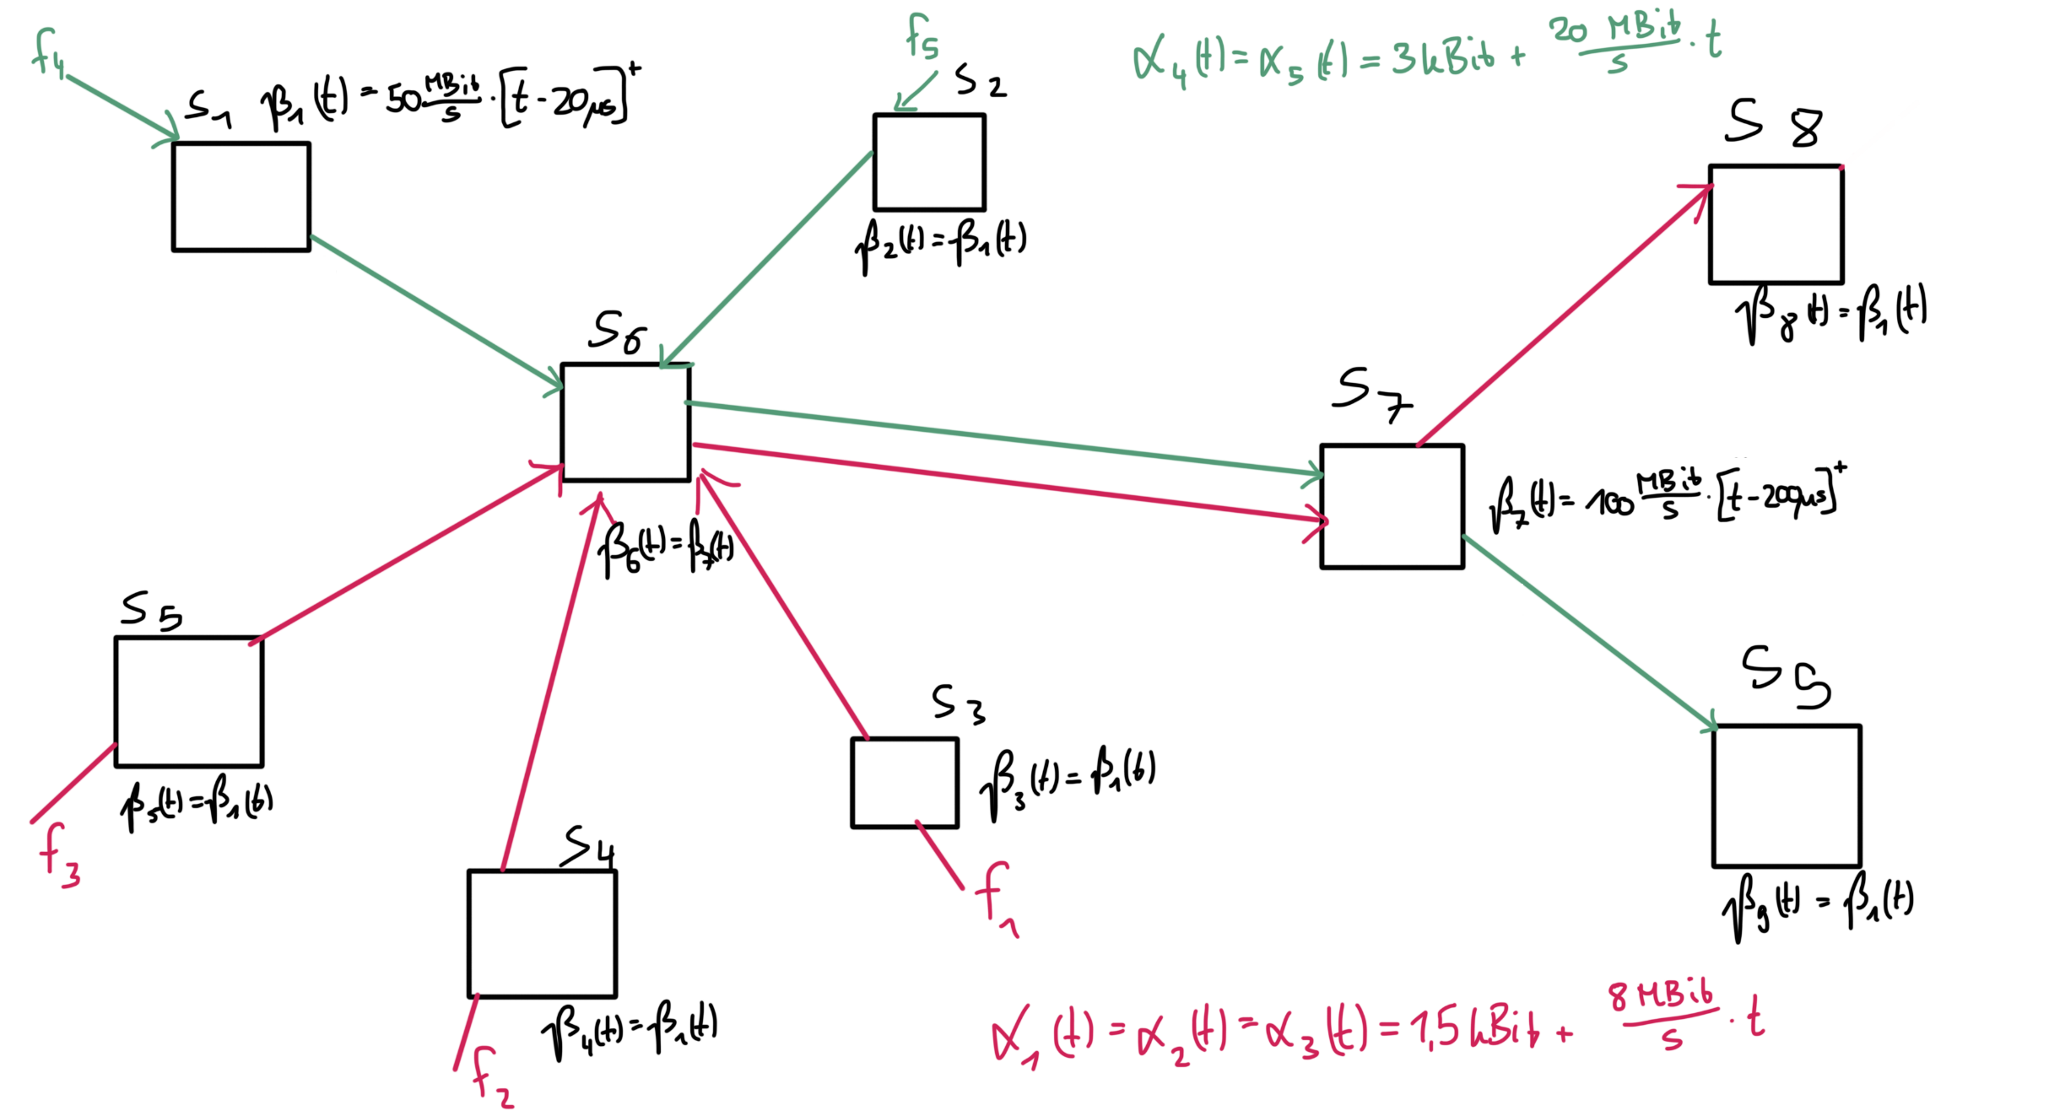

TFA (FIFO) |  |  |  |  |  | SFA (FIFO)
Delay [s] | Flow 1 | Flow 2 | Flow 3 | Flow 4 | Flow 5 | Bound | Flow 1 | Flow 2 | Flow 3 | Flow 4 | Flow 5
S1 | 0.00000000 | 0.00000000 | 0.00000000 | 0.00008000 | 0.00000000 | Delay [s] | 0.00232 | 0.00232 | 0.00232 | 0.00194 | 0.00194
S2 | 0.00000000 | 0.00000000 | 0.00000000 | 0.00000000 | 0.00008000 | Backlog [Bit] | 19725.46813 | 19725.46813 | 19725.46813 | 39744.11028 | 39744.11028
S3 | 0.00005000 | 0.00000000 | 0.00000000 | 0.00000000 | 0.00000000
S4 | 0.00000000 | 0.00005000 | 0.00000000 | 0.00000000 | 0.00000000 | PMOO (FIFO)
S5 | 0.00000000 | 0.00000000 | 0.00005000 | 0.00000000 | 0.00000000 | Bound | Flow 1 | Flow 2 | Flow 3 | Flow 4 | Flow 5
S6 | 0.00088278 | 0.00088278 | 0.00088278 | 0.00088278 | 0.00088278 | Delay [s] | 0.00145 | 0.00145 | 0.00145 | 0.00142 | 0.00142
S7 | 0.00123833 | 0.00123833 | 0.00123833 | 0.00123833 | 0.00123833 | Backlog [Bit] | 12747.05882 | 12747.05882 | 12747.05882 | 29386.66667 | 29386.66667
S8 | 0.00125688 | 0.00125688 | 0.00125688 | 0.00000000 | 0.00000000
S9 | 0.00000000 | 0.00000000 | 0.00000000 | 0.00397368 | 0.00397368 | TMA (FIFO)
System | 0.00342799 | 0.00342799 | 0.00342799 | 0.00617480 | 0.00617480 | Bound | Flow 1 | Flow 2 | Flow 3 | Flow 4 | Flow 5
 |  |  |  |  |  | Delay [s] | 0.00145 | 0.00145 | 0.00145 | 0.00142 | 0.00142
Backlog [Bit] | Flow 1 | Flow 2 | Flow 3 | Flow 4 | Flow 5 | Backlog [Bit] | 12747.05882 | 12747.05882 | 12747.05882 | 29386.66667 | 29386.66667
S1 | 0.00000 | 0.00000 | 0.00000 | 3400.00000 | 0.00000
S2 | 0.00000 | 0.00000 | 0.00000 | 0.00000 | 3400.00000
S3 | 1660.00000 | 0.00000 | 0.00000 | 0.00000 | 0.00000
S4 | 0.00000 | 1660.00000 | 0.00000 | 0.00000 | 0.00000
S5 | 0.00000 | 0.00000 | 1660.00000 | 0.00000 | 0.00000
S6 | 24580.00000 | 24580.00000 | 24580.00000 | 24580.00000 | 24580.00000
S7 | 37380.00000 | 37380.00000 | 37380.00000 | 37380.00000 | 37380.00000
S8 | 32158.94737 | 32158.94737 | 32158.94737 | 0.00000 | 0.00000
S9 | 0.00000 | 0.00000 | 0.00000 | 39536.84211 | 39536.84211
System | 37380.00000 | 37380.00000 | 37380.00000 | 39536.84211 | 39536.84211

Tree
Tree

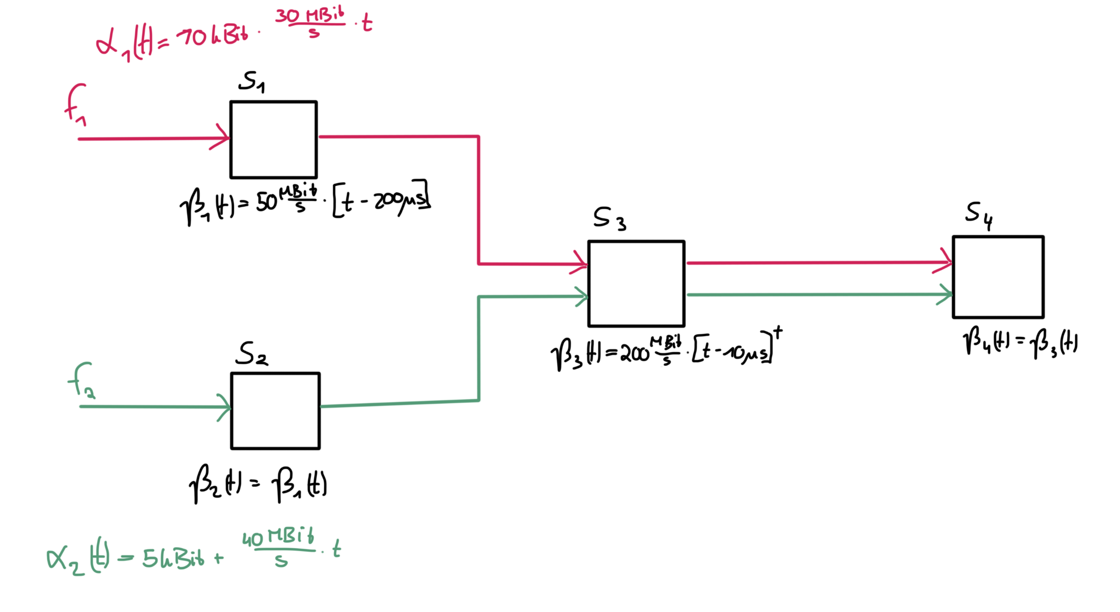

 | TFA (FIFO) |  |  | SFA (FIFO)
 | Delay [s] | Flow 1 | Flow 2 | Bound | Flow 1 | Flow 2
 | S1 | 0.00040000 | 0.00000000 | Delay [s] | 0.00059 | 0.00051
 | S2 | 0.00000000 | 0.00030000 | Backlog [Bit] | 21700.00000 | 21541.17647
 | S3 | 0.00023846 | 0.00023846
 | S4 | 0.00024385 | 0.00024385 | PMOO (FIFO)
 | System | 0.00088231 | 0.00078231 | Bound | Flow 1 | Flow 2
 |  |  |  | Delay [s] | 0.00070 | 0.00065
 | Backlog [Bit] | Flow 1 | Flow 2 | Backlog [Bit] | 24880.00000 | 27080.00000
 | S1 | 16000.00000000 | 0.00000000
 | S2 | 0.00000000 | 13000.00000000 | TMA (FIFO)
 | S3 | 29700.00000000 | 29700.00000000 | Bound | Flow 1 | Flow 2
 | S4 | 30400.00000000 | 30400.00000000 | Delay [s] | 0.00051 | 0.00042
 | System | 76100.00000000 | 73100.00000000 | Backlog [Bit] | 19187.50000 | 17705.88235

