Activity
When? (use [CTRL] + [;] to enter date) | In short, what did you do? | Duration (hours) | Provide the details (include steps taken, actions, links when possible) | Total Worktime | Images

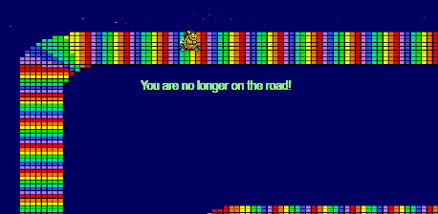
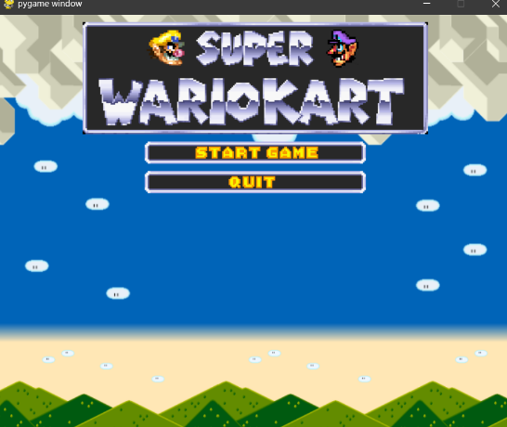
2023-11-27 | Create basic template with config support | 1:00:00 | I made the first bit of code so we could start the project. One central config file would be smart so we decided to add it. | 65:30:00
2023-11-27 | Create basic sprite system | 2:00:00 | I made the beginning of the sprite system. The sprites of the player can now be changed with an index.
2023-11-27 | Animate sprites so we know shifting sprites works | 3:00:00 | I decided to animate the sprites so I knew sprite animations where achievable in a short period of time. This took a hot second but I managed to pull it off
2023-11-27 | Replace animations with keydown events so sprite is based on movement | 2:00:00 | The player is no longer animated, the sprites are now switched if we press W/A/S/D. This is good because now we have more of a convincing game.
2023-11-27 | Add respawn system (move player based on pixel color) | 2:00:00 | The game now detects if there is a certain 'respawn color' right under the player. If there is, it will respawn the player and show some text with a 3 second duration
2023-11-27 | Add sound mixer so sound can be played | 2:00:00 | I wanted sound if the player was respawning so I added a simple sound mixer. It can only load, play and stop as of now.
2023-11-28 | Create event manager | 2:00:00 | Today I wanted to 'simplify' player events, such as respawning. It took some time but the event manager worked.
2023-11-28 | Improve respawn system | 2:00:00 | With the new event manager I needed to change the way the respawn system worked. It now works like a charm.
2023-11-28 | polish the code | 2:00:00 | I decided to clean up our project. This means remove unnesserary code from the code I have written and move files into folders instead of having everything in our root.
2023-11-28 | improve music mixer by using separate audio channels | 2:00:00 | With the new respawn system there came an issue regarding the music mixer, sound could be stacked. This is why I introduced sound channels and the music mixer's very own class. - Music can now be paused, resumed and looped. Stopping can now be done by both song/object and channelid.
2023-11-28 | Managed and improved planning | 2:00:00 | Since the beginning of today we had our planning on Github. At the end of the day we were fully utilizing "Issues" to see what we did, what we needed to, and what we are currently doing.
2023-11-29 | Tried to implement camera and map system | 3:00:00 | I tried to implement the camera and map system. But I couldn't concentrate well. Right after I needed to go to school for a meeting.
2023-11-29 | Implemented player boost on left shift | 1:00:00 | When I came home I quickly introduced player boosts. I could concentrate again! :D
2023-11-29 | Removed bug; riding out of the defined window size is no longer possible. | 2:00:00 | With my new found concentration I squashed a bug. This way, regardless of if we have a camera or not we would never crash because of an out of bounds error.
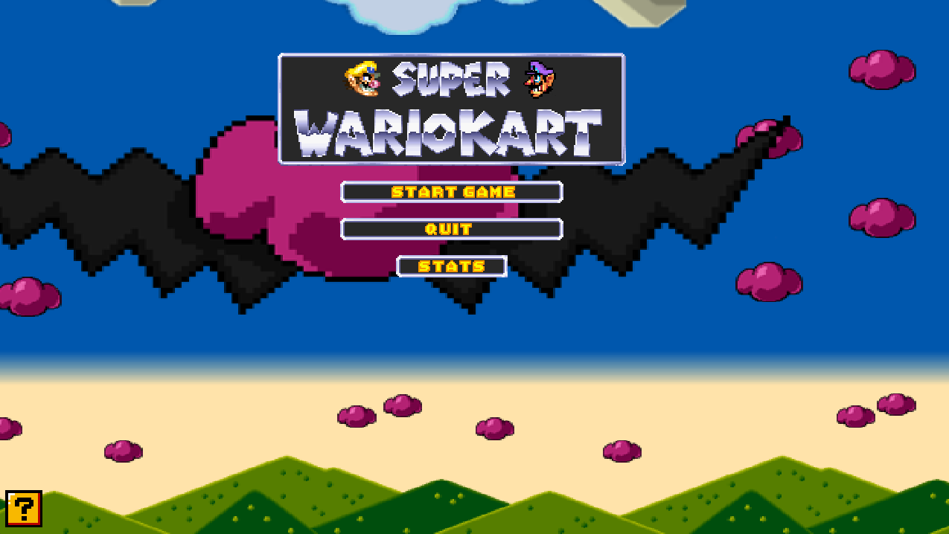
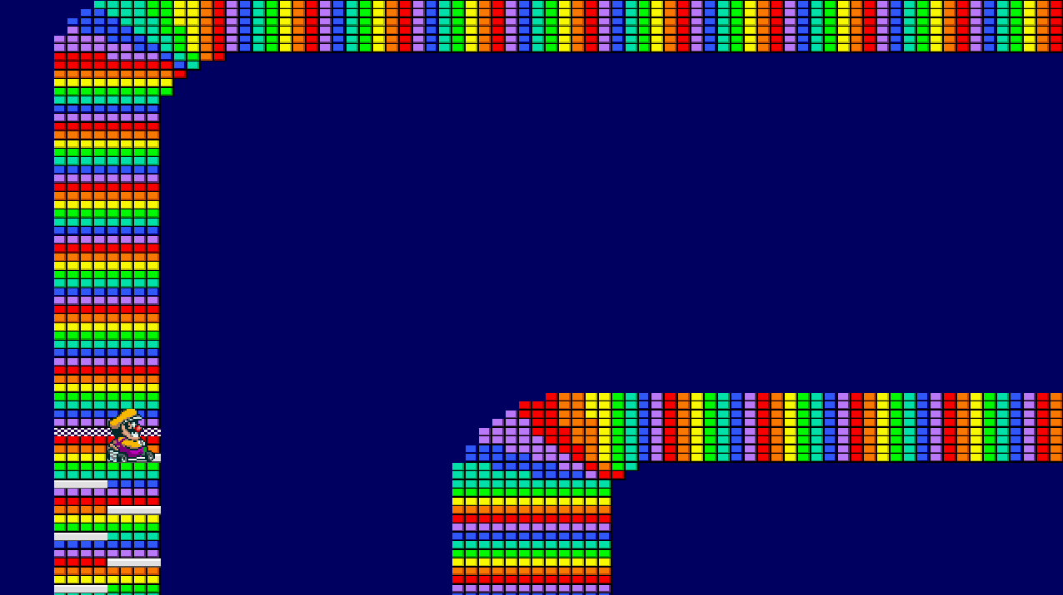
2023-11-29 | You can trigger the menu by pressing escape while in game | 0:30:00 | Menu now opens if you press escape. Menu buttons don’t entirly work yet in this state (do work if the menu is triggered before playing)
2023-11-30 | Added new player sprite (Wario) | 1:00:00 | I just added a new sprite. Photoshop was required in order to get the right format. This took longer then expected but it works.
2023-11-30 | Added new player respawn sound (Wario) | 0:30:00 | Quickly changed the respawn system so it uses a new respawn sound. This sound is acurate to the player sprite.
2023-11-30 | Added game icon | 0:30:00 | I added a game icon, this makes the game a tiny bit prettier.
2023-11-30 | Adjust player speed if moving diagonally | 2:00:00 | With gradual movement and a player boost on the shift key the player obviously shouldn't speed through turns. If they would they would, probably, go off-track faster then intended
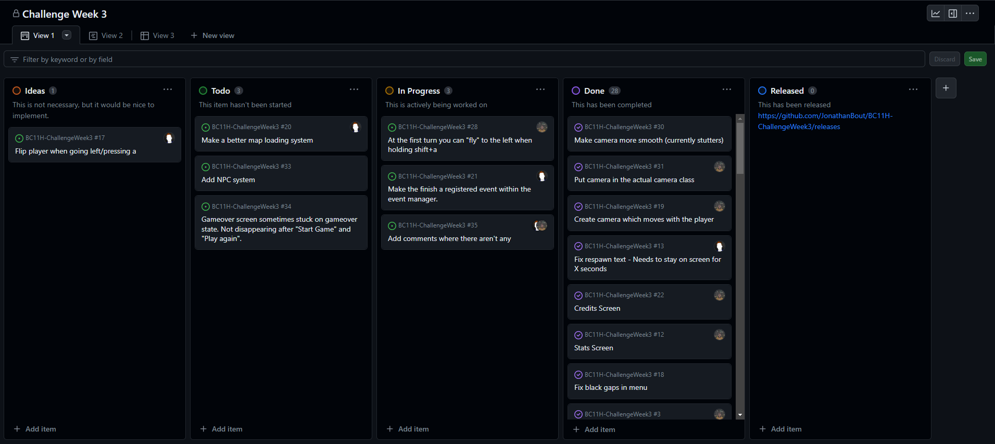
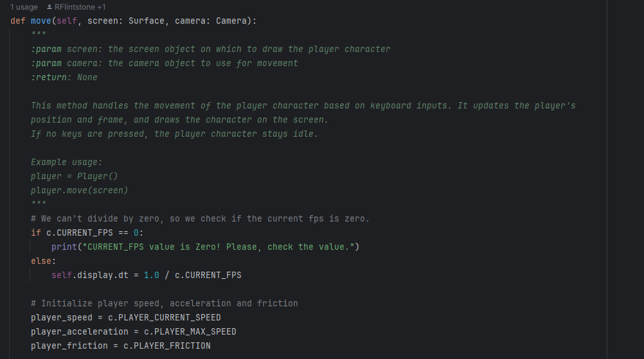
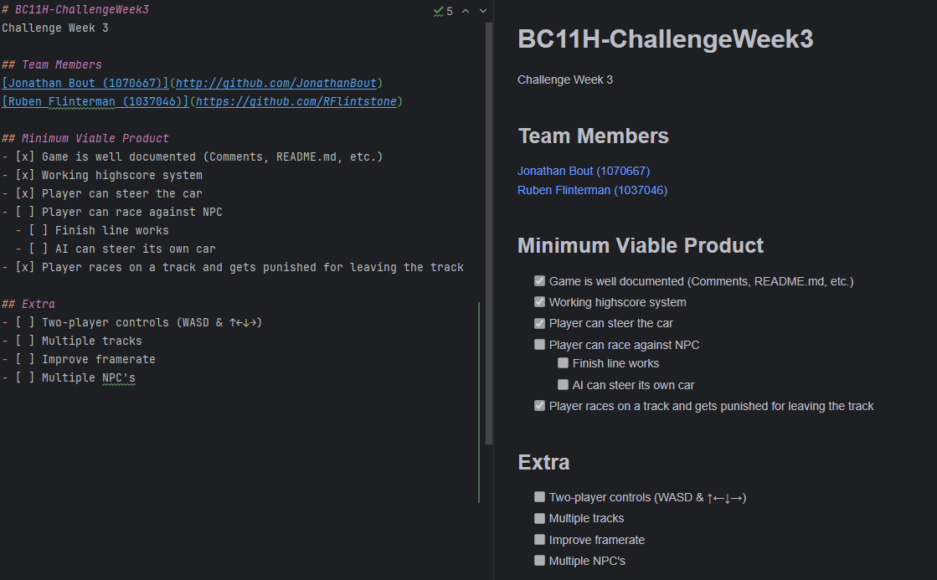
2023-11-30 | Fix gradual player movement | 1:00:00 | The gradual movement had a small 'stutter' bug in it. This issue is now solved by introducing integer rounding and always setting the player speed to 0 if the player doesn't press any keys. - The gradual movement is only really noticable when you just start boosting.
2023-11-30 | Finally worked on my logbook. | 1:00:00 | Filled in my logbook by looking at the Github entries. I had saved the times I started and ended (hours worked) so I can fill it in accurately .
2023-11-30 | Added track music | 0:30:00 | Rainbow Road time! - Music stops when the player is either gameover or, theoretially, finishes!
2023-11-30 | Bug fixing with Jonathan | 2:00:00 | Finding and squashing bugs with Jonathan. Such as but not limited to 1) Audio not looping and 2) flying off the track without the respawn system triggering
2023-12-01 | Improved code documentation + moved some code | 2:00:00 | Added documentation, moved code, and tested the game multiple times to make sure everything still worked. Also added some items to the kanban board we have on Github.
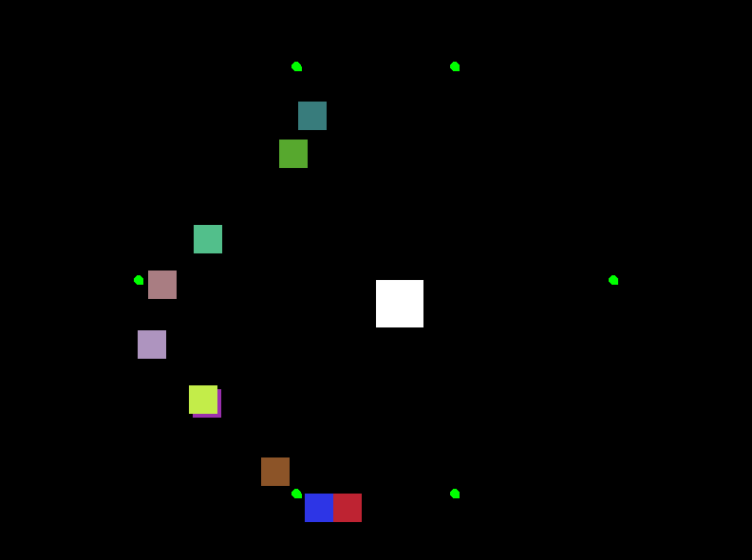
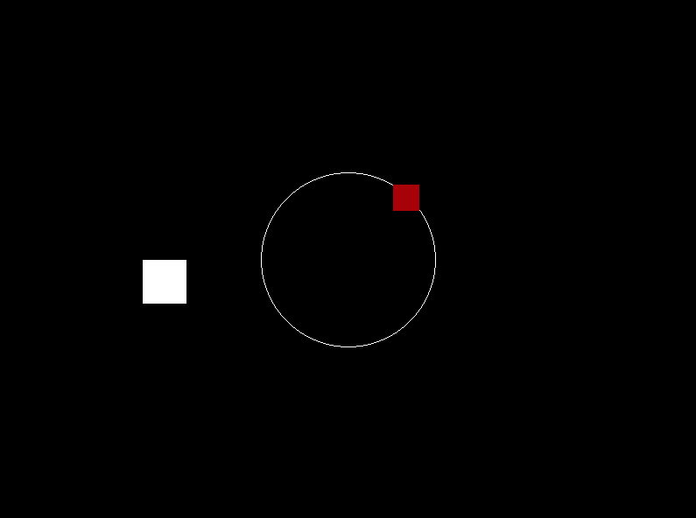
2023-12-01 | Updated my logbook | 0:30:00 | Added some items and images
2023-12-01 | Added finish line | 4:00:00 | Adding the finish line took some time as I needed to chane both the code and the map. I also added and fixed each sound for each finished lap and for when you actually finish.
2023-12-01 | Researched and played with AI so we can make a player 2 | 3:00:00 | Did research on AI with pygame and tested example code. If you look at the image on the right you will see that I got test code working that an AI follows a certain path. (A hexagon with actual points it follows and a circle which follows an algorithm to make a circle)


2023-12-02 | Meeting with Jonathan regarding what we could do in the relatively short period of time we have left | 0:30:00 | Jonathan said he wont be offline tomorrow (3/12/23) and won't be able to work most of today (02/12/2023). We settled on bug fixing.
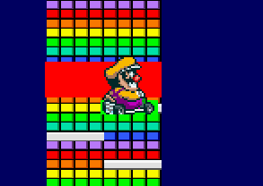
2023-12-02 | Improving code and bug searching (mainly so the finish works correctly) | 6:00:00 | Trying to improve code by using "rects" as hitboxes. This works much better then the old system where we check for pixel color. (This, most likely, won't replace the respawn system as we would need to place rects manually) - If you look at the image at the right you see the player and finish hitbox in the colors green and red respectively.
2023-12-02 | Made demo for opencv so we can use it for dynamic map colision checks | 1:00:00 | idea is to pass a partly transparant image. OpenCV will process the image with blur and make everything a rectangle. Then we join all rectangles and make it a custom rect. This works!
2023-12-02 | Trying to intergrate dynamic map colision into game | 3:00:00 | This is an interesting issue. As of now it doesn't work yet, but it's a gold mine for learning new stuff! - Edit: it works!!! Learned a bit how OpenCV works in the process!
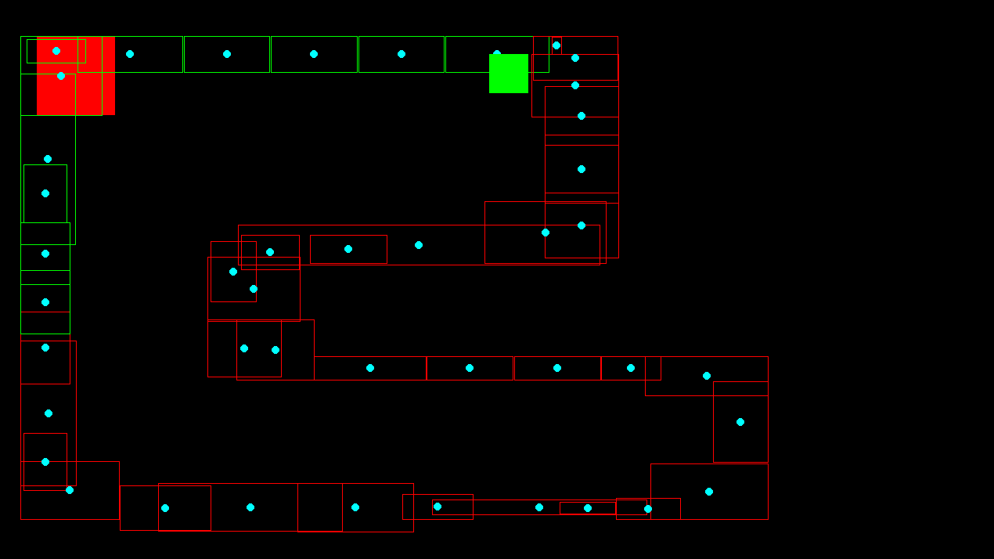
2023-12-03 | Tweaked some small stuff to make the game more pretty | 0:30:00 | Editing stats.py
2023-12-03 | Delving into stuff like reinforcement learning to try and create at least a demo for what the cpu would have looked like in the game | 6:00:00 | I got a part of the CPU working but it's not good enough to really intergrate it into the game.
2023-12-03 | No CPU but we do want a solid game so I quickly added multiplayer | 1:00:00 | The multiplayer shares stuff like a gameover screen (track/respawn detection) and the (player 1) camera. It's not the best but you can definetly play with a friend!
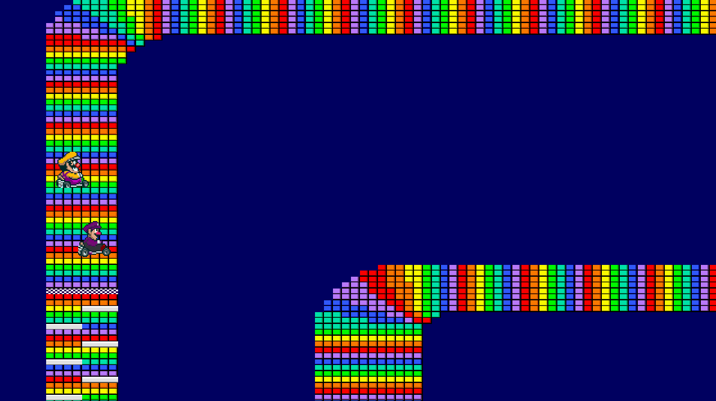
2023-12-03 | Added waluigi sprite. | 1:00:00 | Took longer than I waten because I needed to photoshop it

