Also 2025 data
Public debt stock split between domestic and foreign debt

 |  | 2021 | 2022 | 2023 | 2024 | 2025 | Source
Public Debt Stock | % of GDP | 42.7 | 37.3 | 36.1 | 34.0 |  | Public debt bulletin
Domestic | % of GDP | 28.7 | 26.1 | 25.9 | 25.7 |  | Combined from Public Debt Bulletin
Foreign | % of GDP | 9.4 | 7.8 | 7.3 | 6.3 |  | Combined from Public Debt Bulletin
External Debt | % of GDP | 38.1 | 35.9 | 32.6 | 27.9 |  | Public debt bulletin

Government net domestic financing split between banking system and non-bank sources
 |  |  |  |  |  |  |  | Insurance companies and banks collectively held 99.5% of outstanding government bonds at the end of March.
 |  | 2021 | 2022 | 2023 | 2024 | 2025 |  | Insurance companies' share increased to 60.8% in March 2024 from 57.8% a year earlier,
Govt net domestic debt change | tn VND |  |  |  |  |  |  | Banks' holdings share decreased to 38.7% from 41.7% during the same period.
Banking System (Domestic Credit) | tn VND |  |  |  |  |  |  | https://asianbondsonline.adb.org/vietnam/market_summary/vn_market_summary_202409.pdf
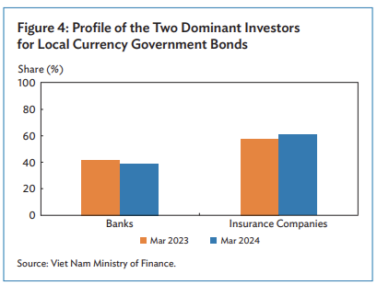
Non-bank public | tn VND
Note: The Government's domestic borrowing was conducted primarily through bond issuance.

Public net on-lending split between ODA-financed and domestically financed
 |  | 2021 | 2022 | 2023 | 2024 | 2025
Public net onlending | Bil. VND | 44,449 | 26,697 | 23,394 | 16,123 | 10,996 |  | % of GDP
ODA Financed |  |  |  |  |  |  |  | % of GDP
Domestically Financed |  |  |  |  |  |  |  | % of GDP
Source: Annual plan on public debt borrowing and payment
Eg. https://thuvienphapluat.vn/van-ban/Tai-chinh-nha-nuoc/Quyet-dinh-260-QD-TTg-2024-phe-duyet-Ke-hoach-vay-tra-no-cong-604610.aspx

Interest payments or interest rates on government and private foreign debt
 |  | 2021 | 2022 | 2023 | 2024 | 2025
Government Foreign Interest Rate
Private Foreign Interest Rate
Foreign Interest Payments (mil. USD) |  | 1,974.93 | 2,857.94 | 5,668.68 | 4,799.31
Government |  | 627.10 | 621.37 | 822.54 | 822.97
Private |  | 1,347.78 | 2,236.57 | 4,846.14 | 3,976.34

Foreign investment payments split into foreign interest payments and dividends on FDI
 |  | 2021 | 2022 | 2023 | 2024 | 2025
Foreign Investment Payments | bn USD | 19.731 | 22.049 | 27.014 | 21.235 | 19.787
Foreign Interest Payments | bn USD
Dividends on FDI | bn USD

