Board
Things still left to do:
- Rent for houses/hotelsv ( i told you i alrdy did it faggot)
- Houses/Hotels need to show up on GUI and board.
- Game needs to determine who wins
- Concept of mortgaging (you don't receive rent or can build houses when unmortaged)
- Rent for train stations/utilities
- Player's turn should be on board instead of message box.
- When player lands on own rent, there should only be an OK button. For the time being, the "Pay Rent" sign shows up and when the user presses it, money goes to him.
- At end of game, the winner should be determined by amount of cash, value of property and houses.
- When a player loses to another player and cannot pay rent, property manager should go up and declare bankruptcy. All cash and properties will be given to other player.
- If a player just presses "declare bankruptcy" by not oweing anyone anything...all the properties/cash just go back to bank.
- Jail...stay in for 3 turns (option to pay or roll at every turn - userform).
- If user rolls 3 doubles in a row...GO to JAIL
- Game should open on another worksheet and instructions should pop up.
- Trade - money does not work properly
- When player moves to property based on chance/community chest card, no action occurs. (title deed does not show up, etc.)
- Cannot have negative money
- REMEMBER TO COMMENT
DUE DECEMBER 13, 2010
jon | 1070 |  |  |  |  |  |  |  |  |  |  |  |  |  |  |  |  | Dennis | 1350
 |  | Internet Café
 |  |  |  |  | $220 |  | $220 | $240 | $200 |  | $260 | $260 |  | $150 | $280 | Go To Jail
 |  |  |  |  | Section 1 | Chance | Section 2 | Section 3 | US Campus |  | Section 4 | Section 5 |  | Lucy's | Section 6

 |  |  | $200 | Career Managem. |  |  |  |  |  |  |  |  |  |  |  | Taphouse | $300
 |  |  |  |  |  |  |  |  |  |  |  | Timer: | 0:00:00
 |  |  |  |  |  |  | Dice1 |  |  | Dice 2
 |  |  | $180 | Ivey Library |  |  | 3 |  |  | 4 |  |  |  |  |  | Rouge | $300
 |  |  |  |  |  |  |  |  |  |  |  |  |  |  |  |  |  |  |  | Jonathan | $1,500

 |  |  | CC |  |  |  |  |  |  |  |  |  |  |  |  | CC
 |  |  |  |  |  |  |  |  |  |  |  |  |  |  |  |  |  |  |  | 3

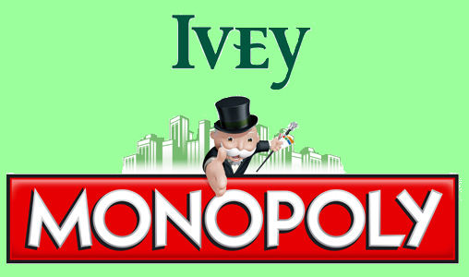
 |  |  | $180 | Ivey IT |  |  |  |  |  |  |  |  |  |  |  | The Frog | $320
 |  |  |  |  |  |  |  |  |  |  |  |  |  |  |  |  |  |  |  | 0

 |  |  | $200 | India Campus |  |  |  |  |  |  |  |  |  |  |  | London Campus | $200

 |  |  | $160 | Interview rooms |  |  |  |  |  |  |  |  |  |  |  | ?

 |  |  | $140 | Spencer Leader Centre |  |  |  |  |  |  |  |  |  |  |  | 1R40 | $350

 |  |  | $150 | Tim Hortons |  |  |  |  |  |  |  |  |  |  |  | Solid Gold

 |  |  | $140 | New Building |  |  |  |  |  |  |  |  |  |  |  | Atrium | $400

 |  |  | Darren Meister's office |  | UCC | Somerville | Chance | Gym | HK Campus |  | Income Tax | Ivey Trading |  | CC | Ivey Print Shop | GO

 |  |  |  |  | $120 | $100 |  | $100 | $200 |  |  | $80 |  |  | $60

