Sheet1
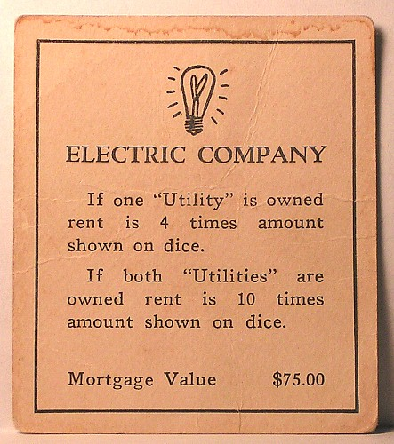
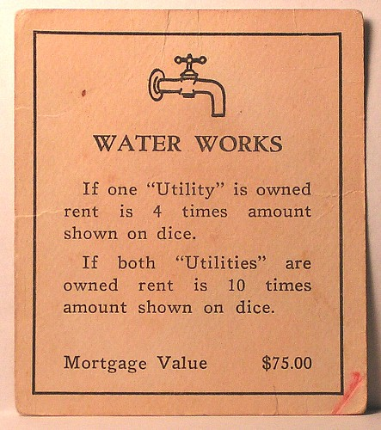
Title Deed | Ivey Monopoly | Price | Rent | 1 House | 2 Houses | 3 Houses | 4 Houses | Hotel | Mortgage | Houses cost | Hotels Costs
Mediterranean Ave. | Ivey Print Shop | 60 | 2 | 10 | 30 | 90 | 160 | 250 | 30 | 50 | 50
Baltic Ave. | Ivey Trading | 80 | 4 | 20 | 60 | 180 | 320 | 450 | 30 | 50 | 50
Park Place | 1R40 | 350 | 35 | 175 | 500 | 1100 | 1300 | 1500 | 175 | 200 | 200
Boardwalk | Atrium | 400 | 50 | 200 | 600 | 1400 | 1700 | 2000 | 200 | 200 | 200
Oriental Ave | Gym | 100 | 6 | 30 | 90 | 270 | 400 | 550 | 50 | 50 | 50
Vermont Ave | Somerville | 100 | 6 | 30 | 90 | 270 | 400 | 550 | 50 | 50 | 50
Connecticut Ave | UCC | 120 | 8 | 40 | 100 | 300 | 450 | 600 | 60 | 50 | 50
Virginia Ave | Interview Rooms | 160 | 12 | 60 | 180 | 500 | 700 | 900 | 80 | 100 | 100
States Ave | Spencer Leadership | 140 | 10 | 50 | 150 | 450 | 625 | 750 | 70 | 100 | 100
St Charles Ave | New Building | 140 | 10 | 50 | 150 | 450 | 625 | 750 | 70 | 100 | 100
New York Ave | Career Management | 200 | 16 | 80 | 220 | 600 | 800 | 1000 | 100 | 100 | 100
Tennessee Ave | Ivey Library | 180 | 14 | 70 | 200 | 550 | 750 | 950 | 90 | 100 | 100
St James Place | Ivey IT | 180 | 14 | 70 | 200 | 550 | 750 | 950 | 90 | 100 | 100
Kentucky Ave | Section 1 | 220 | 18 | 90 | 250 | 700 | 875 | 1050 | 110 | 150 | 150
Indiana Ave | Section 2 | 220 | 18 | 90 | 250 | 700 | 875 | 1050 | 110 | 150 | 150
Illinois Ave | Section 3 | 240 | 20 | 100 | 300 | 750 | 925 | 1100 | 120 | 150 | 150
Atlantic Ave | Section 4 | 260 | 22 | 110 | 330 | 800 | 975 | 1150 | 130 | 150 | 150
Ventnor Ave | Section 5 | 260 | 22 | 120 | 330 | 800 | 975 | 1150 | 130 | 150 | 150
Marvin Gardens | Section 6 | 280 | 22 | 120 | 360 | 850 | 1025 | 1200 | 140 | 150 | 150
Pacific Ave | Taphouse | 300 | 26 | 130 | 390 | 900 | 1100 | 1275 | 150 | 200 | 200
North Carolina Ave | Rouge | 300 | 26 | 130 | 390 | 900 | 1100 | 1275 | 150 | 200 | 200
Pennyslvania Ave | The Frog | 320 | 28 | 150 | 450 | 1000 | 1200 | 1400 | 160 | 200 | 200
Pennsylvania R.R. | India Campus | 200 | Rent |  | 25 | Mortgage | 100
B. & O. Railroad | US Campus | 200 | If 2 RR Owned |  | 50
Reading Railroad | HK Campus | 200 | If 3 RR Owned |  | 100
Short Line R.R. | London Campus | 200 | If 4 RR Owned |  | 200
Water Works | Lucy's | 150 | 1 Utility, Rent = 4XDice |  |  | Mortgage | 75
Electric Company | Tim Horton's | 150 | 2 Utility, Rent = 10XDice |  |  | Mortgage | 75

