Measured Variables
Measured variable | Monitoring device |  | What do we gain?
Pump Inlet/Outlet Pressure | Pressure Transducers/Gauges | 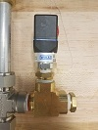 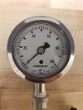 | Pump Flow/Head Characteristics
Pump Flow Rate | Liquid Turbine Flow Meter | 
Impeller Cavity/Seal Cavity Pressures | Pressure Transducers/Gauges | 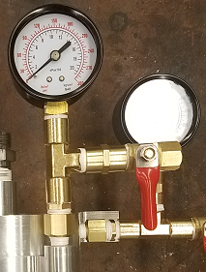 | Loading on Pump Seals and Bushings
Pump Rotational Speed | Homebrew Optical Sensor |  | Pump Power and Efficiency
Pump Torque | Load Cell | 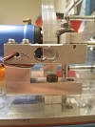
Required Electric Power | Indirect Measure | Sensing simultaneously motor current and voltage

