Sheet1
Test 1 | Verify Website Access & Viewing Task List
 | Test Objective: Confirm the user can access the Todo application via its standard URL and see the existing list of tasks. | Developer: Andres Melendez | Peer tester: Jordany Gonzalez
 |  | Date tested: <2025/01/28> | Date tested: 2025/02/01
Step | Action | Expected results: | Developer pass/fail | Tester pass/fail
 |  |  |  | + Screenshot
1 | Open a web browser (Chrome, Firefox, Safari). | The browser opens successfully (no errors). | Yes | 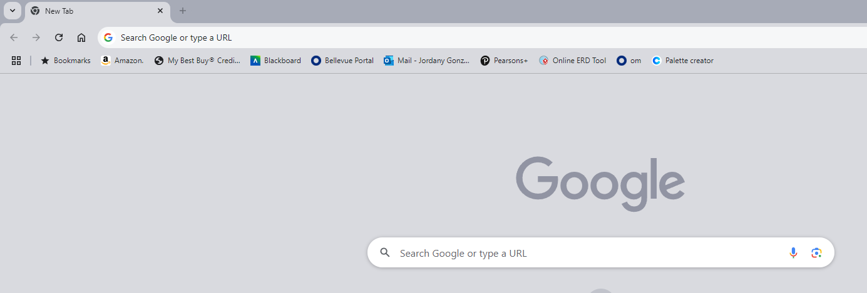 Pass
2 | Navigate to https://buwebdev.github.io/todo/. | The Todo App homepage loads without errors (no 404 or JS errors). | Yes | 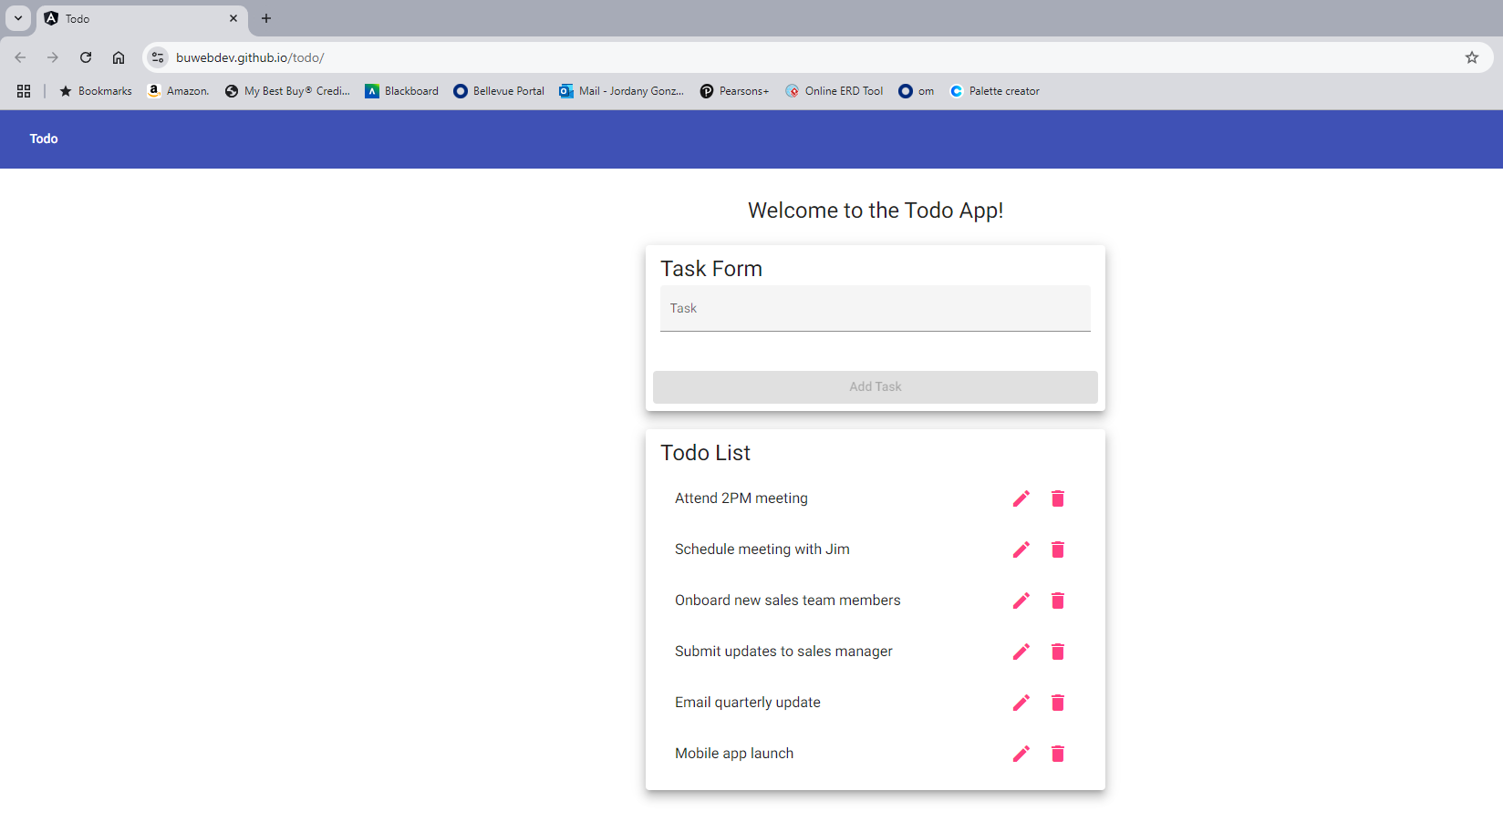 Pass
3 | Verify that a list of todo items (even if empty) is visible on the page. | The page shows either an empty list (if no tasks exist) or a list of existing tasks. | Yes | 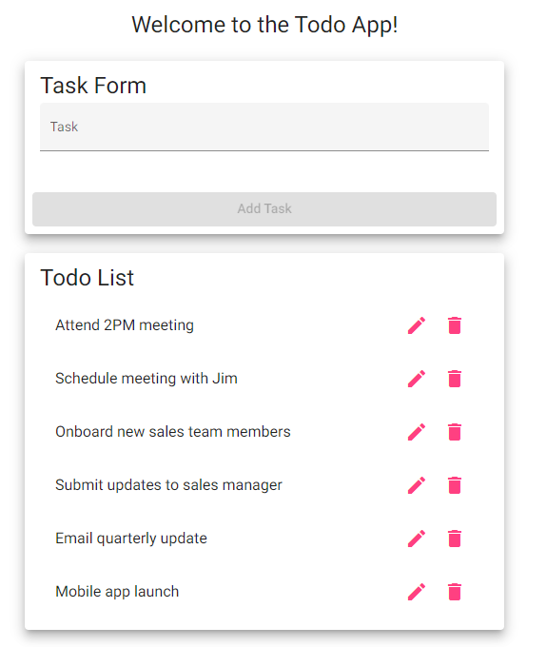 Pass
Comments | This test fails if the site does not load or a “404” error appears.

Test 2 | Create a New Todo Task
 | Test Objective: Ensure a user can create a new todo item and disallow an empty submission. | Developer: Andres Melendez | Peer tester: Jordany Gonzalez
 |  | Date tested: <2025/01/28> | Date tested: 2025/02/01
Step | Action | Expected results: | Developer pass/fail | Tester pass/fail
1 | Locate the “Task Name” (or similar) input field and leave it blank, then click “Add Task.” | An error message or warning is displayed; the user is prevented from creating a blank task. | Yes | Pass
2 | Enter a valid name in the “Task Name” field (e.g., “Buy groceries”) and optionally a description in a “Description” field. | The fields accept user input without errors (no validation failures). | Yes | Pass
3 | Click on “Add Task.” | The new task is added to the list (e.g., “Buy groceries”) and immediately appears on the page with the given name. | Yes | 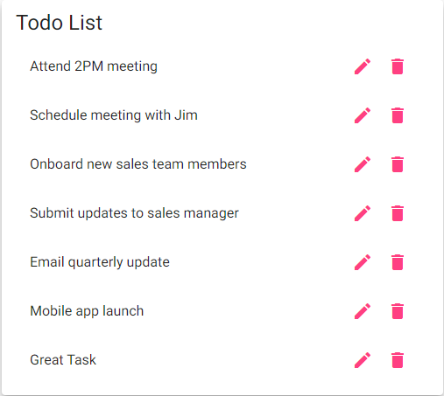 Pass
Comments | If the user can submit an empty task, requirement #6 is not met (test fails).

Test 3 | Edit an Existing Todo Task
 | Test Objective: Verify that a user can edit an existing task’s name/description and that blank edits are disallowed. | Developer: Andres Melendez | Peer tester: Jordany Gonzalez
 |  | Date tested: <2025/01/28> | Date tested: 2025/02/01
Step | Action | Expected results: | Developer pass/fail | Tester pass/fail
1 | Identify a task you wish to edit. Click on an “Edit” button or link next to that task. | The Edit Form (page or pop-up) appears, showing the current name/description of the task. | Yes | Pass
2 | Clear the Task Name field entirely and attempt to save. | An error message or validation warning appears (cannot save with an empty name). | No | 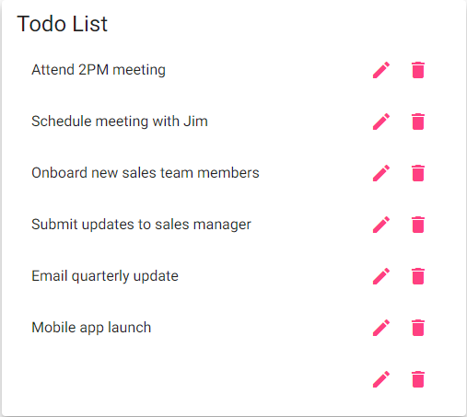 Fail
3 | Provide a new valid name (e.g., change “Buy groceries” to “Buy groceries & snacks”) and click “Save.” | The Todo list updates with the new name/description, and the edited task is displayed correctly. | Yes | 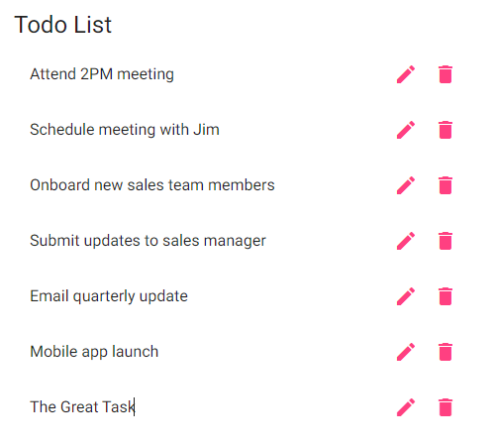 Pass
Comments | If the user is allowed to save an empty task name, requirement #7 fails.

Test 4 | Delete a Todo Task
 | Test Objective: Confirm a user can remove a single todo item from the list. | Developer: Andres Melendez | Peer tester: Jordany Gonzalez
 |  | Date tested: <2025/01/28> | Date tested: 2025/02/01
Step | Action | Expected results: | Developer pass/fail | Tester pass/fail
1 | Identify a task in the list you wish to delete. | The user can see or highlight the chosen task (e.g., “Buy groceries”). | Yes | Pass
2 | Click the “Delete” or “Trash” icon/button associated with that task. | If a confirmation prompt appears, it should function correctly. Once confirmed, the task is removed. | Yes | 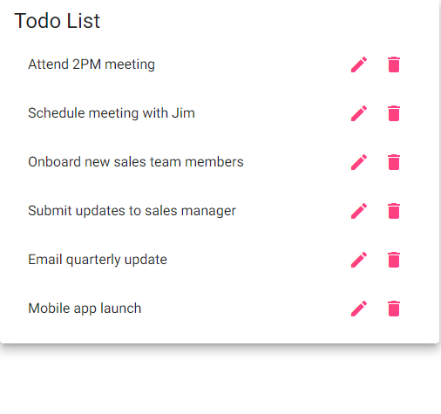 Pass

3 | Verify the list no longer shows the deleted item. | The list refreshes automatically, showing that the removed item has disappeared (no errors). | Yes | Pass
Comments | The test fails if the task remains in the list or an error occurs.

Test 5 | Check Mobile Responsiveness
 | Test Objective: Validate that the Todo app appropriately adapts to a mobile view and still allows editing tasks on mobile. | Developer: Andres Melendez | Peer tester: Jordany Gonzalez
 |  | Date tested: <2025/01/28> | Date tested: 2025/02/01
Step | Action | Expected results: | Developer pass/fail | Tester pass/fail
1 | Open the Todo application (https://buwebdev.github.io/todo/) on a mobile device or emulator. | The layout automatically adjusts for a small screen (responsive view). The Add/Edit buttons are visible and usable on mobile. | Yes | Pass
2 | Attempt to edit an existing task from the mobile interface. | The Edit Form appears mobile-friendly; users can change the task name/description and save without layout or rendering errors. | Yes | 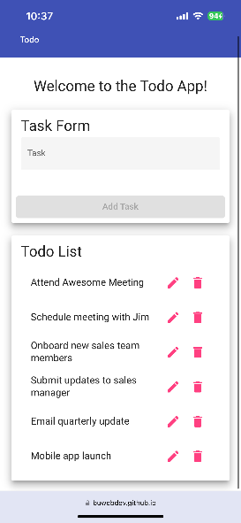 Pass

3 | Confirm no layout or functional errors occur while interacting with the site on mobile (scrolling, tapping). | Scrolling works as expected, and no UI elements are inaccessible or incorrectly displayed. | Yes | 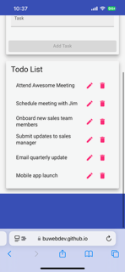 Pass
Comments | If the site fails to adjust to smaller screens or the edit button doesn’t work on mobile, these requirements aren’t met.

