Sheet1
Project: Module 4 Assignment – Test Plan | Developer: David Amos
Course: CSD380-H330 DevOps
Description: Create 5 Test plans for todo website
Date: 2025/1/30
Test 1 | Add a todo item
 | Test Objective: Verifies todo items are successfully added | Developer: David Amos | Peer tester: Jordany Gonzalez
 |  | Date tested: <2025/1/30> | Date tested: 2025/02/01
Step | Action | Expected results: | Developer pass/fail | Tester pass/fail
 |  |  |  | + Screenshot
1 | Visit https://buwebdev.github.io/todo/ | Page will display without errors | yes | 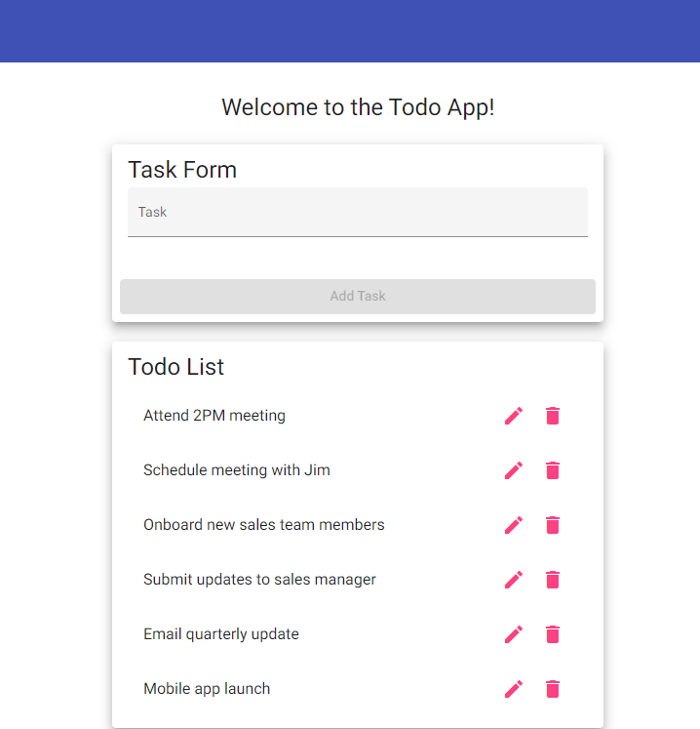 Pass
2 | Enter text into Task text box | Text appears in box | yes | Pass
3 | Click Add Task button | New item is added | yes | Pass
4 | Confirm that new todo item appears in list with entered text | Added item displays correctly with text matching what was entered | yes | Pass
Comments
Test 2 | Edit a todo item
 | Test Objective: Verifies todo items are successfully edited | Developer: David Amos | Peer tester: Jordany Gonzalez
 |  | Date tested: <2025/1/30> | Date tested: 2025/02/01
Step | Action | Expected results: | Developer pass/fail | Tester pass/fail
 |  |  |  | + Screenshot
1 | Visit https://buwebdev.github.io/todo/ | Page will display without errors | yes | Pass
2 | Click pencil icon on a todo item | Dialog box will appear with todo item text | yes | Pass
3 | Change text in box | Text is editable | yes | 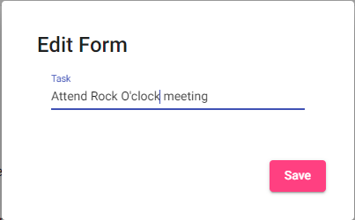 Pass
4 | Click save button | Dialog box will disappear | yes | Pass
5 | Confirm todo item displays updated value | Edited item displays correctly with text matching what was entered | yes | Pass
Comments
Test 3 | Delete a todo item
 | Test Objective: Verifies todo items are successfully deleted | Developer: David Amos | Peer tester: Jordany Gonzalez
 |  | Date tested: <2025/1/30> | Date tested: 2025/02/01
Step | Action | Expected results: | Developer pass/fail | Tester pass/fail
 |  |  |  | + Screenshot
1 | Visit https://buwebdev.github.io/todo/ | Page will display without errors | yes | Pass
2 | Click trashcan icon on a todo item | Item disappears | yes | Pass
3 | Confirm item is no longer in list | Item is no longer on the list and other items still are | yes | Pass
Comments
Test 4 | Not found error displays for incorrect URL
 | Test Objective: Verifies proper error is display when URL is incorrect | Developer: David Amos | Peer tester: Jordany Gonzalez
 |  | Date tested: <2025/1/30> | Date tested: 2025/02/01
Step | Action | Expected results: | Developer pass/fail | Tester pass/fail
 |  |  |  | + Screenshot
1 | Visit https://buwebdev.github.io/todo/wrongpage | Page will display “not-found works!” | yes | Pass
Comments
Test 5 | Prevent users from submitting a task form with without entering a todo item
 | Test Objective: Verifies todo items are not added if empty | Developer: David Amos | Peer tester: Jordany Gonzalez
 |  | Date tested: <2025/1/30> | Date tested: 2025/02/01
Step | Action | Expected results: | Developer pass/fail | Tester pass/fail
 |  |  |  | + Screenshot
1 | Visit https://buwebdev.github.io/todo/ | Page will display without errors | yes | pass
2 | Do not enter text in item textbox | No text is present in textbox | yes | pass
3 | Confirm Add Task button is not interactable | Add Task button is grey and cannot be clicked | yes | pass
Comments

