AMI JAPAN
SCHENKER
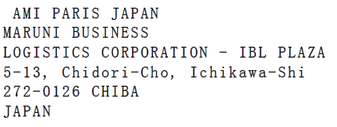
XXXXX
XXXXX
JAPAN
SUPPLIER CODE: PUN
ORDER NUMBER
 | 07697
REFERENCE
H26 | ULL745.AL0103
COLOR CODE | 001 BLACK
SIZE | U
QUANTITY | 1
GROSS WEIGHT | 4,98 kgs
PARCEL N° / TOTAL NUMBER OF PARCELS | 8 / 8

SCHENKER

XXXXX
XXXXX
JAPAN
SUPPLIER CODE: PUN
ORDER NUMBER
 | 07697
REFERENCE
H26 | ULL745.AL0103
COLOR CODE | 001 BLACK
SIZE | U
QUANTITY | 1
GROSS WEIGHT | 4,98 kgs
PARCEL N° / TOTAL NUMBER OF PARCELS | 8 / 8

