C1.1
Back to contents
 | Chart 1.1: CPI inflation
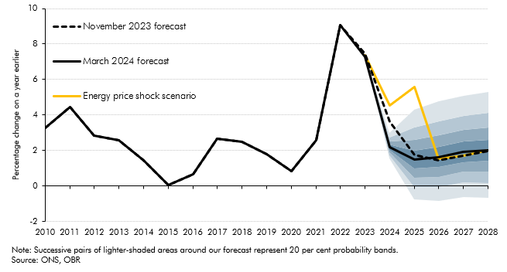

 |  |  |  |  | Percentile
 |  | November 2023 forecast | March 2024 forecast | Energy price shock scenario | 10 | 20 | 30 | 40 | 50 | 60 | 70 | 80 | 90
 | 2010 | 3.3 | 3.3
 | 2011 | 4.5 | 4.5
 | 2012 | 2.8 | 2.8
 | 2013 | 2.6 | 2.6
 | 2014 | 1.5 | 1.5
 | 2015 | 0.0 | 0.0
 | 2016 | 0.7 | 0.7
 | 2017 | 2.7 | 2.7
 | 2018 | 2.5 | 2.5
 | 2019 | 1.8 | 1.8
 | 2020 | 0.9 | 0.9
 | 2021 | 2.6 | 2.6
 | 2022 | 9.1 | 9.1
 | 2023 | 7.5 | 7.3 | 7.3
 | 2024 | 3.6 | 2.2 | 4.6 | 1.5 | 1.8 | 1.9 | 2.0 | 2.2 | 2.3 | 2.5 | 2.7 | 3.0
 | 2025 | 1.8 | 1.5 | 5.6 | -0.7 | 0.0 | 0.5 | 1.0 | 1.5 | 2.0 | 2.6 | 3.3 | 4.3
 | 2026 | 1.4 | 1.6 | 1.5 | -0.8 | -0.1 | 0.5 | 1.1 | 1.6 | 2.2 | 2.9 | 3.7 | 4.8
 | 2027 | 1.7 | 1.9 | 1.7 | -0.6 | 0.2 | 0.8 | 1.4 | 1.9 | 2.5 | 3.2 | 4.0 | 5.1
 | 2028 | 2.0 | 2.0 | 2.0 | -0.7 | 0.2 | 0.8 | 1.4 | 2.0 | 2.6 | 3.3 | 4.1 | 5.3

C1.2
Back to contents
 | Chart 1.2: Net migration and participation rate

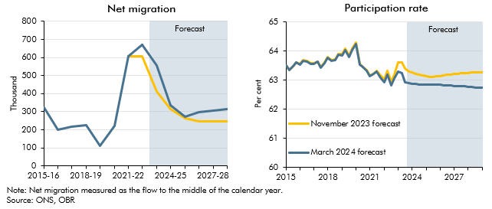

 | Net migration |  |  |  | Participation rate
 |  | ONS outturn | November 2023 forecast | March 2024 forecast |  | November 2023 forecast | March 2024 forecast
 | 2015-16 | 321 |  |  | 2015Q1 | 63.5 | 63.5
 | 2016-17 | 200 |  |  | 2015Q2 | 63.3 | 63.3
 | 2017-18 | 216 |  |  | 2015Q3 | 63.5 | 63.5
 | 2018-19 | 224 |  |  | 2015Q4 | 63.6 | 63.6
 | 2019-20 | 111 |  |  | 2016Q1 | 63.5 | 63.5
 | 2020-21 | 221 |  |  | 2016Q2 | 63.7 | 63.7
 | 2021-22 | 607 | 606 |  | 2016Q3 | 63.7 | 63.6
 | 2022-23 | 672 | 606 | 672 | 2016Q4 | 63.6 | 63.6
 | 2023-24 |  | 410 | 557 | 2017Q1 | 63.6 | 63.6
 | 2024-25 |  | 315 | 336 | 2017Q2 | 63.6 | 63.6
 | 2025-26 |  | 261 | 273 | 2017Q3 | 63.4 | 63.4
 | 2026-27 |  | 245 | 299 | 2017Q4 | 63.6 | 63.6
 | 2027-28 |  | 245 | 307 | 2018Q1 | 63.8 | 63.8
 | 2028-29 |  | 245 | 315 | 2018Q2 | 63.7 | 63.7
 |  |  |  |  | 2018Q3 | 63.7 | 63.7
 |  |  |  |  | 2018Q4 | 63.9 | 63.9
 |  |  |  |  | 2019Q1 | 63.9 | 63.9
 |  |  |  |  | 2019Q2 | 64.1 | 64.0
 |  |  |  |  | 2019Q3 | 63.8 | 63.8
 |  |  |  |  | 2019Q4 | 64.1 | 64.0
 |  |  |  |  | 2020Q1 | 64.3 | 64.3
 |  |  |  |  | 2020Q2 | 63.5 | 63.5
 |  |  |  |  | 2020Q3 | 63.5 | 63.4
 |  |  |  |  | 2020Q4 | 63.3 | 63.3
 |  |  |  |  | 2021Q1 | 63.2 | 63.1
 |  |  |  |  | 2021Q2 | 63.2 | 63.2
 |  |  |  |  | 2021Q3 | 63.3 | 63.3
 |  |  |  |  | 2021Q4 | 63.1 | 63.1
 |  |  |  |  | 2022Q1 | 63.0 | 62.9
 |  |  |  |  | 2022Q2 | 63.3 | 63.2
 |  |  |  |  | 2022Q3 | 62.9 | 62.8
 |  |  |  |  | 2022Q4 | 63.2 | 63.1
 |  |  |  |  | 2023Q1 | 63.6 | 63.3
 |  |  |  |  | 2023Q2 | 63.6 | 63.2
 |  |  |  |  | 2023Q3 | 63.4 | 62.9
 |  |  |  |  | 2023Q4 | 63.3 | 62.9
 |  |  |  |  | 2024Q1 | 63.3 | 62.9
 |  |  |  |  | 2024Q2 | 63.2 | 62.9
 |  |  |  |  | 2024Q3 | 63.2 | 62.9
 |  |  |  |  | 2024Q4 | 63.2 | 62.9
 |  |  |  |  | 2025Q1 | 63.1 | 62.8
 |  |  |  |  | 2025Q2 | 63.1 | 62.8
 |  |  |  |  | 2025Q3 | 63.1 | 62.8
 |  |  |  |  | 2025Q4 | 63.1 | 62.8
 |  |  |  |  | 2026Q1 | 63.1 | 62.8
 |  |  |  |  | 2026Q2 | 63.2 | 62.8
 |  |  |  |  | 2026Q3 | 63.2 | 62.8
 |  |  |  |  | 2026Q4 | 63.2 | 62.8
 |  |  |  |  | 2027Q1 | 63.2 | 62.8
 |  |  |  |  | 2027Q2 | 63.2 | 62.8
 |  |  |  |  | 2027Q3 | 63.2 | 62.8
 |  |  |  |  | 2027Q4 | 63.2 | 62.8
 |  |  |  |  | 2028Q1 | 63.2 | 62.8
 |  |  |  |  | 2028Q2 | 63.3 | 62.8
 |  |  |  |  | 2028Q3 | 63.3 | 62.7
 |  |  |  |  | 2028Q4 | 63.3 | 62.7
 |  |  |  |  | 2029Q1 | 63.3 | 62.7

C1.3
Back to contents
 | Chart 1.3: Real GDP and real GDP per person
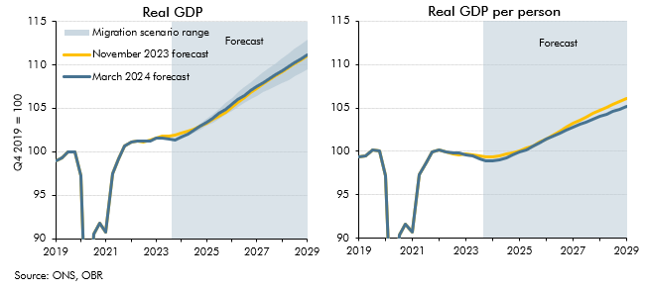

 | Real GDP |  |  |  |  | Real GDP per person
 |  | November 2023 forecast | March 2024 forecast | Lower net migration scenario | Higher net migration scenario |  | November 2023 forecast | March 2024 forecast | Lower net migration scenario | Higher net migration scenario
 | 2019Q1 | 99.0 | 99.0 |  |  | 2019Q1 | 99.3 | 99.3
 | 2019Q2 | 99.3 | 99.3 |  |  | 2019Q2 | 99.5 | 99.5
 | 2019Q3 | 100.0 | 100.0 |  |  | 2019Q3 | 100.1 | 100.1
 | 2019Q4 | 100.0 | 100.0 |  |  | 2019Q4 | 100.0 | 100.0
 | 2020Q1 | 97.3 | 97.3 |  |  | 2020Q1 | 97.2 | 97.2
 | 2020Q2 | 77.5 | 77.5 |  |  | 2020Q2 | 77.3 | 77.3
 | 2020Q3 | 90.5 | 90.5 |  |  | 2020Q3 | 90.3 | 90.3
 | 2020Q4 | 91.7 | 91.7 |  |  | 2020Q4 | 91.6 | 91.6
 | 2021Q1 | 90.8 | 90.8 |  |  | 2021Q1 | 90.7 | 90.7
 | 2021Q2 | 97.5 | 97.5 |  |  | 2021Q2 | 97.3 | 97.3
 | 2021Q3 | 99.1 | 99.1 |  |  | 2021Q3 | 98.7 | 98.7
 | 2021Q4 | 100.6 | 100.6 |  |  | 2021Q4 | 99.9 | 99.9
 | 2022Q1 | 101.2 | 101.2 |  |  | 2022Q1 | 100.2 | 100.2
 | 2022Q2 | 101.3 | 101.3 |  |  | 2022Q2 | 100.0 | 100.0
 | 2022Q3 | 101.2 | 101.2 |  |  | 2022Q3 | 99.7 | 99.8
 | 2022Q4 | 101.3 | 101.3 |  |  | 2022Q4 | 99.6 | 99.8
 | 2023Q1 | 101.6 | 101.5 |  |  | 2023Q1 | 99.7 | 99.6
 | 2023Q2 | 101.8 | 101.6 |  |  | 2023Q2 | 99.6 | 99.5
 | 2023Q3 | 101.8 | 101.4 |  |  | 2023Q3 | 99.4 | 99.1
 | 2023Q4 | 101.9 | 101.4 | 101.4 | 101.4 | 2023Q4 | 99.4 | 98.8 | 98.8 | 98.8
 | 2024Q1 | 102.1 | 101.6 | 101.5 | 101.7 | 2024Q1 | 99.4 | 98.8 | 98.8 | 98.9
 | 2024Q2 | 102.3 | 102.0 | 101.8 | 102.2 | 2024Q2 | 99.5 | 99.0 | 99.0 | 99.0
 | 2024Q3 | 102.6 | 102.4 | 102.2 | 102.7 | 2024Q3 | 99.7 | 99.3 | 99.2 | 99.3
 | 2024Q4 | 103.0 | 102.9 | 102.6 | 103.2 | 2024Q4 | 99.9 | 99.6 | 99.5 | 99.6
 | 2025Q1 | 103.3 | 103.4 | 103.0 | 103.8 | 2025Q1 | 100.1 | 99.9 | 99.9 | 99.9
 | 2025Q2 | 103.7 | 103.9 | 103.4 | 104.4 | 2025Q2 | 100.3 | 100.2 | 100.2 | 100.2
 | 2025Q3 | 104.1 | 104.4 | 103.8 | 105.0 | 2025Q3 | 100.6 | 100.6 | 100.5 | 100.6
 | 2025Q4 | 104.6 | 104.9 | 104.3 | 105.6 | 2025Q4 | 101.0 | 101.0 | 100.9 | 101.0
 | 2026Q1 | 105.1 | 105.5 | 104.7 | 106.2 | 2026Q1 | 101.4 | 101.4 | 101.3 | 101.4
 | 2026Q2 | 105.7 | 106.0 | 105.2 | 106.8 | 2026Q2 | 101.9 | 101.7 | 101.7 | 101.8
 | 2026Q3 | 106.2 | 106.5 | 105.6 | 107.4 | 2026Q3 | 102.3 | 102.1 | 102.0 | 102.1
 | 2026Q4 | 106.8 | 107.0 | 106.0 | 108.0 | 2026Q4 | 102.8 | 102.4 | 102.4 | 102.5
 | 2027Q1 | 107.3 | 107.5 | 106.4 | 108.5 | 2027Q1 | 103.2 | 102.8 | 102.7 | 102.8
 | 2027Q2 | 107.8 | 108.0 | 106.8 | 109.1 | 2027Q2 | 103.6 | 103.1 | 103.0 | 103.1
 | 2027Q3 | 108.3 | 108.4 | 107.2 | 109.7 | 2027Q3 | 104.0 | 103.4 | 103.3 | 103.4
 | 2027Q4 | 108.8 | 108.9 | 107.6 | 110.2 | 2027Q4 | 104.3 | 103.7 | 103.6 | 103.8
 | 2028Q1 | 109.2 | 109.3 | 107.9 | 110.8 | 2028Q1 | 104.7 | 104.0 | 103.9 | 104.1
 | 2028Q2 | 109.7 | 109.8 | 108.3 | 111.3 | 2028Q2 | 105.1 | 104.3 | 104.2 | 104.4
 | 2028Q3 | 110.2 | 110.3 | 108.6 | 111.9 | 2028Q3 | 105.4 | 104.6 | 104.5 | 104.7
 | 2028Q4 | 110.6 | 110.7 | 109.0 | 112.4 | 2028Q4 | 105.8 | 104.9 | 104.8 | 105.0
 | 2029Q1 | 111.0 | 111.2 | 109.5 | 112.9 | 2029Q1 | 106.1 | 105.2 | 105.1 | 105.3

C1.4
Back to contents
 | Chart 1.4: Real household disposable income per person
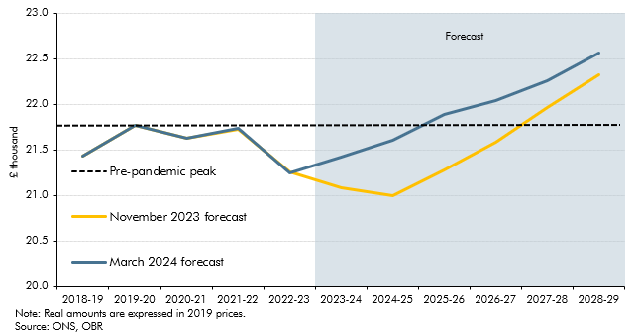

 |  | Pre-pandemic peak | November 2023 forecast | March 2024 forecast
 | 2018-19 | 21.8 | 21.4 | 21.4
 | 2019-20 | 21.8 | 21.8 | 21.8
 | 2020-21 | 21.8 | 21.6 | 21.6
 | 2021-22 | 21.8 | 21.7 | 21.7
 | 2022-23 | 21.8 | 21.3 | 21.3
 | 2023-24 | 21.8 | 21.1 | 21.4
 | 2024-25 | 21.8 | 21.0 | 21.6
 | 2025-26 | 21.8 | 21.3 | 21.9
 | 2026-27 | 21.8 | 21.6 | 22.0
 | 2027-28 | 21.8 | 22.0 | 22.3
 | 2028-29 | 21.8 | 22.3 | 22.6

C1.5
Back to contents
 | Chart 1.5: Public sector net borrowing: change since November

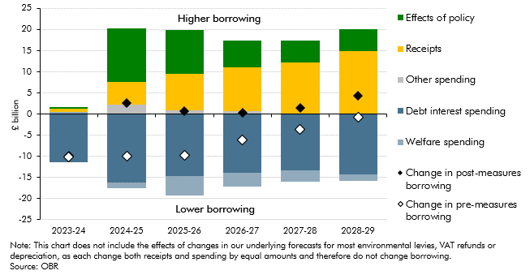

 |  | 2023-24 | 2024-25 | 2025-26 | 2026-27 | 2027-28 | 2028-29
 | Effects of policy | 0.3 | 12.7 | 10.4 | 6.4 | 5.1 | 5.2
 | Receipts | 0.8 | 5.2 | 8.7 | 10.4 | 12.3 | 14.8
 | Other spending | 0.1 | 2.3 | 0.8 | 0.6 | 0.0 | 0.2
 | Debt interest spending | -11.5 | -16.2 | -14.7 | -13.8 | -13.3 | -14.2
 | Welfare spending | 0.5 | -1.4 | -4.6 | -3.3 | -2.6 | -1.5
 | Change in post-measures borrowing | -9.8 | 2.7 | 0.6 | 0.3 | 1.5 | 4.4
 | Change in pre-measures borrowing | -10.1 | -10.0 | -9.7 | -6.2 | -3.6 | -0.8

C1.6
Back to contents
 | Chart 1.6: Public sector net borrowing

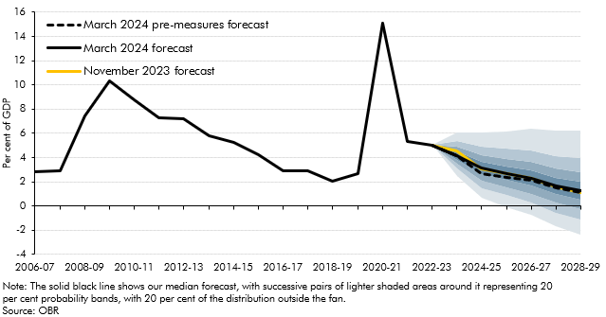

 |  |  |  |  |  | Percentile
 |  | Outturn | March 2024 pre-measures forecast | March 2024 forecast | November 2023 forecast | 10 | 20 | 30 | 40 | 50 | 60 | 70 | 80 | 90
 | 2006-07 | 2.8
 | 2007-08 | 2.9
 | 2008-09 | 7.4
 | 2009-10 | 10.3
 | 2010-11 | 8.7
 | 2011-12 | 7.2
 | 2012-13 | 7.2
 | 2013-14 | 5.8
 | 2014-15 | 5.3
 | 2015-16 | 4.3
 | 2016-17 | 2.9
 | 2017-18 | 2.9
 | 2018-19 | 2.1
 | 2019-20 | 2.7
 | 2020-21 | 15.1
 | 2021-22 | 5.3
 | 2022-23 | 5.0
 | 2023-24 |  | 4.2 | 4.2 | 4.5 | 2.5 | 3.1 | 3.5 | 3.8 | 4.2 | 4.5 | 4.9 | 5.4 | 6.1
 | 2024-25 |  | 2.7 | 3.1 | 3.0 | 0.7 | 1.5 | 2.1 | 2.6 | 3.1 | 3.6 | 4.2 | 4.9 | 6.1
 | 2025-26 |  | 2.3 | 2.7 | 2.7 | -0.1 | 0.9 | 1.6 | 2.2 | 2.7 | 3.3 | 3.9 | 4.7 | 6.2
 | 2026-27 |  | 2.1 | 2.3 | 2.3 | -0.8 | 0.3 | 1.0 | 1.7 | 2.3 | 2.9 | 3.7 | 4.6 | 6.4
 | 2027-28 |  | 1.5 | 1.6 | 1.6 | -1.7 | -0.6 | 0.3 | 1.0 | 1.6 | 2.3 | 3.1 | 4.1 | 6.2
 | 2028-29 |  | 1.1 | 1.2 | 1.1 | -2.4 | -1.1 | -0.3 | 0.5 | 1.2 | 2.0 | 2.8 | 3.9 | 6.2

C1.7
Back to contents
 | Chart 1.7: Public sector net debt excluding the Bank of England

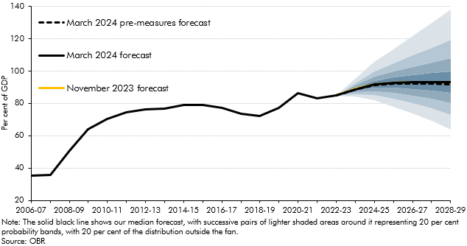

 |  |  |  |  |  | Percentile
 |  | Outturn | March 2024 pre-measures forecast | March 2024 forecast | November 2023 forecast | 10 | 20 | 30 | 40 | 50 | 60 | 70 | 80 | 90
 | 2006-07 | 35.3
 | 2007-08 | 35.8
 | 2008-09 | 50.6
 | 2009-10 | 63.9
 | 2010-11 | 70.6
 | 2011-12 | 74.6
 | 2012-13 | 76.2
 | 2013-14 | 77.0
 | 2014-15 | 79.2
 | 2015-16 | 78.9
 | 2016-17 | 77.4
 | 2017-18 | 73.7
 | 2018-19 | 72.3
 | 2019-20 | 77.1
 | 2020-21 | 86.5
 | 2021-22 | 83.2
 | 2022-23 | 84.8
 | 2023-24 |  | 88.8 | 88.8 | 89.0 | 84.1 | 85.6 | 86.8 | 87.8 | 88.8 | 89.7 | 91.0 | 92.5 | 95.1
 | 2024-25 |  | 91.4 | 91.7 | 91.6 | 81.8 | 85.0 | 87.4 | 89.6 | 91.7 | 93.9 | 96.5 | 99.9 | 105.6
 | 2025-26 |  | 92.2 | 92.8 | 92.7 | 77.9 | 83.0 | 86.4 | 89.6 | 92.8 | 95.9 | 99.8 | 104.8 | 113.4
 | 2026-27 |  | 92.4 | 93.2 | 93.2 | 73.6 | 80.2 | 84.8 | 88.9 | 93.2 | 97.4 | 102.6 | 109.8 | 121.4
 | 2027-28 |  | 92.3 | 93.2 | 93.2 | 69.2 | 76.8 | 82.7 | 88.0 | 93.2 | 98.6 | 105.4 | 114.4 | 129.9
 | 2028-29 |  | 91.9 | 92.9 | 92.8 | 63.6 | 72.9 | 80.3 | 86.7 | 92.9 | 99.7 | 108.0 | 119.5 | 138.0

C1.8
Back to contents
 | Chart 1.8: Underlying debt falling headroom: changes since November

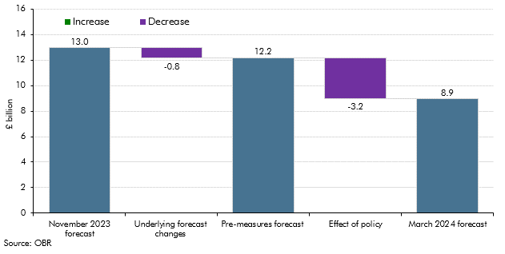

 |  | PSND ex. BoE headroom
 | November 2023 forecast | 13.0
 | Underlying forecast changes | -0.8
 | Pre-measures forecast | 12.2
 | Effect of policy | -3.2
 | March 2024 forecast | 8.9

