NM-B Wire
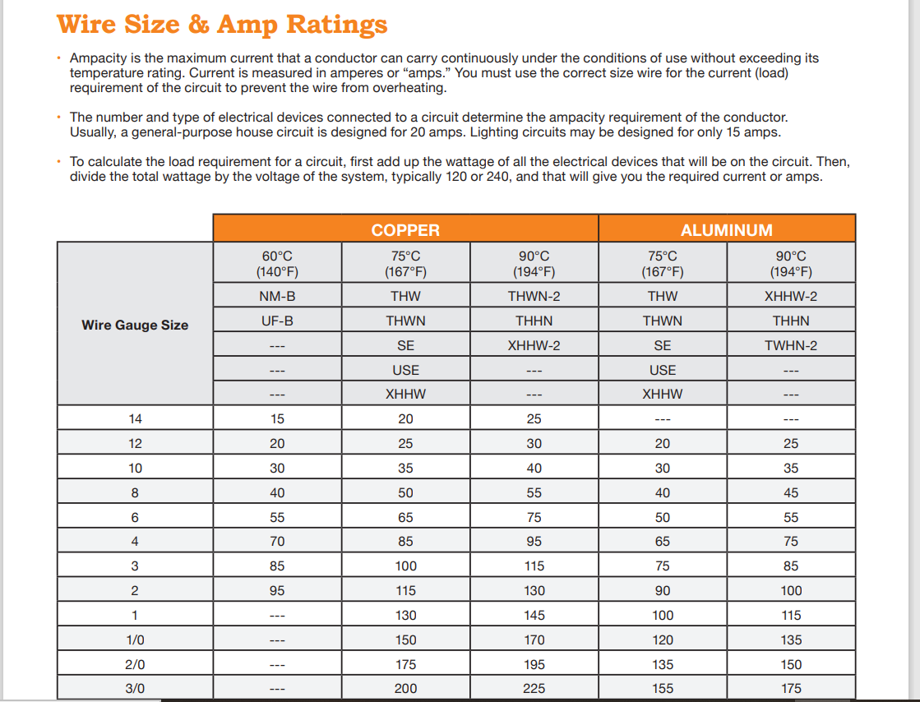
SKU | PRODUCT NAME | Guage | Family | UNIT PRICE
3691630 | 15' 14/2 W/ Ground Wire | 14 | NM-B | $19.36
3691719 | 15' 14/3 W/ Ground Wire | 14 | NM-B | $23.62
3691636 | 25' 14/2 W/ Ground Wire | 14 | NM-B | $22.79
3691720 | 25' 14/3 W/ Ground Wire | 14 | NM-B | $35.23
3691733 | 50' 14/2 W/ Ground Wire | 14 | NM-B | $50.77
3691733 | 50' 14/3 W/ Ground Wire | 14 | NM-B | $66.30
3691652 | 100' 14/2 W/ Ground Wire | 14 | NM-B | $76.00
3691788 | 100' 14/3 W/ Ground Wire | 14 | NM-B | $104.00
3691322 | 250' 14/2 W/ Ground Wire | 14 | NM-B | $114.98
3691380 | 250' 14/3 W/ Ground Wire | 14 | NM-B | $130.19
3691306 | 1000' 14/2 W/ Ground Wire | 14 | NM-B | $454.74
3691283 | 1000' 14/3 W/ Ground Wire | 14 | NM-B | $591.48
3691660 | 15' 12/2 W/ Ground Wire | 12 | NM-B | $26.00
3691745 | 15' 12/3 W/ Ground Wire | 12 | NM-B | 42.21
3691665 | 25' 12/2 W/ Ground Wire | 12 | NM-B | 36.31
3691746 | 25' 12/3 W/ Ground Wire | 12 | NM-B | 62.94
3691678 | 50' 12/2 W/ Ground Wire | 12 | NM-B | 64.79
3691759 | 50' 12/3 W/ Ground Wire | 12 | NM-B | 118
3691681 | 100' 12/2 W/ Ground Wire | 12 | NM-B | 95.99
3691791 | 100' 12/3 W/ Ground Wire | 12 | NM-B | 184.99
3691335 | 250' 12/2 W/ Ground Wire | 12 | NM-B | 152.64
3691393 | 250' 12/3 W/ Ground Wire | 12 | NM-B | 260.76
3691319 | 1000' 12/2 W/ Ground Wire | 12 | NM-B | 610.56
3691296 | 1000' 12/3 W/ Ground Wire | 12 | NM-B | 951.14
3691693 | 15' 10/2 W/ Ground Wire | 10 | NM-B | $40.98
3691761 | 15' 10/3 W/ Ground Wire | 10 | NM-B | $59.00
3691694 | 25' 10/2 W/ Ground Wire | 10 | NM-B | $65.30
3691762 | 25' 10/3 W/ Ground Wire | 10 | NM-B | $92.48
3691704 | 50' 10/2 W/ Ground Wire | 10 | NM-B | $140.00
3691775 | 50' 10/3 W/ Ground Wire | 10 | NM-B | $182.68
3691717 | 100' 10/2 W/ Ground Wire | 10 | NM-B | $221.54
3691801 | 100' 10/3 W/ Ground Wire | 10 | NM-B | $246.00
3691348 | 250' 10/2 W/ Ground Wire | 10 | NM-B | $293.62
3691403 | 250' 10/3 W/ Ground Wire | 10 | NM-B | $433.54
3691452 | 50' 8/2 W/ Ground Wire | 8 | NM-B | $107.17
3691513 | 50' 8/3 W/ Ground Wire | 8 | NM-B | $176.90
3691453 | 75' 8/2 W/ Ground Wire | 8 | NM-B | $148.85
3691539 | 75' 8/3 W/ Ground Wire | 8 | NM-B | $245.70
3691454 | 125' 8/2 W/ Ground Wire | 8 | NM-B | $229.00
3691429 | 125' 8/3 W/ Ground Wire | 8 | NM-B | $378.00

