NET
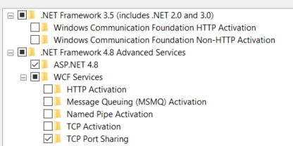
NetFx3 | .NET Framework 3.5
WCF-HTTP-Activation
WCF-NonHTTP-Activation
NetFx4-AdvSrvs | .NET Framework 4.8
NetFx4Extended-ASPNET45 | ASP.NET 4.8
WCF-Services45
WCF-HTTP-Activation45
WCF-TCP-Activation45
WCF-Pipe-Activation45
WCF-MSMQ-Activation45
WCF-TCP-PortSharing45

IIS
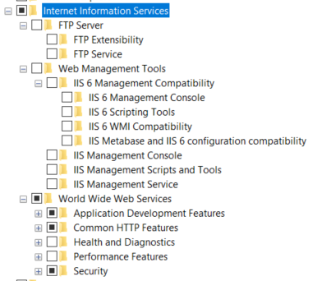
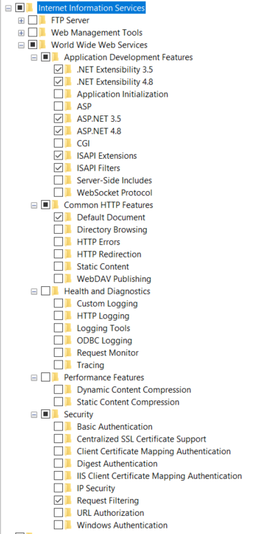
IIS-WebServerRole
IIS-FTPServer | FTP server
IIS-FTPExtensibility | FTP Extensibility
IIS-FTPSvc | FTP service
IIS-WebServerManagementTools
IIS-IIS6ManagementCompatibility
IIS-LegacySnapIn
IIS-LegacyScripts
IIS-WMICompatibility
IIS-Metabase
IIS-ManagementConsole
IIS-ManagementScriptingTools
IIS-ManagementService
IIS-WebServer
IIS-ApplicationDevelopment
IIS-NetFxExtensibility
IIS-NetFxExtensibility45
IIS-ApplicationInit
IIS-ASP
IIS-ASPNET
IIS-ASPNET45
IIS-CGI
IIS-ISAPIExtensions
IIS-ISAPIFilter
IIS-ServerSideIncludes
IIS-WebSockets
IIS-CommonHttpFeatures
IIS-DefaultDocument
IIS-DirectoryBrowsing
IIS-HttpErrors
IIS-HttpRedirect
IIS-StaticContent
IIS-WebDAV
IIS-HealthAndDiagnostics
IIS-CustomLogging
IIS-HttpLogging
IIS-LoggingLibraries
IIS-ODBCLogging
IIS-RequestMonitor
IIS-HttpTracing
IIS-Performance
IIS-HttpCompressionDynamic
IIS-HttpCompressionStatic
IIS-Security
IIS-BasicAuthentication
IIS-CertProvider
IIS-ClientCertificateMappingAuthentication
IIS-DigestAuthentication
IIS-IISCertificateMappingAuthentication
IIS-IPSecurity
IIS-RequestFiltering
IIS-URLAuthorization
IIS-WindowsAuthentication

