2023
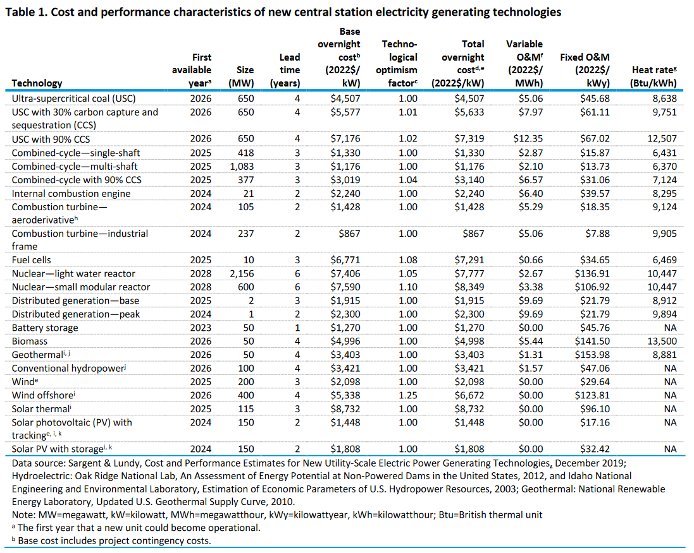
 |  | H |  | I | A | B | C | D | E | F
 |  | First available year | Size (MW) | Lead time (years) | Base overnight cost (2022$/kW) | Technological optimism factor | Total overnight cost (2022$/kW) | Variable O&M (2022$/MWh) | Fixed O&M (2022$/kW-y) | Heat rate (Btu/kWh) | Fuente: https://www.eia.gov/outlooks/aeo/assumptions/pdf/elec_cost_perf.pdf
Z | Ultra-supercritical coal (USC) | 2026 | 650 | 4 | 4507 | 1.00 | 4507 | 5.06 | 45.68 | 8638
Y | USC with 30% carbon capture and sequestration (CCS) | 2026 | 650 | 4 | 5577 | 1.01 | 5633 | 7.97 | 61.11 | 9751
X | USC with 90% CCS | 2026 | 650 | 4 | 7176 | 1.02 | 7319 | 12.35 | 67.02 | 12507
W | Combined-cycle—single-shaft | 2025 | 418 | 3 | 1330 | 1.00 | 1330 | 2.87 | 15.87 | 6431
V | Combined-cycle—multi-shaft | 2025 | 1083 | 3 | 1176 | 1.00 | 1176 | 2.10 | 13.73 | 6370
U | Combined-cycle with 90% CCS | 2025 | 377 | 3 | 3019 | 1.04 | 3140 | 6.57 | 31.06 | 7124
T | Internal combustion engine | 2024 | 21 | 2 | 2240 | 1.00 | 2240 | 6.40 | 39.57 | 8295
S | Combustion turbine aeroderivative | 2024 | 105 | 2 | 1428 | 1.00 | 1428 | 5.29 | 18.35 | 9124
R | Combustion turbine—industrial frame | 2024 | 237 | 2 | 867 | 1.00 | 867 | 5.06 | 7.88 | 9905
Q | Fuel cells | 2025 | 10 | 3 | 6771 | 1.08 | 7291 | 0.66 | 34.65 | 6469
P | Nuclear--light water reactor | 2028 | 2156 | 6 | 7406 | 1.05 | 7777 | 2.67 | 136.91 | 10447
O | Nuclear--small modular reactor | 2028 | 600 | 6 | 7590 | 1.10 | 8349 | 3.38 | 106.92 | 10447
M | Distributed generation—base | 2025 | 2 | 3 | 1915 | 1.00 | 1915 | 9.69 | 21.79 | 8912
L | Distributed generation—peak | 2024 | 1 | 2 | 2300 | 1.00 | 2300 | 9.69 | 21.79 | 9894
K | Battery storage | 2023 | 50 | 1 | 1270 | 1.00 | 1270 | 0.00 | 45.76 | NA
J | Biomass | 2026 | 50 | 4 | 4996 | 1.00 | 4998 | 5.44 | 141.50 | 13500
H | Geothermal | 2026 | 50 | 4 | 3403 | 1.00 | 3403 | 1.31 | 153.98 | 8881
A | Conventional hydropower | 2026 | 100 | 4 | 3421 | 1.00 | 3421 | 1.57 | 47.06 | NA
B | Wind | 2025 | 200 | 3 | 2098 | 1.00 | 2098 | 0.00 | 29.64 | NA
C | Wind offshore | 2026 | 400 | 4 | 5338 | 1.25 | 6672 | 0.00 | 123.81 | NA
D | Solar thermal | 2025 | 115 | 3 | 8732 | 1.00 | 8732 | 0.00 | 96.10 | NA
E | Solar photovoltaic (PV) with tracking | 2024 | 150 | 2 | 1448 | 1.00 | 1448 | 0.00 | 17.16 | NA
G | Solar PV with storage | 2024 | 150 | 2 | 1808 | 1.00 | 1808 | 0.00 | 32.42 | NA

Proyección costos
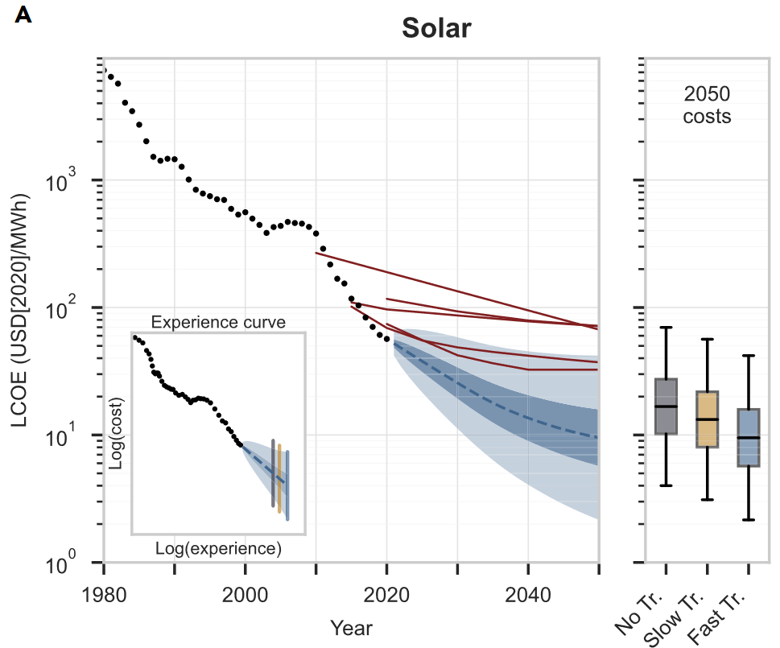
 | LCOE SOLAR | SOLAR normalizado | LCOE WIND | WIND normalizado | H2 LCOE | H2 normalizado | BATTERY LCOE | BATTERY normalizado | CCUS | CCUS normalizado |  | Fuente: | https://www.sciencedirect.com/science/article/pii/S254243512200410X
2020 | 55.71 | 1.00 | 40.7 | 1.00 | 1259.2 | 1.00 | 117.0 | 1.00 | 245.3 | 1.00
2021 | 52.00 | 0.93 | 39.6 | 0.97 | 1195.4 | 0.95 | 106.7 | 0.91 | 230.4 | 0.94
2022 | 48.29 | 0.87 | 38.5 | 0.95 | 1131.7 | 0.90 | 96.5 | 0.83 | 216.3 | 0.88 | SOLAR | SOLAR
2023 | 44.58 | 0.80 | 37.4 | 0.92 | 1067.9 | 0.85 | 86.3 | 0.74 | 203.2 | 0.83 | 2019 | 59.420612962
2024 | 41.14 | 0.74 | 36.4 | 0.89 | 1006.8 | 0.80 | 78.2 | 0.67 | 190.8 | 0.78 | 2020 | 55.709316889
2025 | 37.87 | 0.68 | 35.3 | 0.87 | 947.4 | 0.75 | 71.0 | 0.61 | 179.2 | 0.73 | 2021 | 51.998020817
2026 | 35.08 | 0.63 | 34.3 | 0.84 | 891.7 | 0.71 | 65.1 | 0.56 | 168.3 | 0.69 | 2021.5735569 | 49.869381501
2027 | 32.40 | 0.58 | 33.4 | 0.82 | 839.3 | 0.67 | 59.3 | 0.51 | 158.0 | 0.64 | 2023.3933755 | 43.115495756
2028 | 29.97 | 0.54 | 32.5 | 0.80 | 787.9 | 0.63 | 53.8 | 0.46 | 148.4 | 0.61 | 2025.0994555 | 37.548519352
2029 | 27.70 | 0.50 | 31.7 | 0.78 | 738.4 | 0.59 | 48.5 | 0.41 | 139.4 | 0.57 | 2026.5130646 | 33.67879351
2030 | 25.58 | 0.46 | 30.8 | 0.76 | 693.0 | 0.55 | 43.4 | 0.37 | 130.9 | 0.53 | 2027.4121416 | 31.320700385
2031 | 23.70 | 0.43 | 30.0 | 0.74 | 649.7 | 0.52 | 38.4 | 0.33 | 122.9 | 0.50 | 2028.7959621 | 28.129910928
2032 | 22.02 | 0.40 | 29.3 | 0.72 | 608.2 | 0.48 | 34.8 | 0.30 | 115.4 | 0.47 | 2030.4451727 | 24.637597609
2033 | 20.52 | 0.37 | 28.6 | 0.70 | 567.3 | 0.45 | 31.9 | 0.27 | 108.4 | 0.44 | 2031.8587818 | 22.245123507
2034 | 19.11 | 0.34 | 27.9 | 0.69 | 526.1 | 0.42 | 29.7 | 0.25 | 101.8 | 0.42 | 2032.6630767 | 20.990840131
2035 | 17.91 | 0.32 | 27.3 | 0.67 | 490.3 | 0.39 | 28.0 | 0.24 | 95.6 | 0.39 | 2034.1985486 | 18.834952414
2036 | 16.75 | 0.30 | 26.6 | 0.65 | 460.8 | 0.37 | 26.5 | 0.23 | 89.8 | 0.37 | 2036.0183673 | 16.731782971
2037 | 15.87 | 0.28 | 26.0 | 0.64 | 432.1 | 0.34 | 25.5 | 0.22 | 84.3 | 0.34 | 2037.459057 | 15.463527305
2038 | 15.03 | 0.27 | 25.4 | 0.63 | 405.4 | 0.32 | 24.7 | 0.21 | 79.2 | 0.32 | 2038.2931405 | 14.800389587
2039 | 14.29 | 0.26 | 24.9 | 0.61 | 381.8 | 0.30 | 23.9 | 0.20 | 74.4 | 0.30 | 2039.8854819 | 13.647760284
2040 | 13.58 | 0.24 | 24.4 | 0.60 | 359.8 | 0.29 | 23.0 | 0.20 | 69.8 | 0.28 | 2041.3261716 | 12.798167456
2041 | 12.99 | 0.23 | 23.9 | 0.59 | 339.7 | 0.27 | 22.1 | 0.19 | 65.6 | 0.27 | 2042.1602551 | 12.364463184
2042 | 12.45 | 0.22 | 23.4 | 0.57 | 324.4 | 0.26 | 21.2 | 0.18 | 61.6 | 0.25 | 2043.8663351 | 11.521761255
2043 | 11.95 | 0.21 | 22.9 | 0.56 | 312.9 | 0.25 | 20.3 | 0.17 | 57.8 | 0.24 | 2045.32219 | 10.939474921
2044 | 11.47 | 0.21 | 22.5 | 0.55 | 306.6 | 0.24 | 19.4 | 0.17 | 54.3 | 0.22 | 2046.1979777 | 10.637274386
2045 | 11.07 | 0.20 | 22.1 | 0.54 | 301.1 | 0.24 | 18.7 | 0.16 | 51.0 | 0.21 | 2047.8471884 | 10.074000233
2046 | 10.71 | 0.19 | 21.7 | 0.53 | 297.7 | 0.24 | 18.2 | 0.16 | 47.9 | 0.20 | 2049.1930959 | 9.7065892565
2047 | 10.36 | 0.19 | 21.3 | 0.52 | 294.2 | 0.23 | 17.8 | 0.15 | 45.0 | 0.18 | 2050 | 9.4863174949
2048 | 10.03 | 0.18 | 20.9 | 0.51 | 291.6 | 0.23 | 17.4 | 0.15 | 42.3 | 0.17 | 2051 | 9.2133336766
2049 | 9.76 | 0.18 | 20.5 | 0.51 | 289.0 | 0.23 | 17.1 | 0.15 | 39.7 | 0.16
2050 | 9.49 | 0.17 | 20.2 | 0.50 | 285.3 | 0.23 | 16.9 | 0.14 | 37.3 | 0.15

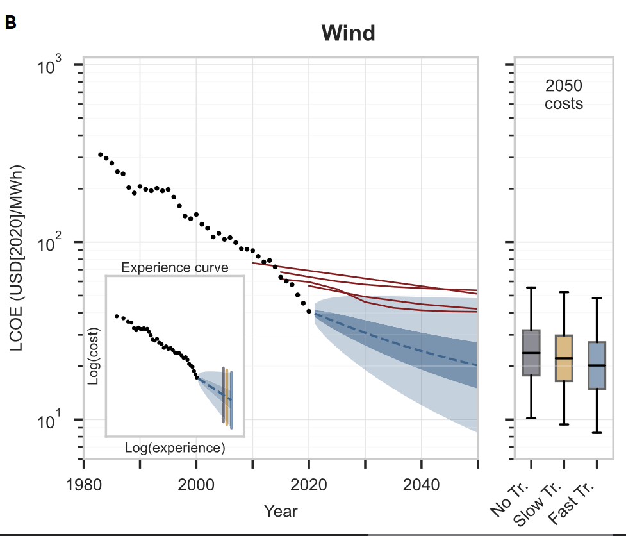

Costos normalizados

 |  |  |  |  |  |  |  |  |  |  | 2019 | 41.764178325
 |  |  |  |  |  |  |  |  |  |  | 2020 | 40.670357174
 |  |  |  |  |  |  |  |  |  |  | 2021 | 39.576536022
 |  |  |  |  |  |  |  |  |  |  | 2021.6334243 | 38.883683155
 |  |  |  |  |  |  |  |  |  |  | 2023.0758264 | 37.305953209
 |  |  |  |  |  |  |  |  |  |  | 2023.9109013 | 36.461864495
 |  |  |  |  |  |  |  |  |  |  | 2025.5051352 | 34.791045479
 |  |  |  |  |  |  |  |  |  |  | 2026.9475373 | 33.410958791
 |  |  |  |  |  |  |  |  |  |  | 2027.7826122 | 32.703563483
 |  |  |  |  |  |  |  |  |  |  | 2029.49072 | 31.235332432
 |  |  |  |  |  |  |  |  |  |  | 2030.9331221 | 30.089104033
 |  |  |  |  |  |  |  |  |  |  | 2031.768197 | 29.472473404
 |  |  |  |  |  |  |  |  |  |  | 2033.4763048 | 28.245301078
 |  |  |  |  |  |  |  |  |  |  | 2034.9187069 | 27.323973313
 |  |  |  |  |  |  |  |  |  |  | 2035.7537818 | 26.750755095
 |  |  |  |  |  |  |  |  |  |  | 2037.4618896 | 25.725730016
 |  |  |  |  |  |  |  |  |  |  | 2038.9042917 | 24.916416898
 |  |  |  |  |  |  |  |  |  |  | 2039.7393666 | 24.483290507
 |  |  |  |  |  |  |  |  |  |  | 2041.4474744 | 23.626722806
 |  |  |  |  |  |  |  |  |  |  | 2042.9050597 | 22.974515652
 |  |  |  |  |  |  |  |  |  |  | 2043.7818884 | 22.571791013
 |  |  |  |  |  |  |  |  |  |  | 2045.5469331 | 21.855497044
 |  |  |  |  |  |  |  |  |  |  | 2047.0045184 | 21.281145137
 |  |  |  |  |  |  |  |  |  |  | 2047.881347 | 20.953829134
 |  |  |  |  |  |  |  |  |  |  | 2049.418644 | 20.387108689
 |  |  |  |  |  |  |  |  |  |  | 2050 | 20.172793356
 |  |  |  |  |  |  |  |  |  |  | 2051 | 19.804146018

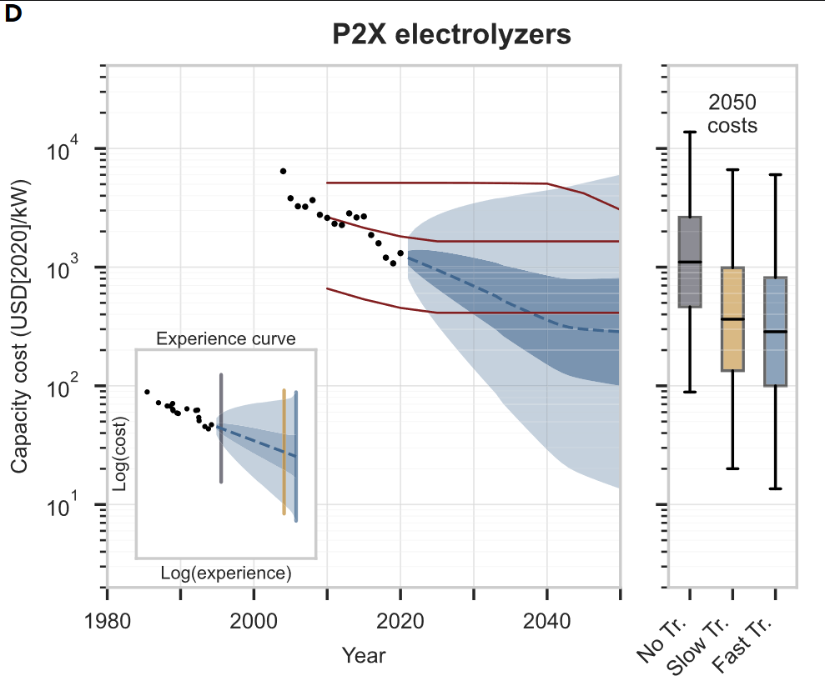

 |  |  |  |  |  |  |  |  |  |  | 2019 | 1322.9437278 | 2019
 |  |  |  |  |  |  |  |  |  |  | 2020 | 1259.1906943 | 2020 | 1300
 |  |  |  |  |  |  |  |  |  |  | 2021 | 1195.4376609 | 2021 | 1350
 |  |  |  |  |  |  |  |  |  |  | 2021.5961538 | 1157.4310448 | 2022 | 1370
 |  |  |  |  |  |  |  |  |  |  | 2023.0374958 | 1065.5411238 | 2023 | 1380
 |  |  |  |  |  |  |  |  |  |  | 2023.8719569 | 1014.3583328 | 2024 | 1370
 |  |  |  |  |  |  |  |  |  |  | 2025.4650191 | 919.79680605 | 2025 | 1350
 |  |  |  |  |  |  |  |  |  |  | 2026.906361 | 844.18649844 | 2026 | 1325
 |  |  |  |  |  |  |  |  |  |  | 2027.7408221 | 800.70562343 | 2027 | 1300
 |  |  |  |  |  |  |  |  |  |  | 2029.3338843 | 721.88504492 | 2028 | 1270
 |  |  |  |  |  |  |  |  |  |  | 2031.2683169 | 638.11585879 | 2029 | 1240
 |  |  |  |  |  |  |  |  |  |  | 2033.0889593 | 563.65345215 | 2030 | 1200
 |  |  |  |  |  |  |  |  |  |  | 2034.5032084 | 505.29797642 | 2031 | 1150
 |  |  |  |  |  |  |  |  |  |  | 2035.3078673 | 480.93372605 | 2032 | 1130
 |  |  |  |  |  |  |  |  |  |  | 2036.8440344 | 436.24451126 | 2033 | 1100
 |  |  |  |  |  |  |  |  |  |  | 2038.2853763 | 397.79551518 | 2034 | 1050
 |  |  |  |  |  |  |  |  |  |  | 2039.1198374 | 379.12474744 | 2035 | 1010
 |  |  |  |  |  |  |  |  |  |  | 2040.7128996 | 344.14236941 | 2036 | 980
 |  |  |  |  |  |  |  |  |  |  | 2042.1694135 | 321.75888919 | 2037 | 950
 |  |  |  |  |  |  |  |  |  |  | 2043.0455977 | 312.41243983 | 2038 | 910
 |  |  |  |  |  |  |  |  |  |  | 2044.8093451 | 301.76035089 | 2039 | 880
 |  |  |  |  |  |  |  |  |  |  | 2046.2658591 | 296.79456003 | 2040 | 850
 |  |  |  |  |  |  |  |  |  |  | 2047.1420432 | 293.75409043 | 2041 | 830
 |  |  |  |  |  |  |  |  |  |  | 2049.0195808 | 288.96778346 | 2042 | 800
 |  |  |  |  |  |  |  |  |  |  | 2049.7023217 | 286.43303503 | 2043 | 790
 |  |  |  |  |  |  |  |  |  |  | 2050 | 285.32787258 | 2044 | 780
 |  |  |  |  |  |  |  |  |  |  | 2051 | 281.615266 | 2045 | 780
 |  |  |  |  |  |  |  |  |  |  |  |  | 2046 | 780
 |  |  |  |  |  |  |  |  |  |  |  |  | 2047 | 780
 |  |  |  |  |  |  |  |  |  |  |  |  | 2048 | 780
 |  |  |  |  |  |  |  |  |  |  |  |  | 2049 | 785
 |  |  |  |  |  |  |  |  |  |  |  |  | 2050 | 790
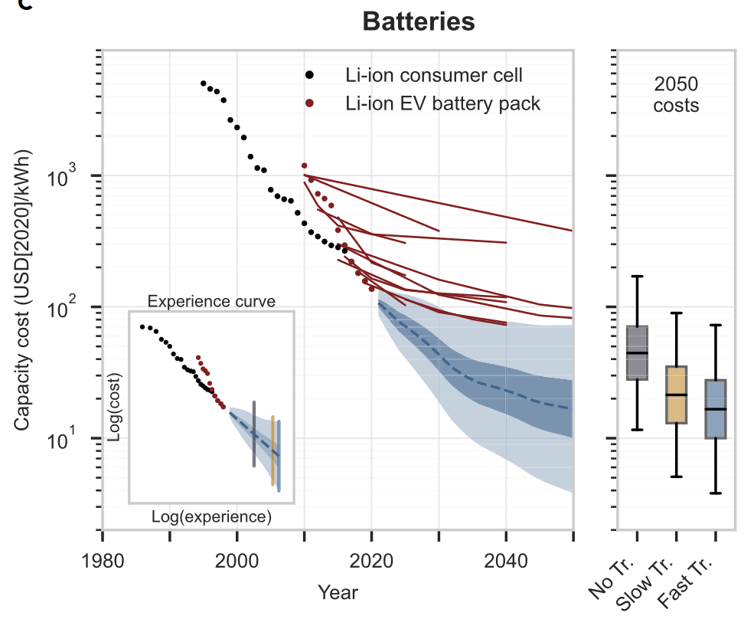

 |  |  |  |  |  |  |  |  |  |  | 2019 | 127.17820062
 |  |  |  |  |  |  |  |  |  |  | 2020 | 116.96289577
 |  |  |  |  |  |  |  |  |  |  | 2021 | 106.74759091
 |  |  |  |  |  |  |  |  |  |  | 2021.5647973 | 100.97801419
 |  |  |  |  |  |  |  |  |  |  | 2023.1012392 | 85.282791536
 |  |  |  |  |  |  |  |  |  |  | 2024.6376812 | 73.116632639
 |  |  |  |  |  |  |  |  |  |  | 2026.0176336 | 65.002204875
 |  |  |  |  |  |  |  |  |  |  | 2027.1089952 | 58.648641108
 |  |  |  |  |  |  |  |  |  |  | 2028.1658071 | 52.928787584
 |  |  |  |  |  |  |  |  |  |  | 2029.5884385 | 45.373395777
 |  |  |  |  |  |  |  |  |  |  | 2031.0679751 | 38.106355897
 |  |  |  |  |  |  |  |  |  |  | 2032.6044171 | 32.730100516
 |  |  |  |  |  |  |  |  |  |  | 2034.4253853 | 28.793016035
 |  |  |  |  |  |  |  |  |  |  | 2036.2463535 | 26.178188877
 |  |  |  |  |  |  |  |  |  |  | 2037.703128 | 24.93077153
 |  |  |  |  |  |  |  |  |  |  | 2038.579469 | 24.249854891
 |  |  |  |  |  |  |  |  |  |  | 2040.3435319 | 22.73596536
 |  |  |  |  |  |  |  |  |  |  | 2041.7851318 | 21.435628464
 |  |  |  |  |  |  |  |  |  |  | 2042.6197422 | 20.658595311
 |  |  |  |  |  |  |  |  |  |  | 2044.2130894 | 19.223172716
 |  |  |  |  |  |  |  |  |  |  | 2045.6698639 | 18.331765646
 |  |  |  |  |  |  |  |  |  |  | 2046.5462049 | 17.98738023
 |  |  |  |  |  |  |  |  |  |  | 2048.3102678 | 17.265395699
 |  |  |  |  |  |  |  |  |  |  | 2049.0500362 | 17.118505928
 |  |  |  |  |  |  |  |  |  |  | 2050 | 16.929879351
 |  |  |  |  |  |  |  |  |  |  | 2051 | 16.731317498

 |  |  |  |  |  |  |  |  |  |  |  |  |  |  | Fuente: | https://assets.researchsquare.com/files/rs-2820071/v1_covered_96254f60-0264-49f6-b29f-2c40b0c4baf3.pdf

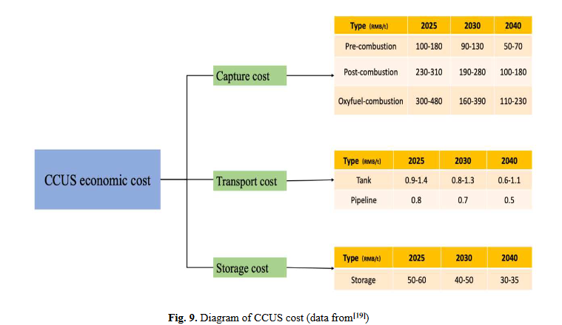

 |  |  |  |  |  |  |  |  |  |  | 2025 | 180
 |  |  |  |  |  |  |  |  |  |  | 2030 | 130
 |  |  |  |  |  |  |  |  |  |  | 2040 | 70

