Afficheur Score
M0 |  |  |  |  |  | M1 | M2 |  |  |  |  |  | M3 |  |  |  |  |  | M4 |  |  |  |  |  |  | M5 |  |  |  |  |  |  |  | M6 |  |  |  |  |  |  |  | M7

M0
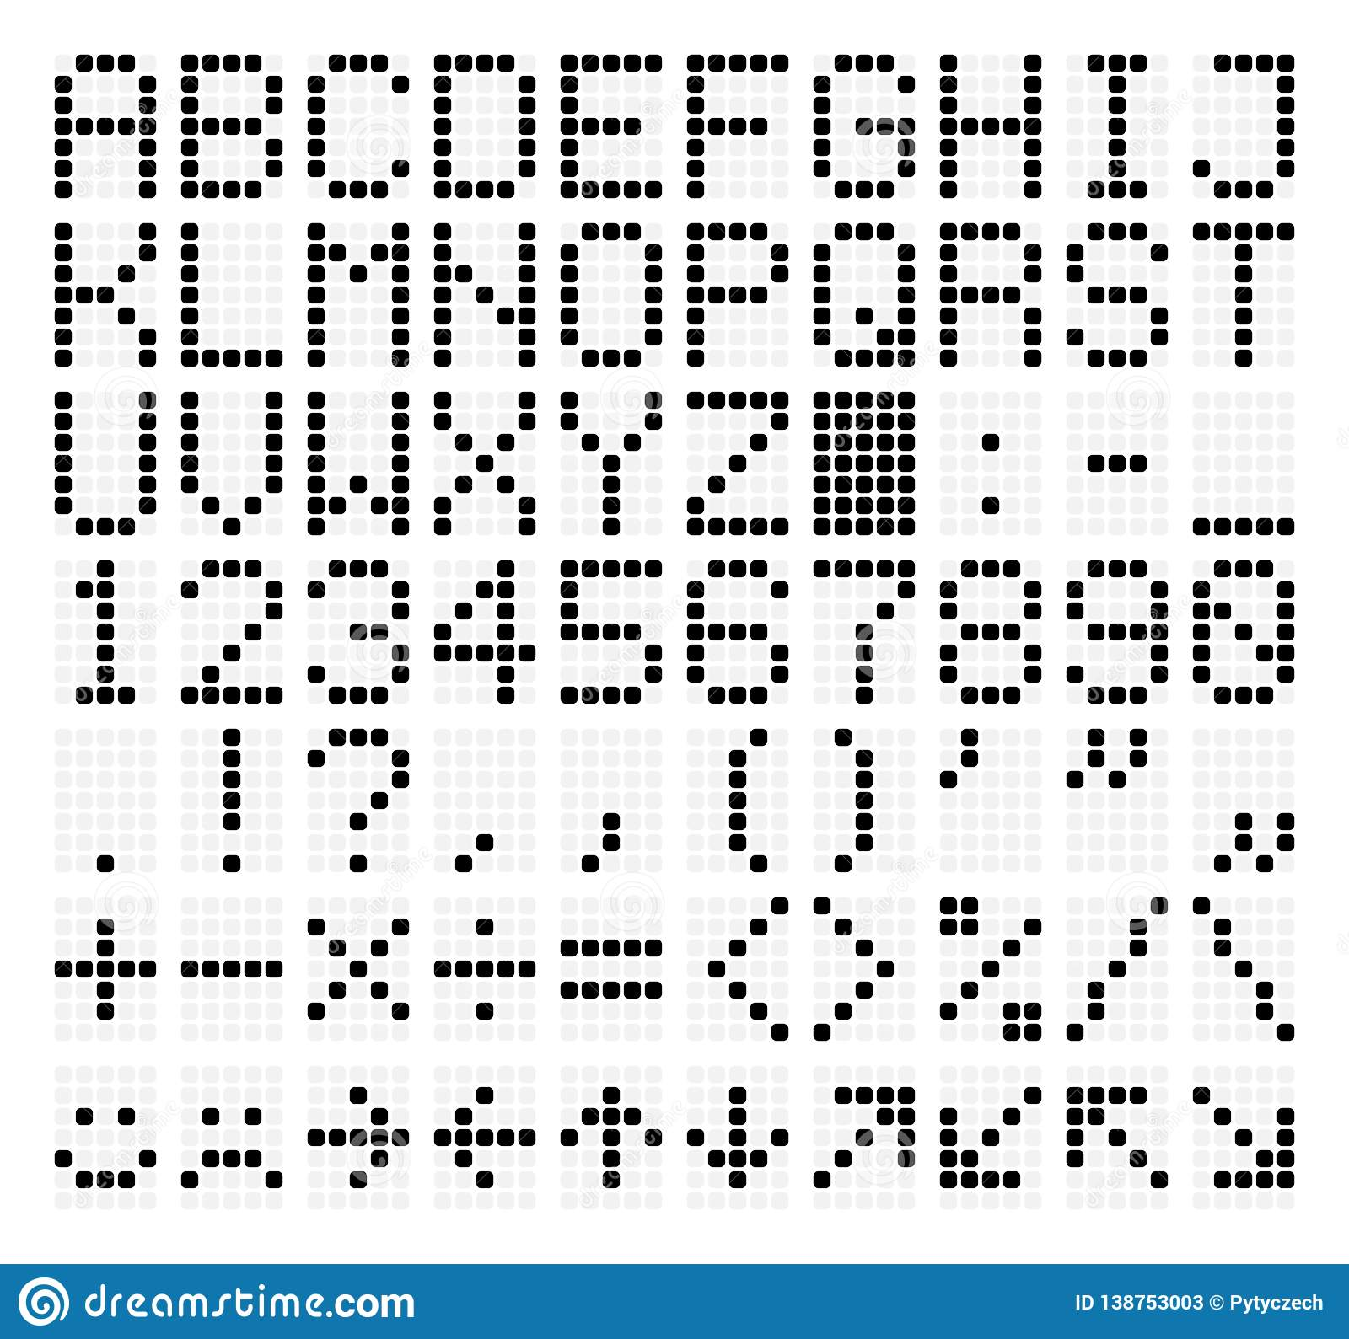
 |  |  |  |  |  |  |  |  |  |  | x | x | x |  |  |  |  | x | x
 |  | x | x | x |  |  |  |  |  | x |  |  |  | x |  |  | x |  | x
 | x |  |  |  | x |  |  |  |  | x |  |  |  | x |  | x |  |  | x
 | x |  |  |  | x |  |  |  |  | x |  |  |  | x |  |  |  |  | x
 | x |  |  |  | x |  |  |  |  | x |  |  |  | x |  |  |  |  | x
 | x |  |  |  | x |  |  |  |  |  | x | x | x |  |  | x | x | x | x | x
 |  | x | x | x

M0
 |  |  |  |  |  |  |  |  |  |  |  | x |  |  |  | x | x | x |  |  |  | x | x | x |  |  |  |  |  |  | x |  |  |  | x | x | x | x | x |  |  |  | x | x | x
 |  |  |  |  |  |  |  |  |  |  | x | x |  |  | x |  |  |  | x |  | x |  |  |  | x |  |  |  |  | x | x |  |  |  | x |  |  |  |  |  |  | x |  |  |  | x
 |  | x | x | x |  |  |  |  |  |  |  | x |  |  |  |  |  |  | x |  |  |  |  |  | x |  |  |  | x |  | x |  |  |  | x |  |  |  |  |  |  | x
 | x |  |  |  | x |  |  |  |  |  |  | x |  |  |  |  |  | x |  |  |  |  | x | x |  |  |  | x |  |  | x |  |  |  | x | x | x | x |  |  |  | x | x | x | x
 | x |  |  |  | x |  |  |  |  |  |  | x |  |  |  |  | x |  |  |  |  |  |  |  | x |  |  | x | x | x | x | x |  |  |  |  |  |  | x |  |  | x |  |  |  | x
 | x |  |  |  | x |  |  |  |  |  |  | x |  |  |  | x |  |  |  |  | x |  |  |  | x |  |  |  |  |  | x |  |  |  |  |  |  |  | x |  |  | x |  |  |  | x
 | x |  |  |  | x |  |  |  |  |  | x | x | x |  | x | x | x | x | x |  |  | x | x | x |  |  |  |  |  |  | x |  |  |  | x | x | x | x |  |  |  |  | x | x | x
 |  | x | x | x

 |  |  |  |  |  |  |  |  |  | x | x | x | x | x |  | x | x | x |  |  |  | x | x | x |  |  |  |  | x | x | x
 |  |  |  |  |  |  |  |  |  |  |  |  |  | x | x |  |  |  | x |  | x |  |  |  | x |  |  | x |  |  |  | x
 |  |  |  |  |  |  |  |  |  |  |  |  | x |  | x |  |  |  | x |  | x |  |  |  | x |  |  | x | x |  |  | x
 |  |  |  |  |  |  |  |  |  |  |  | x |  |  |  | x | x | x |  |  |  | x | x | x | x |  |  | x |  | x |  | x
 |  |  |  |  |  |  |  |  |  |  |  | x |  |  | x |  |  |  | x |  |  |  |  |  | x |  |  | x |  |  | x | x
 |  |  |  |  |  |  |  |  |  |  |  | x |  |  | x |  |  |  | x |  | x |  |  |  | x |  |  | x |  |  |  | x
 |  |  |  |  |  |  |  |  |  |  |  | x |  |  |  | x | x | x |  |  |  | x | x | x |  |  |  |  | x | x | x

 |  |  |  |  |  |  |  | M0 |  |  |  |  |  | M1 |  |  |  |  |  | M2 |  |  |  |  |  |  | M3 |  |  |  |  |  |  |  | M4 |  |  |  |  |  |  |  | M5 |  |  |  |  |  |  | M6 |  |  |  |  |  | M7

 |  |  |  |  |  |  |  |  |  | x | x | x |  |  |  | x | x | x |  |  |  |  | x | x | x |  |  |  |  |  |  |  | x |  |  |  |  |  | x | x | x |  |  |  |  |  |  | x |  |  |  | x | x | x |  |  | x | x | x | x | x
 |  |  |  |  |  |  |  |  | x |  |  |  | x |  | x |  |  |  | x |  |  | x |  |  |  | x |  |  |  |  |  | x | x |  |  |  |  | x |  |  |  | x |  |  |  |  | x | x |  |  | x |  |  |  | x |  |  |  |  |  | x
 |  |  |  |  |  |  |  |  | x | x |  |  | x |  |  |  |  |  | x |  |  | x |  |  |  | x |  |  |  |  | x |  | x |  |  |  |  | x |  |  |  |  |  |  |  |  |  | x |  |  | x |  |  |  | x |  |  |  |  | x
 |  |  |  |  |  |  |  |  | x |  | x |  | x |  |  |  |  | x |  |  |  |  | x | x | x | x |  |  |  | x |  |  | x |  |  |  |  | x | x | x | x |  |  |  |  |  |  | x |  |  |  | x | x | x |  |  |  |  | x
 |  |  |  |  |  |  |  |  | x |  |  | x | x |  |  |  | x |  |  |  |  |  |  |  |  | x |  |  |  | x | x | x | x | x |  |  |  | x |  |  |  | x |  |  |  |  |  | x |  |  | x |  |  |  | x |  |  |  | x
 |  |  |  |  |  |  |  |  | x |  |  |  | x |  |  | x |  |  |  |  |  | x |  |  |  | x |  |  |  |  |  |  | x |  |  |  |  | x |  |  |  | x |  |  |  |  |  | x |  |  | x |  |  |  | x |  |  |  | x
 |  |  |  |  |  |  |  |  |  | x | x | x |  |  | x | x | x | x | x |  |  |  | x | x | x |  |  |  |  |  |  |  | x |  |  |  |  |  | x | x | x |  |  |  |  |  | x | x | x |  |  | x | x | x |  |  |  |  | x

