Afficheur Score
M0 |  |  |  |  |  | M1 | M2 |  |  |  |  |  | M3 |  |  |  |  |  | M4 |  |  |  |  |  |  | M5 |  |  |  |  |  |  |  | M6 |  |  |  |  |  |  |  | M7

M0
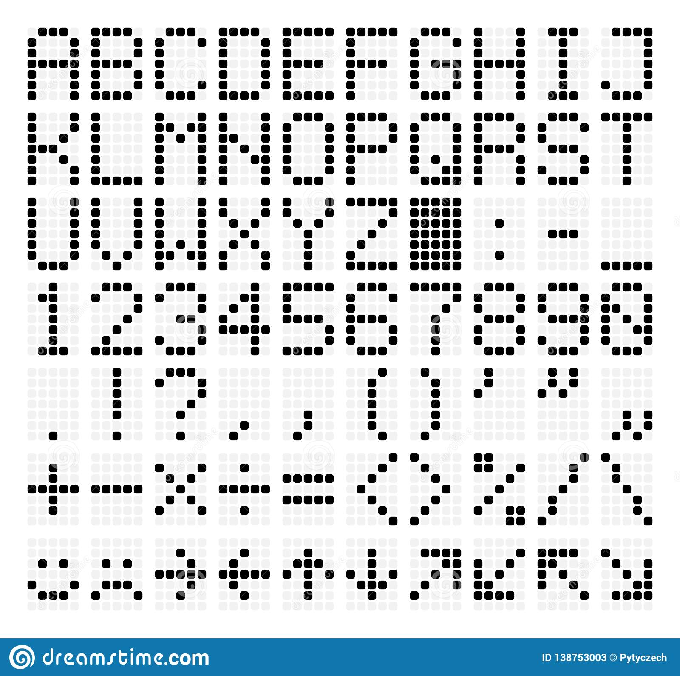
 |  |  |  |  |  |  |  |  |  |  | x | x | x |  |  |  |  | x | x
 |  | x | x | x |  |  |  |  |  | x |  |  |  | x |  |  | x |  | x
 | x |  |  |  | x |  |  |  |  | x |  |  |  | x |  | x |  |  | x
 | x |  |  |  | x |  |  |  |  | x |  |  |  | x |  |  |  |  | x
 | x |  |  |  | x |  |  |  |  | x |  |  |  | x |  |  |  |  | x
 | x |  |  |  | x |  |  |  |  |  | x | x | x |  |  | x | x | x | x | x
 |  | x | x | x

M0
 |  |  |  |  |  |  |  |  |  |  |  | x |  |  |  | x | x | x |  |  |  | x | x | x |  |  |  |  |  |  | x |  |  |  | x | x | x | x | x |  |  |  | x | x | x
 |  |  |  |  |  |  |  |  |  |  | x | x |  |  | x |  |  |  | x |  | x |  |  |  | x |  |  |  |  | x | x |  |  |  | x |  |  |  |  |  |  | x |  |  |  | x
 |  | x | x | x |  |  |  |  |  |  |  | x |  |  |  |  |  |  | x |  |  |  |  |  | x |  |  |  | x |  | x |  |  |  | x |  |  |  |  |  |  | x
 | x |  |  |  | x |  |  |  |  |  |  | x |  |  |  |  |  | x |  |  |  |  | x | x |  |  |  | x |  |  | x |  |  |  | x | x | x | x |  |  |  | x | x | x | x
 | x |  |  |  | x |  |  |  |  |  |  | x |  |  |  |  | x |  |  |  |  |  |  |  | x |  |  | x | x | x | x | x |  |  |  |  |  |  | x |  |  | x |  |  |  | x
 | x |  |  |  | x |  |  |  |  |  |  | x |  |  |  | x |  |  |  |  | x |  |  |  | x |  |  |  |  |  | x |  |  |  |  |  |  |  | x |  |  | x |  |  |  | x
 | x |  |  |  | x |  |  |  |  |  | x | x | x |  | x | x | x | x | x |  |  | x | x | x |  |  |  |  |  |  | x |  |  |  | x | x | x | x |  |  |  |  | x | x | x
 |  | x | x | x

 |  |  |  |  |  |  |  |  |  | x | x | x | x | x |  | x | x | x |  |  |  | x | x | x |  |  |  |  | x | x | x
 |  |  |  |  |  |  |  |  |  |  |  |  |  | x | x |  |  |  | x |  | x |  |  |  | x |  |  | x |  |  |  | x
 |  |  |  |  |  |  |  |  |  |  |  |  | x |  | x |  |  |  | x |  | x |  |  |  | x |  |  | x | x |  |  | x
 |  |  |  |  |  |  |  |  |  |  |  | x |  |  |  | x | x | x |  |  |  | x | x | x | x |  |  | x |  | x |  | x
 |  |  |  |  |  |  |  |  |  |  |  | x |  |  | x |  |  |  | x |  |  |  |  |  | x |  |  | x |  |  | x | x
 |  |  |  |  |  |  |  |  |  |  |  | x |  |  | x |  |  |  | x |  | x |  |  |  | x |  |  | x |  |  |  | x
 |  |  |  |  |  |  |  |  |  |  |  | x |  |  |  | x | x | x |  |  |  | x | x | x |  |  |  |  | x | x | x

 |  |  |  |  |  |  |  | M0 |  |  |  |  |  | M1 |  |  |  |  |  | M2 |  |  |  |  |  |  | M3 |  |  |  |  |  |  |  | M4 |  |  |  |  |  |  |  | M5 |  |  |  |  |  |  | M6 |  |  |  |  |  | M7

 |  |  |  |  |  |  |  |  |  | x | x | x |  |  |  | x | x | x |  |  |  |  | x | x | x |  |  |  |  |  |  |  | x |  |  |  |  |  | x | x | x |  |  |  |  |  |  | x |  |  |  | x | x | x |  |  | x | x | x | x | x
 |  |  |  |  |  |  |  |  | x |  |  |  | x |  | x |  |  |  | x |  |  | x |  |  |  | x |  |  |  |  |  | x | x |  |  |  |  | x |  |  |  | x |  |  |  |  | x | x |  |  | x |  |  |  | x |  |  |  |  |  | x
 |  |  |  |  |  |  |  |  | x | x |  |  | x |  |  |  |  |  | x |  |  | x |  |  |  | x |  |  |  |  | x |  | x |  |  |  |  | x |  |  |  |  |  |  |  |  |  | x |  |  | x |  |  |  | x |  |  |  |  | x
 |  |  |  |  |  |  |  |  | x |  | x |  | x |  |  |  |  | x |  |  |  |  | x | x | x | x |  |  |  | x |  |  | x |  |  |  |  | x | x | x | x |  |  |  |  |  |  | x |  |  |  | x | x | x |  |  |  |  | x
 |  |  |  |  |  |  |  |  | x |  |  | x | x |  |  |  | x |  |  |  |  |  |  |  |  | x |  |  |  | x | x | x | x | x |  |  |  | x |  |  |  | x |  |  |  |  |  | x |  |  | x |  |  |  | x |  |  |  | x
 |  |  |  |  |  |  |  |  | x |  |  |  | x |  |  | x |  |  |  |  |  | x |  |  |  | x |  |  |  |  |  |  | x |  |  |  |  | x |  |  |  | x |  |  |  |  |  | x |  |  | x |  |  |  | x |  |  |  | x
 |  |  |  |  |  |  |  |  |  | x | x | x |  |  | x | x | x | x | x |  |  |  | x | x | x |  |  |  |  |  |  |  | x |  |  |  |  |  | x | x | x |  |  |  |  |  | x | x | x |  |  | x | x | x |  |  |  |  | x

 |  |  |  |  |  |  |  |  |  |  |  |  |  |  |  |  |  |  |  |  |  |  |  |  |  |  |  |  |  |  |  |  |  |  |  |  |  |  |  |  |  |  |  |  |  |  |  |  |  |  |  |  |  |  |  |  |  |  |  |  |  |  |  | C7 | C6 | C5 | C4 | C3 | C2 | C1 | C0
 |  |  |  |  |  |  |  |  |  |  |  |  |  |  |  |  |  |  |  |  |  |  |  |  |  |  |  |  |  |  |  |  |  |  |  |  |  |  |  |  |  |  |  |  |  |  |  |  |  |  |  |  |  |  |  |  |  |  |  |  |  | MSB | R0 |  | x |  | x |  | x |  | x | D7 | 0 | 128 | 0 | 128 | 0 | 128 | 0 | 128
 |  |  |  |  |  |  |  |  |  |  |  |  |  |  |  |  |  |  |  |  |  |  |  |  |  |  |  |  |  |  |  |  |  |  |  |  |  |  |  |  |  |  |  |  |  |  |  |  |  |  |  |  |  |  |  |  |  |  |  |  |  |  | R1 | x |  | x |  | x |  | x |  | D6 | 64 | 0 | 64 | 0 | 64 | 0 | 64 | 0
 |  |  |  |  |  |  |  |  |  |  |  |  |  |  |  |  |  |  |  |  |  |  |  |  |  |  |  |  |  |  |  |  |  |  |  |  |  |  |  |  |  |  |  |  |  |  |  |  |  |  |  |  |  |  |  |  |  |  |  |  |  |  | R2 |  | x |  | x |  | x |  | x | D5 | 0 | 32 | 0 | 32 | 0 | 32 | 0 | 32
 |  |  |  |  |  |  |  |  |  |  |  |  |  |  |  |  |  |  |  |  |  |  |  |  |  |  |  |  |  |  |  |  |  |  |  |  |  |  |  |  |  |  |  |  |  |  |  |  |  |  |  |  |  |  |  |  |  |  |  |  |  |  | R3 | x |  | x |  | x |  | x |  | D4 | 16 | 0 | 16 | 0 | 16 | 0 | 16 | 0
 |  |  |  |  |  |  |  |  |  |  |  |  |  |  |  |  |  |  |  |  |  |  |  |  |  |  |  |  |  |  |  |  |  |  |  |  |  |  |  |  |  |  |  |  |  |  |  |  |  |  |  |  |  |  |  |  |  |  |  |  |  |  | R4 |  | x |  | x |  | x |  | x | D3 | 0 | 8 | 0 | 8 | 0 | 8 | 0 | 8
 |  |  |  |  |  |  |  |  |  |  |  |  |  |  |  |  |  |  |  |  |  |  |  |  |  |  |  |  |  |  |  |  |  |  |  |  |  |  |  |  |  |  |  |  |  |  |  |  |  |  |  |  |  |  |  |  |  |  |  |  |  |  | R5 | x |  | x |  | x |  | x |  | D2 | 4 | 0 | 4 | 0 | 4 | 0 | 4 | 0
 |  |  |  |  |  |  |  |  |  |  |  |  |  |  |  |  |  |  |  |  |  |  |  |  |  |  |  |  |  |  |  |  |  |  |  |  |  |  |  |  |  |  |  |  |  |  |  |  |  |  |  |  |  |  |  |  |  |  |  |  |  |  | R6 |  | x |  | x |  | x |  | x | D1 | 0 | 2 | 0 | 2 | 0 | 2 | 0 | 2
 |  |  |  |  |  |  |  |  |  |  |  |  |  |  |  |  |  |  |  |  |  |  |  |  |  |  |  |  |  |  |  |  |  |  |  |  |  |  |  |  |  |  |  |  |  |  |  |  |  |  |  |  |  |  |  |  |  |  |  |  |  | LSB | R7 | x |  | x |  | x |  | x |  | D0 | 1 | 0 | 1 | 0 | 1 | 0 | 1 | 0

 |  |  |  |  |  |  |  |  |  |  |  |  |  |  |  |  |  |  |  |  |  |  |  |  |  |  |  |  |  |  |  |  |  |  |  |  |  |  |  |  |  |  |  |  |  |  |  |  |  |  |  |  |  |  |  |  |  |  |  |  |  |  |  |  |  |  |  |  |  |  |  | Digit7 | 55
 |  |  |  |  |  |  |  |  |  |  |  |  |  |  |  |  |  |  |  |  |  |  |  |  |  |  |  |  |  |  |  |  |  |  |  |  |  |  |  |  |  |  |  |  |  |  |  |  |  |  |  |  |  |  |  |  |  |  |  |  |  |  |  |  |  |  |  |  |  |  |  | Digit6 |  | AA
 |  |  |  |  |  |  |  |  |  |  |  |  |  |  |  |  |  |  |  |  |  |  |  |  |  |  |  |  |  |  |  |  |  |  |  |  |  |  |  |  |  |  |  |  |  |  |  |  |  |  |  |  |  |  |  |  |  |  |  |  |  |  |  |  |  |  |  |  |  |  |  | Digit5 |  |  | 55
 |  |  |  |  |  |  |  |  |  |  |  |  |  |  |  |  |  |  |  |  |  |  |  |  |  |  |  |  |  |  |  |  |  |  |  |  |  |  |  |  |  |  |  |  |  |  |  |  |  |  |  |  |  |  |  |  |  |  |  |  |  |  |  |  |  |  |  |  |  |  |  | Digit4 |  |  |  | AA
 |  |  |  |  |  |  |  |  |  |  |  |  |  |  |  |  |  |  |  |  |  |  |  |  |  |  |  |  |  |  |  |  |  |  |  |  |  |  |  |  |  |  |  |  |  |  |  |  |  |  |  |  |  |  |  |  |  |  |  |  |  |  |  |  |  |  |  |  |  |  |  | Digit3 |  |  |  |  | 55
 |  |  |  |  |  |  |  |  |  |  |  |  |  |  |  |  |  |  |  |  |  |  |  |  |  |  |  |  |  |  |  |  |  |  |  |  |  |  |  |  |  |  |  |  |  |  |  |  |  |  |  |  |  |  |  |  |  |  |  |  |  |  |  |  |  |  |  |  |  |  |  | Digit2 |  |  |  |  |  | AA
 |  |  |  |  |  |  |  |  |  |  |  |  |  |  |  |  |  |  |  |  |  |  |  |  |  |  |  |  |  |  |  |  |  |  |  |  |  |  |  |  |  |  |  |  |  |  |  |  |  |  |  |  |  |  |  |  |  |  |  |  |  |  |  |  |  |  |  |  |  |  |  | Digit1 |  |  |  |  |  |  | 55
 |  |  |  |  |  |  |  |  |  |  |  |  |  |  |  |  |  |  |  |  |  |  |  |  |  |  |  |  |  |  |  |  |  |  |  |  |  |  |  |  |  |  |  |  |  |  |  |  |  |  |  |  |  |  |  |  |  |  |  |  |  |  |  |  |  |  |  |  |  |  |  | Digit0 |  |  |  |  |  |  |  | AA

