Planilha1
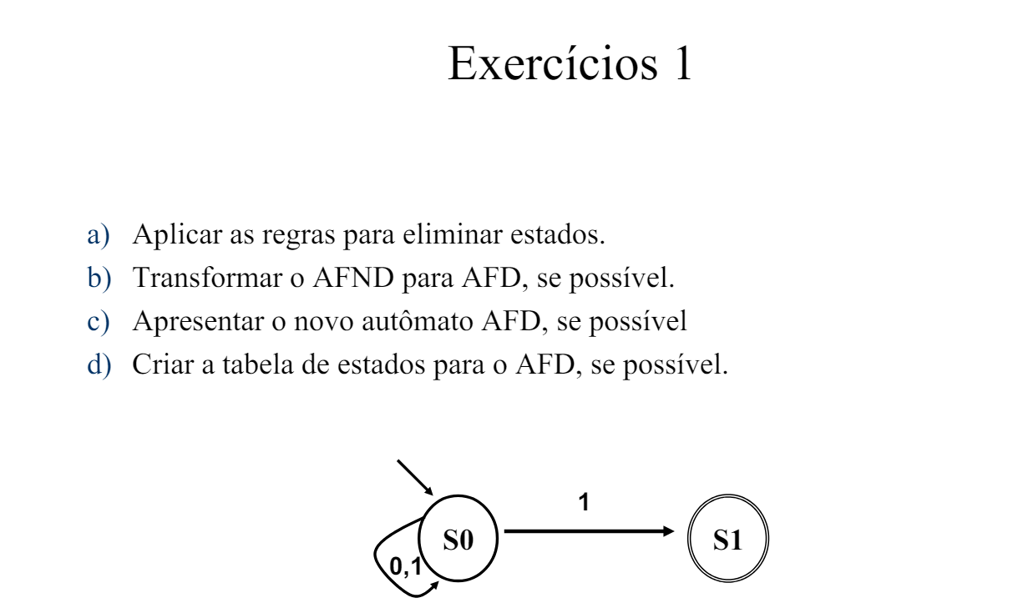
1 |  |  |  |  | S | 0 | 1
S | 0 | 1 |  |  | S0 | S0 | S1
S0 | S0 | S0, S1 |  |  | S1 | S0 | S1
S1 | 0 | 0
S0, S1 | S0 | S0,S1

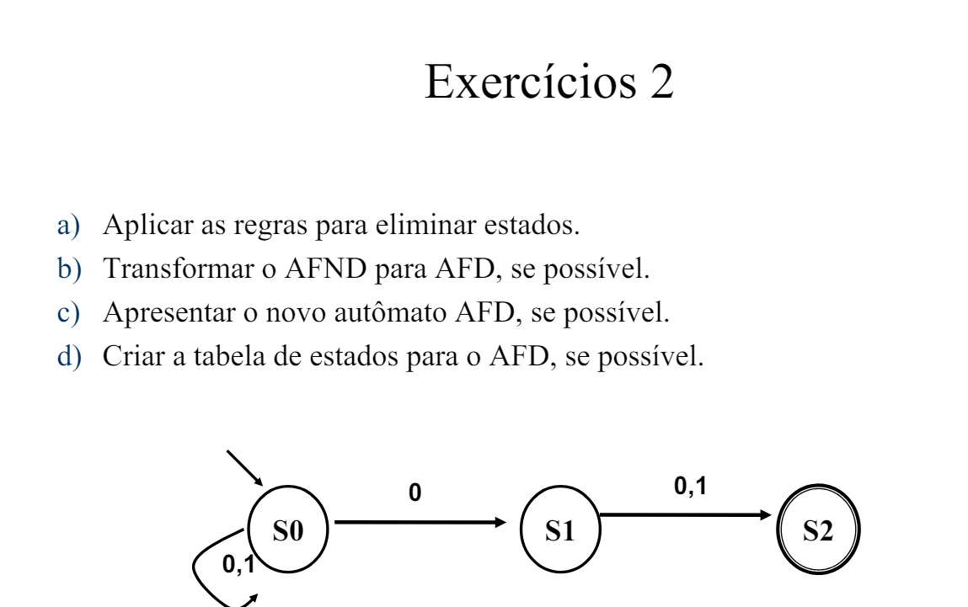
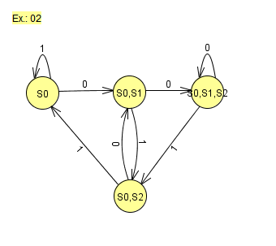
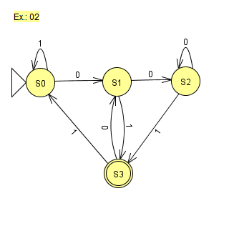
2 |  |  |  |  |  |  |  |  | S | 0 | 1
S | 0 | 1 |  |  |  |  |  |  | S0 | S1 | S0
S0 | S0,S1 | S0 |  |  |  |  |  |  | S1 | S2 | S3
S1 | S2 | S2 |  |  |  |  |  |  | S2 | S2 | S3
S2 | 0 | 0 |  |  |  |  |  |  | S3 | S1 | S0
S0,S1 | S0,S1,S2 | S0,S2
S0,S2 | S0,S1 | S0
S1,S2 | S2 | S2
S0,S1,S2 | S0,S1,S2 | S0,S2

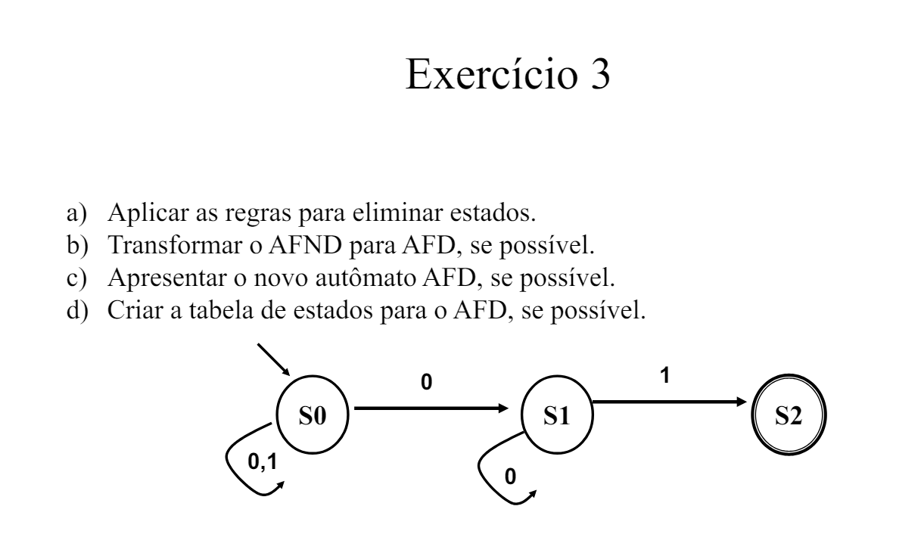
3 |  |  | e) | 1 | 0 | 1 | 0
S | 0 | 1 | 1° | S0 | S0 | S0 | S0
S0 | S0,S1 | S0 | 2° | S0 | S0 | S0 | S1
S1 | S1 | S2 | 3° | S0 | S1 | S2
S2 | 0 | 0
S0,S1 | S0,S1,S1 | S0,S2
S1,S2 | S1 | S2
S0,S2 | S0,S1 | S0
S0,S1,S2 | S0,S1,S1 | S0,S2
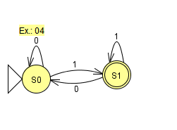
 |  |  |  |  |  |  | S | 0 | 1
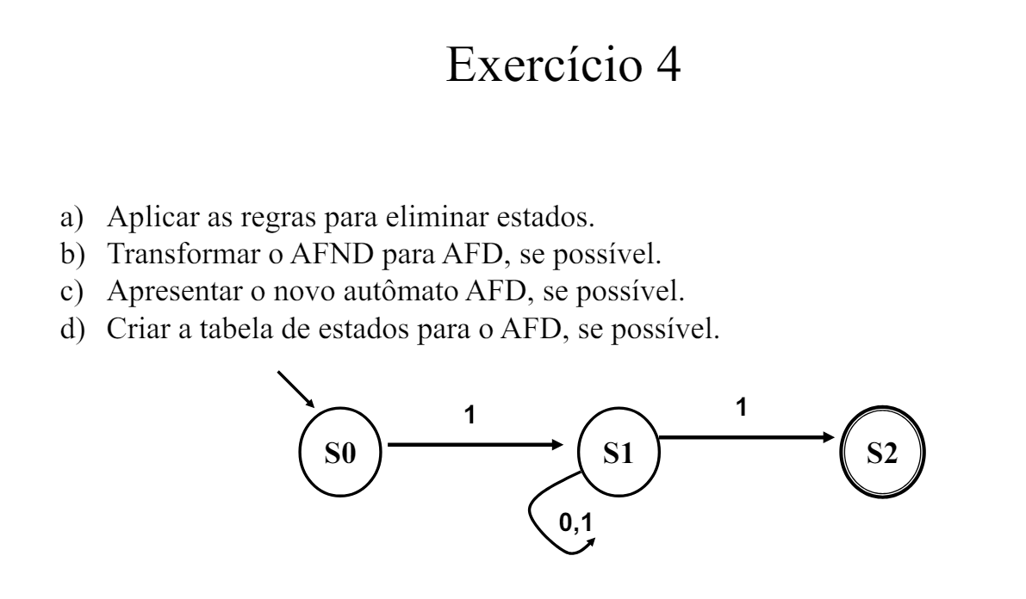
4 |  |  |  |  |  |  | S0 | S0 | S1
S | 0 | 1 |  |  |  |  | S1 | S0 | S1
S0 | 0 | S1
S1 | S1 | S1,S2
S2 | 0 | 0
S0,S1 | S1 | S1,S1,S2
S1,S2 | S1 | S1,S2
S0,S2 | 0 | S1
S0,S1,S2 | S1 | S1,S1,S2
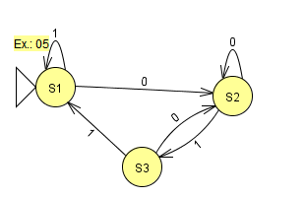
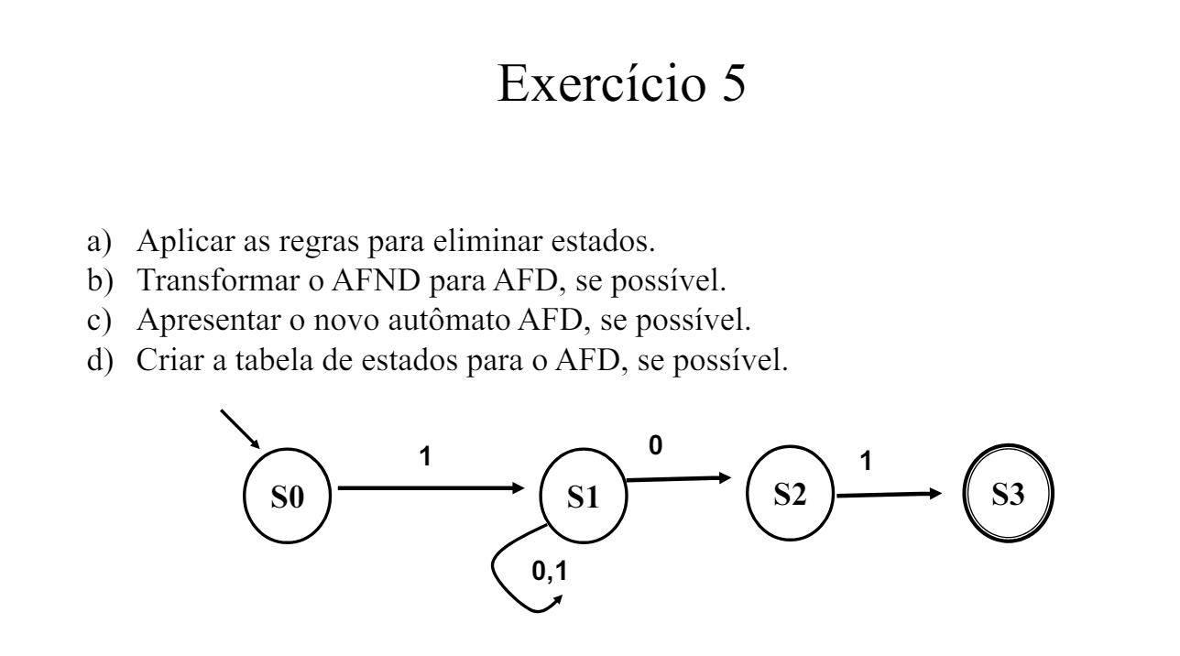
5
S | 0 | 1
S0 | 0 | S1
S1 | S1,S2 | S1
S2 | 0 | S3
S3 | 0 | 0
S0,S1 | S1,S2 | S1,S1
S0,S2 | 0 | S1,S3
S0,S3 | 0 | S1
S1,S2 | S1,S2 | S1,S3
S1,S3 | S1,S2 | S1
S2,S3 | 0 | S1 |  | 0 | 1
S0,S1,S2,S3 | S1,S2 | S1,S1,S3 | S1 | S2 | S1
S0,S1,S2 | S1,S2 | S1,S1,S3 | S2 | S2 | S2
S0,S1,S3 | S1,S2 | S1,S1 | S3 | S2 | S1
S0,S2,S3 | 0 | S1,S3
S1,S2,S3 | S1,S2 | S1,S3

