Hoja1
Nuerons+D8A1:D55 | Batch size | Epochs | Porcetage | Acurrancy | IMGS
1 | 32 | 1 | 22.849999368 | 0.22849999368 | 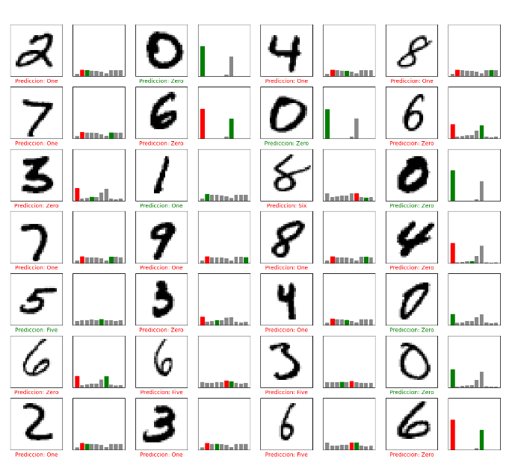
2 | 32 | 1 | 20.469999313 | 0.20469999313 | 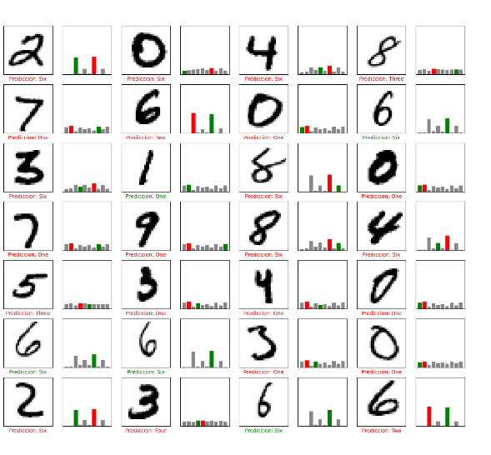
3 | 32 | 1 | 25.920000672 | 0.25920000672 | 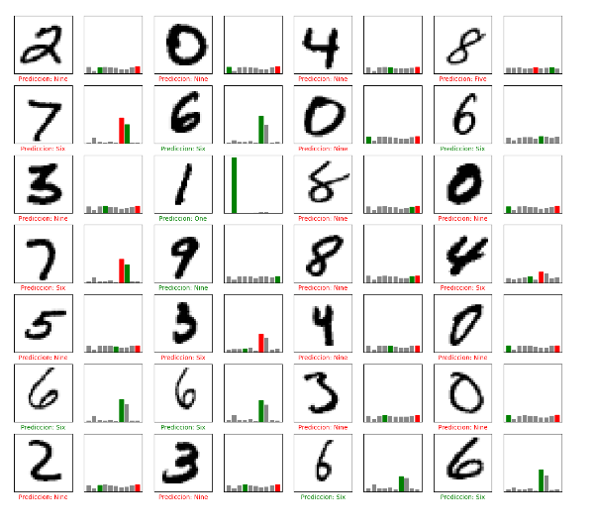
4 | 32 | 1 | 64.200001955 | 0.64200001955 | 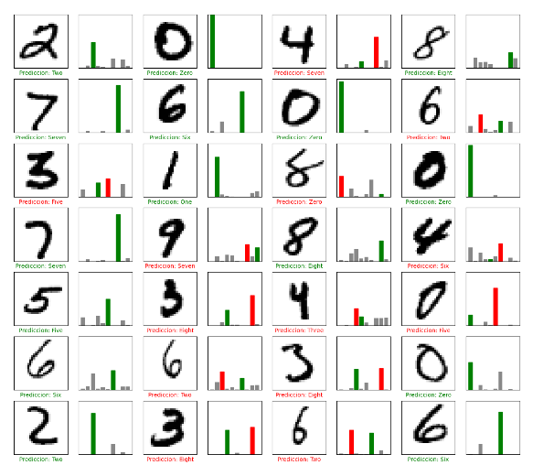
8 | 32 | 1 | 80.510002375 | 0.80510002375 | 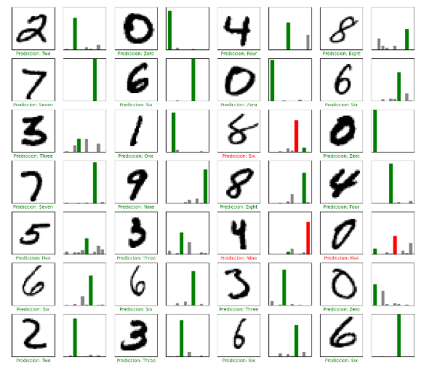
16 | 32 | 1 | 86.729997396 | 0.86729997396 | 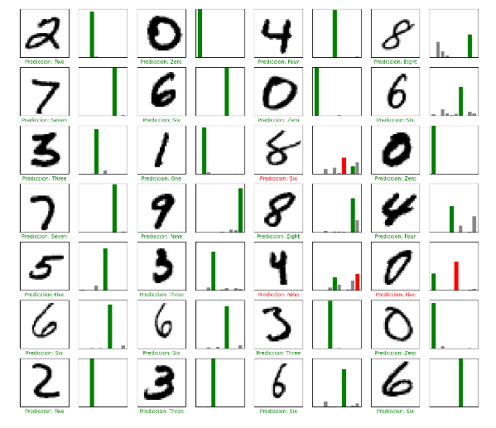
32 | 32 | 1 | 90.07999897 | 0.9007999897 | 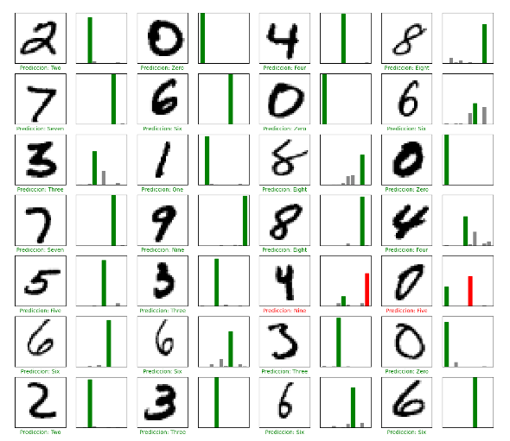
64 | 32 | 1 | 90.410000086 | 0.90410000086 | 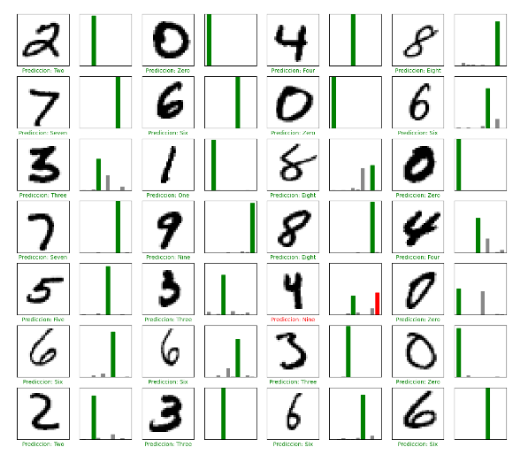
128 | 32 | 1 | 91.000002623 | 0.91000002623 | 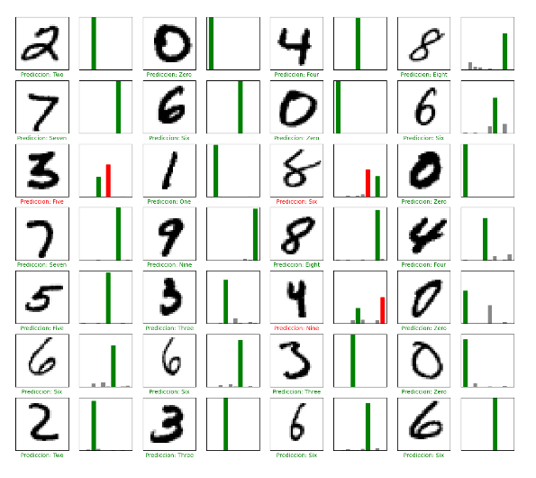
256 | 32 | 1 | 91.079998016 | 0.91079998016 | 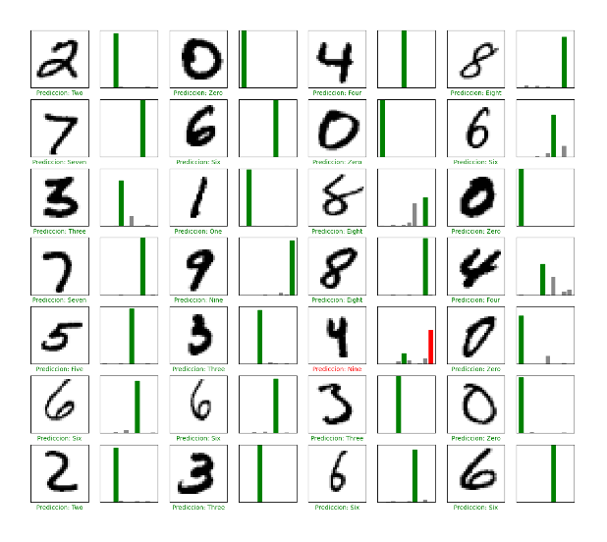
1 | 32 | 2 | 23.440000415 | 0.23440000415 | 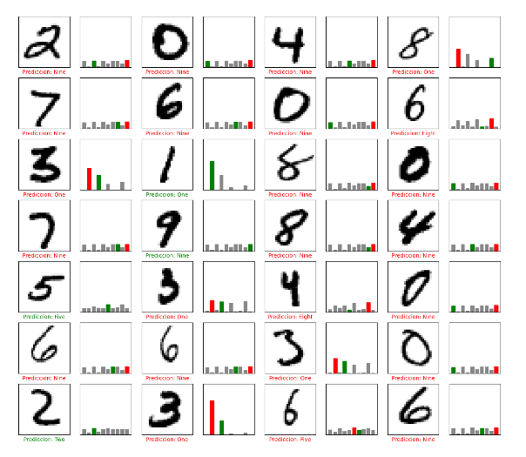
2 | 32 | 2 | 27.790001035 | 0.27790001035 | 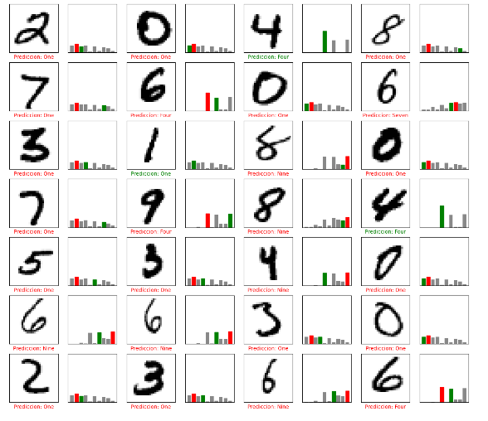
3 | 32 | 2 | 44.909998775 | 0.44909998775 | 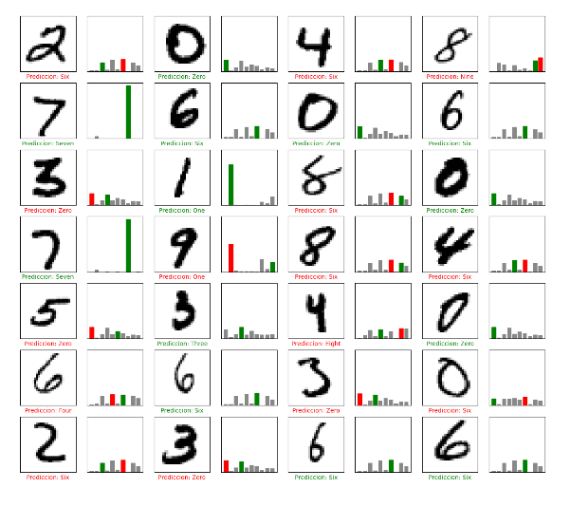
4 | 32 | 2 | 73.659998178 | 0.73659998178 | 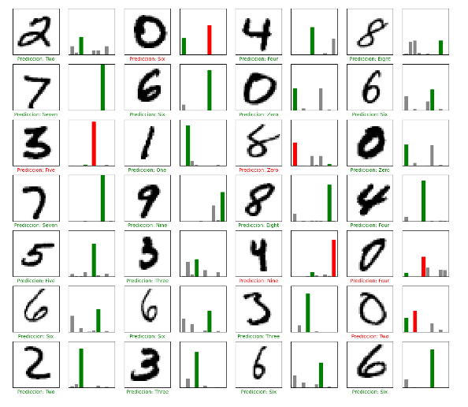
8 | 32 | 2 | 83.550000191 | 0.83550000191 | 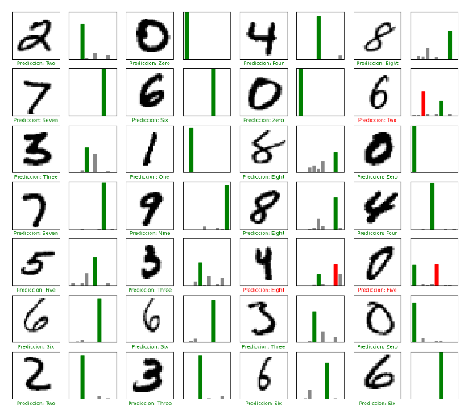
16 | 32 | 2 | 91.229999065 | 0.91229999065 | 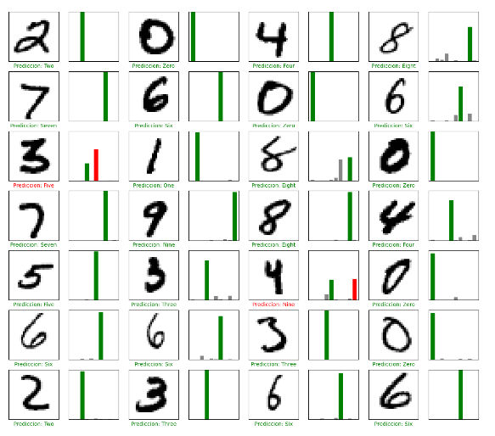
32 | 32 | 2 | 92.040002346 | 0.92040002346 | 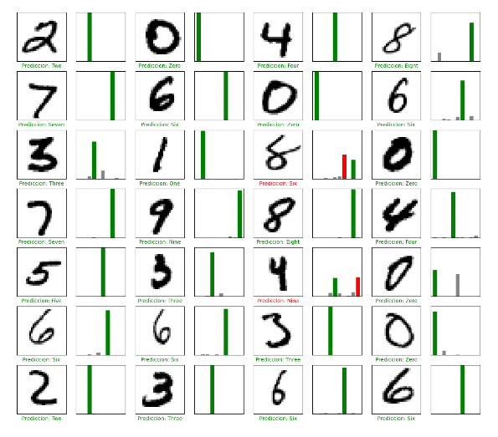
64 | 32 | 2 | 92.309999466 | 0.92309999466 | 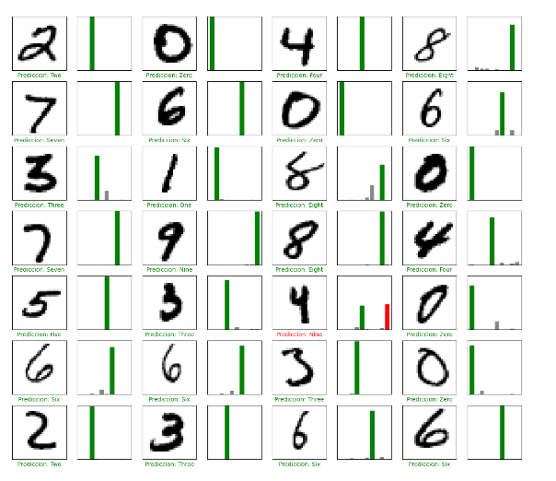
128 | 32 | 2 | 92.839998007 | 0.92839998007 | 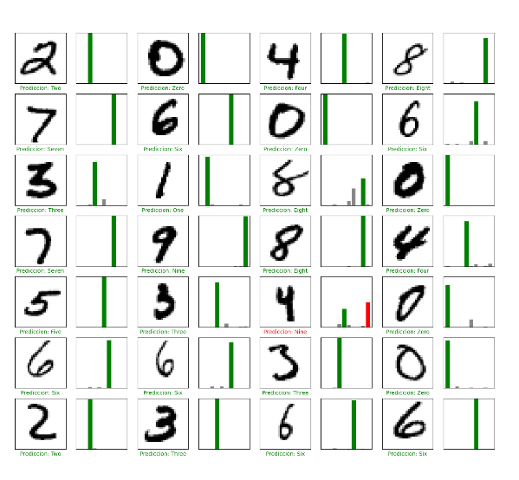
256 | 32 | 2 | 92.750000954 | 0.92750000954 | 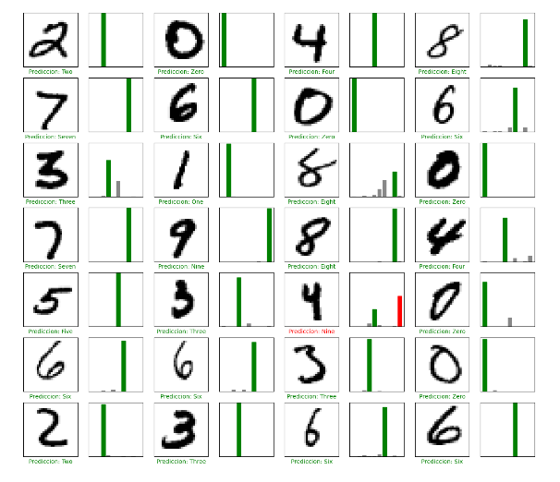
1 | 32 | 3 | 28.94000113 | 0.2894000113 | 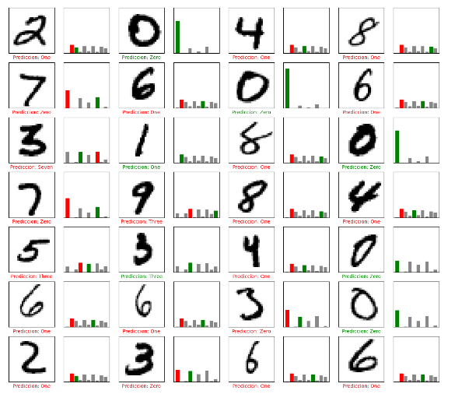
2 | 32 | 3 | 28.540000319 | 0.28540000319 | 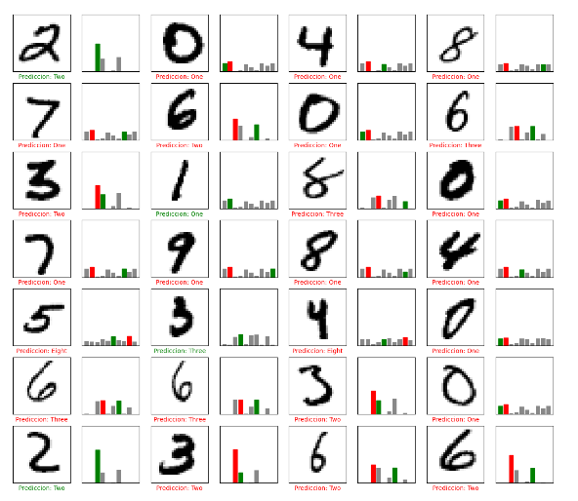
3 | 32 | 3 | 76.620000601 | 0.76620000601 | 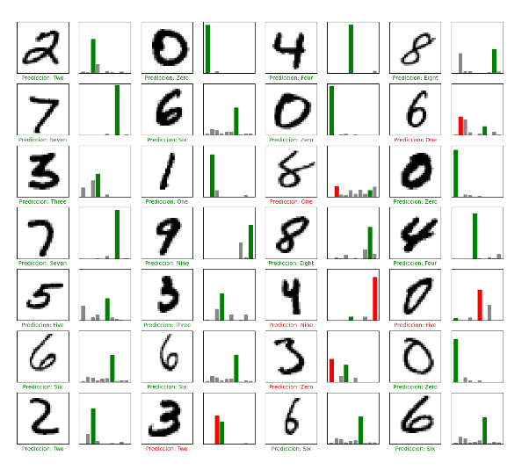
4 | 32 | 3 | 73.150002956 | 0.73150002956 | 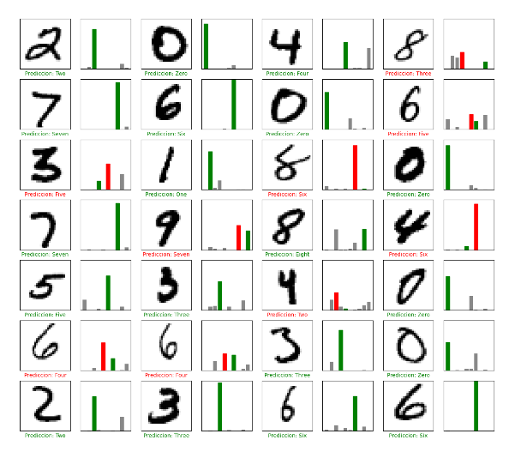
8 | 32 | 3 | 88.470000029 | 0.88470000029 | 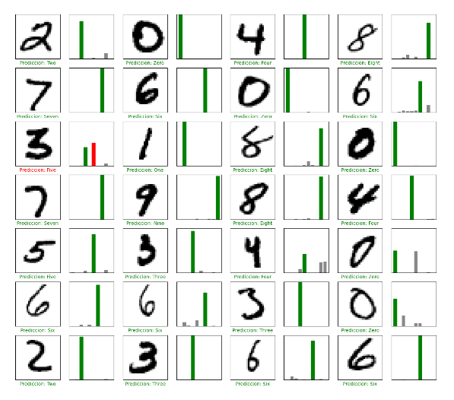
16 | 32 | 3 | 92.180001736 | 0.92180001736 | 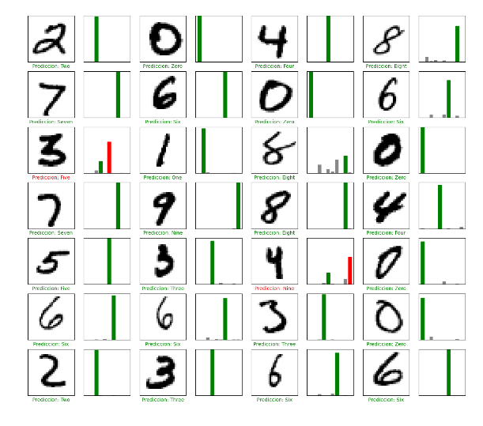
32 | 32 | 3 | 92.589998245 | 0.92589998245 | 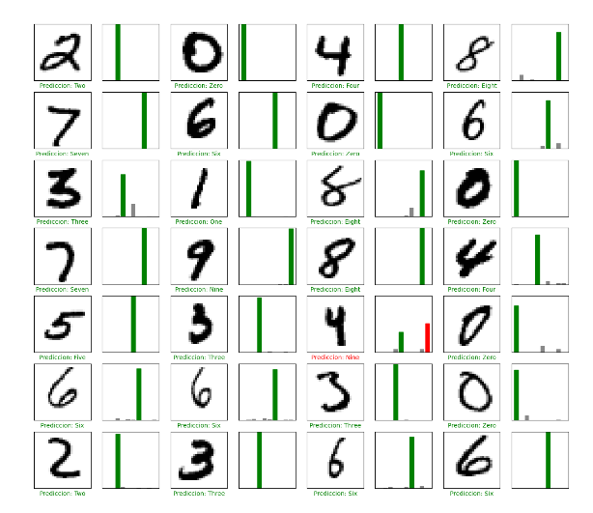
64 | 32 | 3 | 93.699997663 | 0.93699997663 | 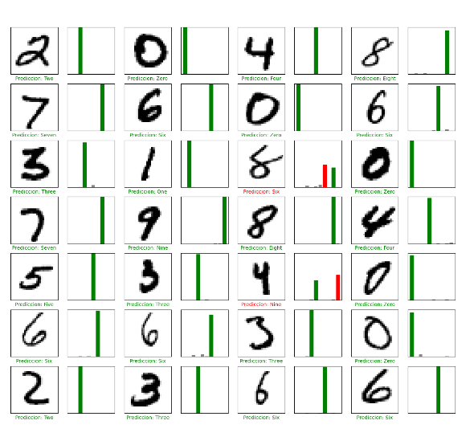
128 | 32 | 3 | 93.529999256 | 0.93529999256 | 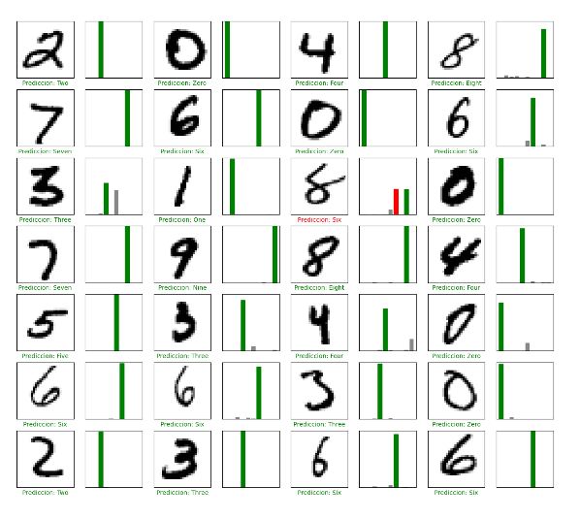
1 | 32 | 5 | 11.349999905 | 0.11349999905 | 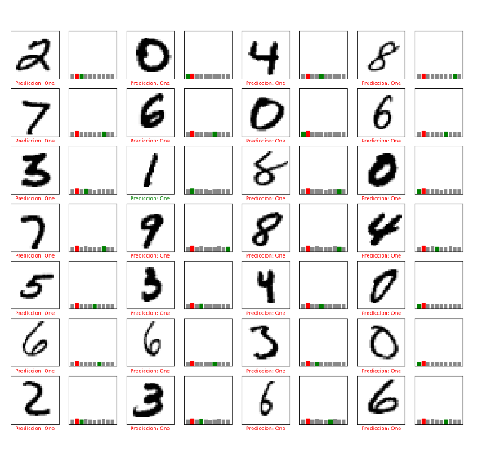
2 | 32 | 5 | 47.089999914 | 0.47089999914 | 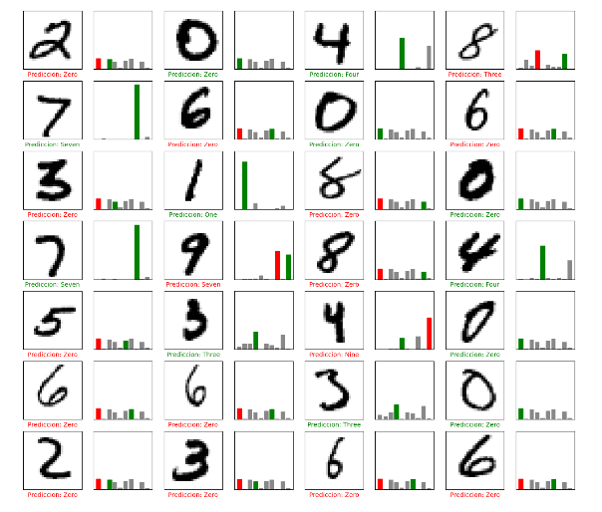
3 | 32 | 5 | 56.38999939 | 0.5638999939 | 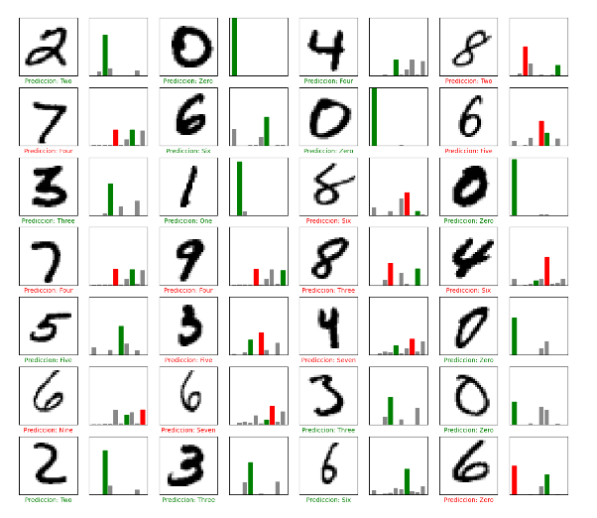
4 | 32 | 5 | 74.830001593 | 0.74830001593 | 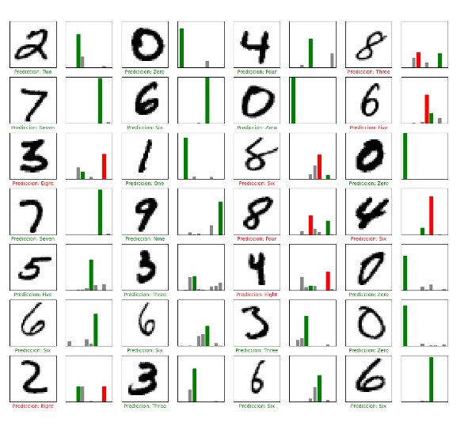
8 | 32 | 5 | 90.399998426 | 0.90399998426 | 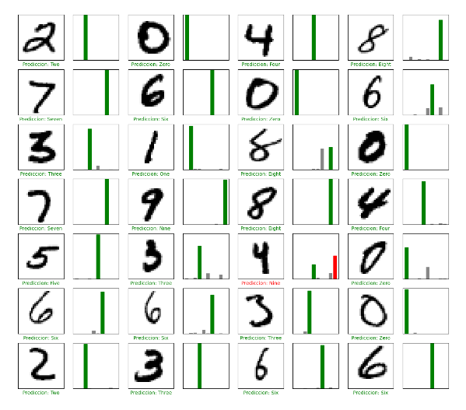
16 | 32 | 5 | 93.099999428 | 0.93099999428 | 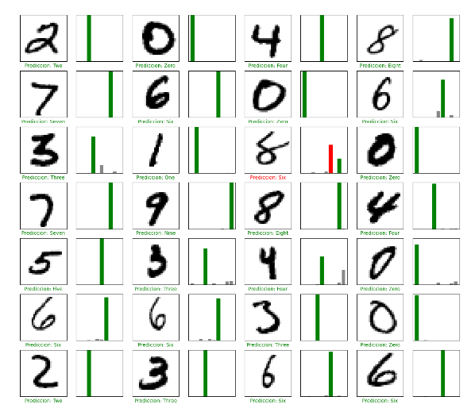
32 | 32 | 5 | 93.730002642 | 0.93730002642 | 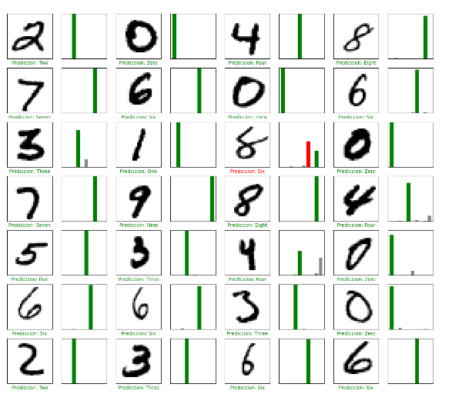
64 | 32 | 5 | 94.230002165 | 0.94230002165 | 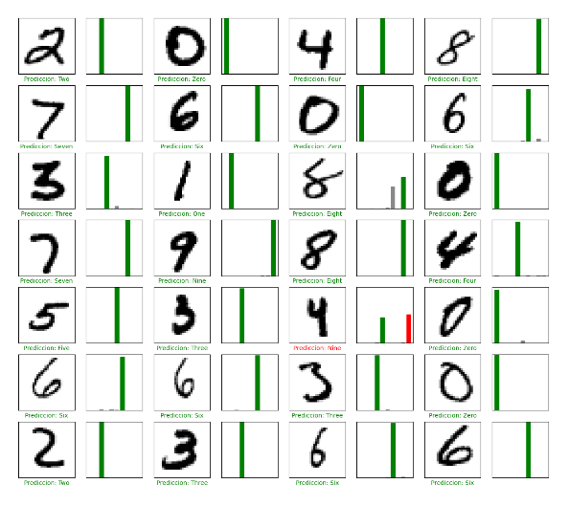
128 | 32 | 5 | 94.809997082 | 0.94809997082 | 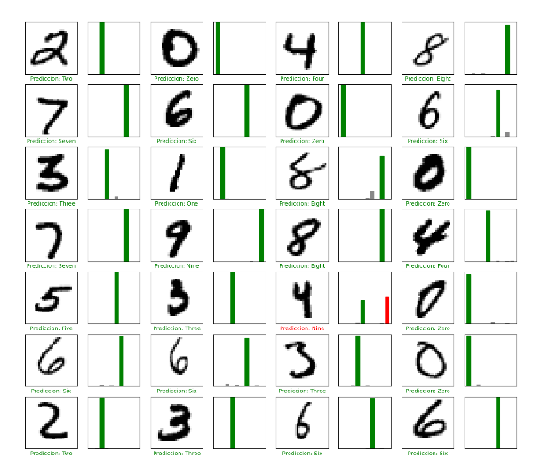
256 | 32 | 5 | 95.289999247 | 0.95289999247 | 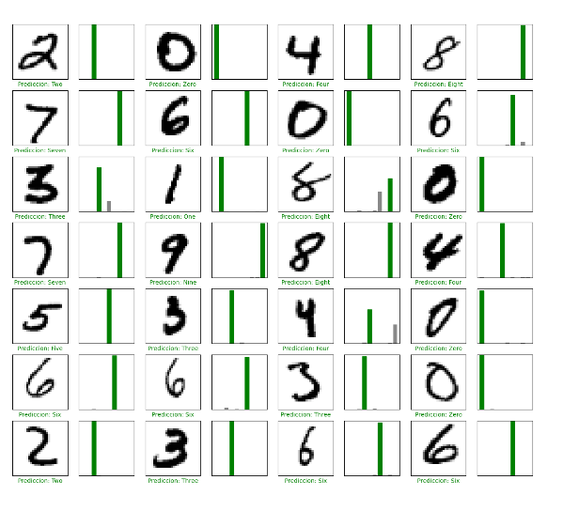
1 | 64 | 1 | 13.600000739 | 0.13600000739 | 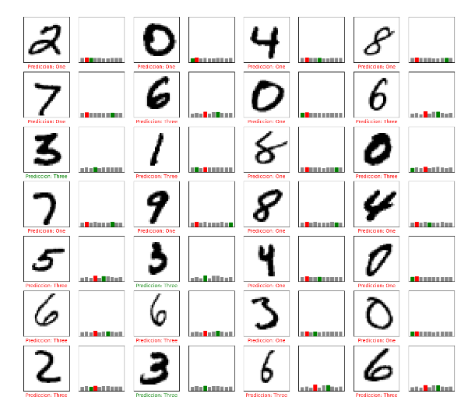
1 | 64 | 3 | 11.349999905 | 0.11349999905 | 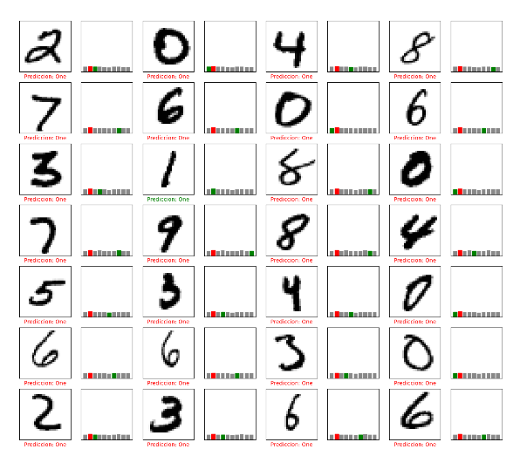
1 | 64 | 5 | 23.37000072 | 0.2337000072 | 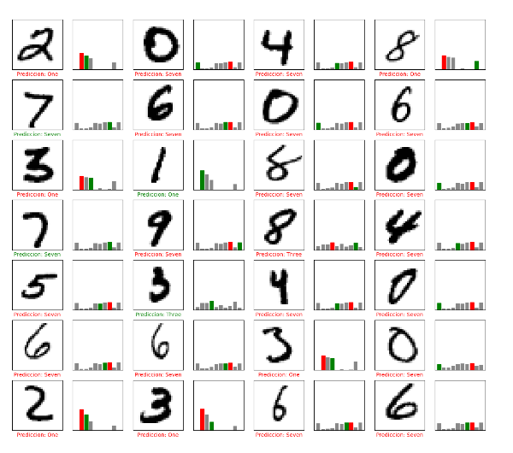
4 | 64 | 1 | 34.139999747 | 0.34139999747 | 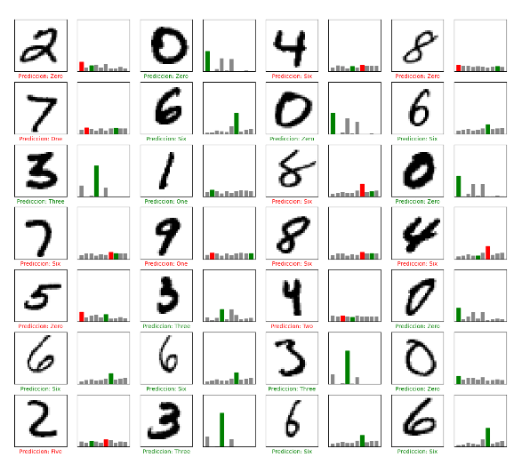
4 | 64 | 3 | 77.749997377 | 0.77749997377 | 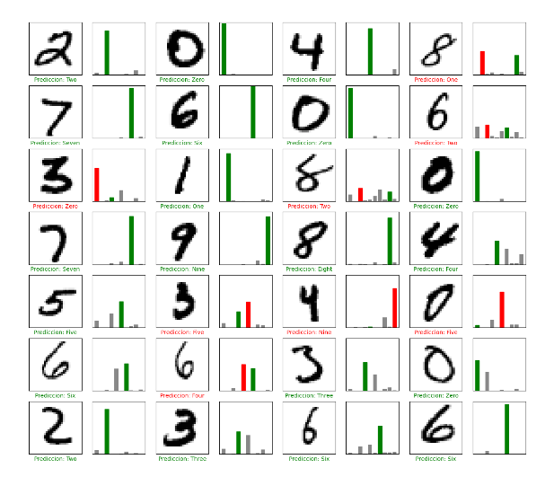
4 | 64 | 5 | 76.719999313 | 0.76719999313 | 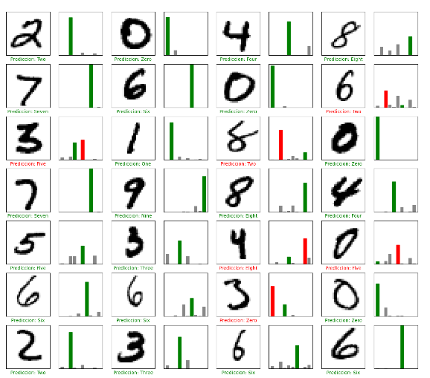
8 | 64 | 1 | 73.500001431 | 0.73500001431 | 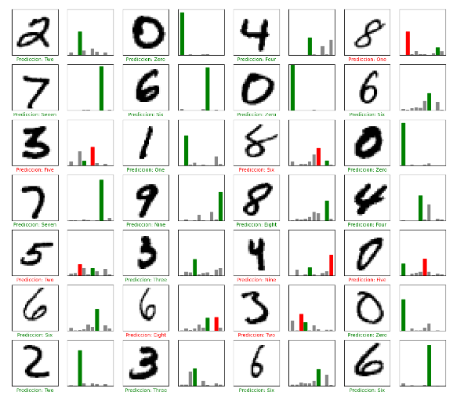
8 | 64 | 3 | 83.319997787 | 0.83319997787 | 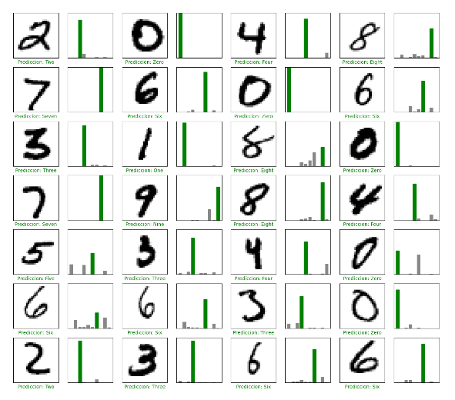
8 | 64 | 5 | 85.879999399 | 0.85879999399 | 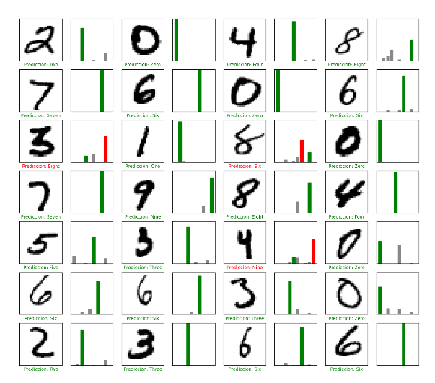
16 | 64 | 1 | 82.849997282 | 0.82849997282 | 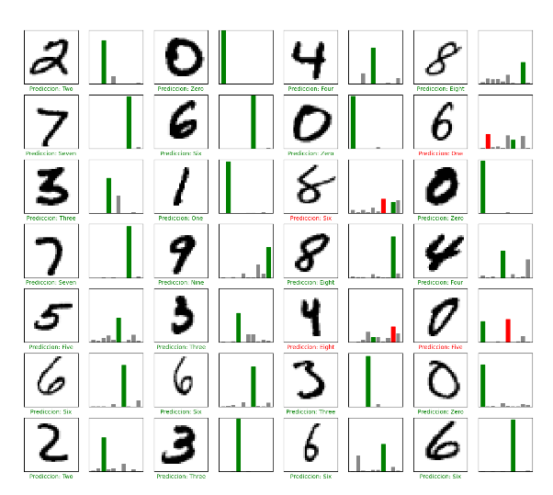
16 | 64 | 3 | 89.020001888 | 0.89020001888 | 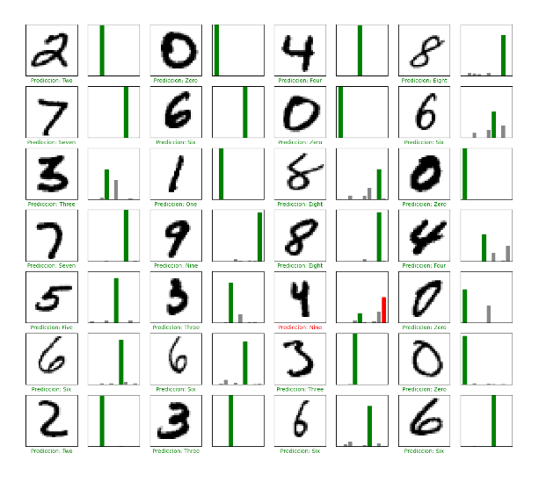
16 | 64 | 5 | 90.210002661 | 0.90210002661 | 
32 | 64 | 1 | 86.610001326 | 0.86610001326 | 
32 | 64 | 3 | 90.89999795 | 0.9089999795 | 
32 | 64 | 5 | 92.51999855 | 0.9251999855 | 
64 | 64 | 1 | 88.539999723 | 0.88539999723 | 
64 | 64 | 3 | 91.589999199 | 0.91589999199 | 
64 | 64 | 5 | 92.919999361 | 0.92919999361 | 
128 | 64 | 1 | 88.539999723 | 0.88539999723 | 
128 | 64 | 3 | 92.170000076 | 0.92170000076 | 
128 | 64 | 5 | 93.330001831 | 0.93330001831 | 
256 | 64 | 1 | 89.450001717 | 0.89450001717 | 
256 | 64 | 3 | 92.280000448 | 0.92280000448 | 
256 | 64 | 5 | 94.929999113 | 0.94929999113 | 

