GRAPH
 | Constrained (IRR<30%) |  | Non-Dominant |  | Pareto |  | Baseline
11.2 | 3.7 | 12.2 | 4.1 | 12.0 | 5.0 | 10.3 | 3.8
11.6 | 4.0 | 11.0 | 3.9 | 12.2 | 4.9
10.6 | 4.1 | 11.6 | 3.9 | 12.8 | 4.9
10.6 | 3.8 | 12.2 | 4.1 | 13.4 | 4.8
10.7 | 3.5 | 10.9 | 3.3
10.4 | 3.1 | 13.3 | 4.5
10.3 | 3.5 | 11.7 | 4.3
10.9 | 3.3 | 11.7 | 3.8
11.5 | 3.9 | 12.4 | 4.3
11.3 | 3.6 | 12.0 | 4.2
11.1 | 3.6 | 11.9 | 3.8
12.3 | 3.7 | 11.8 | 4.0
10.7 | 3.9 | 12.3 | 4.1
12.3 | 4.5 | 11.6 | 4.3
11.6 | 3.7 | 11.8 | 3.9
11.4 | 4.5 | 12.2 | 4.1
11.2 | 4.3 | 11.3 | 3.2
11.7 | 4.1 | 13.0 | 4.3
11.0 | 3.2 | 10.9 | 3.9
11.0 | 3.4 | 12.4 | 4.3
11.2 | 4.3 | 11.9 | 3.7
11.7 | 3.6 | 11.1 | 4.2
10.4 | 4.0 | 11.2 | 4.1
11.1 | 3.3 | 13.3 | 4.5
11.3 | 3.4 | 11.7 | 4.3
11.9 | 3.7 | 11.5 | 4.2
10.6 | 3.8 | 11.6 | 3.9
10.9 | 3.8 | 13.4 | 4.8
10.8 | 3.5 | 12.2 | 4.1
10.8 | 3.4 | 12.0 | 4.1
10.4 | 3.9 | 11.6 | 5.0
12.0 | 3.8 | 11.5 | 3.3
11.5 | 3.5 | 11.6 | 4.5
12.3 | 4.0 | 13.3 | 4.5
11.2 | 3.6 | 12.1 | 4.1
12.0 | 4.3 | 12.6 | 4.8
11.0 | 4.5 | 13.0 | 4.3
11.5 | 4.3 | 12.2 | 4.2
10.7 | 3.2 | 12.4 | 4.0
12.0 | 3.6 | 11.3 | 4.1
12.8 | 4.9 | 12.2 | 4.6
11.3 | 3.7 | 10.8 | 3.7
11.3 | 3.4 | 12.3 | 3.8
11.6 | 5.1 | 11.2 | 4.2
10.6 | 3.8 | 11.7 | 4.3
12.7 | 4.5 | 12.2 | 4.0
10.9 | 3.7 | 11.5 | 3.8
11.0 | 4.5 | 11.9 | 4.4
12.5 | 4.0 | 12.1 | 3.7
11.8 | 3.8 | 13.2 | 4.7
...

baseline
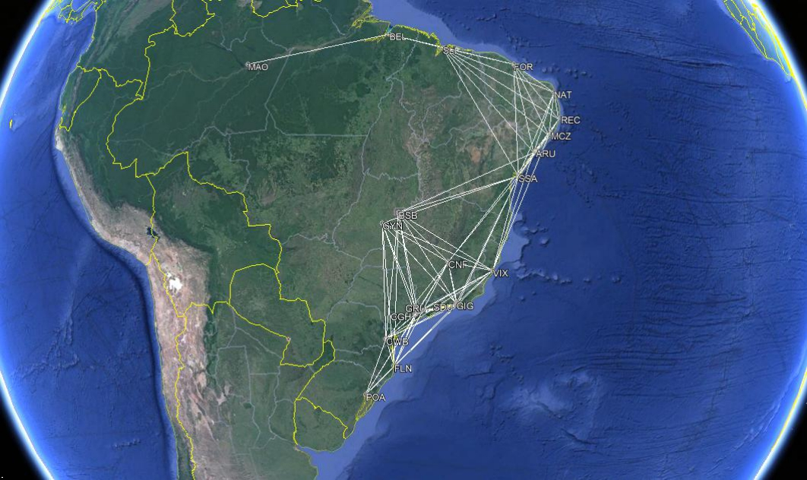
NETWORK FREQUENCIES AND CHARACTERISTICS (BASELINE AIRCRAFT) |  |  |  |  |  |  |  |  |  |  |  |  |  |  |  |  |  |  |  |  |  | AICRAFT DATA
 |  | Arrival Airport |  |  |  |  |  |  |  |  |  |  |  |  |  |  |  |  |  |  |  | Npax-Nseat | 78-4
 |  | AJU | BEL | BSB | CGH | CNF | CWB | FLN | FOR | GIG | GRU | GYN | MAO | MCZ | NAT | POA | REC | SDU | SLI | SSA | VIX | MTOW[kg] | 38,790
Departure Airport | AJU | 0 | 0 | 6 | 0 | 6 | 0 | 0 | 6 | 0 | 0 | 0 | 0 | 6 | 6 | 0 | 6 | 0 | 6 | 6 | 3 | wS [m²] | 72.7 | 0 | 918 | 719 | 964 | 675 | 1145 | 1228 | 455 | 817 | 948 | 809 | 1492 | 120 | 333 | 1428 | 220 | 821 | 680 | 142 | 605 | 0 | 0 | 4314 | 0 | 4050 | 0 | 0 | 2730 | 0 | 0 | 0 | 0 | 720 | 1998 | 0 | 1320 | 0 | 4080 | 852 | 1815 | 419.54822335
 | BEL | 0 | 0 | 0 | 0 | 0 | 0 | 0 | 6 | 0 | 0 | 0 | 3 | 0 | 0 | 0 | 0 | 0 | 3 | 0 | 0 | wAR | 8.6 | 918 | 0 | 896 | 1380 | 1161 | 1494 | 1626 | 632 | 1362 | 1369 | 944 | 723 | 928 | 863 | 1777 | 933 | 1369 | 273 | 946 | 1268 | 0 | 0 | 0 | 0 | 0 | 0 | 0 | 3792 | 0 | 0 | 0 | 2169 | 0 | 0 | 0 | 0 | 0 | 819 | 0 | 0
 | BSB | 6 | 0 | 0 | 12 | 6 | 9 | 6 | 0 | 9 | 12 | 0 | 0 | 0 | 0 | 0 | 0 | 9 | 0 | 9 | 3 | wTR | 0.44 | 719 | 896 | 0 | 486 | 330 | 602 | 731 | 941 | 509 | 476 | 90 | 1083 | 831 | 985 | 893 | 920 | 517 | 851 | 603 | 525 | 4314 | 0 | 0 | 5832 | 1980 | 5418 | 4386 | 0 | 4581 | 5712 | 0 | 0 | 0 | 0 | 0 | 0 | 4653 | 0 | 5427 | 1575
 | CGH | 0 | 0 | 12 | 0 | 12 | 12 | 9 | 0 | 12 | 0 | 9 | 0 | 0 | 0 | 12 | 0 | 15 | 0 | 0 | 6 | wSweep [°] | 25.0 | 964 | 1380 | 486 | 0 | 291 | 184 | 271 | 1320 | 200 | 16 | 457 | 1504 | 1084 | 1289 | 466 | 1184 | 203 | 1309 | 823 | 421 | 0 | 0 | 5832 | 0 | 3492 | 2208 | 2439 | 0 | 2400 | 0 | 4113 | 0 | 0 | 0 | 5592 | 0 | 3045 | 0 | 0 | 2526
 | CNF | 6 | 0 | 6 | 12 | 0 | 6 | 6 | 0 | 9 | 9 | 6 | 0 | 0 | 0 | 6 | 0 | 9 | 0 | 6 | 3 | wTwist [°] | -3 | 675 | 1161 | 330 | 291 | 0 | 470 | 560 | 1034 | 201 | 275 | 360 | 1413 | 794 | 998 | 757 | 895 | 208 | 1054 | 534 | 218 | 4050 | 0 | 1980 | 3492 | 0 | 2820 | 3360 | 0 | 1809 | 2475 | 2160 | 0 | 0 | 0 | 4542 | 0 | 1872 | 0 | 3204 | 654
 | CWB | 0 | 0 | 9 | 12 | 6 | 0 | 6 | 0 | 9 | 9 | 6 | 0 | 0 | 0 | 6 | 0 | 9 | 0 | 0 | 3 | Kink | 0.32 | 1145 | 1494 | 602 | 184 | 470 | 0 | 137 | 1486 | 375 | 200 | 550 | 1534 | 1264 | 1467 | 297 | 1365 | 376 | 1449 | 1004 | 602 | 0 | 0 | 5418 | 2208 | 2820 | 0 | 822 | 0 | 3375 | 1800 | 3300 | 0 | 0 | 0 | 1782 | 0 | 3384 | 0 | 0 | 1806
 | FLN | 0 | 0 | 6 | 9 | 6 | 6 | 0 | 0 | 6 | 6 | 3 | 0 | 0 | 0 | 3 | 0 | 6 | 0 | 0 | 3 | BPR | 5.00 | 1228 | 1626 | 731 | 271 | 560 | 137 | 0 | 1591 | 422 | 287 | 684 | 1668 | 1347 | 1556 | 202 | 1447 | 421 | 1572 | 1087 | 654 | 0 | 0 | 4386 | 2439 | 3360 | 822 | 0 | 0 | 2532 | 1722 | 2052 | 0 | 0 | 0 | 606 | 0 | 2526 | 0 | 0 | 1962
 | FOR | 6 | 6 | 0 | 0 | 0 | 0 | 0 | 0 | 0 | 0 | 0 | 0 | 9 | 6 | 0 | 9 | 0 | 6 | 9 | 0 | eDiam [m] | 1.42 | 455 | 632 | 941 | 1320 | 1034 | 1486 | 1591 | 0 | 1210 | 1305 | 1026 | 1329 | 393 | 242 | 1782 | 349 | 1215 | 360 | 565 | 1025 | 2730 | 3792 | 0 | 0 | 0 | 0 | 0 | 0 | 0 | 0 | 0 | 0 | 3537 | 1452 | 0 | 3141 | 0 | 2160 | 5085 | 0
 | GIG | 0 | 0 | 9 | 12 | 9 | 9 | 6 | 0 | 0 | 12 | 9 | 0 | 0 | 0 | 9 | 0 | 0 | 0 | 9 | 6 | OPR | 28 | 817 | 1362 | 509 | 200 | 201 | 375 | 422 | 1210 | 0 | 188 | 517 | 1584 | 933 | 1149 | 624 | 1034 | 8 | 1252 | 677 | 232 | 0 | 0 | 4581 | 2400 | 1809 | 3375 | 2532 | 0 | 0 | 2256 | 4653 | 0 | 0 | 0 | 5616 | 0 | 0 | 0 | 6093 | 1392
 | GRU | 0 | 0 | 12 | 0 | 9 | 9 | 6 | 0 | 12 | 0 | 9 | 0 | 0 | 0 | 9 | 0 | 12 | 0 | 0 | 6 | FPR | 1.6 | 948 | 1369 | 476 | 16 | 275 | 200 | 287 | 1305 | 188 | 0 | 450 | 1500 | 1068 | 1273 | 482 | 1168 | 191 | 1296 | 807 | 406 | 0 | 0 | 5712 | 0 | 2475 | 1800 | 1722 | 0 | 2256 | 0 | 4050 | 0 | 0 | 0 | 4338 | 0 | 2292 | 0 | 0 | 2436
 | GYN | 0 | 0 | 0 | 9 | 6 | 6 | 3 | 0 | 6 | 9 | 0 | 0 | 0 | 0 | 0 | 0 | 9 | 0 | 6 | 3 | eITT [K] | 1240 | 809 | 944 | 90 | 457 | 360 | 550 | 684 | 1026 | 517 | 450 | 0 | 1068 | 920 | 1075 | 834 | 1010 | 524 | 920 | 690 | 570 | 0 | 0 | 0 | 4113 | 2160 | 3300 | 2052 | 0 | 3102 | 4050 | 0 | 0 | 0 | 0 | 0 | 0 | 4716 | 0 | 4140 | 1710
 | MAO | 0 | 3 | 0 | 0 | 0 | 0 | 0 | 0 | 0 | 0 | 0 | 0 | 0 | 0 | 0 | 0 | 0 | 0 | 0 | 0 | Range [nm] | 2000 | 1492 | 723 | 1083 | 1504 | 1413 | 1534 | 1668 | 1329 | 1584 | 1500 | 1068 | 0 | 1543 | 1539 | 1746 | 1578 | 1592 | 977 | 1462 | 1598 | 0 | 2169 | 0 | 0 | 0 | 0 | 0 | 0 | 0 | 0 | 0 | 0 | 0 | 0 | 0 | 0 | 0 | 0 | 0 | 0
 | MCZ | 6 | 0 | 0 | 0 | 0 | 0 | 0 | 9 | 0 | 0 | 0 | 0 | 0 | 6 | 0 | 6 | 0 | 6 | 6 | 3 | Cruise Mach | 0.767 | 120 | 928 | 831 | 1084 | 794 | 1264 | 1347 | 393 | 933 | 1068 | 920 | 1543 | 0 | 225 | 1547 | 101 | 937 | 673 | 261 | 717 | 720 | 0 | 0 | 0 | 0 | 0 | 0 | 3537 | 0 | 0 | 0 | 0 | 0 | 1350 | 0 | 606 | 0 | 4038 | 1566 | 2151
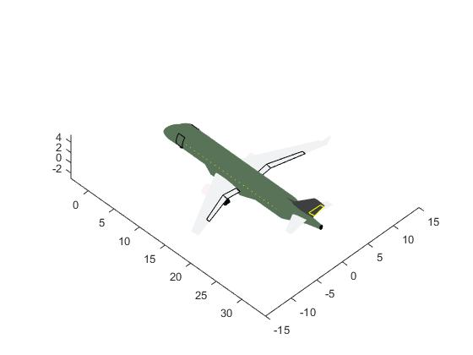
 | NAT | 6 | 0 | 0 | 0 | 0 | 0 | 0 | 6 | 0 | 0 | 0 | 0 | 6 | 0 | 0 | 6 | 0 | 6 | 6 | 0 | CO2 Eff [kg/pax] | 121.3 | 333 | 863 | 985 | 1289 | 998 | 1467 | 1556 | 242 | 1149 | 1273 | 1075 | 1539 | 225 | 0 | 1754 | 138 | 1152 | 591 | 472 | 937 | 1998 | 0 | 0 | 0 | 0 | 0 | 0 | 1452 | 0 | 0 | 0 | 0 | 1350 | 0 | 0 | 828 | 0 | 3546 | 2832 | 0
 | POA | 0 | 0 | 0 | 12 | 6 | 6 | 3 | 0 | 9 | 9 | 0 | 0 | 0 | 0 | 0 | 0 | 9 | 0 | 0 | 0 | NETWORK DATA |  | 1428 | 1777 | 893 | 466 | 757 | 297 | 202 | 1782 | 624 | 482 | 834 | 1746 | 1547 | 1754 | 0 | 1648 | 623 | 1743 | 1285 | 856 | 0 | 0 | 0 | 5592 | 4542 | 1782 | 606 | 0 | 5616 | 4338 | 0 | 0 | 0 | 0 | 0 | 0 | 5607 | 0 | 0 | 0
 | REC | 6 | 0 | 0 | 0 | 0 | 0 | 0 | 9 | 0 | 0 | 0 | 0 | 6 | 6 | 0 | 0 | 0 | 6 | 6 | 0 | n | 20 | 220 | 933 | 920 | 1184 | 895 | 1365 | 1447 | 349 | 1034 | 1168 | 1010 | 1578 | 101 | 138 | 1648 | 0 | 1037 | 668 | 361 | 816 | 1320 | 0 | 0 | 0 | 0 | 0 | 0 | 3141 | 0 | 0 | 0 | 0 | 606 | 828 | 0 | 0 | 0 | 4008 | 2166 | 0
 | SDU | 0 | 0 | 12 | 15 | 9 | 12 | 6 | 0 | 0 | 12 | 9 | 0 | 0 | 0 | 9 | 0 | 0 | 0 | 12 | 6 | N | 166 | 821 | 1369 | 517 | 203 | 208 | 376 | 421 | 1215 | 8 | 191 | 524 | 1592 | 937 | 1152 | 623 | 1037 | 0 | 1259 | 680 | 233 | 0 | 0 | 6204 | 3045 | 1872 | 4512 | 2526 | 0 | 0 | 2292 | 4716 | 0 | 0 | 0 | 5607 | 0 | 0 | 0 | 8160 | 1398
 | SLI | 6 | 3 | 0 | 0 | 0 | 0 | 0 | 6 | 0 | 0 | 0 | 0 | 6 | 6 | 0 | 6 | 0 | 0 | 6 | 0 | L | 436.8 | 680 | 273 | 851 | 1309 | 1054 | 1449 | 1572 | 360 | 1252 | 1296 | 920 | 977 | 673 | 591 | 1743 | 668 | 1259 | 0 | 734 | 1119 | 4080 | 819 | 0 | 0 | 0 | 0 | 0 | 2160 | 0 | 0 | 0 | 0 | 4038 | 3546 | 0 | 4008 | 0 | 0 | 4404 | 0
 | SSA | 6 | 0 | 9 | 0 | 6 | 0 | 0 | 9 | 9 | 0 | 6 | 0 | 6 | 6 | 0 | 6 | 12 | 6 | 0 | 3 | ADON | 7.7 | 142 | 946 | 603 | 823 | 534 | 1004 | 1087 | 565 | 677 | 807 | 690 | 1462 | 261 | 472 | 1285 | 361 | 680 | 734 | 0 | 469 | 852 | 0 | 5427 | 0 | 3204 | 0 | 0 | 5085 | 6093 | 0 | 4140 | 0 | 1566 | 2832 | 0 | 2166 | 8160 | 4404 | 0 | 1407
 | VIX | 3 | 0 | 3 | 6 | 3 | 3 | 3 | 0 | 3 | 6 | 3 | 0 | 3 | 0 | 0 | 0 | 6 | 0 | 3 | 0 | ND | 0.44 | 605 | 1268 | 525 | 421 | 218 | 602 | 654 | 1025 | 232 | 406 | 570 | 1598 | 717 | 937 | 856 | 816 | 233 | 1119 | 469 | 0 | 1815 | 0 | 1575 | 2526 | 654 | 1806 | 1962 | 0 | 696 | 2436 | 1710 | 0 | 2151 | 0 | 0 | 0 | 1398 | 0 | 1407 | 0
Acum freq |  | 51 | 12 | 84 | 99 | 84 | 78 | 54 | 51 | 84 | 84 | 60 | 3 | 42 | 36 | 54 | 39 | 96 | 39 | 84 | 48 | Aci | 0.90

 |  |  |  |  |  |  |  |  |  |  |  |  |  |  |  |  |  |  |  |  |  |  |  | 0 | 918 | 719 | 964 | 675 | 1145 | 1228 | 455 | 817 | 948 | 809 | 1492 | 120 | 333 | 1428 | 220 | 821 | 680 | 142 | 605 | 0 | 0 | 0 | 0 | 0 | 0 | 0 | 0 | 0 | 0 | 0 | 0 | 0 | 0 | 0 | 0 | 0 | 0 | 0 | 0 | #DIV/0!
 |  |  |  |  |  |  |  |  |  |  |  |  |  |  |  |  |  |  |  |  |  |  |  | 918 | 0 | 896 | 1380 | 1161 | 1494 | 1626 | 632 | 1362 | 1369 | 944 | 723 | 928 | 863 | 1777 | 933 | 1369 | 273 | 946 | 1268 | 0 | 0 | 0 | 0 | 0 | 0 | 0 | 0 | 0 | 0 | 0 | 0 | 0 | 0 | 0 | 0 | 0 | 0 | 0 | 0
 |  |  |  |  |  |  |  |  |  |  |  |  |  |  |  |  |  |  |  |  |  |  |  | 719 | 896 | 0 | 486 | 330 | 602 | 731 | 941 | 509 | 476 | 90 | 1083 | 831 | 985 | 893 | 920 | 517 | 851 | 603 | 525 | 0 | 0 | 0 | 0 | 0 | 0 | 0 | 0 | 0 | 0 | 0 | 0 | 0 | 0 | 0 | 0 | 0 | 0 | 0 | 0
 |  |  |  |  |  |  |  |  |  |  |  |  |  |  |  |  |  |  |  |  |  |  |  | 964 | 1380 | 486 | 0 | 291 | 184 | 271 | 1320 | 200 | 16 | 457 | 1504 | 1084 | 1289 | 466 | 1184 | 203 | 1309 | 823 | 421 | 0 | 0 | 0 | 0 | 0 | 0 | 0 | 0 | 0 | 0 | 0 | 0 | 0 | 0 | 0 | 0 | 0 | 0 | 0 | 0
 |  |  |  |  |  |  |  |  |  |  |  |  |  |  |  |  |  |  |  |  |  |  |  | 675 | 1161 | 330 | 291 | 0 | 470 | 560 | 1034 | 201 | 275 | 360 | 1413 | 794 | 998 | 757 | 895 | 208 | 1054 | 534 | 218 | 0 | 0 | 0 | 0 | 0 | 0 | 0 | 0 | 0 | 0 | 0 | 0 | 0 | 0 | 0 | 0 | 0 | 0 | 0 | 0
 |  |  |  |  |  |  |  |  |  |  |  |  |  |  |  |  |  |  |  |  |  |  |  | 1145 | 1494 | 602 | 184 | 470 | 0 | 137 | 1486 | 375 | 200 | 550 | 1534 | 1264 | 1467 | 297 | 1365 | 376 | 1449 | 1004 | 602 | 0 | 0 | 0 | 0 | 0 | 0 | 0 | 0 | 0 | 0 | 0 | 0 | 0 | 0 | 0 | 0 | 0 | 0 | 0 | 0
 |  |  |  |  |  |  |  |  |  |  |  |  |  |  |  |  |  |  |  |  |  |  |  | 1228 | 1626 | 731 | 271 | 560 | 137 | 0 | 1591 | 422 | 287 | 684 | 1668 | 1347 | 1556 | 202 | 1447 | 421 | 1572 | 1087 | 654 | 0 | 0 | 0 | 0 | 0 | 0 | 0 | 0 | 0 | 0 | 0 | 0 | 0 | 0 | 0 | 0 | 0 | 0 | 0 | 0
 |  |  |  |  |  |  |  |  |  |  |  |  |  |  |  |  |  |  |  |  |  |  |  | 455 | 632 | 941 | 1320 | 1034 | 1486 | 1591 | 0 | 1210 | 1305 | 1026 | 1329 | 393 | 242 | 1782 | 349 | 1215 | 360 | 565 | 1025 | 0 | 0 | 0 | 0 | 0 | 0 | 0 | 0 | 0 | 0 | 0 | 0 | 0 | 0 | 0 | 0 | 0 | 0 | 0 | 0
 |  |  |  |  |  |  |  |  |  |  |  |  |  |  |  |  |  |  |  |  |  |  |  | 817 | 1362 | 509 | 200 | 201 | 375 | 422 | 1210 | 0 | 188 | 517 | 1584 | 933 | 1149 | 624 | 1034 | 8 | 1252 | 677 | 232 | 0 | 0 | 0 | 0 | 0 | 0 | 0 | 0 | 0 | 0 | 0 | 0 | 0 | 0 | 0 | 0 | 0 | 0 | 0 | 0
 |  |  |  |  |  |  |  |  |  |  |  |  |  |  |  |  |  |  |  |  |  |  |  | 948 | 1369 | 476 | 16 | 275 | 200 | 287 | 1305 | 188 | 0 | 450 | 1500 | 1068 | 1273 | 482 | 1168 | 191 | 1296 | 807 | 406 | 0 | 0 | 0 | 0 | 0 | 0 | 0 | 0 | 0 | 0 | 0 | 0 | 0 | 0 | 0 | 0 | 0 | 0 | 0 | 0
 |  |  |  |  |  |  |  |  |  |  |  |  |  |  |  |  |  |  |  |  |  |  |  | 809 | 944 | 90 | 457 | 360 | 550 | 684 | 1026 | 517 | 450 | 0 | 1068 | 920 | 1075 | 834 | 1010 | 524 | 920 | 690 | 570 | 0 | 0 | 0 | 0 | 0 | 0 | 0 | 0 | 0 | 0 | 0 | 0 | 0 | 0 | 0 | 0 | 0 | 0 | 0 | 0
 |  |  |  |  |  |  |  |  |  |  |  |  |  |  |  |  |  |  |  |  |  |  |  | 1492 | 723 | 1083 | 1504 | 1413 | 1534 | 1668 | 1329 | 1584 | 1500 | 1068 | 0 | 1543 | 1539 | 1746 | 1578 | 1592 | 977 | 1462 | 1598 | 0 | 0 | 0 | 0 | 0 | 0 | 0 | 0 | 0 | 0 | 0 | 0 | 0 | 0 | 0 | 0 | 0 | 0 | 0 | 0
 |  |  |  |  |  |  |  |  |  |  |  |  |  |  |  |  |  |  |  |  |  |  |  | 120 | 928 | 831 | 1084 | 794 | 1264 | 1347 | 393 | 933 | 1068 | 920 | 1543 | 0 | 225 | 1547 | 101 | 937 | 673 | 261 | 717 | 0 | 0 | 0 | 0 | 0 | 0 | 0 | 0 | 0 | 0 | 0 | 0 | 0 | 0 | 0 | 0 | 0 | 0 | 0 | 0
 |  |  |  |  |  |  |  |  |  |  |  |  |  |  |  |  |  |  |  |  |  |  |  | 333 | 863 | 985 | 1289 | 998 | 1467 | 1556 | 242 | 1149 | 1273 | 1075 | 1539 | 225 | 0 | 1754 | 138 | 1152 | 591 | 472 | 937 | 0 | 0 | 0 | 0 | 0 | 0 | 0 | 0 | 0 | 0 | 0 | 0 | 0 | 0 | 0 | 0 | 0 | 0 | 0 | 0
 |  |  |  |  |  |  |  |  |  |  |  |  |  |  |  |  |  |  |  |  |  |  |  | 1428 | 1777 | 893 | 466 | 757 | 297 | 202 | 1782 | 624 | 482 | 834 | 1746 | 1547 | 1754 | 0 | 1648 | 623 | 1743 | 1285 | 856 | 0 | 0 | 0 | 0 | 0 | 0 | 0 | 0 | 0 | 0 | 0 | 0 | 0 | 0 | 0 | 0 | 0 | 0 | 0 | 0
 |  |  |  |  |  |  |  |  |  |  |  |  |  |  |  |  |  |  |  |  |  |  |  | 220 | 933 | 920 | 1184 | 895 | 1365 | 1447 | 349 | 1034 | 1168 | 1010 | 1578 | 101 | 138 | 1648 | 0 | 1037 | 668 | 361 | 816 | 0 | 0 | 0 | 0 | 0 | 0 | 0 | 0 | 0 | 0 | 0 | 0 | 0 | 0 | 0 | 0 | 0 | 0 | 0 | 0
 |  |  |  |  |  |  |  |  |  |  |  |  |  |  |  |  |  |  |  |  |  |  |  | 821 | 1369 | 517 | 203 | 208 | 376 | 421 | 1215 | 8 | 191 | 524 | 1592 | 937 | 1152 | 623 | 1037 | 0 | 1259 | 680 | 233 | 0 | 0 | 0 | 0 | 0 | 0 | 0 | 0 | 0 | 0 | 0 | 0 | 0 | 0 | 0 | 0 | 0 | 0 | 0 | 0
 |  |  |  |  |  |  |  |  |  |  |  |  |  |  |  |  |  |  |  |  |  |  |  | 680 | 273 | 851 | 1309 | 1054 | 1449 | 1572 | 360 | 1252 | 1296 | 920 | 977 | 673 | 591 | 1743 | 668 | 1259 | 0 | 734 | 1119 | 0 | 0 | 0 | 0 | 0 | 0 | 0 | 0 | 0 | 0 | 0 | 0 | 0 | 0 | 0 | 0 | 0 | 0 | 0 | 0
 |  |  |  |  |  |  |  |  |  |  |  |  |  |  |  |  |  |  |  |  |  |  |  | 142 | 946 | 603 | 823 | 534 | 1004 | 1087 | 565 | 677 | 807 | 690 | 1462 | 261 | 472 | 1285 | 361 | 680 | 734 | 0 | 469 | 0 | 0 | 0 | 0 | 0 | 0 | 0 | 0 | 0 | 0 | 0 | 0 | 0 | 0 | 0 | 0 | 0 | 0 | 0 | 0
 |  |  |  |  |  |  |  |  |  |  |  |  |  |  |  |  |  |  |  |  |  |  |  | 605 | 1268 | 525 | 421 | 218 | 602 | 654 | 1025 | 232 | 406 | 570 | 1598 | 717 | 937 | 856 | 816 | 233 | 1119 | 469 | 0 | 0 | 0 | 0 | 0 | 0 | 0 | 0 | 0 | 0 | 0 | 0 | 0 | 0 | 0 | 0 | 0 | 0 | 0 | 0 | 0

 |  |  |  |  |  |  |  |  |  |  |  |  |  |  |  |  |  |  |  |  |  |  |  | 0 | 918 | 719 | 964 | 675 | 1145 | 1228 | 455 | 817 | 948 | 809 | 1492 | 120 | 333 | 1428 | 220 | 821 | 680 | 142 | 605 | 0 | 0 | 0 | 0 | 0 | 0 | 0 | 0 | 0 | 0 | 0 | 0 | 0 | 0 | 0 | 0 | 0 | 0 | 0 | 0 | #REF!
 |  |  |  |  |  |  |  |  |  |  |  |  |  |  |  |  |  |  |  |  |  |  |  | 918 | 0 | 896 | 1380 | 1161 | 1494 | 1626 | 632 | 1362 | 1369 | 944 | 723 | 928 | 863 | 1777 | 933 | 1369 | 273 | 946 | 1268 | 0 | 0 | 0 | 0 | 0 | 0 | 0 | 0 | 0 | 0 | 0 | 0 | 0 | 0 | 0 | 0 | 0 | 0 | 0 | 0
 |  |  |  |  |  |  |  |  |  |  |  |  |  |  |  |  |  |  |  |  |  |  |  | 719 | 896 | 0 | 486 | 330 | 602 | 731 | 941 | 509 | 476 | 90 | 1083 | 831 | 985 | 893 | 920 | 517 | 851 | 603 | 525 | 0 | 0 | 0 | 0 | 0 | 0 | 0 | 0 | 0 | 0 | 0 | 0 | 0 | 0 | 0 | 0 | 0 | 0 | 0 | 0
 |  |  |  |  |  |  |  |  |  |  |  |  |  |  |  |  |  |  |  |  |  |  |  | 964 | 1380 | 486 | 0 | 291 | 184 | 271 | 1320 | 200 | 16 | 457 | 1504 | 1084 | 1289 | 466 | 1184 | 203 | 1309 | 823 | 421 | 0 | 0 | 0 | 0 | 0 | 0 | 0 | 0 | 0 | 0 | 0 | 0 | 0 | 0 | 0 | 0 | 0 | 0 | 0 | 0
 |  |  |  |  |  |  |  |  |  |  |  |  |  |  |  |  |  |  |  |  |  |  |  | 675 | 1161 | 330 | 291 | 0 | 470 | 560 | 1034 | 201 | 275 | 360 | 1413 | 794 | 998 | 757 | 895 | 208 | 1054 | 534 | 218 | 0 | 0 | 0 | 0 | 0 | 0 | 0 | 0 | 0 | 0 | 0 | 0 | 0 | 0 | 0 | 0 | 0 | 0 | 0 | 0
 |  |  |  |  |  |  |  |  |  |  |  |  |  |  |  |  |  |  |  |  |  |  |  | 1145 | 1494 | 602 | 184 | 470 | 0 | 137 | 1486 | 375 | 200 | 550 | 1534 | 1264 | 1467 | 297 | 1365 | 376 | 1449 | 1004 | 602 | 0 | 0 | 0 | 0 | 0 | 0 | 0 | 0 | 0 | 0 | 0 | 0 | 0 | 0 | 0 | 0 | 0 | 0 | 0 | 0
 |  |  |  |  |  |  |  |  |  |  |  |  |  |  |  |  |  |  |  |  |  |  |  | 1228 | 1626 | 731 | 271 | 560 | 137 | 0 | 1591 | 422 | 287 | 684 | 1668 | 1347 | 1556 | 202 | 1447 | 421 | 1572 | 1087 | 654 | 0 | 0 | 0 | 0 | 0 | 0 | 0 | 0 | 0 | 0 | 0 | 0 | 0 | 0 | 0 | 0 | 0 | 0 | 0 | 0
 |  |  |  |  |  |  |  |  |  |  |  |  |  |  |  |  |  |  |  |  |  |  |  | 455 | 632 | 941 | 1320 | 1034 | 1486 | 1591 | 0 | 1210 | 1305 | 1026 | 1329 | 393 | 242 | 1782 | 349 | 1215 | 360 | 565 | 1025 | 0 | 0 | 0 | 0 | 0 | 0 | 0 | 0 | 0 | 0 | 0 | 0 | 0 | 0 | 0 | 0 | 0 | 0 | 0 | 0
 |  |  |  |  |  |  |  |  |  |  |  |  |  |  |  |  |  |  |  |  |  |  |  | 817 | 1362 | 509 | 200 | 201 | 375 | 422 | 1210 | 0 | 188 | 517 | 1584 | 933 | 1149 | 624 | 1034 | 8 | 1252 | 677 | 232 | 0 | 0 | 0 | 0 | 0 | 0 | 0 | 0 | 0 | 0 | 0 | 0 | 0 | 0 | 0 | 0 | 0 | 0 | 0 | 0
 |  |  |  |  |  |  |  |  |  |  |  |  |  |  |  |  |  |  |  |  |  |  |  | 948 | 1369 | 476 | 16 | 275 | 200 | 287 | 1305 | 188 | 0 | 450 | 1500 | 1068 | 1273 | 482 | 1168 | 191 | 1296 | 807 | 406 | 0 | 0 | 0 | 0 | 0 | 0 | 0 | 0 | 0 | 0 | 0 | 0 | 0 | 0 | 0 | 0 | 0 | 0 | 0 | 0
 |  |  |  |  |  |  |  |  |  |  |  |  |  |  |  |  |  |  |  |  |  |  |  | 809 | 944 | 90 | 457 | 360 | 550 | 684 | 1026 | 517 | 450 | 0 | 1068 | 920 | 1075 | 834 | 1010 | 524 | 920 | 690 | 570 | 0 | 0 | 0 | 0 | 0 | 0 | 0 | 0 | 0 | 0 | 0 | 0 | 0 | 0 | 0 | 0 | 0 | 0 | 0 | 0
 |  |  |  |  |  |  |  |  |  |  |  |  |  |  |  |  |  |  |  |  |  |  |  | 1492 | 723 | 1083 | 1504 | 1413 | 1534 | 1668 | 1329 | 1584 | 1500 | 1068 | 0 | 1543 | 1539 | 1746 | 1578 | 1592 | 977 | 1462 | 1598 | 0 | 0 | 0 | 0 | 0 | 0 | 0 | 0 | 0 | 0 | 0 | 0 | 0 | 0 | 0 | 0 | 0 | 0 | 0 | 0
 |  |  |  |  |  |  |  |  |  |  |  |  |  |  |  |  |  |  |  |  |  |  |  | 120 | 928 | 831 | 1084 | 794 | 1264 | 1347 | 393 | 933 | 1068 | 920 | 1543 | 0 | 225 | 1547 | 101 | 937 | 673 | 261 | 717 | 0 | 0 | 0 | 0 | 0 | 0 | 0 | 0 | 0 | 0 | 0 | 0 | 0 | 0 | 0 | 0 | 0 | 0 | 0 | 0
 |  |  |  |  |  |  |  |  |  |  |  |  |  |  |  |  |  |  |  |  |  |  |  | 333 | 863 | 985 | 1289 | 998 | 1467 | 1556 | 242 | 1149 | 1273 | 1075 | 1539 | 225 | 0 | 1754 | 138 | 1152 | 591 | 472 | 937 | 0 | 0 | 0 | 0 | 0 | 0 | 0 | 0 | 0 | 0 | 0 | 0 | 0 | 0 | 0 | 0 | 0 | 0 | 0 | 0
 |  |  |  |  |  |  |  |  |  |  |  |  |  |  |  |  |  |  |  |  |  |  |  | 1428 | 1777 | 893 | 466 | 757 | 297 | 202 | 1782 | 624 | 482 | 834 | 1746 | 1547 | 1754 | 0 | 1648 | 623 | 1743 | 1285 | 856 | #REF! | #REF! | #REF! | #REF! | #REF! | #REF! | #REF! | #REF! | #REF! | #REF! | #REF! | #REF! | #REF! | #REF! | #REF! | #REF! | #REF! | #REF! | #REF! | #REF!
 |  |  |  |  |  |  |  |  |  |  |  |  |  |  |  |  |  |  |  |  |  |  |  | 220 | 933 | 920 | 1184 | 895 | 1365 | 1447 | 349 | 1034 | 1168 | 1010 | 1578 | 101 | 138 | 1648 | 0 | 1037 | 668 | 361 | 816 | #REF! | #REF! | #REF! | #REF! | #REF! | #REF! | #REF! | #REF! | #REF! | #REF! | #REF! | #REF! | #REF! | #REF! | #REF! | #REF! | #REF! | #REF! | #REF! | #REF!
 |  |  |  |  |  |  |  |  |  |  |  |  |  |  |  |  |  |  |  |  |  |  |  | 605 | 1268 | 525 | 421 | 218 | 602 | 654 | 1025 | 232 | 406 | 570 | 1598 | 717 | 937 | 856 | 816 | 233 | 1119 | 469 | 0 | 0 | 0 | 0 | 0 | 0 | 0 | 0 | 0 | 0 | 0 | 0 | 0 | 0 | 0 | 0 | 0 | 0 | 0 | 0 | 0

network max np
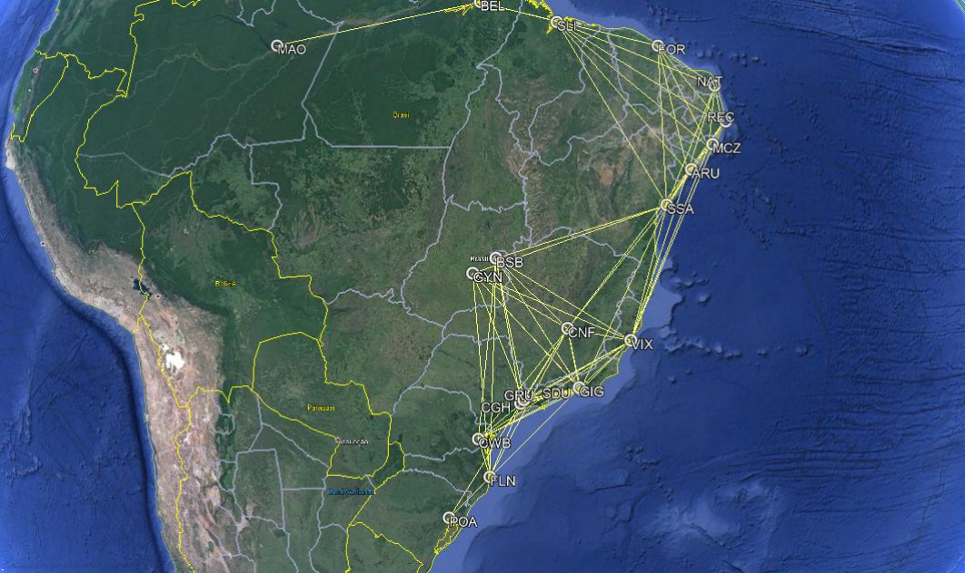
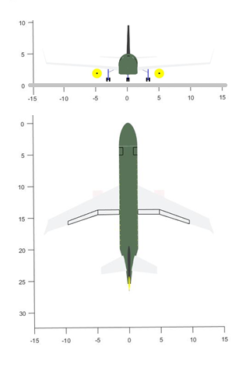
NETWORK FREQUENCIES AND CHARACTERISTICS (Max NP/ACFT#1) |  |  |  |  |  |  |  |  |  |  |  |  |  |  |  |  |  |  |  |  |  | AICRAFT DATA
 |  | Arrival Airport |  |  |  |  |  |  |  |  |  |  |  |  |  |  |  |  |  |  |  | Npax-Nseat | 60-4
 |  | AJU | BEL | BSB | CGH | CNF | CWB | FLN | FOR | GIG | GRU | GYN | MAO | MCZ | NAT | POA | REC | SDU | SLI | SSA | VIX | MTOW[kg] | 32,344
Departure Airport | AJU | 0 | 0 | 0 | 0 | 1 | 0 | 0 | 1 | 0 | 0 | 0 | 0 | 1 | 1 | 0 | 1 | 0 | 1 | 1 | 0 | wS [m²] | 70.0
 | BEL | 0 | 0 | 0 | 0 | 0 | 0 | 0 | 1 | 0 | 0 | 0 | 1 | 0 | 0 | 0 | 0 | 0 | 1 | 0 | 0 | wAR | 9.3
 | BSB | 0 | 0 | 0 | 3 | 1 | 2 | 1 | 0 | 2 | 3 | 0 | 0 | 0 | 0 | 0 | 0 | 3 | 0 | 2 | 1 | wTR | 0.40
 | CGH | 0 | 0 | 3 | 0 | 3 | 3 | 2 | 0 | 3 | 0 | 0 | 0 | 0 | 0 | 3 | 0 | 4 | 0 | 0 | 1 | wSweep [°] | 23.35
 | CNF | 1 | 0 | 1 | 3 | 0 | 2 | 1 | 0 | 2 | 2 | 1 | 0 | 0 | 0 | 2 | 0 | 2 | 0 | 2 | 0 | wTwist [°] | -4.6
 | CWB | 0 | 0 | 2 | 3 | 2 | 0 | 1 | 0 | 2 | 0 | 0 | 0 | 0 | 0 | 0 | 0 | 3 | 0 | 0 | 1 | Kink | 0.38
 | FLN | 0 | 0 | 1 | 2 | 1 | 1 | 0 | 0 | 0 | 0 | 1 | 0 | 0 | 0 | 1 | 0 | 0 | 0 | 0 | 0 | BPR | 5.50
 | FOR | 1 | 1 | 0 | 0 | 0 | 0 | 0 | 0 | 0 | 0 | 0 | 0 | 2 | 1 | 0 | 2 | 0 | 0 | 2 | 0 | eDiam [m] | 1.44
 | GIG | 0 | 0 | 2 | 3 | 2 | 2 | 0 | 0 | 0 | 3 | 2 | 0 | 0 | 0 | 2 | 0 | 0 | 0 | 2 | 1 | OPR | 28.8
 | GRU | 0 | 0 | 3 | 0 | 2 | 0 | 0 | 0 | 3 | 0 | 2 | 0 | 0 | 0 | 0 | 0 | 3 | 0 | 0 | 1 | FPR | 1.6
 | GYN | 0 | 0 | 0 | 0 | 1 | 0 | 1 | 0 | 2 | 2 | 0 | 0 | 0 | 0 | 0 | 0 | 2 | 0 | 1 | 0 | eITT [K] | 1488
 | MAO | 0 | 1 | 0 | 0 | 0 | 0 | 0 | 0 | 0 | 0 | 0 | 0 | 0 | 0 | 0 | 0 | 0 | 0 | 0 | 0 | Range [nm] | 1600
 | MCZ | 1 | 0 | 0 | 0 | 0 | 0 | 0 | 2 | 0 | 0 | 0 | 0 | 0 | 1 | 0 | 1 | 0 | 1 | 1 | 1 | Cruise Mach | 0.743
 | NAT | 1 | 0 | 0 | 0 | 0 | 0 | 0 | 1 | 0 | 0 | 0 | 0 | 1 | 0 | 0 | 1 | 0 | 1 | 1 | 0 | CO2 Eff [kg/pax] | 99.1
 | POA | 0 | 0 | 0 | 3 | 2 | 0 | 1 | 0 | 2 | 0 | 0 | 0 | 0 | 0 | 0 | 0 | 0 | 0 | 0 | 0 | NETWORK DATA
 | REC | 1 | 0 | 0 | 0 | 0 | 0 | 0 | 2 | 0 | 0 | 0 | 0 | 1 | 1 | 0 | 0 | 0 | 1 | 2 | 0 | n | 20
 | SDU | 0 | 0 | 3 | 4 | 2 | 3 | 0 | 0 | 0 | 3 | 2 | 0 | 0 | 0 | 0 | 0 | 0 | 0 | 3 | 1 | N | 166
 | SLI | 1 | 1 | 0 | 0 | 0 | 0 | 0 | 0 | 0 | 0 | 0 | 0 | 1 | 1 | 0 | 1 | 0 | 0 | 0 | 0 | L | 434.2
 | SSA | 1 | 0 | 2 | 0 | 2 | 0 | 0 | 2 | 2 | 0 | 1 | 0 | 1 | 1 | 0 | 2 | 3 | 0 | 0 | 1 | ADON | 7.7
 | VIX | 0 | 0 | 1 | 1 | 0 | 1 | 0 | 0 | 1 | 1 | 0 | 0 | 1 | 0 | 0 | 0 | 1 | 0 | 1 | 0 | ND | 0.44
Acum freq |  | 7 | 3 | 18 | 22 | 19 | 14 | 7 | 9 | 19 | 14 | 9 | 1 | 8 | 6 | 8 | 8 | 21 | 5 | 18 | 8 | Aci | 0.90
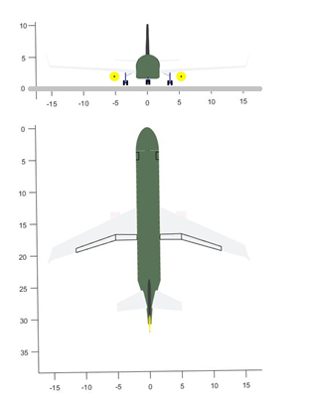
 | 224
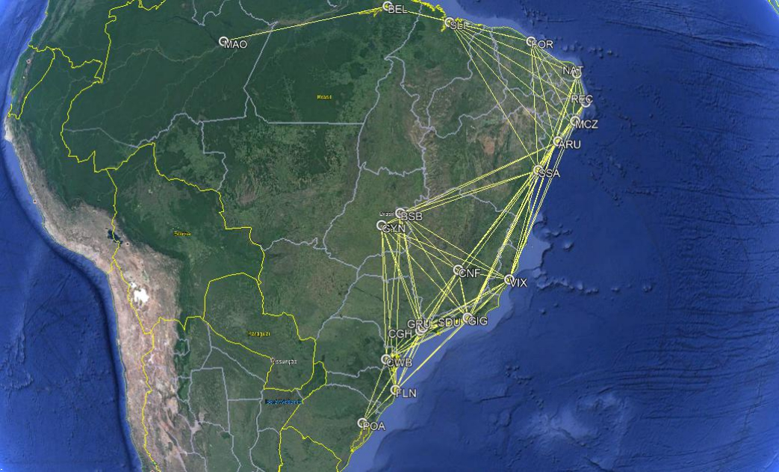
NETWORK FREQUENCIES AND CHARACTERISTICS (Max NP/ACFT#2) |  |  |  |  |  |  |  |  |  |  |  |  |  |  |  |  |  |  |  |  |  | AICRAFT DATA
 |  | Arrival Airport |  |  |  |  |  |  |  |  |  |  |  |  |  |  |  |  |  |  |  | Npax-Nseat | 100-5
 |  | AJU | BEL | BSB | CGH | CNF | CWB | FLN | FOR | GIG | GRU | GYN | MAO | MCZ | NAT | POA | REC | SDU | SLI | SSA | VIX | MTOW[kg] | 45,029
Departure Airport | AJU | 0 | 0 | 2 | 0 | 1 | 0 | 0 | 2 | 2 | 0 | 1 | 0 | 1 | 1 | 0 | 1 | 2 | 1 | 1 | 1 | wS [m²] | 96.0
 | BEL | 0 | 0 | 0 | 0 | 0 | 0 | 0 | 2 | 0 | 0 | 0 | 1 | 0 | 0 | 0 | 0 | 0 | 1 | 0 | 0 | wAR | 9.6
 | BSB | 2 | 0 | 0 | 3 | 2 | 2 | 1 | 0 | 2 | 3 | 0 | 0 | 0 | 0 | 0 | 0 | 3 | 0 | 2 | 1 | wTR | 0.38
 | CGH | 0 | 0 | 3 | 0 | 3 | 3 | 2 | 0 | 3 | 0 | 3 | 0 | 0 | 0 | 3 | 0 | 4 | 0 | 0 | 2 | wSweep [°] | 30.33
 | CNF | 1 | 0 | 2 | 3 | 0 | 2 | 1 | 0 | 2 | 2 | 1 | 0 | 2 | 0 | 2 | 0 | 2 | 0 | 2 | 1 | wTwist [°] | -4.5
 | CWB | 0 | 0 | 2 | 3 | 2 | 0 | 1 | 0 | 2 | 3 | 2 | 0 | 0 | 0 | 2 | 0 | 3 | 0 | 0 | 1 | Kink | 0.34
 | FLN | 0 | 0 | 1 | 2 | 1 | 1 | 0 | 0 | 2 | 2 | 1 | 0 | 0 | 0 | 1 | 0 | 2 | 0 | 0 | 1 | BPR | 3.04
 | FOR | 2 | 2 | 0 | 0 | 0 | 0 | 0 | 0 | 0 | 0 | 0 | 0 | 2 | 2 | 0 | 2 | 0 | 2 | 2 | 0 | eDiam [m] | 1.18
 | GIG | 2 | 0 | 2 | 3 | 2 | 2 | 2 | 0 | 0 | 3 | 2 | 0 | 0 | 0 | 2 | 0 | 0 | 0 | 2 | 1 | OPR | 18.2
 | GRU | 0 | 0 | 3 | 0 | 2 | 3 | 2 | 0 | 3 | 0 | 2 | 0 | 0 | 0 | 3 | 0 | 3 | 0 | 3 | 1 | FPR | 1.3
 | GYN | 1 | 0 | 0 | 3 | 1 | 2 | 1 | 0 | 2 | 2 | 0 | 0 | 0 | 0 | 0 | 0 | 2 | 0 | 2 | 1 | eITT [K] | 1582
 | MAO | 0 | 1 | 0 | 0 | 0 | 0 | 0 | 0 | 0 | 0 | 0 | 0 | 0 | 0 | 0 | 0 | 0 | 0 | 0 | 0 | Range [nm] | 1000
 | MCZ | 1 | 0 | 0 | 0 | 2 | 0 | 0 | 2 | 0 | 0 | 0 | 0 | 0 | 1 | 0 | 1 | 0 | 1 | 2 | 1 | Cruise Mach | 0.723
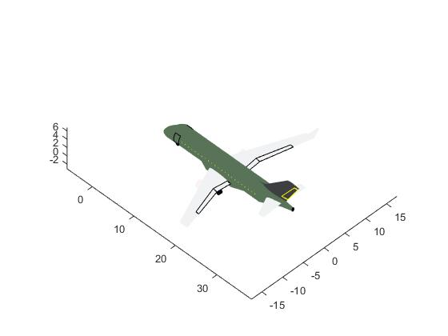
 | NAT | 1 | 0 | 0 | 0 | 0 | 0 | 0 | 2 | 0 | 0 | 0 | 0 | 1 | 0 | 0 | 1 | 0 | 1 | 2 | 0 | CO2 Eff [kg/pax] | 119.3
 | POA | 0 | 0 | 0 | 3 | 2 | 2 | 1 | 0 | 2 | 3 | 0 | 0 | 0 | 0 | 0 | 0 | 3 | 0 | 0 | 0 | NETWORK DATA
 | REC | 1 | 0 | 0 | 0 | 0 | 0 | 0 | 2 | 0 | 0 | 0 | 0 | 1 | 1 | 0 | 0 | 0 | 1 | 2 | 1 | n | 20
 | SDU | 2 | 0 | 3 | 4 | 2 | 3 | 2 | 0 | 0 | 3 | 2 | 0 | 0 | 0 | 3 | 0 | 0 | 0 | 3 | 1 | N | 178
 | SLI | 1 | 1 | 0 | 0 | 0 | 0 | 0 | 2 | 0 | 0 | 0 | 0 | 1 | 1 | 0 | 1 | 0 | 0 | 2 | 0 | L | 459.6
 | SSA | 1 | 0 | 2 | 0 | 2 | 0 | 0 | 2 | 2 | 3 | 2 | 0 | 2 | 2 | 0 | 2 | 3 | 2 | 0 | 1 | ADON | 8.3
 | VIX | 1 | 0 | 1 | 2 | 1 | 1 | 1 | 0 | 1 | 1 | 1 | 0 | 1 | 0 | 0 | 1 | 1 | 0 | 1 | 0 | ND | 0.47
Acum freq |  | 16 | 4 | 21 | 26 | 23 | 21 | 14 | 14 | 23 | 25 | 17 | 1 | 11 | 8 | 16 | 9 | 28 | 9 | 26 | 14 | Aci | 0.9
 | 326
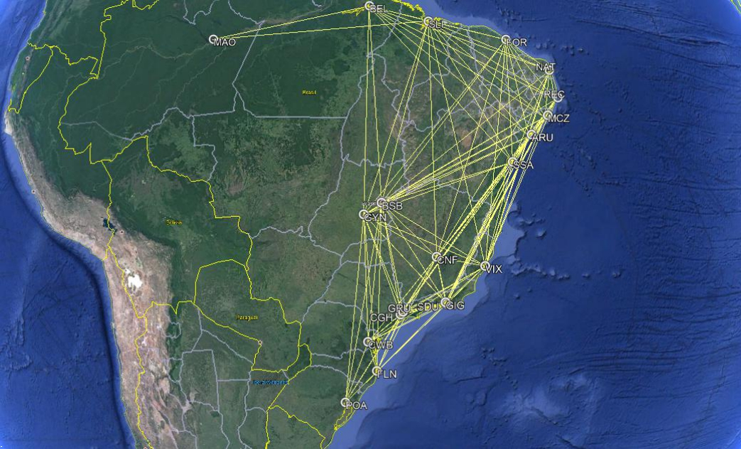
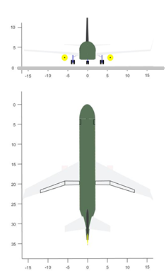
NETWORK FREQUENCIES AND CHARACTERISTICS (Max NP/ACFT#3) |  |  |  |  |  |  |  |  |  |  |  |  |  |  |  |  |  |  |  |  |  | AICRAFT DATA
 |  | Arrival Airport |  |  |  |  |  |  |  |  |  |  |  |  |  |  |  |  |  |  |  | Npax-Nseat | 133-6
 |  | AJU | BEL | BSB | CGH | CNF | CWB | FLN | FOR | GIG | GRU | GYN | MAO | MCZ | NAT | POA | REC | SDU | SLI | SSA | VIX | MTOW[kg] | 58,348
Departure Airport | AJU | 0 | 1 | 2 | 3 | 1 | 0 | 0 | 2 | 2 | 2 | 1 | 0 | 1 | 1 | 0 | 1 | 2 | 1 | 1 | 1 | wS [m²] | 114.0
 | BEL | 1 | 0 | 2 | 0 | 0 | 0 | 0 | 2 | 0 | 0 | 1 | 1 | 1 | 1 | 0 | 1 | 0 | 1 | 2 | 0 | wAR | 8.8
 | BSB | 2 | 2 | 0 | 3 | 2 | 2 | 1 | 2 | 2 | 3 | 0 | 0 | 2 | 2 | 2 | 2 | 3 | 2 | 2 | 1 | wTR | 0.36
 | CGH | 3 | 0 | 3 | 0 | 3 | 3 | 2 | 0 | 3 | 0 | 3 | 0 | 0 | 0 | 3 | 0 | 4 | 0 | 3 | 2 | wSweep [°] | 24.5
 | CNF | 1 | 0 | 2 | 3 | 0 | 2 | 1 | 2 | 2 | 2 | 1 | 0 | 2 | 2 | 2 | 2 | 2 | 1 | 2 | 1 | wTwist [°] | -4.63
 | CWB | 0 | 0 | 2 | 3 | 2 | 0 | 1 | 0 | 2 | 3 | 2 | 0 | 0 | 0 | 2 | 0 | 3 | 0 | 2 | 1 | Kink | 0.36
 | FLN | 0 | 0 | 1 | 2 | 1 | 1 | 0 | 0 | 2 | 2 | 1 | 0 | 0 | 0 | 1 | 0 | 2 | 0 | 0 | 1 | BPR | 6.2
 | FOR | 2 | 2 | 2 | 0 | 2 | 0 | 0 | 0 | 0 | 0 | 2 | 0 | 2 | 2 | 0 | 2 | 0 | 2 | 2 | 1 | eDiam [m] | 1.70
 | GIG | 2 | 0 | 2 | 3 | 2 | 2 | 2 | 0 | 0 | 3 | 2 | 0 | 2 | 0 | 2 | 2 | 0 | 0 | 2 | 1 | OPR | 32.66
 | GRU | 2 | 0 | 3 | 0 | 2 | 3 | 2 | 0 | 3 | 0 | 2 | 0 | 0 | 0 | 3 | 0 | 3 | 0 | 3 | 1 | FPR | 1.8
 | GYN | 1 | 1 | 0 | 3 | 1 | 2 | 1 | 2 | 2 | 2 | 0 | 0 | 2 | 0 | 2 | 2 | 2 | 1 | 2 | 1 | eITT [K] | 1505
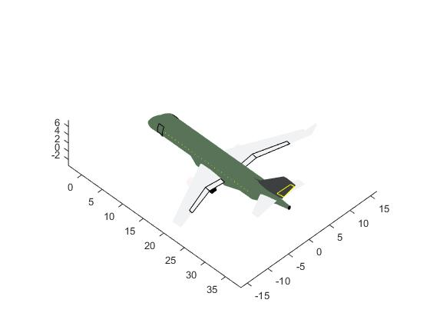
 | MAO | 0 | 1 | 0 | 0 | 0 | 0 | 0 | 0 | 0 | 0 | 0 | 0 | 0 | 0 | 0 | 0 | 0 | 1 | 0 | 0 | Range [nm] | 1950
 | MCZ | 1 | 1 | 2 | 0 | 2 | 0 | 0 | 2 | 2 | 0 | 2 | 0 | 0 | 1 | 0 | 1 | 3 | 1 | 2 | 1 | Cruise Mach | 0.748
 | NAT | 1 | 1 | 2 | 0 | 2 | 0 | 0 | 2 | 0 | 0 | 0 | 0 | 1 | 0 | 0 | 1 | 0 | 1 | 2 | 1 | CO2 Eff [kg/pax] | 107.8
 | POA | 0 | 0 | 2 | 3 | 2 | 2 | 1 | 0 | 2 | 3 | 2 | 0 | 0 | 0 | 0 | 0 | 3 | 0 | 0 | 1 | NETWORK DATA
 | REC | 1 | 1 | 2 | 0 | 2 | 0 | 0 | 2 | 2 | 0 | 2 | 0 | 1 | 1 | 0 | 0 | 3 | 1 | 2 | 1 | n | 20
 | SDU | 2 | 0 | 3 | 4 | 2 | 3 | 2 | 0 | 0 | 3 | 2 | 0 | 3 | 0 | 3 | 3 | 0 | 0 | 3 | 1 | N | 246
 | SLI | 1 | 1 | 2 | 0 | 1 | 0 | 0 | 2 | 0 | 0 | 1 | 1 | 1 | 1 | 0 | 1 | 0 | 0 | 2 | 0 | L | 592.8
 | SSA | 1 | 2 | 2 | 3 | 2 | 2 | 0 | 2 | 2 | 3 | 2 | 0 | 2 | 2 | 0 | 2 | 3 | 2 | 0 | 1 | ADON | 11.5
 | VIX | 1 | 0 | 1 | 2 | 1 | 1 | 1 | 1 | 1 | 1 | 1 | 0 | 1 | 1 | 1 | 1 | 1 | 0 | 1 | 0 | ND | 0.6437
Acum freq |  | 22 | 13 | 35 | 32 | 30 | 23 | 14 | 21 | 27 | 27 | 27 | 2 | 21 | 14 | 21 | 21 | 34 | 14 | 33 | 17 | Aci | 0.9
 | 448

network maxnpv
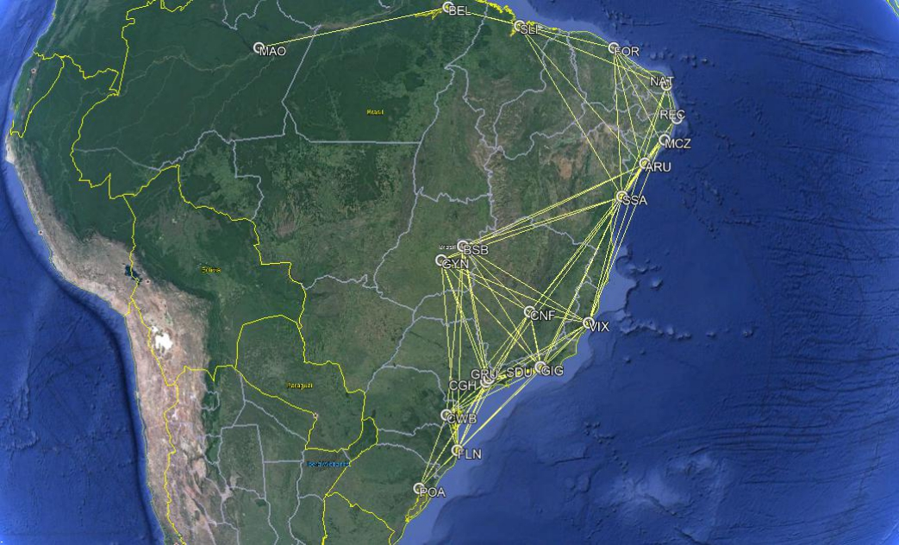
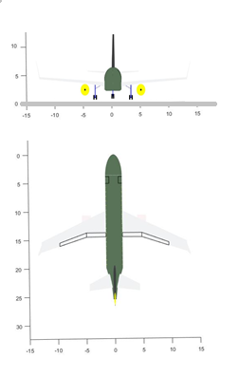
NETWORK FREQUENCIES AND CHARACTERISTICS (Max NPV/ACFT#1) |  |  |  |  |  |  |  |  |  |  |  |  |  |  |  |  |  |  |  |  |  | AICRAFT DATA
 |  | Arrival Airport |  |  |  |  |  |  |  |  |  |  |  |  |  |  |  |  |  |  |  | Npax-Nseat | 60-4
 |  | AJU | BEL | BSB | CGH | CNF | CWB | FLN | FOR | GIG | GRU | GYN | MAO | MCZ | NAT | POA | REC | SDU | SLI | SSA | VIX | MTOW[kg] | 31,390
Departure Airport | AJU | 0 | 0 | 1 | 0 | 1 | 0 | 0 | 1 | 0 | 0 | 1 | 0 | 1 | 1 | 0 | 1 | 0 | 1 | 1 | 0 | wS [m²] | 70.0
 | BEL | 0 | 0 | 0 | 0 | 0 | 0 | 0 | 1 | 0 | 0 | 0 | 1 | 0 | 0 | 0 | 0 | 0 | 0 | 0 | 0 | wAR | 9.3
 | BSB | 1 | 0 | 0 | 3 | 1 | 0 | 1 | 0 | 2 | 2 | 0 | 0 | 0 | 0 | 0 | 0 | 2 | 0 | 1 | 0 | wTR | 0.40
 | CGH | 0 | 0 | 3 | 0 | 2 | 2 | 1 | 0 | 3 | 0 | 2 | 0 | 0 | 0 | 0 | 0 | 3 | 0 | 0 | 1 | wSweep [°] | 23.35
 | CNF | 1 | 0 | 1 | 2 | 0 | 0 | 1 | 0 | 0 | 2 | 1 | 0 | 1 | 0 | 1 | 0 | 2 | 0 | 1 | 0 | wTwist [°] | -4.6
 | CWB | 0 | 0 | 0 | 2 | 0 | 0 | 1 | 0 | 2 | 2 | 1 | 0 | 0 | 0 | 1 | 0 | 2 | 0 | 0 | 1 | Kink | 0.38
 | FLN | 0 | 0 | 1 | 1 | 1 | 1 | 0 | 0 | 1 | 1 | 1 | 0 | 0 | 0 | 1 | 0 | 1 | 0 | 0 | 0 | BPR | 5.90
 | FOR | 1 | 1 | 0 | 0 | 0 | 0 | 0 | 0 | 0 | 0 | 0 | 0 | 1 | 1 | 0 | 1 | 0 | 1 | 2 | 0 | eDiam [m] | 1.47
 | GIG | 0 | 0 | 2 | 3 | 0 | 2 | 1 | 0 | 0 | 0 | 0 | 0 | 0 | 0 | 2 | 0 | 0 | 0 | 2 | 1 | OPR | 26.76
 | GRU | 0 | 0 | 2 | 0 | 2 | 2 | 1 | 0 | 0 | 0 | 2 | 0 | 0 | 0 | 2 | 0 | 3 | 0 | 0 | 1 | FPR | 1.61
 | GYN | 1 | 0 | 0 | 2 | 1 | 1 | 1 | 0 | 0 | 2 | 0 | 0 | 0 | 0 | 0 | 0 | 2 | 0 | 1 | 0 | eITT [K] | 1488
 | MAO | 0 | 1 | 0 | 0 | 0 | 0 | 0 | 0 | 0 | 0 | 0 | 0 | 0 | 0 | 0 | 0 | 0 | 0 | 0 | 0 | Range [nm] | 1600
 | MCZ | 1 | 0 | 0 | 0 | 1 | 0 | 0 | 1 | 0 | 0 | 0 | 0 | 0 | 1 | 0 | 1 | 0 | 1 | 1 | 0 | Cruise Mach | 0.741
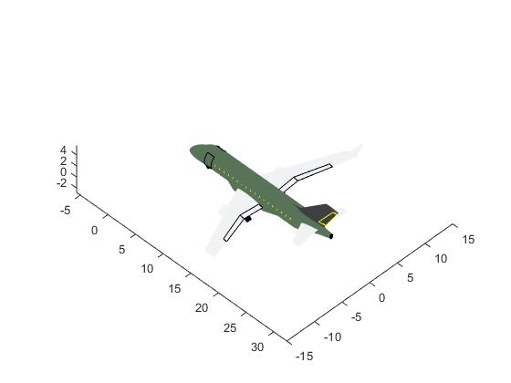
 | NAT | 1 | 0 | 0 | 0 | 0 | 0 | 0 | 1 | 0 | 0 | 0 | 0 | 1 | 0 | 0 | 1 | 0 | 1 | 1 | 0 | CO2 Eff [kg/pax] | 93.3
 | POA | 0 | 0 | 0 | 0 | 1 | 1 | 1 | 0 | 2 | 2 | 0 | 0 | 0 | 0 | 0 | 0 | 2 | 0 | 0 | 0 | NETWORK DATA
 | REC | 1 | 0 | 0 | 0 | 0 | 0 | 0 | 1 | 0 | 0 | 0 | 0 | 1 | 1 | 0 | 0 | 0 | 1 | 1 | 0 | n | 20
 | SDU | 0 | 0 | 2 | 3 | 2 | 2 | 1 | 0 | 0 | 3 | 2 | 0 | 0 | 0 | 2 | 0 | 0 | 0 | 2 | 1 | N | 170
 | SLI | 1 | 0 | 0 | 0 | 0 | 0 | 0 | 1 | 0 | 0 | 0 | 0 | 1 | 1 | 0 | 1 | 0 | 0 | 1 | 0 | L | 444.6
 | SSA | 1 | 0 | 1 | 0 | 1 | 0 | 0 | 2 | 2 | 0 | 1 | 0 | 1 | 1 | 0 | 1 | 2 | 1 | 0 | 0 | ADON | 8.0
 | VIX | 0 | 0 | 0 | 1 | 0 | 1 | 0 | 0 | 1 | 1 | 0 | 0 | 0 | 0 | 0 | 0 | 1 | 0 | 0 | 0 | ND | 0.45
Acum freq |  | 9 | 2 | 13 | 17 | 13 | 12 | 9 | 8 | 13 | 15 | 11 | 1 | 7 | 6 | 9 | 6 | 20 | 6 | 14 | 5 | Aci | 0.90
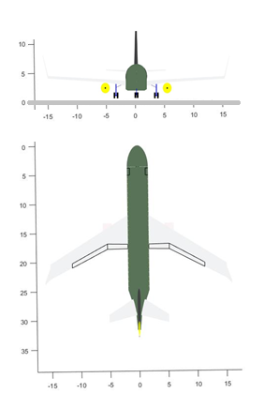
 | 196
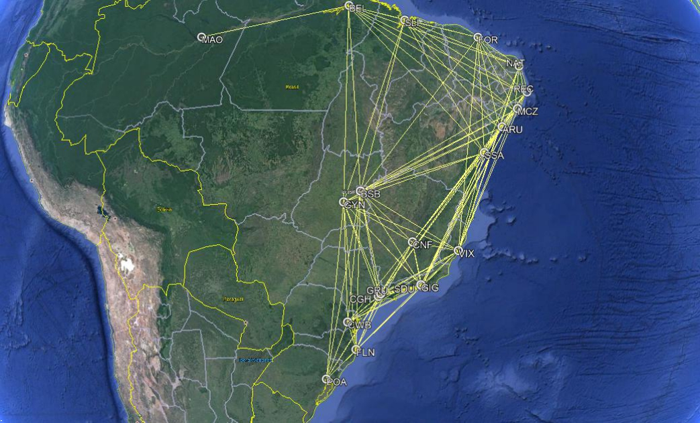
NETWORK FREQUENCIES AND CHARACTERISTICS (Max NPV/ACFT#2) |  |  |  |  |  |  |  |  |  |  |  |  |  |  |  |  |  |  |  |  |  | AICRAFT DATA
 |  | Arrival Airport |  |  |  |  |  |  |  |  |  |  |  |  |  |  |  |  |  |  |  | Npax-Nseat | 105-5
 |  | AJU | BEL | BSB | CGH | CNF | CWB | FLN | FOR | GIG | GRU | GYN | MAO | MCZ | NAT | POA | REC | SDU | SLI | SSA | VIX | MTOW[kg] | 49,229
Departure Airport | AJU | 0 | 1 | 1 | 0 | 1 | 0 | 0 | 1 | 2 | 2 | 1 | 0 | 1 | 1 | 0 | 1 | 2 | 1 | 1 | 1 | wS [m²] | 99.2
 | BEL | 1 | 0 | 1 | 0 | 0 | 0 | 0 | 1 | 0 | 0 | 1 | 1 | 1 | 1 | 0 | 1 | 0 | 1 | 1 | 0 | wAR | 9.3
 | BSB | 1 | 1 | 0 | 3 | 1 | 2 | 1 | 2 | 2 | 2 | 0 | 0 | 2 | 0 | 2 | 2 | 2 | 1 | 2 | 1 | wTR | 0.45
 | CGH | 0 | 0 | 3 | 0 | 2 | 2 | 2 | 0 | 3 | 0 | 2 | 0 | 0 | 0 | 3 | 0 | 3 | 0 | 3 | 1 | wSweep [°] | 30.36
 | CNF | 1 | 0 | 1 | 2 | 0 | 2 | 1 | 0 | 2 | 2 | 1 | 0 | 1 | 0 | 1 | 2 | 2 | 0 | 1 | 1 | wTwist [°] | -3.06
 | CWB | 0 | 0 | 2 | 2 | 2 | 0 | 1 | 0 | 2 | 2 | 1 | 0 | 0 | 0 | 1 | 0 | 2 | 0 | 0 | 1 | Kink | 0.35
 | FLN | 0 | 0 | 1 | 2 | 1 | 1 | 0 | 0 | 1 | 1 | 1 | 0 | 0 | 0 | 1 | 0 | 1 | 0 | 0 | 0 | BPR | 5.51
 | FOR | 1 | 1 | 2 | 0 | 0 | 0 | 0 | 0 | 0 | 0 | 0 | 0 | 2 | 1 | 0 | 2 | 0 | 1 | 2 | 0 | eDiam [m] | 1.48
 | GIG | 2 | 0 | 2 | 3 | 2 | 2 | 1 | 0 | 0 | 3 | 2 | 0 | 2 | 0 | 2 | 0 | 0 | 0 | 2 | 1 | OPR | 25.91
 | GRU | 2 | 0 | 2 | 0 | 2 | 2 | 1 | 0 | 3 | 0 | 2 | 0 | 0 | 0 | 2 | 0 | 3 | 0 | 3 | 1 | FPR | 1.65
 | GYN | 1 | 1 | 0 | 2 | 1 | 1 | 1 | 0 | 2 | 2 | 0 | 0 | 1 | 0 | 1 | 0 | 2 | 1 | 1 | 1 | eITT [K] | 1499
 | MAO | 0 | 1 | 0 | 0 | 0 | 0 | 0 | 0 | 0 | 0 | 0 | 0 | 0 | 0 | 0 | 0 | 0 | 0 | 0 | 0 | Range [nm] | 1600
 | MCZ | 1 | 1 | 2 | 0 | 1 | 0 | 0 | 2 | 2 | 0 | 1 | 0 | 0 | 1 | 0 | 1 | 2 | 1 | 1 | 1 | Cruise Mach | 0.785
 | NAT | 1 | 1 | 0 | 0 | 0 | 0 | 0 | 1 | 0 | 0 | 0 | 0 | 1 | 0 | 0 | 1 | 0 | 1 | 1 | 1 | CO2 Eff [kg/pax] | 20.5
 | POA | 0 | 0 | 2 | 3 | 1 | 1 | 1 | 0 | 2 | 2 | 1 | 0 | 0 | 0 | 0 | 0 | 2 | 0 | 0 | 1 | NETWORK DATA
 | REC | 1 | 1 | 2 | 0 | 2 | 0 | 0 | 2 | 0 | 0 | 0 | 0 | 1 | 1 | 0 | 0 | 0 | 1 | 1 | 1 | n | 20
 | SDU | 2 | 0 | 2 | 3 | 2 | 2 | 1 | 0 | 0 | 3 | 2 | 0 | 2 | 0 | 2 | 0 | 0 | 0 | 2 | 1 | N | 220
 | SLI | 1 | 1 | 1 | 0 | 0 | 0 | 0 | 1 | 0 | 0 | 1 | 0 | 1 | 1 | 0 | 1 | 0 | 0 | 1 | 0 | L | 546.7
 | SSA | 1 | 1 | 2 | 3 | 1 | 0 | 0 | 2 | 2 | 3 | 1 | 0 | 1 | 1 | 0 | 1 | 2 | 1 | 0 | 1 | ADON | 10.3
 | VIX | 1 | 0 | 1 | 1 | 1 | 1 | 0 | 0 | 1 | 1 | 1 | 0 | 1 | 1 | 1 | 1 | 1 | 0 | 1 | 0 | ND | 0.58
Acum freq |  | 17 | 10 | 27 | 24 | 20 | 16 | 10 | 12 | 24 | 23 | 18 | 1 | 17 | 8 | 16 | 13 | 24 | 9 | 23 | 14 | Aci | 0.90
 | 326

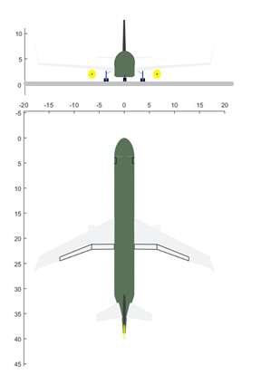
NETWORK FREQUENCIES AND CHARACTERISTICS (Max NPV/ACFT#3) |  |  |  |  |  |  |  |  |  |  |  |  |  |  |  |  |  |  |  |  |  | AICRAFT DATA
 |  | Arrival Airport |  |  |  |  |  |  |  |  |  |  |  |  |  |  |  |  |  |  |  | Npax-Nseat | 174-6
 |  | AJU | BEL | BSB | CGH | CNF | CWB | FLN | FOR | GIG | GRU | GYN | MAO | MCZ | NAT | POA | REC | SDU | SLI | SSA | VIX | MTOW[kg] | 68,530
Departure Airport | AJU | 0 | 1 | 1 | 2 | 1 | 1 | 0 | 1 | 2 | 2 | 1 | 0 | 1 | 1 | 0 | 1 | 2 | 1 | 1 | 1 | wS [m²] | 124.6
 | BEL | 1 | 0 | 1 | 0 | 1 | 0 | 0 | 1 | 0 | 0 | 1 | 1 | 1 | 1 | 0 | 1 | 0 | 1 | 1 | 0 | wAR | 9.4
 | BSB | 1 | 1 | 0 | 3 | 1 | 2 | 1 | 2 | 2 | 2 | 0 | 1 | 2 | 1 | 2 | 2 | 2 | 1 | 2 | 1 | wTR | 0.38
 | CGH | 2 | 0 | 3 | 0 | 2 | 2 | 2 | 0 | 3 | 0 | 2 | 0 | 3 | 0 | 3 | 3 | 3 | 0 | 3 | 1 | wSweep [°] | 25.0
 | CNF | 1 | 1 | 1 | 2 | 0 | 2 | 1 | 2 | 2 | 2 | 1 | 0 | 1 | 1 | 1 | 2 | 2 | 1 | 1 | 1 | wTwist [°] | -4.5
 | CWB | 1 | 0 | 2 | 2 | 2 | 0 | 1 | 0 | 2 | 2 | 1 | 0 | 0 | 0 | 1 | 0 | 2 | 0 | 2 | 1 | Kink | 0.38
 | FLN | 0 | 0 | 1 | 2 | 1 | 1 | 0 | 0 | 1 | 1 | 1 | 0 | 0 | 0 | 1 | 0 | 1 | 0 | 1 | 0 | BPR | 5.3
 | FOR | 1 | 1 | 2 | 0 | 2 | 0 | 0 | 0 | 0 | 0 | 2 | 0 | 2 | 1 | 0 | 2 | 0 | 1 | 2 | 1 | eDiam [m] | 1.57
 | GIG | 2 | 0 | 2 | 3 | 2 | 2 | 1 | 0 | 0 | 3 | 2 | 0 | 2 | 2 | 2 | 2 | 0 | 0 | 2 | 1 | OPR | 32.7
 | GRU | 2 | 0 | 2 | 0 | 2 | 2 | 1 | 0 | 3 | 0 | 2 | 0 | 2 | 0 | 2 | 3 | 3 | 0 | 3 | 1 | FPR | 1.55
 | GYN | 1 | 1 | 0 | 2 | 1 | 1 | 1 | 2 | 2 | 2 | 0 | 1 | 1 | 1 | 1 | 1 | 2 | 1 | 1 | 1 | eITT [K] | 1522
 | MAO | 0 | 1 | 1 | 0 | 0 | 0 | 0 | 0 | 0 | 0 | 1 | 0 | 0 | 0 | 0 | 0 | 0 | 1 | 0 | 0 | Range [nm] | 1550
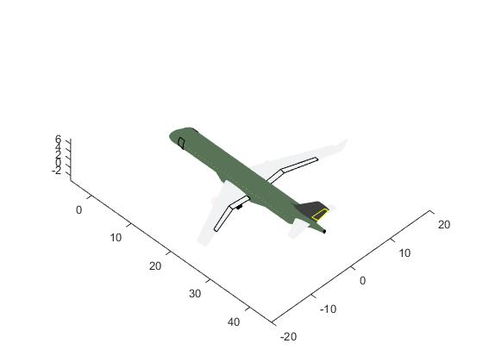
 | MCZ | 1 | 1 | 2 | 3 | 1 | 0 | 0 | 2 | 2 | 2 | 1 | 0 | 0 | 1 | 0 | 1 | 2 | 1 | 1 | 1 | Cruise Mach | 0.787
 | NAT | 1 | 1 | 1 | 0 | 1 | 0 | 0 | 1 | 2 | 0 | 1 | 0 | 1 | 0 | 0 | 1 | 2 | 1 | 1 | 1 | CO2 Eff [kg/pax] | 117.2
 | POA | 0 | 0 | 2 | 3 | 1 | 1 | 1 | 0 | 2 | 2 | 1 | 0 | 0 | 0 | 0 | 0 | 2 | 0 | 0 | 1 | NETWORK DATA
 | REC | 1 | 1 | 2 | 3 | 2 | 0 | 0 | 2 | 2 | 3 | 1 | 0 | 1 | 1 | 0 | 0 | 2 | 1 | 1 | 1 | n | 20
 | SDU | 2 | 0 | 2 | 3 | 2 | 2 | 1 | 0 | 0 | 3 | 2 | 0 | 2 | 2 | 2 | 2 | 0 | 0 | 2 | 1 | N | 270
 | SLI | 1 | 1 | 1 | 0 | 1 | 0 | 0 | 1 | 0 | 0 | 1 | 1 | 1 | 1 | 0 | 1 | 0 | 0 | 1 | 1 | L | 643.0
 | SSA | 1 | 1 | 2 | 3 | 1 | 2 | 1 | 2 | 2 | 3 | 1 | 0 | 1 | 1 | 0 | 1 | 2 | 1 | 0 | 1 | ADON | 12.7
 | VIX | 1 | 0 | 1 | 1 | 1 | 1 | 0 | 1 | 1 | 1 | 1 | 0 | 1 | 1 | 1 | 1 | 1 | 1 | 1 | 0 | ND | 0.71
Acum freq |  | 20 | 11 | 29 | 32 | 25 | 19 | 11 | 17 | 28 | 28 | 23 | 4 | 22 | 15 | 16 | 24 | 28 | 12 | 26 | 16 | Aci | 0.9

