Bug Report
Incident ID | Incident Summary | Test Steps | Expected Result | Actual Result | Date and Time | Test Procedure | Environment | Repeatability | Testers | Other Observes | Priority | Test Case ID
GA_001 | Loading time is higher than expected | 1.Login to Guru Avatar as a user 2.Click Switch My AVATAR. 3.Open Inspection tool in your brower. 4.Click Network in Inpection tool Nav Bar 5.Click Switch to Student | User should be able to see all content loaded in 3.5 Seconds | Student page take 3.71 Sec loading content | 18/01/20 - 1:00pm | 1.Login to Guru Avatar with your User Credentials 2.Click Switch My AVATAR. 3.Open Inspection tool in your brower and click Network tab 4. With Inspection tools open click Switch to Student dropdown to measure loading time | Mac OS Mojave 10.14.6 Google Chrome Version 79.0.3945.117 | 2 | Jose | 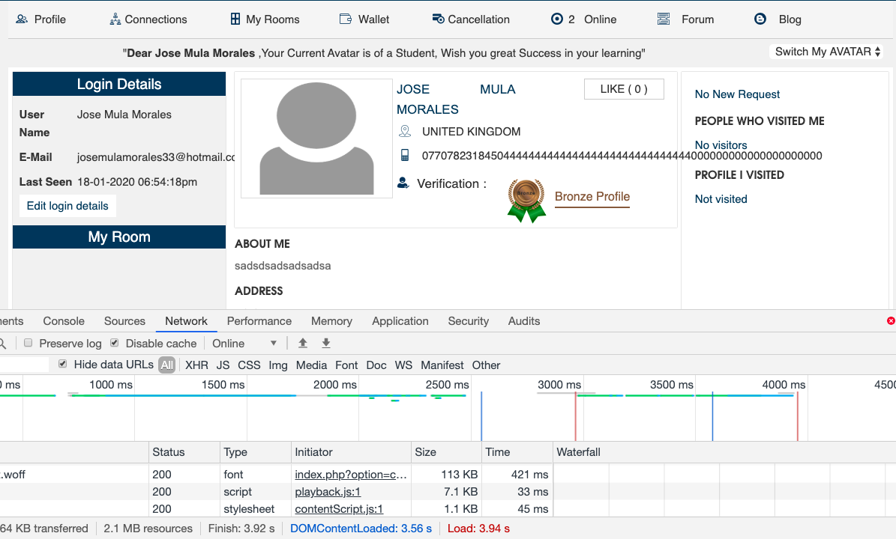 | Medium | TC_Room/ContactUs_06
GA_002 | Student Profile should be displayed when close Like pop up maage | 1.Login to Guru Avatar as a user 2.Click Switch My AVATAR. 3.Click Switch to Student 4.Click LIKE button 5.Click X button to close Profile Like Details pop up Maage | User should be able to see Student profile details in the page | When clicking X button on pop up window Student page is displayed, but not Student profile details (About me, Technology, addra, Name, Name, Country, Verification fields) | 18/01/20 - 1:00pm | 1.Login to Guru Avatar with your User Credentials 2.Click Switch My AVATAR. 3.Click Switch to Student 4.Click LIKE button in the profile and when open Pop up click X button to close the maage | Mac OS Mojave 10.14.6 Google Chrome Version 79.0.3945.117 | 2 | Jose | 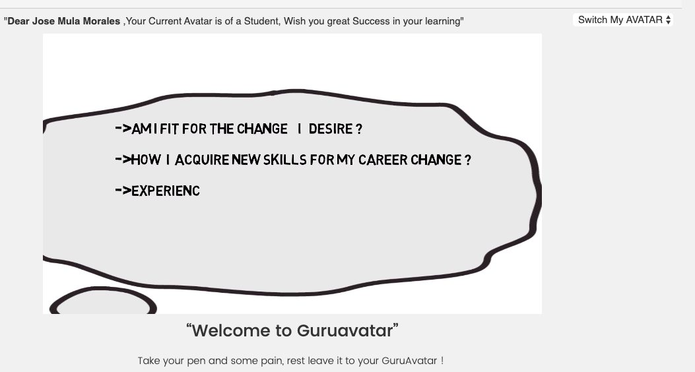 | Medium | TC_Room/ContactUs_16
GA_003 | Student page buttons are not same colour | 1.Login to Guru Avatar as a user 2.Click Switch My AVATAR. 3.Click Switch to Student | User is able to see buttons in the page same colour | Buttons in Student page have different colour | 18/01/20 - 1:00pm | 1.Login to Guru Avatar with your User Credentials 2.Click Switch My AVATAR. 3.Click Switch to Student | Mac OS Mojave 10.14.6 Google Chrome Version 79.0.3945.117 | 2 | Jose | 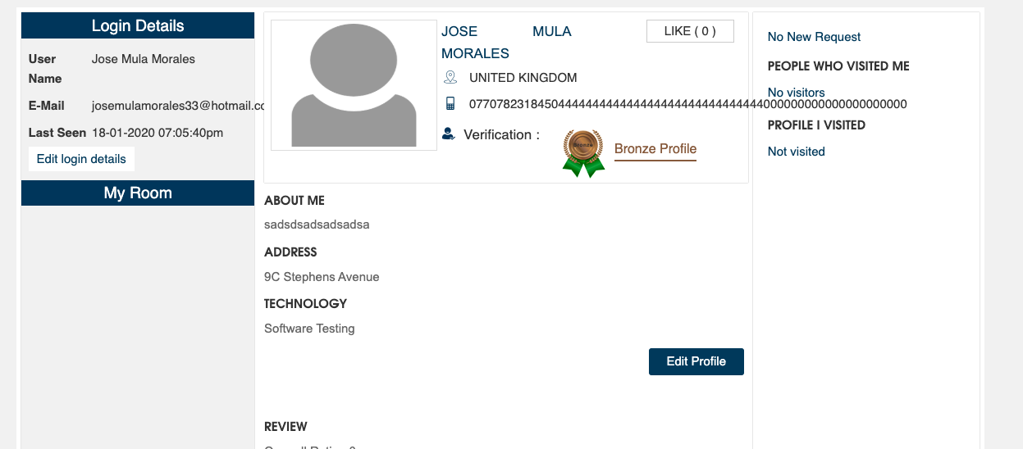 | Low | TC_Room/ContactUs_17
GA_004 | Hover is not working when mouse arrow is pointing the button | 1.Login to Guru Avatar as a user 2.Click Switch My AVATAR. 3.Click Switch to Student | User should be able to see same colour in all button when hover the mouse | Edit and LIKE button not Hover when mouse arrow is pointing on them | 18/01/20 - 1:00pm | 1.Login to Guru Avatar with your User Credentials 2.Click Switch My AVATAR. 3.Click Switch to Student | Mac OS Mojave 10.14.6 Google Chrome Version 79.0.3945.117 | 2 | Jose |  | Low | TC_Room/ContactUs_18
GA_005 | Loading time is higher than expected | 1.Login to Guru Avatar as a user 2.Click Switch My AVATAR. 3.Click Switch to Student 4.Click Photo | User should be able to see all content loaded in 3.5 Seconds in Avatar Profile page | Student page take 4.8 Sec loading content | 18/01/20 - 1:00pm | 1.Login to Guru Avatar with your User Credentials 2.Click Switch My AVATAR. 3.Click Switch to Student and click photo in the profile | Mac OS Mojave 10.14.6 Google Chrome Version 79.0.3945.117 | 2 | Jose | 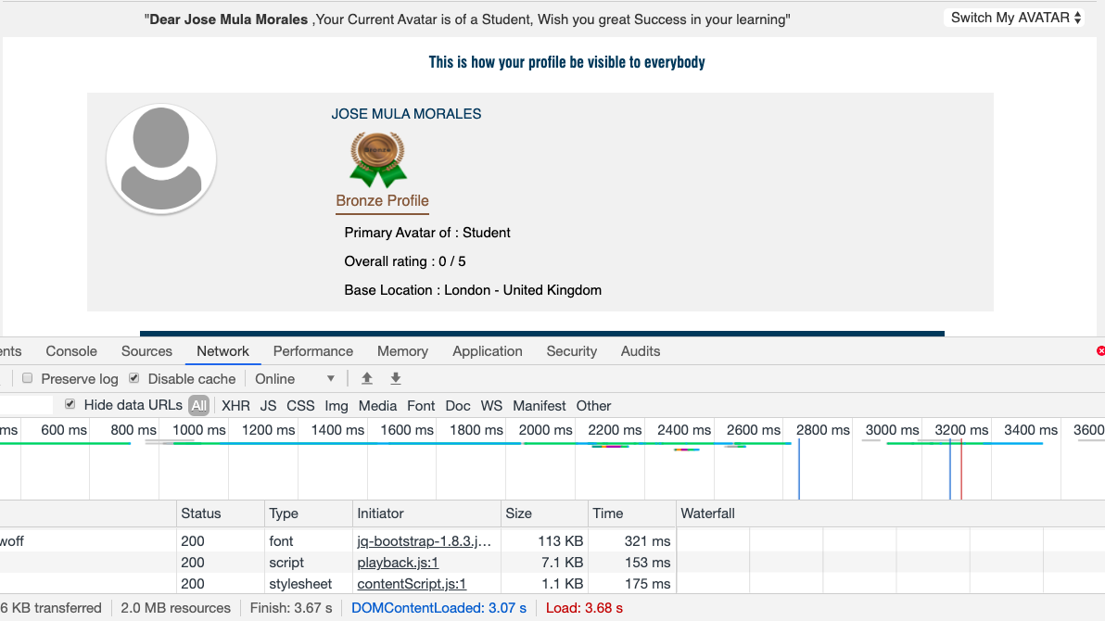 | Medium | TC_Room/ContactUs_21
GA_006 | When displayed Name and Surname is not aligned as expected | 1.Login to Guru Avatar as a user 2.Click Switch My AVATAR. 3.Click Switch to Student | Use is able to see profile information aligned | User Name and Surname are not aligned | 18/01/20 - 1:00pm | 1.Login to Guru Avatar with your User Credentials 2.Click Switch My AVATAR. 3.Click Switch to Student | Mac OS Mojave 10.14.6 Google Chrome Version 79.0.3945.117 | 2 | Jose | 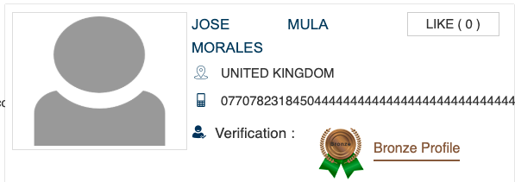 | Low | TC_Room/ContactUs_31
GA_007 | Use Name field and email details are not aligned as expected | 1.Login to Guru Avatar as a user 2.Click Switch My AVATAR. 3.Click Switch to Student | User is able to see all details aligned on login details | User Name field is not aligned as required and email information is displayed out of the Login Details Box | 18/01/20 - 1:00pm | 1.Login to Guru Avatar with your User Credentials 2.Click Switch My AVATAR. 3.Click Switch to Student | Mac OS Mojave 10.14.6 Google Chrome Version 79.0.3945.117 | 2 | Jose | 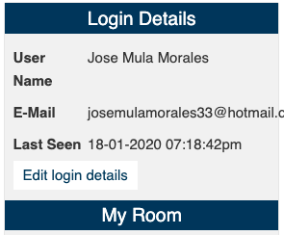 | Low | TC_Room/ContactUs_36
GA_008 | Telephone number is displayed with more digits than expected | 1.Login to Guru Avatar as a user 2.Click Switch My AVATAR. 3.Click Switch to Student | User should be able to see telephone number with 11 digits | Telephone information is displayed with more than 11 digits | 18/01/20 - 1:00pm | 1.Login to Guru Avatar with your User Credentials 2.Click Switch My AVATAR. 3.Click Switch to Student | Mac OS Mojave 10.14.6 Google Chrome Version 79.0.3945.117 | 2 | Jose | 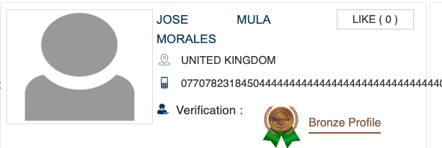 | Low | TC_Room/ContactUs_37
GA_009 | Loading time is higher than expected | 1.Login to Guru Avatar as a user 2.Click Switch My AVATAR. 3.Open Inspection tool in your brower. 4.Click Network in Inpection tool Nav Bar 5.Click Switch to Guru | User should be able to see all content loaded in 3.5 Seconds in Guru Profile | Student page take 3.53 Sec loading content | 18/01/20 - 1:00pm | 1.Login to Guru Avatar with your User Credentials 2.Click Switch My AVATAR. 3.Open Inspection tool in your brower and click Network tab 4. With Inspection tools open click Switch to Guru dropdown to measure loading time | Mac OS Mojave 10.14.6 Google Chrome Version 79.0.3945.117 | 2 | Jose | 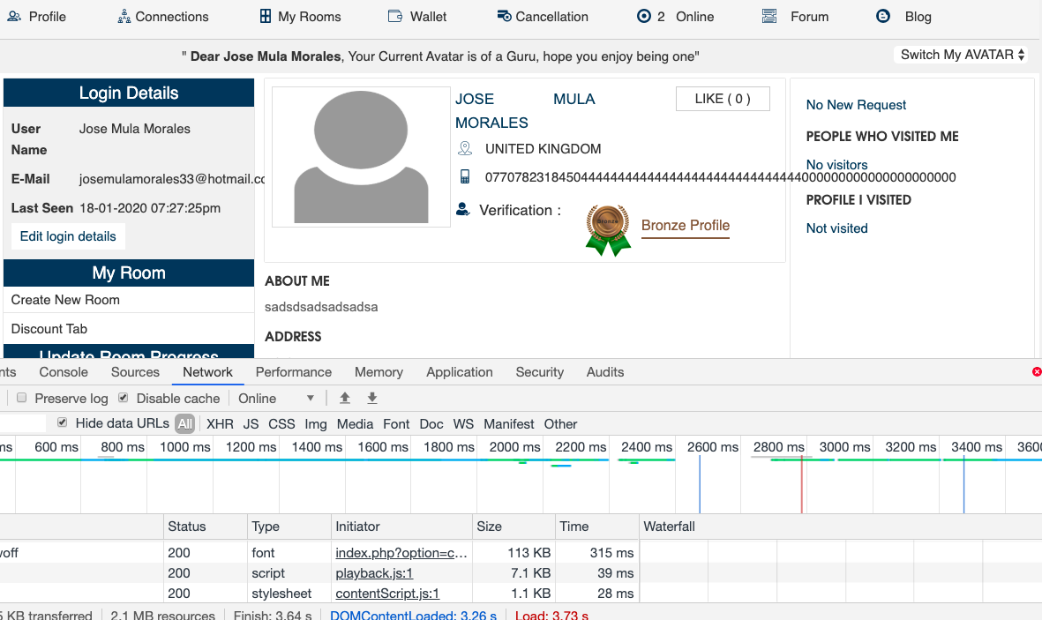 | Medium | TC_Room/ContactUs_48
GA_010 | When displayed Name and Surname is not aligned as expected | 1.Login to Guru Avatar as a user 2.Click Switch My AVATAR. 3.Click Switch to Guru | User should be able to see fields and information accordingly aligned | User Name field is not aligned as required | 18/01/20 - 1:00pm | 1.Login to Guru Avatar with your User Credentials 2.Click Switch My AVATAR. 3.Click Switch to Student | Mac OS Mojave 10.14.6 Google Chrome Version 79.0.3945.117 | 2 | Jose |  | Low | TC_Room/ContactUs_51
GA_011 | Guru Profile should be displayed when close Like pop up maage | 1.Login to Guru Avatar as a user 2.Click Switch My AVATAR. 3.Click Switch to Guru 4.Click LIKE button 5.Click X button to close Profile Like Details pop up Maage | User should be able to see Guru profile details in the page | When clicking X button on pop up window Student page is displayed, but not Student profile details (About me, Technology, addra, Name, Name, Country, Verification fields) | 18/01/20 - 1:00pm | 1.Login to Guru Avatar with your User Credentials 2.Click Switch My AVATAR. 3.Click Switch to Guru 4.Click LIKE button in the profile and when open Pop up click X button to close the maage | Mac OS Mojave 10.14.6 Google Chrome Version 79.0.3945.117 | 2 | Jose | 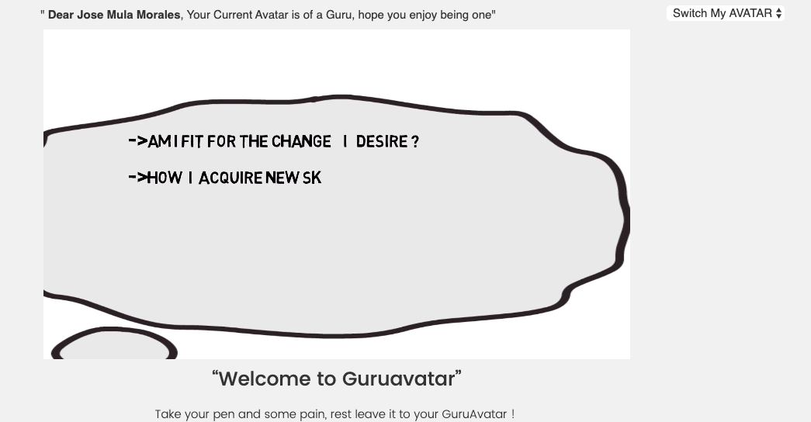 | Medium | TC_Room/ContactUs_58
GA_012 | Loading time is higher than expected | 1.Login to Guru Avatar as a user 2.Click Switch My AVATAR. 3.Click Switch to Guru 4.Click Create New Room button | User should be able to see all content loaded in 3.5 Seconds in Create a New Room page | Create a new Room take 4.78 Sec loading content | 18/01/20 - 1:00pm | 1.Login to Guru Avatar with your User Credentials 2.Click Switch My AVATAR. 3.Click Switch to Guru dropdown and Create New Room button | Mac OS Mojave 10.14.6 Google Chrome Version 79.0.3945.117 | 2 | Jose | 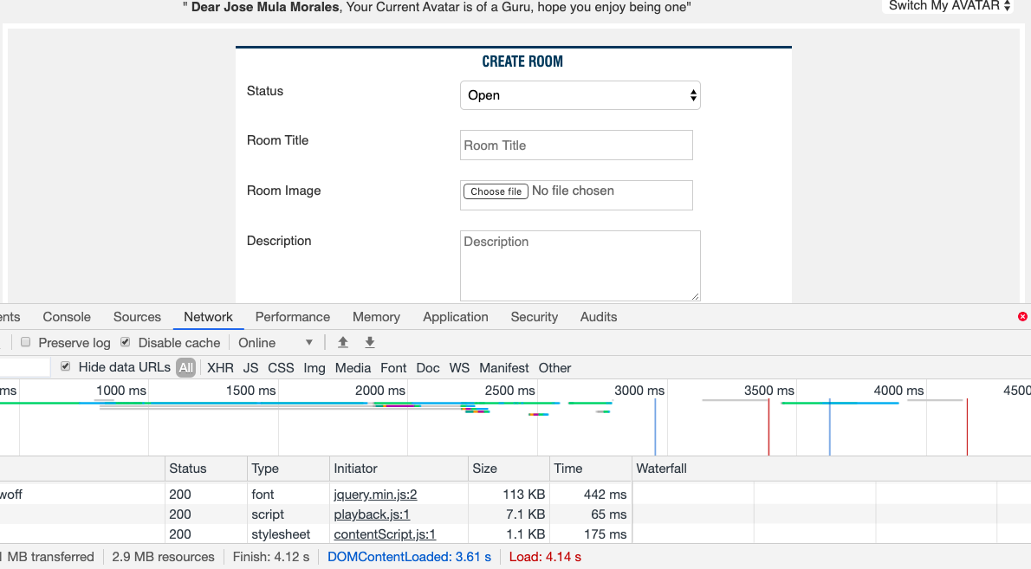 | Medium | TC_Room/ContactUs_61
GA_013 | Guru page buttons are not same colour | 1.Login to Guru Avatar as a user 2.Click Switch My AVATAR. 3.Click Switch to Guru | User is able to see buttons in the page same colour | Buttons in Guru page have different colour | 18/01/20 - 1:00pm | 1.Login to Guru Avatar with your User Credentials 2.Click Switch My AVATAR. 3.Click Switch to Guru | Mac OS Mojave 10.14.6 Google Chrome Version 79.0.3945.117 | 2 | Jose | 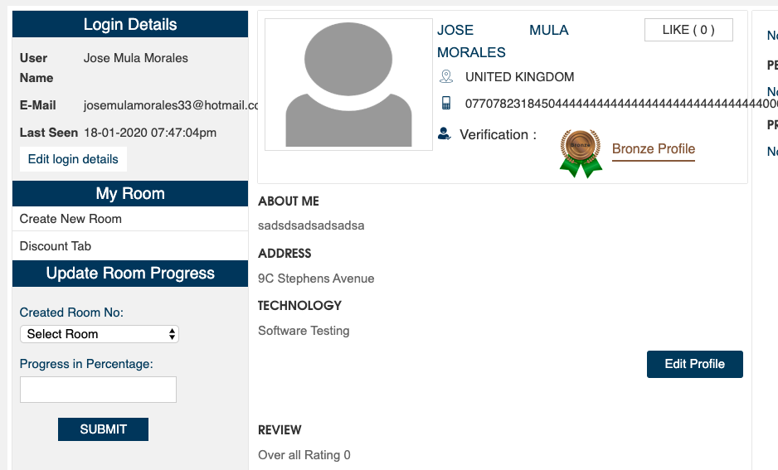 | Low | TC_Room/ContactUs_62
GA_014 | Hover is not working when mouse arrow is pointing the button | 1.Login to Guru Avatar as a user 2.Click Switch My AVATAR. 3.Click Switch to Guru | User should be able to see same colour in all button when hover the mouse | Edit and LIKE button not Hover when mouse arrow is pointing on them | 18/01/20 - 1:00pm | 1.Login to Guru Avatar with your User Credentials 2.Click Switch My AVATAR. 3.Click Switch to Guru | Mac OS Mojave 10.14.6 Google Chrome Version 79.0.3945.117 | 2 | Jose |  | Low | TC_Room/ContactUs_63
GA_015 | Loading time is higher than expected | 1.Login to Guru Avatar as a user 2.Click Switch My AVATAR. 3.Click Switch to Guru 4.Click Photo | User should be able to see all content loaded in 3.5 Seconds in Avatar Profile page | Avatar Profile take 3.80 Sec loading content | 18/01/20 - 1:00pm | 1.Login to Guru Avatar with your User Credentials 2.Click Switch My AVATAR. 3.Click Switch to Guru and click photo in the profile | Mac OS Mojave 10.14.6 Google Chrome Version 79.0.3945.117 | 2 | Jose | 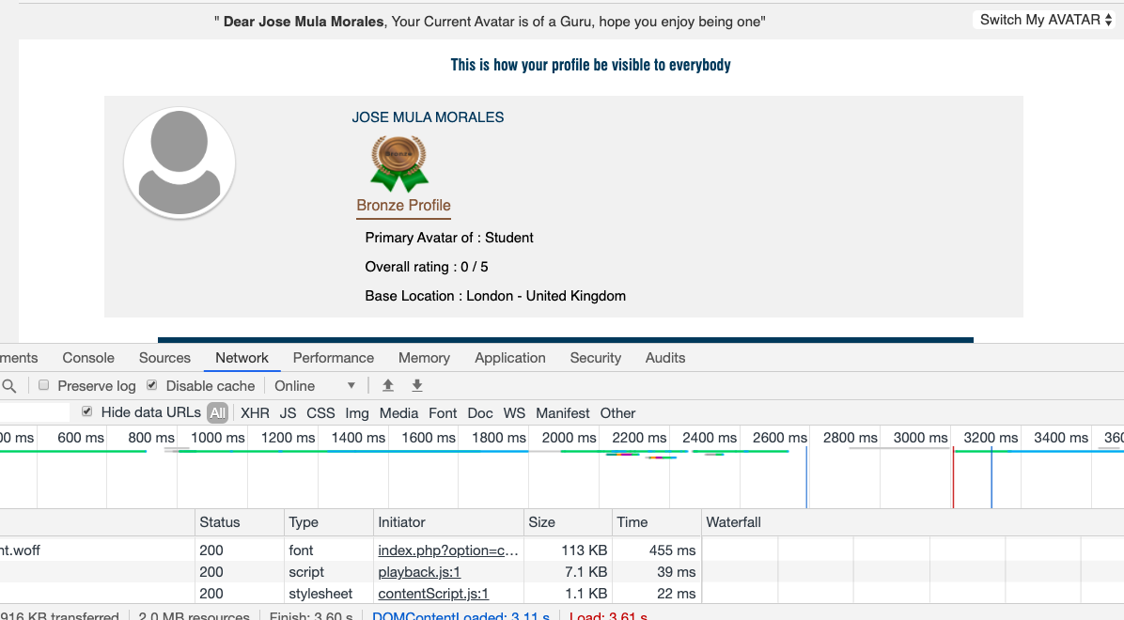 | Medium | TC_Room/ContactUs_66
GA_016 | When displayed Name and Surname is not aligned as expected | 1.Login to Guru Avatar as a user 2.Click Switch My AVATAR. 3.Click Switch to Guru | Use is able to see profile information aligned | Name and Surname are not aligned | 18/01/20 - 1:00pm | 1.Login to Guru Avatar with your User Credentials 2.Click Switch My AVATAR. 3.Click Switch to Guru | Mac OS Mojave 10.14.6 Google Chrome Version 79.0.3945.117 | 2 | Jose |  | Low | TC_Room/ContactUs_76
GA_017 | Use Name field and email details are not aligned as expected | 1.Login to Guru Avatar as a user 2.Click Switch My AVATAR. 3.Click Switch to Guru | User is able to see all details aligned on login details | User Name field is not aligned as required and email information is displayed out of the Login Details Box | 18/01/20 - 1:00pm | 1.Login to Guru Avatar with your User Credentials 2.Click Switch My AVATAR. 3.Click Switch to Guru | Mac OS Mojave 10.14.6 Google Chrome Version 79.0.3945.117 | 2 | Jose |  | Low | TC_Room/ContactUs_81
GA_018 | Telephone number is displayed with more digits than expected | 1.Login to Guru Avatar as a user 2.Click Switch My AVATAR. 3.Click Switch to Guru | User should be able to see telephone number with 11 digits | Telephone information is displayed with more than 11 digits | 18/01/20 - 1:00pm | 1.Login to Guru Avatar with your User Credentials 2.Click Switch My AVATAR. 3.Click Switch to Guru | Mac OS Mojave 10.14.6 Google Chrome Version 79.0.3945.117 | 2 | Jose |  | Low | TC_Room/ContactUs_82
GA_019 | Name of room is displayed with la characters than expected | 1.Login to Guru Avatar as a user 2.Click Switch My AVATAR. 3.Click Switch to Guru 4.Click Create New Room button 5. Type test Data in Room Title texbox | User should be able to see name of room with 2 - 30 characters in the textbox | Name of the room is displayed entering 1 digit in textbox | 18/01/20 - 1:00pm | 1.Login to Guru Avatar with your User Credentials 2.Click Switch My AVATAR. 3.Click Switch to Guru 4.Click Create New Room button 5.Type 1 in Room Title texbox | Mac OS Mojave 10.14.6 Google Chrome Version 79.0.3945.117 | 2 | Jose |  | Low | TC_Room/ContactUs_94
GA_020 | Name of room is displayed with more characters than expected | 1.Login to Guru Avatar as a user 2.Click Switch My AVATAR. 3.Click Switch to Guru 4.Click Create New Room button 5. Type test Data in Room Title texbox | User should be able to see name of room with 2 - 30 characters in the textbox | Name of the room is displayed entering more than 30 digits in textbox | 18/01/20 - 1:00pm | 1.Login to Guru Avatar with your User Credentials 2.Click Switch My AVATAR. 3.Click Switch to Guru 4.Click Create New Room button 5.Type more than 30 charatcers in Room Title texbox | Mac OS Mojave 10.14.6 Google Chrome Version 79.0.3945.117 | 2 | Jose |  | Low | TC_Room/ContactUs_96
GA_021 | Description is displayed with la characters than expected | 1.Login to Guru Avatar as a user 2.Click Switch My AVATAR. 3.Click Switch to Guru 4.Click Create New Room button 5. Type test Data in Description texbox | User should be able to see Description with 4 - 100 characters in the textbox | Description of the room is displayed entering < 4 digits in textbox | 18/01/20 - 1:00pm | 1.Login to Guru Avatar with your User Credentials 2.Click Switch My AVATAR. 3.Click Switch to Guru 4.Click Create New Room button 5.Type 3 charcters in Description texbox | Mac OS Mojave 10.14.6 Google Chrome Version 79.0.3945.117 | 2 | Jose |  | Low | TC_Room/ContactUs_103
GA_022 | Description is displayed with more characters than expected | 1.Login to Guru Avatar as a user 2.Click Switch My AVATAR. 3.Click Switch to Guru 4.Click Create New Room button 5. Type test Data in Description texbox | User should be able to see Description with 4 - 100 characters in the textbox | Description of the room is displayed entering > 100 digits in textbox | 18/01/20 - 1:00pm | 1.Login to Guru Avatar with your User Credentials 2.Click Switch My AVATAR. 3.Click Switch to Guru 4.Click Create New Room button 5.Type more than 100 characters in Description texbox | Mac OS Mojave 10.14.6 Google Chrome Version 79.0.3945.117 | 2 | Jose |  | Low | TC_Room/ContactUs_105
GA_023 | Start Date is displayed with la characters than expected | 1.Login to Guru Avatar as a user 2.Click Switch My AVATAR. 3.Click Switch to Guru 4.Click Create New Room button 5. Type test Data in Start Date texbox | User should be able to see Start Date with 8-10 characters in the textbox | Start Date is displayed entering 7 digits Start Date in textbox | 18/01/20 - 1:00pm | 1.Login to Guru Avatar with your User Credentials 2.Click Switch My AVATAR. 3.Click Switch to Guru 4.Click Create New Room button 5.Type 2/12/20 in Start Date texbox | Mac OS Mojave 10.14.6 Google Chrome Version 79.0.3945.117 | 2 | Jose |  | Low | TC_Room/ContactUs_108
GA_024 | Start Date is displayed with more characters than expected | 1.Login to Guru Avatar as a user 2.Click Switch My AVATAR. 3.Click Switch to Guru 4.Click Create New Room button 5. Type test Data in Start Date texbox | User should be able to see Start Date with 8-10 characters in the textbox | Start Date is displayed entering more than 11 digits in textbox | 18/01/20 - 1:00pm | 1.Login to Guru Avatar with your User Credentials 2.Click Switch My AVATAR. 3.Click Switch to Guru 4.Click Create New Room button 5.Type 12 December in Start Date texbox | Mac OS Mojave 10.14.6 Google Chrome Version 79.0.3945.117 | 2 | Jose |  | Low | TC_Room/ContactUs_110
GA_025 | Start Date (day) is displayed with la characters than expected | 1.Login to Guru Avatar as a user 2.Click Switch My AVATAR. 3.Click Switch to Guru 4.Click Create New Room button 5. Type test Data in Start Date texbox | User should be able to see day from 01 - 31 in the textbox | Start Date is displayed entering day from 0 in textbox | 18/01/20 - 1:00pm | 1.Login to Guru Avatar with your User Credentials 2.Click Switch My AVATAR. 3.Click Switch to Guru 4.Click Create New Room button 5.Type 0 in Start Date texbox | Mac OS Mojave 10.14.6 Google Chrome Version 79.0.3945.117 | 2 | Jose |  | Low | TC_Room/ContactUs_112
GA_026 | Start Date (day) is displayed with la characters than expected | 1.Login to Guru Avatar as a user 2.Click Switch My AVATAR. 3.Click Switch to Guru 4.Click Create New Room button 5. Type test Data in Start Date texbox | User should be able to see day from 01 - 31 in the textbox | Start Date is displayed entering day from 32 in textbox | 18/01/20 - 1:00pm | 1.Login to Guru Avatar with your User Credentials 2.Click Switch My AVATAR. 3.Click Switch to Guru 4.Click Create New Room button 5.Type 32 in Start Date texbox | Mac OS Mojave 10.14.6 Google Chrome Version 79.0.3945.117 | 2 | Jose |  | Low | TC_Room/ContactUs_114
GA_027 | Start Date (month) is displayed with la characters than expected | 1.Login to Guru Avatar as a user 2.Click Switch My AVATAR. 3.Click Switch to Guru 4.Click Create New Room button 5. Type test Data in Start Date texbox | User should be able to see month from 01 - 12 in the textbox | Start Date is displayed entering month from 0 in textbox | 18/01/20 - 1:00pm | 1.Login to Guru Avatar with your User Credentials 2.Click Switch My AVATAR. 3.Click Switch to Guru 4.Click Create New Room button 5.Type 00 in Start Date texbox | Mac OS Mojave 10.14.6 Google Chrome Version 79.0.3945.117 | 2 | Jose |  | Low | TC_Room/ContactUs_115
GA_028 | Start Date (month) is displayed with la characters than expected | 1.Login to Guru Avatar as a user 2.Click Switch My AVATAR. 3.Click Switch to Guru 4.Click Create New Room button 5. Type test Data in Start Date texbox | User should be able to see month from 01 - 12 in the textbox | Start Date is displayed entering month from 13 in textbox | 18/01/20 - 1:00pm | 1.Login to Guru Avatar with your User Credentials 2.Click Switch My AVATAR. 3.Click Switch to Guru 4.Click Create New Room button 5.Type 13 in Start Date texbox | Mac OS Mojave 10.14.6 Google Chrome Version 79.0.3945.117 | 2 | Jose |  | Low | TC_Room/ContactUs_117
GA_029 | Start Date (years 2 digits) is displayed with la characters than expected | 1.Login to Guru Avatar as a user 2.Click Switch My AVATAR. 3.Click Switch to Guru 4.Click Create New Room button 5. Type test Data in Start Date texbox | User should be able to see year from 00 - 99 in the textbox | Start Date is displayed entering year from -01 in textbox | 18/01/20 - 1:00pm | 1.Login to Guru Avatar with your User Credentials 2.Click Switch My AVATAR. 3.Click Switch to Guru 4.Click Create New Room button 5.Type -01 in Start Date texbox | Mac OS Mojave 10.14.6 Google Chrome Version 79.0.3945.117 | 2 | Jose |  | Low | TC_Room/ContactUs_118
GA_030 | Start Date (years 2 digits) is displayed with la characters than expected | 1.Login to Guru Avatar as a user 2.Click Switch My AVATAR. 3.Click Switch to Guru 4.Click Create New Room button 5. Type test Data in Start Date texbox | User should be able to see year from 00 - 99 in the textbox | Start Date is displayed entering year from 100 in textbox | 18/01/20 - 1:00pm | 1.Login to Guru Avatar with your User Credentials 2.Click Switch My AVATAR. 3.Click Switch to Guru 4.Click Create New Room button 5.Type 100 in Start Date texbox | Mac OS Mojave 10.14.6 Google Chrome Version 79.0.3945.117 | 2 | Jose |  | Low | TC_Room/ContactUs_120
GA_031 | Start Date (years 4 digits) is displayed with la characters than expected | 1.Login to Guru Avatar as a user 2.Click Switch My AVATAR. 3.Click Switch to Guru 4.Click Create New Room button 5. Type test Data in Start Date texbox | User should be able to see year from 1000 - 9999 in the textbox | Start Date is displayed entering year from 999 in textbox | 18/01/20 - 1:00pm | 1.Login to Guru Avatar with your User Credentials 2.Click Switch My AVATAR. 3.Click Switch to Guru 4.Click Create New Room button 5.Type 999 in Start Date texbox | Mac OS Mojave 10.14.6 Google Chrome Version 79.0.3945.117 | 2 | Jose |  | Low | TC_Room/ContactUs_121
GA_032 | Start Date (years 4 digits) is displayed with la characters than expected | 1.Login to Guru Avatar as a user 2.Click Switch My AVATAR. 3.Click Switch to Guru 4.Click Create New Room button 5. Type test Data in Start Date texbox | User should be able to see year from 1000 - 9999 in the textbox | Start Date is displayed entering year from 10000 in textbox | 18/01/20 - 1:00pm | 1.Login to Guru Avatar with your User Credentials 2.Click Switch My AVATAR. 3.Click Switch to Guru 4.Click Create New Room button 5.Type 10000 in Start Date texbox | Mac OS Mojave 10.14.6 Google Chrome Version 79.0.3945.117 | 2 | Jose |  | Low | TC_Room/ContactUs_123
GA_033 | End Date is displayed with la characters than expected | 1.Login to Guru Avatar as a user 2.Click Switch My AVATAR. 3.Click Switch to Guru 4.Click Create New Room button 5. Type test Data in End date texbox | User should be able to see Start Date with 8-10 characters in the textbox | End Date is displayed entering 7 digits Start Date in textbox | 18/01/20 - 1:00pm | 1.Login to Guru Avatar with your User Credentials 2.Click Switch My AVATAR. 3.Click Switch to Guru 4.Click Create New Room button 5.Type 2/12/20 in End Date texbox | Mac OS Mojave 10.14.6 Google Chrome Version 79.0.3945.117 | 2 | Jose |  | Low | TC_Room/ContactUs_126
GA_034 | End Date is displayed with la characters than expected | 1.Login to Guru Avatar as a user 2.Click Switch My AVATAR. 3.Click Switch to Guru 4.Click Create New Room button 5. Type test Data in End date texbox | User should be able to see Start Date with 8-10 characters in the textbox | End Date is displayed entering more than 11 digits in textbox | 18/01/20 - 1:00pm | 1.Login to Guru Avatar with your User Credentials 2.Click Switch My AVATAR. 3.Click Switch to Guru 4.Click Create New Room button 5.Type 12 December in End Date texbox | Mac OS Mojave 10.14.6 Google Chrome Version 79.0.3945.117 | 2 | Jose |  | Low | TC_Room/ContactUs_128
GA_035 | End Date (day) is displayed with la characters than expected | 1.Login to Guru Avatar as a user 2.Click Switch My AVATAR. 3.Click Switch to Guru 4.Click Create New Room button 5. Type test Data in End date texbox | User should be able to see day from 01 - 31 in the textbox | End Date is displayed entering day from 0 in textbox | 18/01/20 - 1:00pm | 1.Login to Guru Avatar with your User Credentials 2.Click Switch My AVATAR. 3.Click Switch to Guru 4.Click Create New Room button 5.Type 0 in End Date texbox | Mac OS Mojave 10.14.6 Google Chrome Version 79.0.3945.117 | 2 | Jose |  | Low | TC_Room/ContactUs_130
GA_036 | End Date (day) is displayed with la characters than expected | 1.Login to Guru Avatar as a user 2.Click Switch My AVATAR. 3.Click Switch to Guru 4.Click Create New Room button 5. Type test Data in End date texbox | User should be able to see day from 01 - 31 in the textbox | End Date is displayed entering day from 32 in textbox | 18/01/20 - 1:00pm | 1.Login to Guru Avatar with your User Credentials 2.Click Switch My AVATAR. 3.Click Switch to Guru 4.Click Create New Room button 5.Type 32 in End Date texbox | Mac OS Mojave 10.14.6 Google Chrome Version 79.0.3945.117 | 2 | Jose |  | Low | TC_Room/ContactUs_132
GA_037 | End Date (month) is displayed with la characters than expected | 1.Login to Guru Avatar as a user 2.Click Switch My AVATAR. 3.Click Switch to Guru 4.Click Create New Room button 5. Type test Data in End date texbox | User should be able to see month from 01 - 12 in the textbox | End Date is displayed entering month from 00 in textbox | 18/01/20 - 1:00pm | 1.Login to Guru Avatar with your User Credentials 2.Click Switch My AVATAR. 3.Click Switch to Guru 4.Click Create New Room button 5.Type 0 in End Date texbox | Mac OS Mojave 10.14.6 Google Chrome Version 79.0.3945.117 | 2 | Jose |  | Low | TC_Room/ContactUs_133
GA_038 | End Date (month) is displayed with la characters than expected | 1.Login to Guru Avatar as a user 2.Click Switch My AVATAR. 3.Click Switch to Guru 4.Click Create New Room button 5. Type test Data in End date texbox | User should be able to see month from 01 - 12 in the textbox | End Date is displayed entering month from 13 in textbox | 18/01/20 - 1:00pm | 1.Login to Guru Avatar with your User Credentials 2.Click Switch My AVATAR. 3.Click Switch to Guru 4.Click Create New Room button 5.Type 13 in End Date texbox | Mac OS Mojave 10.14.6 Google Chrome Version 79.0.3945.117 | 2 | Jose |  | Low | TC_Room/ContactUs_135
GA_039 | End Date (years 2 digits) is displayed with la characters than expected | 1.Login to Guru Avatar as a user 2.Click Switch My AVATAR. 3.Click Switch to Guru 4.Click Create New Room button 5. Type test Data in End date texbox | User should be able to see year from 00 - 99 in the textbox | End Date is displayed entering year from -01 in textbox | 18/01/20 - 1:00pm | 1.Login to Guru Avatar with your User Credentials 2.Click Switch My AVATAR. 3.Click Switch to Guru 4.Click Create New Room button 5.Type -01 in End Date texbox | Mac OS Mojave 10.14.6 Google Chrome Version 79.0.3945.117 | 2 | Jose |  | Low | TC_Room/ContactUs_136
GA_040 | End Date (years 2 digits) is displayed with la characters than expected | 1.Login to Guru Avatar as a user 2.Click Switch My AVATAR. 3.Click Switch to Guru 4.Click Create New Room button 5. Type test Data in End date texbox | User should be able to see year from 00 - 99 in the textbox | End Date is displayed entering year from 100 in textbox | 18/01/20 - 1:00pm | 1.Login to Guru Avatar with your User Credentials 2.Click Switch My AVATAR. 3.Click Switch to Guru 4.Click Create New Room button 5.Type 100 in End Date texbox | Mac OS Mojave 10.14.6 Google Chrome Version 79.0.3945.117 | 2 | Jose |  | Low | TC_Room/ContactUs_138
GA_041 | End Date (years 4 digits) is displayed with la characters than expected | 1.Login to Guru Avatar as a user 2.Click Switch My AVATAR. 3.Click Switch to Guru 4.Click Create New Room button 5. Type test Data in End date texbox | User should be able to see year from 1000 - 9999 in the textbox | End Date is displayed entering year from 999 in textbox | 18/01/20 - 1:00pm | 1.Login to Guru Avatar with your User Credentials 2.Click Switch My AVATAR. 3.Click Switch to Guru 4.Click Create New Room button 5.Type 999 in End Date texbox | Mac OS Mojave 10.14.6 Google Chrome Version 79.0.3945.117 | 2 | Jose |  | Low | TC_Room/ContactUs_139
GA_042 | End Date (years 4 digits) is displayed with la characters than expected | 1.Login to Guru Avatar as a user 2.Click Switch My AVATAR. 3.Click Switch to Guru 4.Click Create New Room button 5. Type test Data in End date texbox | User should be able to see year from 1000 - 9999 in the textbox | End Date is displayed entering year from 10000 in textbox | 18/01/20 - 1:00pm | 1.Login to Guru Avatar with your User Credentials 2.Click Switch My AVATAR. 3.Click Switch to Guru 4.Click Create New Room button 5.Type 10000 in End Date texbox | Mac OS Mojave 10.14.6 Google Chrome Version 79.0.3945.117 | 2 | Jose |  | Low | TC_Room/ContactUs_141
GA_043 | Alert maage is not displayed when invalid number is entering | 1.Login to Guru Avatar as a user 2.Click Switch My AVATAR. 3.Click Switch to Guru 4.Click Create New Room button 5. Type Test Data in Number of hours texbox | When enter Invalid value should be displayed an alert "hour's should not above 24" | Alert Maage not appear in the screen | 18/01/20 - 1:00pm | 1.Login to Guru Avatar with your User Credentials 2.Click Switch My AVATAR. 3.Click Switch to Guru 4.Click Create New Room button 5.Type 10000 in End Date texbox | Mac OS Mojave 10.14.6 Google Chrome Version 79.0.3945.118 | 2 | Jose | 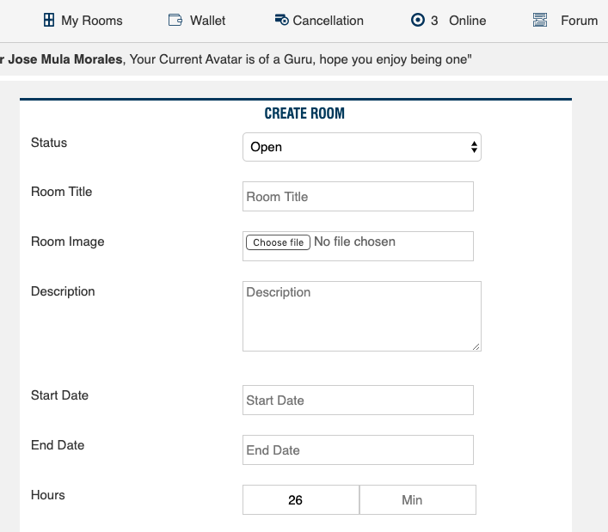 | Low | TC_Room/ContactUs_148
GA_044 | Hours is displayed entering 1 digit in texbox | 1.Login to Guru Avatar as a user 2.Click Switch My AVATAR. 3.Click Switch to Guru 4.Click Create New Room button 5. Type Number of hours texbox | User should be able to see 2 digits in textbox | Hours are displayed entering 1 in textbox | 18/01/20 - 1:00pm | 1.Login to Guru Avatar with your User Credentials 2.Click Switch My AVATAR. 3.Click Switch to Guru 4.Click Create New Room button 5.Type 1 digit date in Hours texbox | Mac OS Mojave 10.14.6 Google Chrome Version 79.0.3945.117 | 2 | Jose |  | Low | TC_Room/ContactUs_149
GA_045 | Hours is displayed entering 3 digit in texbox | 1.Login to Guru Avatar as a user 2.Click Switch My AVATAR. 3.Click Switch to Guru 4.Click Create New Room button 5. Type Test Data in Min texbox | User should be able to see 2 digits in textbox | Hours are displayed entering 001 in textbox | 18/01/20 - 1:00pm | 1.Login to Guru Avatar with your User Credentials 2.Click Switch My AVATAR. 3.Click Switch to Guru 4.Click Create New Room button 5.Type 3 digit date in Hours texbox | Mac OS Mojave 10.14.6 Google Chrome Version 79.0.3945.117 | 2 | Jose |  | Low | TC_Room/ContactUs_151
GA_046 | Minutes is displayed entering 1 digit in texbox | 1.Login to Guru Avatar as a user 2.Click Switch My AVATAR. 3.Click Switch to Guru 4.Click Create New Room button 5. Type Test Data in Min texbox | User should be able to see 2 digits in textbox | Minutes are displayed entering 1 in textbox | 18/01/20 - 1:00pm | 1.Login to Guru Avatar with your User Credentials 2.Click Switch My AVATAR. 3.Click Switch to Guru 4.Click Create New Room button 5.Type 1 digit date in Minutes texbox | Mac OS Mojave 10.14.6 Google Chrome Version 79.0.3945.117 | 2 | Jose |  | Low | TC_Room/ContactUs_159
GA_047 | Not popup maage displayeed when uploaded PDF >1MB. File uploaded | 1.Login to Guru Avatar as a user 2.Click Switch My AVATAR. 3.Click Switch to Guru 4.Click Create New Room button 5.Click Choose File button on Attachments 6.Select file in your computer folders 7.Click Open button | Unsuccaful upload Display error maage "Upload failed" in the screen | Upload Failed pop up maage not displayed when PDF >1MB file is uploaded. File uploaded even >1MB | 18/01/20 - 1:00pm | 1.Login to Guru Avatar with your User Credentials 2.Click Switch My AVATAR. 3.Click Switch to Guru 4.Click Create New Room button 5.Click Choose File button on Attachments 6.Select file in your computer folders 7.Click Open button | Mac OS Mojave 10.14.6 Google Chrome Version 79.0.3945.117 | 2 | Jose |  | Medium | TC_Room/ContactUs_185
GA_048 | Not popup maage displayeed when uploaded Doc >1MB. File uploaded | 1.Login to Guru Avatar as a user 2.Click Switch My AVATAR. 3.Click Switch to Guru 4.Click Create New Room button 5.Click Choose File button on Attachments 6.Select file in your computer folders 7.Click Open button | Unsuccaful upload Display error maage "Upload failed" in the screen | Upload Failed pop up maage not displayed when Doc >1MB file is uploaded. File uploaded even >1MB | 18/01/20 - 1:00pm | 1.Login to Guru Avatar with your User Credentials 2.Click Switch My AVATAR. 3.Click Switch to Guru 4.Click Create New Room button 5.Click Choose File button on Attachments 6.Select file in your computer folders 7.Click Open button | Mac OS Mojave 10.14.6 Google Chrome Version 79.0.3945.117 | 2 | Jose |  | Medium | TC_Room/ContactUs_188
GA_049 | Not popup maage displayeed when uploaded Xls >1MB. File uploaded | 1.Login to Guru Avatar as a user 2.Click Switch My AVATAR. 3.Click Switch to Guru 4.Click Create New Room button 5.Click Choose File button on Attachments 6.Select file in your computer folders 7.Click Open button | Unsuccaful upload Display error maage "Upload failed" in the screen | Upload Fail pop up maage not displayed when Xls >1MB file is uploaded. File uploaded even >1MB | 18/01/20 - 1:00pm | 1.Login to Guru Avatar with your User Credentials 2.Click Switch My AVATAR. 3.Click Switch to Guru 4.Click Create New Room button 5.Click Choose File button on Attachments 6.Select file in your computer folders 7.Click Open button | Mac OS Mojave 10.14.6 Google Chrome Version 79.0.3945.117 | 2 | Jose |  | Medium | TC_Room/ContactUs_191
GA_050 | Not popup maage displayeed when uploaded PDF >1MB. File uploaded | 1.Login to Guru Avatar as a user 2.Click Switch My AVATAR. 3.Click Switch to Guru 4.Click Create New Room button 5.Click Choose File button on Add More Attachments 6.Select file in your computer folders 7.Click Open button | Unsuccaful upload Display error maage "Upload failed" in the screen | Upload Failed pop up maage not displayed when PDF >1MB file is uploaded. File uploaded even >1MB | 18/01/20 - 1:00pm | 1.Login to Guru Avatar with your User Credentials 2.Click Switch My AVATAR. 3.Click Switch to Guru 4.Click Create New Room button 5.Click Choose File button on Add More Attachments 6.Select file in your computer folders 7.Click Open button | Mac OS Mojave 10.14.6 Google Chrome Version 79.0.3945.117 | 2 | Jose | 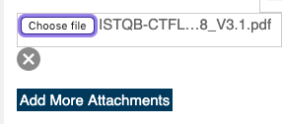 | Medium | TC_Room/ContactUs_194
GA_051 | Not popup maage displayeed when uploaded Doc >1MB. File uploaded | 1.Login to Guru Avatar as a user 2.Click Switch My AVATAR. 3.Click Switch to Guru 4.Click Create New Room button 5.Click Choose File button on Add More Attachments 6.Select file in your computer folders 7.Click Open button | Unsuccaful upload Display error maage "Upload failed" in the screen | Upload Failed pop up maage not displayed when Doc >1MB file is uploaded. File uploaded even >1MB | 18/01/20 - 1:00pm | 1.Login to Guru Avatar with your User Credentials 2.Click Switch My AVATAR. 3.Click Switch to Guru 4.Click Create New Room button 5.Click Choose File button on Add More Attachments 6.Select file in your computer folders 7.Click Open button | Mac OS Mojave 10.14.6 Google Chrome Version 79.0.3945.117 | 2 | Jose | 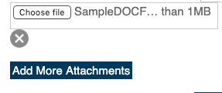 | Medium | TC_Room/ContactUs_197
GA_052 | Not popup maage displayeed when uploaded Xls >1MB. File uploaded | 1.Login to Guru Avatar as a user 2.Click Switch My AVATAR. 3.Click Switch to Guru 4.Click Create New Room button 5.Click Choose File button on Add More Attachments 6.Select file in your computer folders 7.Click Open button | Unsuccaful upload Display error maage "Upload failed" in the screen | Upload Fail pop up maage not displayed when Xls >1MB file is uploaded. File uploaded even >1MB | 18/01/20 - 1:00pm | 1.Login to Guru Avatar with your User Credentials 2.Click Switch My AVATAR. 3.Click Switch to Guru 4.Click Create New Room button 5.Click Choose File button on Add More Attachments 6.Select file in your computer folders 7.Click Open button | Mac OS Mojave 10.14.6 Google Chrome Version 79.0.3945.117 | 2 | Jose | 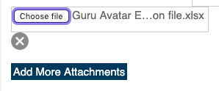 | Medium | TC_Room/ContactUs_200
GA_053 | Not popup maage displayeed when uploaded JPG >1MB. File uploaded | 1.Login to Guru Avatar as a user 2.Click Switch My AVATAR. 3.Click Switch to Guru 4.Click Create New Room button 5.Click Room Image choose file button 6.Select file with relevant path in your computer/drives 7.Click Open | Unsuccaful upload Display error maage "Upload failed" in the screen | Upload Failed pop up maage not displayed when JPG >1MB file is uploaded. File uploaded even >1MB | 18/01/20 - 1:00pm | 1.Login to Guru Avatar with your User Credentials 2.Click Switch My AVATAR. 3.Click Switch to Guru 4.Click Create New Room button 5.Click Room Image choose file button 6.Select file with relevant path in your computer/drives 7.Click Open | Mac OS Mojave 10.14.6 Google Chrome Version 79.0.3945.117 | 2 | Jose |  | High | TC_Room/ContactUs_211
GA_054 | Not popup maage displayeed when uploaded PNG >1MB. File uploaded | 1.Login to Guru Avatar as a user 2.Click Switch My AVATAR. 3.Click Switch to Guru 4.Click Create New Room button 5.Click Room Image choose file button 6.Select file with relevant path in your computer/drives 7.Click Open | Unsuccaful upload Display error maage "Upload failed" in the screen | Upload Failed pop up maage not displayed when PNG >1MB file is uploaded. File uploaded even >1MB | 18/01/20 - 1:00pm | 1.Login to Guru Avatar with your User Credentials 2.Click Switch My AVATAR. 3.Click Switch to Guru 4.Click Create New Room button 5.Click Room Image choose file button 6.Select file with relevant path in your computer/drives 7.Click Open | Mac OS Mojave 10.14.6 Google Chrome Version 79.0.3945.117 | 2 | Jose |  | High | TC_Room/ContactUs_214
GA_055 | Not popup maage displayeed when uploaded Gif >1MB. File uploaded | 1.Login to Guru Avatar as a user 2.Click Switch My AVATAR. 3.Click Switch to Guru 4.Click Create New Room button 5.Click Room Image choose file button 6.Select file with relevant path in your computer/drives 7.Click Open | Unsuccaful upload Display error maage "Upload failed" in the screen | Upload Fail pop up maage not displayed when Gif >1MB file is uploaded. File uploaded even >1MB | 18/01/20 - 1:00pm | 1.Login to Guru Avatar with your User Credentials 2.Click Switch My AVATAR. 3.Click Switch to Guru 4.Click Create New Room button 5.Click Room Image choose file button 6.Select file with relevant path in your computer/drives 7.Click Open | Mac OS Mojave 10.14.6 Google Chrome Version 79.0.3945.117 | 2 | Jose |  | High | TC_Room/ContactUs_217
GA_056 | Not popup maage displayeed when uploaded Exe <1MB. File uploaded | 1.Login to Guru Avatar as a user 2.Click Switch My AVATAR. 3.Click Switch to Guru 4.Click Create New Room button 5.Click Room Image choose file button 6.Select file with relevant path in your computer/drives 7.Click Open | Unsuccaful upload Display error maage "Upload failed" in the screen | Upload Failed pop up maage not displayed when Exe 1MB file is uploaded. File 1MB uploaded | 18/01/20 - 1:00pm | 1.Login to Guru Avatar with your User Credentials 2.Click Switch My AVATAR. 3.Click Switch to Guru 4.Click Create New Room button 5.Click Room Image choose file button 6.Select file with relevant path in your computer/drives 7.Click Open | Mac OS Mojave 10.14.6 Google Chrome Version 79.0.3945.117 | 2 | Jose |  | High | TC_Room/ContactUs_218
GA_057 | Not popup maage displayeed when uploaded Exe 1MB. File uploaded | 1.Login to Guru Avatar as a user 2.Click Switch My AVATAR. 3.Click Switch to Guru 4.Click Create New Room button 5.Click Room Image choose file button 6.Select file with relevant path in your computer/drives 7.Click Open | Unsuccaful upload Display error maage "Upload failed" in the screen | Upload Failed pop up maage not displayed when Exe 1< MB file is uploaded. File 1MB uploaded | 18/01/20 - 1:00pm | 1.Login to Guru Avatar with your User Credentials 2.Click Switch My AVATAR. 3.Click Switch to Guru 4.Click Create New Room button 5.Click Room Image choose file button 6.Select file with relevant path in your computer/drives 7.Click Open | Mac OS Mojave 10.14.6 Google Chrome Version 79.0.3945.117 | 2 | Jose |  | High | TC_Room/ContactUs_219
GA_058 | Not popup maage displayeed when uploaded Exe >1MB. File uploaded | 1.Login to Guru Avatar as a user 2.Click Switch My AVATAR. 3.Click Switch to Guru 4.Click Create New Room button 5.Click Room Image choose file button 6.Select file with relevant path in your computer/drives 7.Click Open | Unsuccaful upload Display error maage "Upload failed" in the screen | Upload Failed pop up maage not displayed when PDF < 1MB file is uploaded. File uploaded even >1MB | 18/01/20 - 1:00pm | 1.Login to Guru Avatar with your User Credentials 2.Click Switch My AVATAR. 3.Click Switch to Guru 4.Click Create New Room button 5.Click Room Image choose file button 6.Select file with relevant path in your computer/drives 7.Click Open | Mac OS Mojave 10.14.6 Google Chrome Version 79.0.3945.117 | 2 | Jose |  | High | TC_Room/ContactUs_220
 |  |  |  |  |  |  |  |  |  |  | High

