Test -homocedasticidad
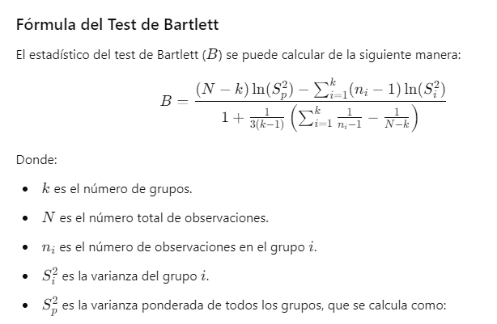
N° | Psuelo | Intensidad_Pastoreo | Valor
1 | NH4+-N | G0 | 1.18 |  |  |  | N | 36
2 | NH4+-N | G0 | 1.26 |  |  |  | k | 3
3 | NH4+-N | G0 | 1.34
4 | NH4+-N | G0.7 | 1.07
5 | NH4+-N | G0.7 | 1.13 |  | NH4+-N | NO3-N | P
6 | NH4+-N | G0.7 | 1.19 | Si^2 | 0.011708333333 | 0.00040475 | 0.1107
7 | NH4+-N | G1.2 | 1.16 | ni | 12 | 12 | 12
8 | NH4+-N | G1.2 | 1.22 |  | 0.0039027777778 | 0.00013491666667 | 0.0369
9 | NH4+-N | G1.2 | 1.28 | Sp^2 | 0.040937694444
10 | NH4+-N | G1.6 | 1.26 | (ni-1)*LN(Si^2) | -48.92199884 | -85.934650619 | -24.210245832
11 | NH4+-N | G1.6 | 1.37 | 1/(ni-1) | 0.090909090909 | 0.090909090909 | 0.090909090909
12 | NH4+-N | G1.6 | 1.48
13 | NO3-N | G0 | 0.066
14 | NO3-N | G0 | 0.07 |  | Numerado | Denominador
15 | NO3-N | G0 | 0.074 |  | 53.60866277 | 1.0404040404
16 | NO3-N | G0.7 | 0.114 | B | 51.526772953
17 | NO3-N | G0.7 | 0.12 | p-valor | 6.4729673742E-12
18 | NO3-N | G0.7 | 0.126
19 | NO3-N | G1.2 | 0.092
20 | NO3-N | G1.2 | 0.1
21 | NO3-N | G1.2 | 0.108
22 | NO3-N | G1.6 | 0.07
23 | NO3-N | G1.6 | 0.08
24 | NO3-N | G1.6 | 0.09
25 | P | G0 | 0.82
26 | P | G0 | 0.86
27 | P | G0 | 0.9
28 | P | G0.7 | 1.66
29 | P | G0.7 | 1.74
30 | P | G0.7 | 1.82
31 | P | G1.2 | 1.1
32 | P | G1.2 | 1.14
33 | P | G1.2 | 1.18
34 | P | G1.6 | 1.3
35 | P | G1.6 | 1.42
36 | P | G1.6 | 1.54

N° | Intensidad_Pastoreo | Psuelo | Valor
1 | G0 | NH4+-N | 1.18
2 | G0 | NH4+-N | 1.26 |  |  |  | N | 36
3 | G0 | NH4+-N | 1.34 |  |  |  | k | 4
4 | G0 | NO3-N | 0.066
5 | G0 | NO3-N | 0.07
6 | G0 | NO3-N | 0.074 |  | G0 | G0.7 | G1.2 | G1.6
7 | G0 | P | 0.82 | Si^2 | 0.246248 | 0.44851911111 | 0.26143644444 | 0.3906
8 | G0 | P | 0.86 | ni | 9 | 9 | 9 | 9
9 | G0 | P | 0.9 | Sp_i^2 | 0.061562 | 0.11212977778 | 0.065359111111 | 0.09765
10 | G0.7 | NH4+-N | 1.07 | Sp^2 | 0.33670088889
11 | G0.7 | NH4+-N | 1.13 | (ni-1)*LN(Si^2) | -11.211328966 | -6.4144318977 | -10.732512538 | -7.5205700843
12 | G0.7 | NH4+-N | 1.19 | 1/(ni-1) | 0.125 | 0.125 | 0.125 | 0.125
13 | G0.7 | NO3-N | 0.114
14 | G0.7 | NO3-N | 0.12
15 | G0.7 | NO3-N | 0.126 |  | Numerado | Denominador
16 | G0.7 | P | 1.66 |  | 1.0449134766 | 1.0520833333
17 | G0.7 | P | 1.74 | B | 0.99318508669
18 | G0.7 | P | 1.82 | p-valor | 0.80290096001
19 | G1.2 | NH4+-N | 1.16
20 | G1.2 | NH4+-N | 1.22
21 | G1.2 | NH4+-N | 1.28
22 | G1.2 | NO3-N | 0.092
23 | G1.2 | NO3-N | 0.1
24 | G1.2 | NO3-N | 0.108
25 | G1.2 | P | 1.1
26 | G1.2 | P | 1.14
27 | G1.2 | P | 1.18
28 | G1.6 | NH4+-N | 1.26
29 | G1.6 | NH4+-N | 1.37
30 | G1.6 | NH4+-N | 1.48
31 | G1.6 | NO3-N | 0.07
32 | G1.6 | NO3-N | 0.08
33 | G1.6 | NO3-N | 0.09
34 | G1.6 | P | 1.3
35 | G1.6 | P | 1.42
36 | G1.6 | P | 1.54

Test autocorrelación
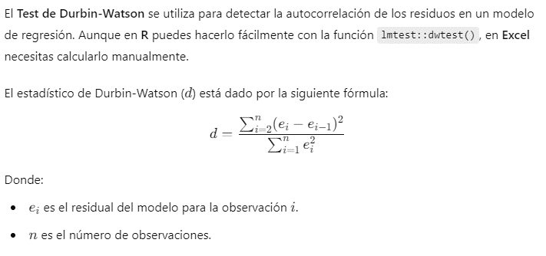
N° | Residuos | ei^2 | ei-e_(i-1)
1 | 0.080833333333 | 0.0065340277778
2 | 0.16083333333 | 0.025867361111 | 0.0064
3 | 0.24083333333 | 0.058000694444 | 0.0064
4 | -0.29583333333 | 0.087517361111 | 0.28801111111
5 | -0.23583333333 | 0.055617361111 | 0.0036
6 | -0.17583333333 | 0.030917361111 | 0.0036
7 | -0.029166666667 | 0.00085069444444 | 0.021511111111
8 | 0.030833333333 | 0.00095069444444 | 0.0036
9 | 0.090833333333 | 0.0082506944444 | 0.0036
10 | -0.065833333333 | 0.0043340277778 | 0.024544444444
11 | 0.044166666667 | 0.0019506944444 | 0.0121
12 | 0.15416666667 | 0.023767361111 | 0.0121
13 | 0.11933333333 | 0.014240444444 | 0.0012133611111
14 | 0.12333333333 | 0.015211111111 | 0.000016
15 | 0.12733333333 | 0.016213777778 | 0.000016
16 | -0.099333333333 | 0.0098671111111 | 0.051377777778
17 | -0.093333333333 | 0.0087111111111 | 0.000036
18 | -0.087333333333 | 0.0076271111111 | 0.000036
19 | 0.055333333333 | 0.0030617777778 | 0.020353777778
20 | 0.063333333333 | 0.0040111111111 | 0.000064
21 | 0.071333333333 | 0.0050884444444 | 0.000064
22 | -0.10333333333 | 0.010677777778 | 0.030508444444
23 | -0.093333333333 | 0.0087111111111 | 0.0001
24 | -0.083333333333 | 0.0069444444444 | 0.0001
25 | -0.32416666667 | 0.10508402778 | 0.058000694444
26 | -0.28416666667 | 0.080750694444 | 0.0016
27 | -0.24416666667 | 0.059617361111 | 0.0016
28 | 0.24916666667 | 0.062084027778 | 0.24337777778
29 | 0.32916666667 | 0.10835069444 | 0.0064
30 | 0.40916666667 | 0.16741736111 | 0.0064
31 | -0.13416666667 | 0.018000694444 | 0.29521111111
32 | -0.094166666667 | 0.0088673611111 | 0.0016
33 | -0.054166666667 | 0.0029340277778 | 0.0016
34 | -0.070833333333 | 0.0050173611111 | 0.00027777777778
35 | 0.049166666667 | 0.0024173611111 | 0.0144
36 | 0.16916666667 | 0.028617361111 | 0.0144
 |  | 1.064082 | 1.1342193889

 |  | DW | 1.0659135188

Tukey
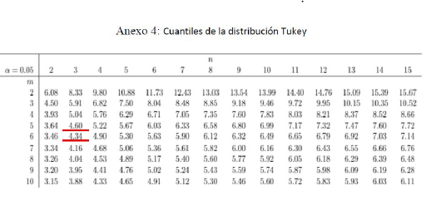
N° | Psuelo | Intensidad_Pastoreo | Valor
1 | NH4+-N | G0 | 1.18
2 | NH4+-N | G0 | 1.26 | NH4+-N | NO3-N | P
3 | NH4+-N | G0 | 1.34 | 12 | 12 | 12
4 | NH4+-N | G0.7 | 1.07 | 1.245 | 0.0925 | 1.29
5 | NH4+-N | G0.7 | 1.13
6 | NH4+-N | G0.7 | 1.19
7 | NH4+-N | G1.2 | 1.16
8 | NH4+-N | G1.2 | 1.22 | G0 | G0.7 | G1.2 | G1.6
9 | NH4+-N | G1.2 | 1.28 | 9 | 9 | 9 | 9
10 | NH4+-N | G1.6 | 1.26 | 0.73 | 0.99666666667 | 0.82 | 0.95666666667
11 | NH4+-N | G1.6 | 1.37
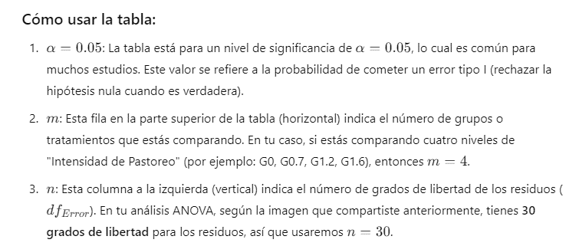
12 | NH4+-N | G1.6 | 1.48
13 | NO3-N | G0 | 0.066
14 | NO3-N | G0 | 0.07
15 | NO3-N | G0 | 0.074
16 | NO3-N | G0.7 | 0.114
17 | NO3-N | G0.7 | 0.12
18 | NO3-N | G0.7 | 0.126 | Mserror | 0.0354694
19 | NO3-N | G1.2 | 0.092 | SE_intensidad_pastoreo | 0.062777738446
20 | NO3-N | G1.2 | 0.1 | SE_Psuelo | 0.054367116287
21 | NO3-N | G1.2 | 0.108 | q_intesidad_pastoreo | 4.34
22 | NO3-N | G1.6 | 0.07 | q_Psuelo | 3.64
23 | NO3-N | G1.6 | 0.08 | DMS _intensidad_pastoreo | 0.27245538486
24 | NO3-N | G1.6 | 0.09 | DMS_Psuelo | 0.19789630328
25 | P | G0 | 0.82
26 | P | G0 | 0.86
27 | P | G0 | 0.9
28 | P | G0.7 | 1.66 | Diferencias Absolutas | valor | Es mayor a DMS_intesidad_pastoreo?
29 | P | G0.7 | 1.74 | G0-G0.7 | 0.26666666667 | FALSE
30 | P | G0.7 | 1.82 | G0-G1.2 | 0.09 | FALSE
31 | P | G1.2 | 1.1 | G0-G1.6 | 0.22666666667 | FALSE
32 | P | G1.2 | 1.14 | G0.7-G1.2 | 0.17666666667 | FALSE
33 | P | G1.2 | 1.18 | G07-G1.6 | 0.04 | FALSE
34 | P | G1.6 | 1.3 | G1.2-G1.6 | 0.13666666667 | FALSE
35 | P | G1.6 | 1.42
36 | P | G1.6 | 1.54 | Diferencias Absolutas | valor | Es mayor a DMS_Psuelo?
 |  |  |  | (NH4+-N)-NO3-N | 1.1525 | TRUE
 |  |  |  | (NH4+-N)-P | 0.045 | FALSE
 |  |  |  | (NO3-N)-P | 1.1975 | TRUE

 |  |  |  |  | Grupo
 |  |  |  | NH4+-N | a
 |  |  |  | NO3-N | b
 |  |  |  | P | a

