market-share-logic-chip-product
Entity | Code | Year | Design | Fabrication | Assembly, testing and packaging
China | CHN | 2021 | 0.09 | 0.12 | 14
Italy | ITA | 2021 |  | 0.02 |  | FUENTE
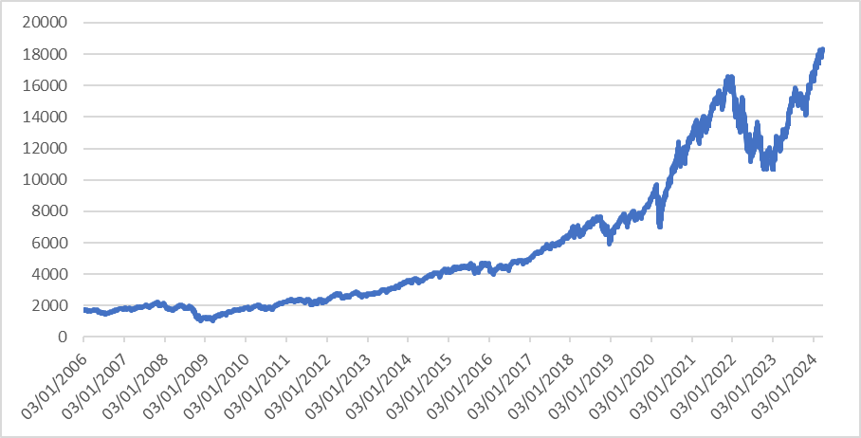
Japan | JPN | 2021 | 0.06 | 0.01 | 7 | Emerging Technology Observatory: Supply Chain Explorer
Malaysia | MYS | 2021 |  |  | 2
Others |  | 2021 | 0.09 |  | 5
Singapore | SGP | 2021 |  |  | 2
South Korea | KOR | 2021 | 0.06 | 0.11 | 13
Taiwan | TWN | 2021 | 0.09 | 0.47 | 29
United States | USA | 2021 | 0.61 | 0.27 | 28
 | Fabrication
China | 0.12
Italy | 0.02
Japan | 0.01
South Korea | 0.11
Taiwan | 0.47
United States | 0.27

 | Design
China | 0.09
Japan | 0.06
Others | 0.09
South Korea | 0.06
Taiwan | 0.09
United States | 0.61

