national-gdp-constant-usd-w (2)
Entity | Code | Year | GDP (constant 2015 US$)
...
China | CHN | 1960 | 158907170000
China | CHN | 1961 | 115573190000
China | CHN | 1962 | 109124200000
China | CHN | 1963 | 120363990000
China | CHN | 1964 | 142246170000
China | CHN | 1965 | 166356900000
China | CHN | 1966 | 184073900000
China | CHN | 1967 | 173452840000
China | CHN | 1968 | 166341260000
China | CHN | 1969 | 194519480000
China | CHN | 1970 | 232061750000
China | CHN | 1971 | 248445300000
China | CHN | 1972 | 257911060000
China | CHN | 1973 | 277924970000
China | CHN | 1974 | 284345040000
China | CHN | 1975 | 309139930000
China | CHN | 1976 | 304286430000
China | CHN | 1977 | 327320900000
China | CHN | 1978 | 364393200000
China | CHN | 1979 | 392055460000
China | CHN | 1980 | 422769660000
China | CHN | 1981 | 444384870000
China | CHN | 1982 | 484455550000
China | CHN | 1983 | 536632400000
China | CHN | 1984 | 618155150000
China | CHN | 1985 | 701177500000
China | CHN | 1986 | 763932640000
China | CHN | 1987 | 852987540000
China | CHN | 1988 | 948714900000
China | CHN | 1989 | 988621050000
China | CHN | 1990 | 1027377460000
China | CHN | 1991 | 1122541200000
China | CHN | 1992 | 1282217500000
China | CHN | 1993 | 1460237000000
China | CHN | 1994 | 1650605300000
China | CHN | 1995 | 1831411900000
China | CHN | 1996 | 2013134700000
China | CHN | 1997 | 2199083500000
China | CHN | 1998 | 2371622500000
China | CHN | 1999 | 2553328200000
China | CHN | 2000 | 2770108000000
China | CHN | 2001 | 3001017000000
China | CHN | 2002 | 3275118600000
China | CHN | 2003 | 3603876000000
China | CHN | 2004 | 3968358400000
China | CHN | 2005 | 4420537000000
China | CHN | 2006 | 4982871400000
China | CHN | 2007 | 5691976700000
China | CHN | 2008 | 6241291000000
China | CHN | 2009 | 6827893000000
China | CHN | 2010 | 7554099000000
China | CHN | 2011 | 8275578000000
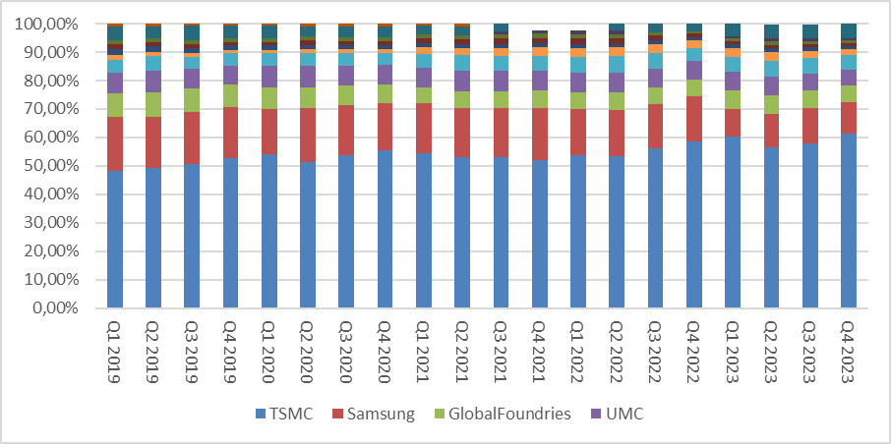
China | CHN | 2012 | 8926348000000
China | CHN | 2013 | 9619582000000
China | CHN | 2014 | 10333908000000
China | CHN | 2015 | 11061553000000
China | CHN | 2016 | 11819132000000
China | CHN | 2017 | 12640231000000
China | CHN | 2018 | 13493419000000
China | CHN | 2019 | 14296344000000
China | CHN | 2020 | 14616540000000
China | CHN | 2021 | 15801911000000
...

