Data
Semiconductor foundries revenue share worldwide 2019-2023, by quarter
Semiconductor foundries revenue share worldwide from 2019 to 2023, by quarter
 | TSMC | Samsung | GlobalFoundries | UMC | SMIC | HuaHong Group | Tower | PSMC | VIS | Nexchip | Other | DB Hitek
Q1 2019 | 48.10 | 19.10 | 8.40 | 7.20 | 4.50 | 1.50 | 2.10 | 1.70 | 1.50 |  | 5 | 0.90 | in %
Q2 2019 | 49.20 | 18 | 8.70 | 7.50 | 5.10 | 1.50 | 2 | 1.30 | 1.40 |  | 4.40 | 0.90 | in %
Q3 2019 | 50.50 | 18.50 | 8.30 | 6.70 | 4.40 | 1.30 | 1.70 | 1.30 | 1.30 |  | 5.20 | 0.80 | in %
Q4 2019 | 52.70 | 17.80 | 8 | 6.80 | 4.30 | 1.20 | 1.60 | 1.20 | 1.20 |  | 4.40 | 0.80 | in %
Q1 2020 | 54.10 | 15.90 | 7.70 | 7.40 | 4.50 | 1.10 | 1.60 | 1.30 | 1.40 |  | 4.20 | 0.80 | in %
Q2 2020 | 51.50 | 18.80 | 7.40 | 7.30 | 4.80 | 1.10 | 1.60 | 1.50 | 1.40 |  | 3.60 | 1 | in %
Q3 2020 | 53.90 | 17.40 | 7 | 7 | 4.50 | 1.10 | 1.50 | 1.40 | 1.30 |  | 3.90 | 0.90 | in %
Q4 2020 | 55.60 | 16.40 | 6.60 | 6.90 | 4.30 | 1.20 | 1.50 | 1.40 | 1.30 |  | 3.90 | 0.90 | in %
Q1 2021 | 54.50 | 17.40 | 5.50 | 7.10 | 4.70 | 2.50 | 1.50 | 1.60 | 1.40 |  | 3 | 0.90 | in %
Q2 2021 | 52.90 | 17.30 | 6.10 | 7.20 | 5.30 | 2.60 | 1.40 | 1.80 | 1.40 |  | 3 | 1 | in %
Q3 2021 | 53.10 | 17.10 | 6.10 | 7.30 | 5 | 2.80 | 1.40 | 1.90 | 1.50 | 0.90 | 3 | 1 | in %
Q4 2021 | 52.10 | 18.30 | 6.10 | 7 | 5.20 | 2.90 | 1.40 | 2 | 1.50 | 1.20 |  |  | in %
Q1 2022 | 53.60 | 16.30 | 5.90 | 6.90 | 5.60 | 3.20 | 1.30 | 2 | 1.50 | 1.40 |  |  | in %
Q2 2022 | 53.40 | 16.40 | 5.90 | 7.20 | 5.60 | 3.10 | 1.30 | 1.90 | 1.50 | 1.40 | 4 |  | in %
Q3 2022 | 56.10 | 15.50 | 5.80 | 6.90 | 5.30 | 3.30 | 1.20 | 1.60 | 1.20 |  | 3 | 0.90 | in %
Q4 2022 | 58.50 | 15.80 | 6.20 | 6.30 | 4.70 | 2.60 | 1.20 | 1.20 | 0.90 |  | 3 | 0.90 | in %
Q1 2023 | 60.20 | 9.90 | 6.60 | 6.40 | 5.30 | 3 | 1.30 | 1.20 | 1 | 0.60 | 5 |  | in %
Q2 2023 | 56.40 | 11.70 | 6.70 | 6.60 | 5.60 | 3 | 1.30 | 1.20 | 1.20 | 1 | 5 |  | in %
Q3 2023 | 57.90 | 12.40 | 6.20 | 6 | 5.40 | 2.60 | 1.20 | 1 | 1.10 | 0.90 | 5 |  | in %
Q4 2023 | 61.20 | 11.30 | 5.80 | 5.40 | 5.20 | 2 | 1.10 | 1 | 1 | 1 | 5 |  | in %
 | TSMC | Samsung | GlobalFoundries | UMC | SMIC | HuaHong Group | Tower | PSMC | VIS | Nexchip | Other | DB Hitek
Q1 2019 | 0.481 | 0.191 | 0.084 | 0.072 | 0.045 | 0.015 | 0.021 | 0.017 | 0.015 | #VALUE! | 0.05 | 0.009
Q2 2019 | 0.492 | 0.18 | 0.087 | 0.075 | 0.051 | 0.015 | 0.02 | 0.013 | 0.014 | #VALUE! | 0.044 | 0.009
Q3 2019 | 0.505 | 0.185 | 0.083 | 0.067 | 0.044 | 0.013 | 0.017 | 0.013 | 0.013 | #VALUE! | 0.052 | 0.008
Q4 2019 | 0.527 | 0.178 | 0.08 | 0.068 | 0.043 | 0.012 | 0.016 | 0.012 | 0.012 | #VALUE! | 0.044 | 0.008
Q1 2020 | 0.541 | 0.159 | 0.077 | 0.074 | 0.045 | 0.011 | 0.016 | 0.013 | 0.014 | #VALUE! | 0.042 | 0.008
Q2 2020 | 0.515 | 0.188 | 0.074 | 0.073 | 0.048 | 0.011 | 0.016 | 0.015 | 0.014 | #VALUE! | 0.036 | 0.01
Q3 2020 | 0.539 | 0.174 | 0.07 | 0.07 | 0.045 | 0.011 | 0.015 | 0.014 | 0.013 | #VALUE! | 0.039 | 0.009
Q4 2020 | 0.556 | 0.164 | 0.066 | 0.069 | 0.043 | 0.012 | 0.015 | 0.014 | 0.013 | #VALUE! | 0.039 | 0.009
Q1 2021 | 0.545 | 0.174 | 0.055 | 0.071 | 0.047 | 0.025 | 0.015 | 0.016 | 0.014 | #VALUE! | 0.03 | 0.009
Q2 2021 | 0.529 | 0.173 | 0.061 | 0.072 | 0.053 | 0.026 | 0.014 | 0.018 | 0.014 | #VALUE! | 0.03 | 0.01
Q3 2021 | 0.531 | 0.171 | 0.061 | 0.073 | 0.05 | 0.028 | 0.014 | 0.019 | 0.015 | 0.009 | 0.03 | 0.01
Q4 2021 | 0.521 | 0.183 | 0.061 | 0.07 | 0.052 | 0.029 | 0.014 | 0.02 | 0.015 | 0.012 | #VALUE! | #VALUE!
Q1 2022 | 0.536 | 0.163 | 0.059 | 0.069 | 0.056 | 0.032 | 0.013 | 0.02 | 0.015 | 0.014 | #VALUE! | #VALUE!
Q2 2022 | 0.534 | 0.164 | 0.059 | 0.072 | 0.056 | 0.031 | 0.013 | 0.019 | 0.015 | 0.014 | 0.04 | #VALUE!
Q3 2022 | 0.561 | 0.155 | 0.058 | 0.069 | 0.053 | 0.033 | 0.012 | 0.016 | 0.012 | #VALUE! | 0.03 | 0.009
Q4 2022 | 0.585 | 0.158 | 0.062 | 0.063 | 0.047 | 0.026 | 0.012 | 0.012 | 0.009 | #VALUE! | 0.03 | 0.009
Q1 2023 | 0.602 | 0.099 | 0.066 | 0.064 | 0.053 | 0.03 | 0.013 | 0.012 | 0.01 | 0.006 | 0.05 | #VALUE!
Q2 2023 | 0.564 | 0.117 | 0.067 | 0.066 | 0.056 | 0.03 | 0.013 | 0.012 | 0.012 | 0.01 | 0.05 | #VALUE!
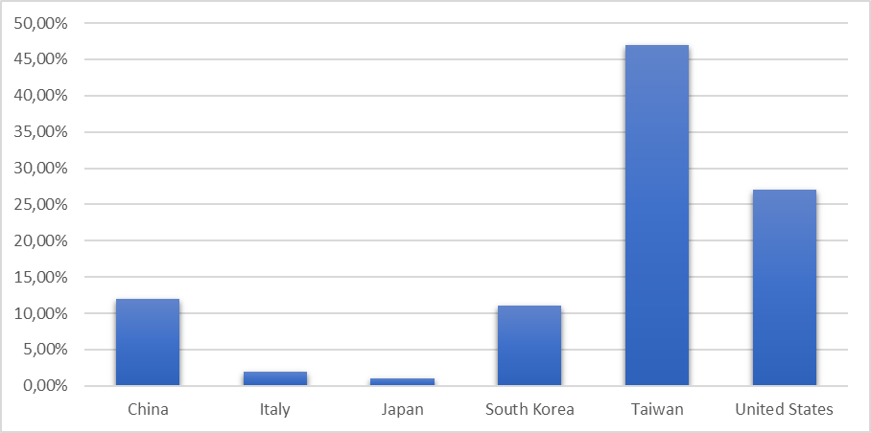
Q3 2023 | 0.579 | 0.124 | 0.062 | 0.06 | 0.054 | 0.026 | 0.012 | 0.01 | 0.011 | 0.009 | 0.05 | #VALUE!
Q4 2023 | 0.612 | 0.113 | 0.058 | 0.054 | 0.052 | 0.02 | 0.011 | 0.01 | 0.01 | 0.01 | 0.05 | #VALUE!

