Display de 7 segmentos
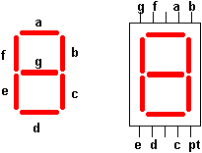
 | A | B | C | D | E | F | G | Hexadecimal | Binario
0 | 1 | 1 | 1 | 1 | 1 | 1 | 0 | 0x7E | 01111110
1 | 0 | 1 | 1 | 0 | 0 | 0 | 0 | 0x30 | 00110000
2 | 1 | 1 | 0 | 1 | 1 | 0 | 1 | 0x6D | 01101101
3 | 1 | 1 | 1 | 1 | 0 | 0 | 1 | 0x79 | 01111001
4 | 0 | 1 | 1 | 0 | 0 | 1 | 1 | 0x33 | 00110011
5 | 1 | 0 | 1 | 1 | 0 | 1 | 1 | 0x5B | 01011011
6 | 1 | 0 | 1 | 1 | 1 | 1 | 1 | 0x5F | 01011111
7 | 1 | 1 | 1 | 0 | 0 | 0 | 0 | 0x70 | 01110000
8 | 1 | 1 | 1 | 1 | 1 | 1 | 1 | 0x7F | 01111111
9 | 1 | 1 | 1 | 1 | 0 | 1 | 1 | 0x7B | 01111011
A | 1 | 1 | 1 | 0 | 1 | 1 | 1 | 0x77 | 01110111
B | 0 | 0 | 1 | 1 | 1 | 1 | 1 | 0x1F | 00011111
C | 1 | 0 | 0 | 1 | 1 | 1 | 0 | 0x4E | 01001110
D | 0 | 1 | 1 | 1 | 1 | 0 | 1 | 0x3D | 00111101
E | 1 | 0 | 0 | 1 | 1 | 1 | 1 | 0x4F | 01001111
F | 1 | 0 | 0 | 0 | 1 | 1 | 1 | 0x47 | 01000111

table7seg: .db 0x3F,0x06,0x5B,0x4F,0x66,0x6D,0x7D,0x07,0x7F,0x6F,0x77,0x7C,0x39,0x5E,0x79,0x71

timer 0,2
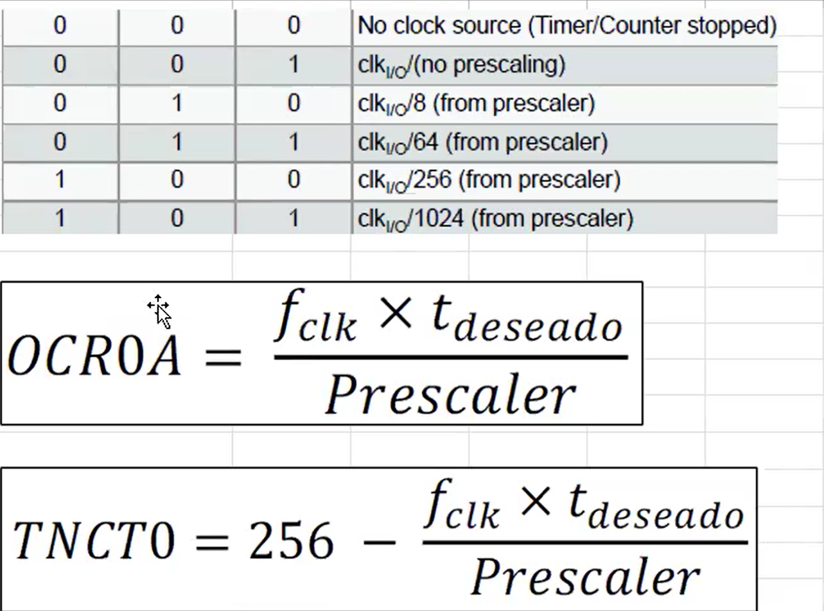
Timer size (bits) | 8 |  |  | CSn2 | CSn1 | CSn0 | Timer 2 | CSn2 | CSn1 | CSn0
System Clock Frequency (Hz) | 16000000 |  |  | 0 | 1 | 1 |  | 1 | 0 | 0
System clock prescaler | 1
Clock I/O Frequency | 16000000
Clock I/O Prescaler | 64 |  | ANY
Desired delay (s) | 0.001000

Timer Frecuency(Hz) | 250000
Ticks (s) | 0.000004
Maximum time (s) | 0.001024
Minimum precaler needed | 62.5

OCR0A | 250.0 | CTC MODE
TNCT0 | 6.0 | Normal Mode

timer 1
Timer size (bits) | 16 |  | CSn2 | CSn1 | CSn0
System Clock Frequency (Hz) | 16000000 |  | 0 | 1 | 1
System clock prescaler | 16
Clock I/O Frequency | 1000000
Clock I/O Prescaler | 64
Desired delay (s) | 1.000000

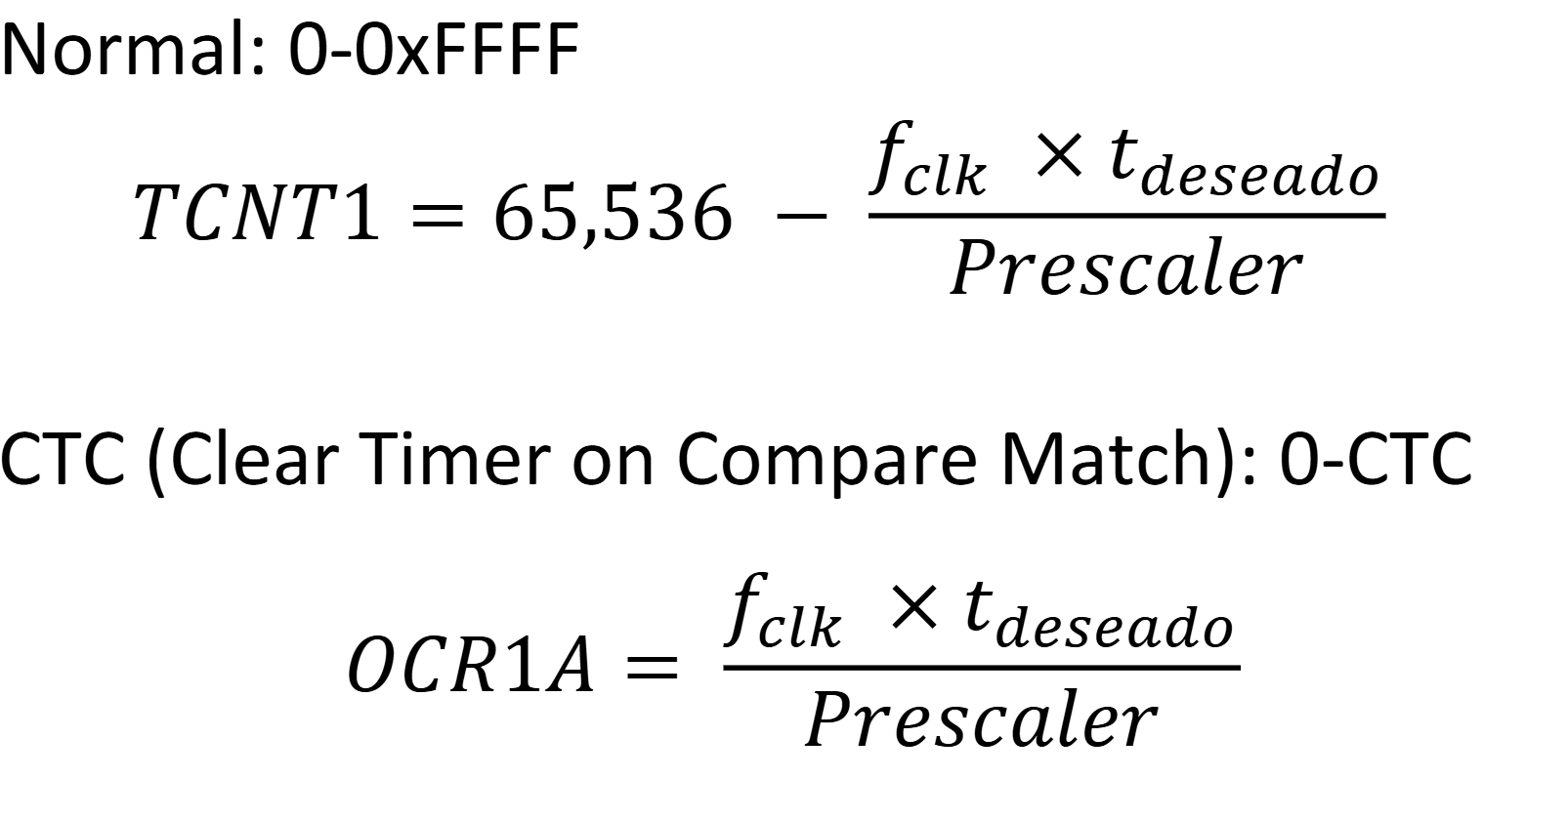
Timer Frecuency(Hz) | 15625
Ticks (s) | 0.000064
Maximum time (s) | 4.194304
Minimum precaler needed | 15.258789062

OCR0A | 15625.0 | CTC MODE
TNCT0 | 49911.0 | Normal Mode

