Sheet1
Command | Description | Atribute IN | Atribute OUT | Note
PWM ON | Turn ON PWM_FL, PWM_FH, PWM_SL and PWM_SH | none | gpio change
PWM OFF | Turn OFF PWM_FL, PWM_FH, PWM_SL and PWM_SH | none | gpio change
PWM FREQ <value> | Change the PWM frequency to the <value> one, defined in kHz | <value> | none
PWM DT <value> | Change the PWM deadtime to <value>, when the deadtime is <value>*(1/freq) | <value> | none | When the changed the value, the PWM stops
ADC READ | Send all the actual ADC values | none | text
DAC <value> | Actualize the DAC value to <value>, output value will be Vout = (<value>/4096)*3,3 | <value> | gpio change
GPIO READ | Send the state of all input GPIO and SYNC_IN | none | text
GPIO HIGH | Change the state of all output GPIO, USART_DE, SYNC_OUT and FAN to HIGH | none | gpio change
GPIO LOW | Change the state of all output GPIO, USART_DE, SINC_OUT and FAN to LOW | none | gpio change
UART TM | Send TM message over RS485 | none | text

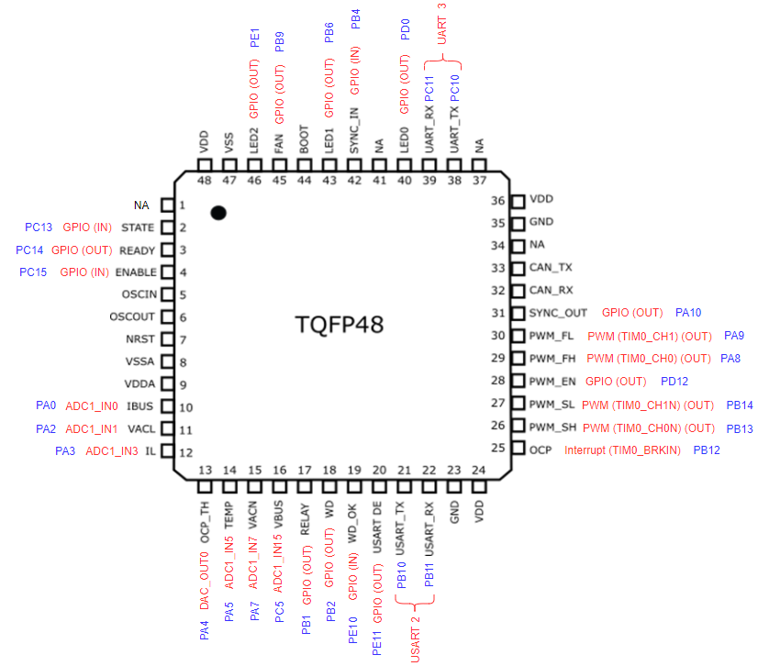

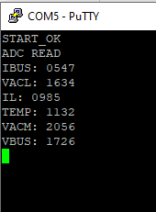
Example: ADC READ

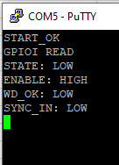
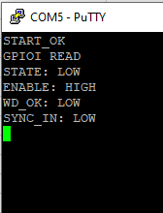
Example: GPIO READ

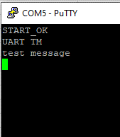
Example: UART TM

